Page1
 | October, 2023

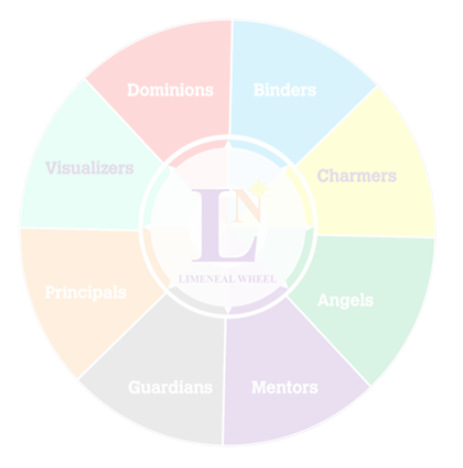
 |  | 


 | Career Fulfilment Report - Level 2 | Purpose + Passion





 | Level 2 of the Limeneal Wheel CareerFulfill report provides your Top 3 Limeneal Wheel® Dimensions, driven by your Inclinations and PASSION.

 | Level 2 presents 1 career of your preference in alignment to your Passion.

 | Career Fulfill Wheel Report

Limeneal Wheel Dimensions, Virtues, Traits and the Reports are copyrighted. All Rights Reserved.

Page2
 |  |  |  | 0

 | October, 2023

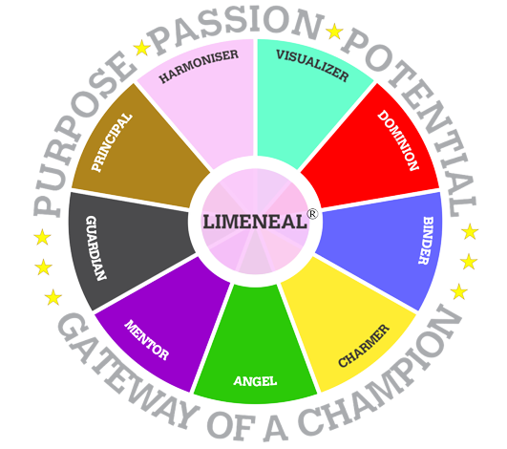
01
 | Limeneal Wheel Model

 |  |  | The Limeneal Wheel tool discovers the intensity of expressions of the 9 dimensions in the wheel in individuals, revealing the individuals’ Purpose, Passion and Potentials, by identifying their Power, Push and Pain Dimensions.

 |  |  |  |  |  |  |  | ®

 | Power Dimensions |  |  |  |  | #REF!
 | Power Dimensions are easily and naturally expressed by the individual and has the highest impact on the outcomes produced.

 |  |  |  |  |  |  | Mentor
 | 1 | 1 | 1 | 1 | 1 | 1 | 4%
 | 1 | 1 | 1 | 1 | 1 | 1 | 96%
 | 1 | 1 | 1 | 1 | 1 | 1
 | 1 | 1 | 1 | 1 | 1 | 1
 | 1 | 1 | 1 | 1 | 1 | 1
 | 1 | 1 | 1 | 1 | 1 | 1
 | 1 | 1 | 1 | 1 | 1 | 1
 | 1 | 1 | 1 | 1 | 1 | 1
 | 1 | 1 | 1 | 1 | 1 | 1
 | 1 | 1 | 1 | 1 | 1 | 1
 | 1 | 1 | 1 | 1 | 1 | 1
 | 1 | 1 | 1 | 1 | 1 | 1
 | 1 | 1 | 1 | 1 | 1 | 1
 | 1 | 1 | 1 | 1 | 1 | 1
 | 1 | 1 | 1 | 1 | 1 | 1
 | 1 | 1 | 1 | 1 | 1 | 1
 | 1 | 1 | 1 | 1 | 1 | 1
 | 1 | 1 | 1 | 1 | 1 | 1
 | 1 | 1 | 1 | 1 | 1 | 1
 | 1 | 1 | 1 | 1 | 1 | 1
 |  |  |  |  |  |  | Guardian
 | 1 | 1 | 1 | 1 | 1 | 1 | 45%
 | 1 | 1 | 1 | 1 | 1 | 1 | 55%
 | 1 | 1 | 1 | 1 | 1 | 1
 | 1 | 1 | 1 | 1 | 1 | 1
 | 1 | 1 | 1 | 1 | 1 | 1
 | 1 | 1 | 1 | 1 | 1 | 1
 | 1 | 1 | 1 | 1 | 1 | 1
 | 1 | 1 | 1 | 1 | 1 | 1
 | 1 | 1 | 1 | 1 | 1 | 1
 | 1 | 1 | 1 | 1 | 1 | 1
 | 1 | 1 | 1 | 1 | 1 | 1
 | 1 | 1 | 1 | 1 | 1 | 1
 | 1 | 1 | 1 | 1 | 1 | 1
 | 1 | 1 | 1 | 1 | 1 | 1
 | 1 | 1 | 1 | 1 | 1 | 1
 | 1 | 1 | 1 | 1 | 1 | 1
 | 1 | 1 | 1 | 1 | 1 | 1
 | 1 | 1 | 1 | 1 | 1 | 1
 | 1 | 1 | 1 | 1 | 1 | 1
 | 1 | 1 | 1 | 1 | 1 | 1
 |  |  |  |  |  |  | Principal
 | 1 | 1 | 1 | 1 | 1 | 1 | 59%
 | 1 | 1 | 1 | 1 | 1 | 1 | 41%
 | 1 | 1 | 1 | 1 | 1 | 1
 | 1 | 1 | 1 | 1 | 1 | 1
 | 1 | 1 | 1 | 1 | 1 | 1
 | 1 | 1 | 1 | 1 | 1 | 1
 | 1 | 1 | 1 | 1 | 1 | 1
 | 1 | 1 | 1 | 1 | 1 | 1
 | 1 | 1 | 1 | 1 | 1 | 1
 | 1 | 1 | 1 | 1 | 1 | 1
 | 1 | 1 | 1 | 1 | 1 | 1
 | 1 | 1 | 1 | 1 | 1 | 1
 | 1 | 1 | 1 | 1 | 1 | 1
 | 1 | 1 | 1 | 1 | 1 | 1
 | 1 | 1 | 1 | 1 | 1 | 1
 | 1 | 1 | 1 | 1 | 1 | 1
 | 1 | 1 | 1 | 1 | 1 | 1
 | 1 | 1 | 1 | 1 | 1 | 1
 | 1 | 1 | 1 | 1 | 1 | 1
 | 1 | 1 | 1 | 1 | 1 | 1
 | Mentor |  | Guardian | Principal

59%
 |  |  |  |  |  | Dimension Name | Value
 |  |  |  |  |  | Mentor | 4% | 96%
 |  |  |  |  |  | Guardian | 45% | 55%
 | 4% |  | 45% | 59% |  | Principal | 59% | 41%
 |  |  |  |  |  | Mentor | 59% | 41%
 |  |  |  |  |  | Principal | 59% | 41%
 | Achieving Despite Challenges | Achieving Despite Challenges |  | Achieving Despite Challenges |  | Mentor | 59% | 41%
 |  |  |  |  |  | Mentor | 59% | 41%
 | Your TOP 3 LW Dimensions Based on Purpose + Passion |  |  |  |  | Guardian | 78% | 22%
 |  |  |  |  |  | Principal | 59% | 41%
 | Push Dimensions
 | Push dimensions are referred as those which expressed with a bit of difficulty and a deliberate push by the individual with a moderate impact on the outcomes produced. |  |  |  | x

 |  |  |  | Mentor
 | 1 | 1 | 1 | 59%
 | 1 | 1 | 1 | 41%
 | 1 | 1 | 1
 | 1 | 1 | 1
 | 1 | 1 | 1
 | 1 | 1 | 1
 | 1 | 1 | 1
 | 1 | 1 | 1
 | 1 | 1 | 1
 | 1 | 1 | 1
 | 1 | 1 | 1
 | 1 | 1 | 1
 | 1 | 1 | 1
 | 1 | 1 | 1
 | 1 | 1 | 1
 | 1 | 1 | 1
 | 1 | 1 | 1
 | 1 | 1 | 1
 | 1 | 1 | 1
 | 1 | 1 | 1
 |  |  |  | Mentor
 | 1 | 1 | 1 | 59%
 | 1 | 1 | 1 | 41%
 | 1 | 1 | 1
 | 1 | 1 | 1
 | 1 | 1 | 1
 | 1 | 1 | 1
 | 1 | 1 | 1
 | 1 | 1 | 1
 | 1 | 1 | 1
 | 1 | 1 | 1
 | 1 | 1 | 1
 | 1 | 1 | 1
 | 1 | 1 | 1
 | 1 | 1 | 1
 | 1 | 1 | 1
 | 1 | 1 | 1
 | 1 | 1 | 1
 | 1 | 1 | 1
 | 1 | 1 | 1
 | 1 | 1 | 1
 |  |  |  | Mentor
 | 1 | 1 | 1 | 59%
 | 1 | 1 | 1 | 41%
 | 1 | 1 | 1
 | 1 | 1 | 1
 | 1 | 1 | 1
 | 1 | 1 | 1
 | 1 | 1 | 1
 | 1 | 1 | 1
 | 1 | 1 | 1
 | 1 | 1 | 1
 | 1 | 1 | 1
 | 1 | 1 | 1
 | 1 | 1 | 1
 | 1 | 1 | 1
 | 1 | 1 | 1
 | 1 | 1 | 1
 | 1 | 1 | 1
 | 1 | 1 | 1
 | 1 | 1 | 1
 | 1 | 1 | 1
 | Mentor |  | Principal | Mentor

 | 59% |  | 59% | 59%

 | S

 | Your MIDDLE3 LW Dimensions Based on Purpose + Passion

 |  |  |  |  |  |  | Implement TOP 3 mentor/dominion logic

Limeneal Wheel Dimensions, Virtues, Traits and the Reports are copyrighted. All Rights Reserved.

Page3
 |  |  |  |  | #REF!

 | October, 2023

01

 | Pain Dimensions
 | Push dimensions are referred as those which expressed with a bit of difficulty and a deliberate push by the individual with a moderate impact on the outcomes produced.

 |  | Mentor
 | 1 | 59%
 | 1 | 41%
 | 1
 | 1
 | 1
 | 1
 | 1
 | 1
 | 1
 | 1
 | 1
 | 1
 | 1
 | 1
 | 1
 | 1
 | 1
 | 1
 | 1
 | 1
 |  | Guardian
 | 1 | 78%
 | 1 | 22%
 | 1
 | 1
 | 1
 | 1
 | 1
 | 1
 | 1
 | 1
 | 1
 | 1
 | 1
 | 1
 | 1
 | 1
 | 1
 | 1
 | 1
 | 1
 |  | Principal
 | 1 | 59%
 | 1 | 41%
 | 1
 | 1
 | 1
 | 1
 | 1
 | 1
 | 1
 | 1
 | 1
 | 1
 | 1
 | 1
 | 1
 | 1
 | 1
 | 1
 | 1
 | 1
 | Mentor |  | Guardian |  | Principal

 |  |  |  |  |  |  |  | ®

 | 59% |  |  | 78% | 59%

 | Guiding Others | Guiding Others |  |  | Guiding Others

 | Your Bottom 3 LW Dimensions Based on PURPOSE + PASSION

 | Your DOMINANT Learning style based on Neuro Linguistic Programming

 | Visual
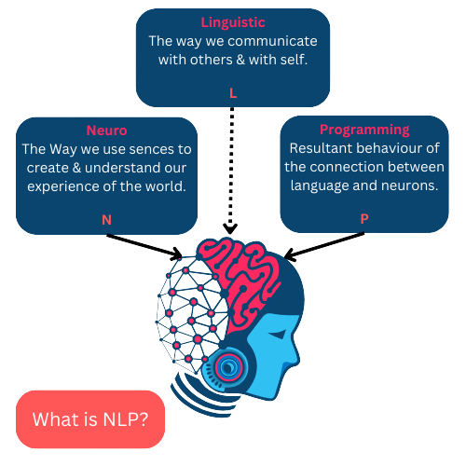
 | Visual learners will typically retain more information when they can see something that graphically depicts what they are trying to learn. Visual learners should study using visual aids whenever possible. Flash cards, pictures, drawings – anything that will give them a visual memory.

 | Visual Learner
 | like drawing diagrams, pictures and charts and watching videos/films. Reads and sees the material for learning.

 | Your SUPPORTING Learning style based on Neuro Linguistic Programming

 | Visual

 | Visual learners will typically retain more information when they can see something that graphically depicts what they are trying to learn. Visual learners should study using visual aids whenever possible. Flash cards, pictures, drawings – anything that will give them a visual memory.

 |  |  |  |  |  | Visual == Auditory for visual text check whatsapp

 | Visual Learner
 | like drawing diagrams, pictures and charts and watching videos/films. Reads and sees the material for learning. |  |  |  |  |  | Implement TOP 3 mentor/dominion logic

Limeneal Wheel Dimensions, Virtues, Traits and the Reports are copyrighted. All Rights Reserved.

