Φύλλο1
· Φτιαχνω dir με το ονομα του Project.
· Ανοιγω αυτό το dir με το text editor.
· Ανοιγω terminal και παω σε αυτό το dir.
· Pip3 freeze. Δειχνει πολλα που δεν θέλω.
· Python3 -m venv ./venv
· .\venv\Scripts\activate, για ενεργοποιηση
· Deactivate ,για απενεργοποιηση
· Με pip3 freeze => τιποτα, ΟΚ
· Pip install Django
· Django-admin help
· Django-admin startproject ins . (η τελεια εχει σημασια. Τα φτιαχνει όλα στο τρεχονατα φακελο).
· Python manage.py help
· Git init
· Φτιαχνω .gitignore file
· Gitignore.io, Django στο δημιουργηστε
*.log *.pot *.pyc __pycache__/ local_settings.py db.sqlite3 db.sqlite3-journal media
/media venv /static
static αργοτερα
· git add .
· git commit -m ‘σχολια’
· python manage.py runserver
python manage.py startapp pages
προσθετω το app in settings.py : 'pages.apps.PagesConfig',
pip install autopep8 (απλα βοηθητικο)
στο pages app φταιχνω urls.py
from django.urls import path from . import views urlpatterns = [ path("", views.index, name='index'), ]
views.py:
from django.shortcuts import render from django.http import HttpResponse # Create your views here. def index(request): return HttpResponse('<h1>Hello World</h1>')
urls.py (from ins dir ("κεντρικο"))
from django.contrib import admin from django.urls import path, include urlpatterns = [ path('', include('pages.urls')), path("admin/", admin.site.urls), ]
settins.py:
import os και μετα
TEMPLATES = [ { "BACKEND": "django.template.backends.django.DjangoTemplates", "DIRS": [os.path.join(BASE_DIR, 'templates')],
φτιαχνω dir 'templates' στο βασικό root
φτιαχνω dir 'pages' στο templates
φτιαχνω html files in 'pages'
from django.urls import path from . import views urlpatterns = [ path("", views.index, name='index'), path("about", views.about, name='about'), ]
from django.shortcuts import render from django.http import HttpResponse # Create your views here. # def index(request): # return HttpResponse('<h1>Hello World</h1>') def index(request): return render(request, 'pages/index.html') def about(request): return render(request, 'pages/about.html')
στο templates dir φτιαχνω base.html
<!doctype html> <html lang="en"> <head> <meta charset="UTF-8"> <meta name="viewport" content="width=device-width, user-scalable=no, initial-scale=1.0, maximum-scale=1.0, minimum-scale=1.0"> <meta http-equiv="X-UA-Compatible" content="ie=edge"> <title>INS app</title> </head> <body> {% block content %}{% endblock %} </body> </html>
{% extends 'base.html' %} {% block content %} <h1>Home</h1> {% endblock %}
φτιαχνω dir 'static' στο ins
settings.py
# Static files (CSS, JavaScript, Images) # https://docs.djangoproject.com/en/4.1/howto/static-files/ STATIC_ROOT = os.path.join(BASE_DIR, 'static') STATIC_URL = "static/" STATICFILES_DIRS = [ os.path.join(BASE_DIR, 'ins/static'), ]
python manage.py collectstatic
εφτιαξε αυτοματα static dir και στο main root, με καποια (πολλα) επιπλέον. Μετα από αυτην κίνηση, ότι βάζω στο instruments/static με collectstatic αντιγράφεται στο main root static
*.log *.pot *.pyc __pycache__/ local_settings.py db.sqlite3 db.sqlite3-journal media venv /static
προσθεσα /static
στο base.html, load static
{% load static %} <!doctype html> <html lang="en">
δεσ παρακατω πως μετατρεπω links από αλλα εργα:
<!-- Font Awesome --> <link rel="stylesheet" href="{% static '/css/all.css' %}"> <!-- Bootstrap --> <link rel="stylesheet" href="{% static '/css/bootstrap.css' %}"> <!-- Custom --> <link rel="stylesheet" href="{% static '/css/style.css' %}">
<script src="{% static 'js/jquery-3.3.1.min.js'%} "></script> <script src="{% static 'js/bootstrap.bundle.min.js'%} "></script> <script src="{% static 'js/main.js'%} "></script>
φτιαχνω partials dir
στο base.html προσθέτω:
<!-- Top Bar --> {% include 'partials/topbar.html' %}
postgres, video 31 | 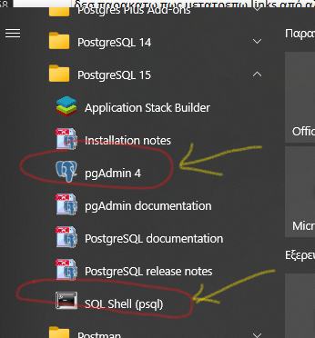 | 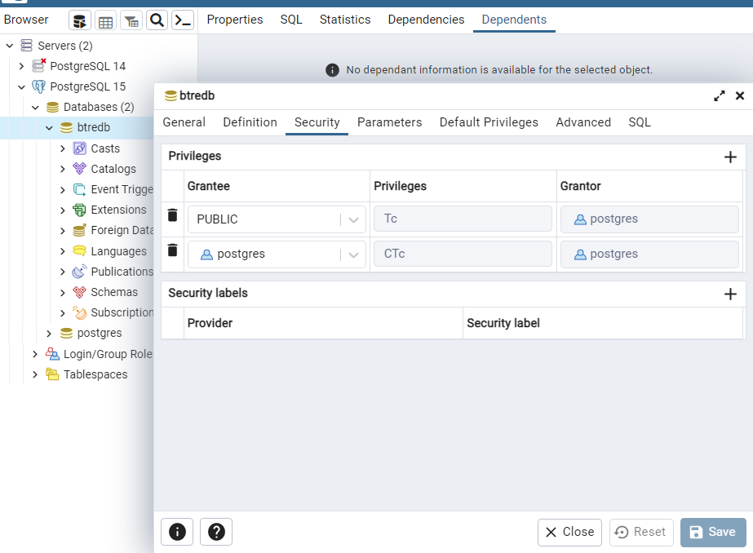
pgAdmin, video 31
video-32: pip install psycopg2
pip install psycopg2-binary
settings.py
DATABASES = { "default": { # "ENGINE": "django.db.backends.sqlite3", # "NAME": BASE_DIR / "db.sqlite3", "ENGINE": "django.db.backends.postgresql", "NAME": "btredb", "USER": "postgres", "PASSWORD": "postgres", "HOST": "localhost", } }
python manage.py migrate
listings/admin.py:
from django.contrib import admin from .models import Listing # Register your models here. admin.site.register(Listing)
realtors/admin.py:
from django.contrib import admin from .models import Realtor # Register your models here. admin.site.register(Realtor)
MEDIA FILES
SETTINGS.PY:
# Media Folder Settings MEDIA_ROOT = os.path.join(BASE_DIR, 'media') MEDIA_URL = "/media/"
URLS:
from django.contrib import admin from django.urls import path, include from django.conf import settings from django.conf.urls.static import static urlpatterns = [ path('', include('pages.urls')), path('listings/', include('listings.urls')), path("admin/", admin.site.urls), ] + static(settings.MEDIA_URL, document_root=settings.MEDIA_ROOT)
configure admin
from django.contrib import admin from .models import Listing # Register your models here. class ListingAdmin(admin.ModelAdmin): list_display = ('id', 'tag', 'is_active', 'description', 'type', 'special_type', 'last_checked', 'next_check', 'realtor') list_display_links = ('id', 'tag') list_filter = ('realtor',) list_editable = ('is_active',) search_fields = ('tag', 'description', 'unit', 'last_checked', 'next_checked',) list_per_page = 25 admin.site.register(Listing, ListingAdmin)
from django.contrib import admin from .models import Realtor # Register your models here. class RealtorAdmin(admin.ModelAdmin): list_display = ('id', 'name', 'email',) list_display_links = ('id', 'name',) search_fields = ('name',) list_per_page = 20 admin.site.register(Realtor, RealtorAdmin)

GITHUB
φτιαχνω νέο reposatory
δινω το ιδιο ονομα
public
create
*.log *.pot *.pyc __pycache__/ local_settings.py db.sqlite3 db.sqlite3-journal /media venv /static | gitignore
git add .
git commit -m "comments"
από github https or SSH και με αντιγραφη εντολων, παλι παω στο terminal
git remote add origin ….................
git push -u origin master

https://gist.github.com/bradtraversy/cfa565b879ff1458dba08f423cb01d71

