Education
Test Cases for the Education feature on the Profile page in Project Mars
Test case ID | Test Case | Pre-Conditions | Test Steps | Test Data | Expected Result | Actual Result | Status | Screenshots
TC_001 | Verify that user is able to access Eductaion tab on profile page | User already have an account | 1. Open the URL and then click on 'Sign In' link 2. Enter email address and password 3. Click on Login Button 4. Click on Eduction tab on profile page | URL- http://localhost:5003/Home Valid email & password | 1. User should be able to click on 'Sign In' link 2. User should be able to enter email and password 3. User should be able to click on Login button 4. User should be able to access Education tab on profile page when logged in | Same as expected | Pass
TC_002 | Verify that user is able to add a new Education | 1. User must be logged in 2. Education tab should be visible on Profile page | 1. Click on 'Add New' button on Education tab 2. Fill the values in all following fields- i) Enter 'College/University Name' in textfield ii) Select 'Country of College/University' from dropdown list iv) Select 'Title' from dropdown list v) Enter 'Degree' in textfield vi) Select 'Year of graduation' from dropdown list 3. Click on 'Add' button | i) 'College/University Name' = UOA ii) Select 'Country of College/University' = New Zealand iii) Select 'Title' = MBA iv) Enter 'Degree' = Masters v) Select 'Year of graduation' = 2019 | 1. User should be add to click Add new button 2. User should be able to add/ select values in all fields 3. Education should be added successfully with all details and following message should be displayed - Education has been added | Same as expected | Pass | 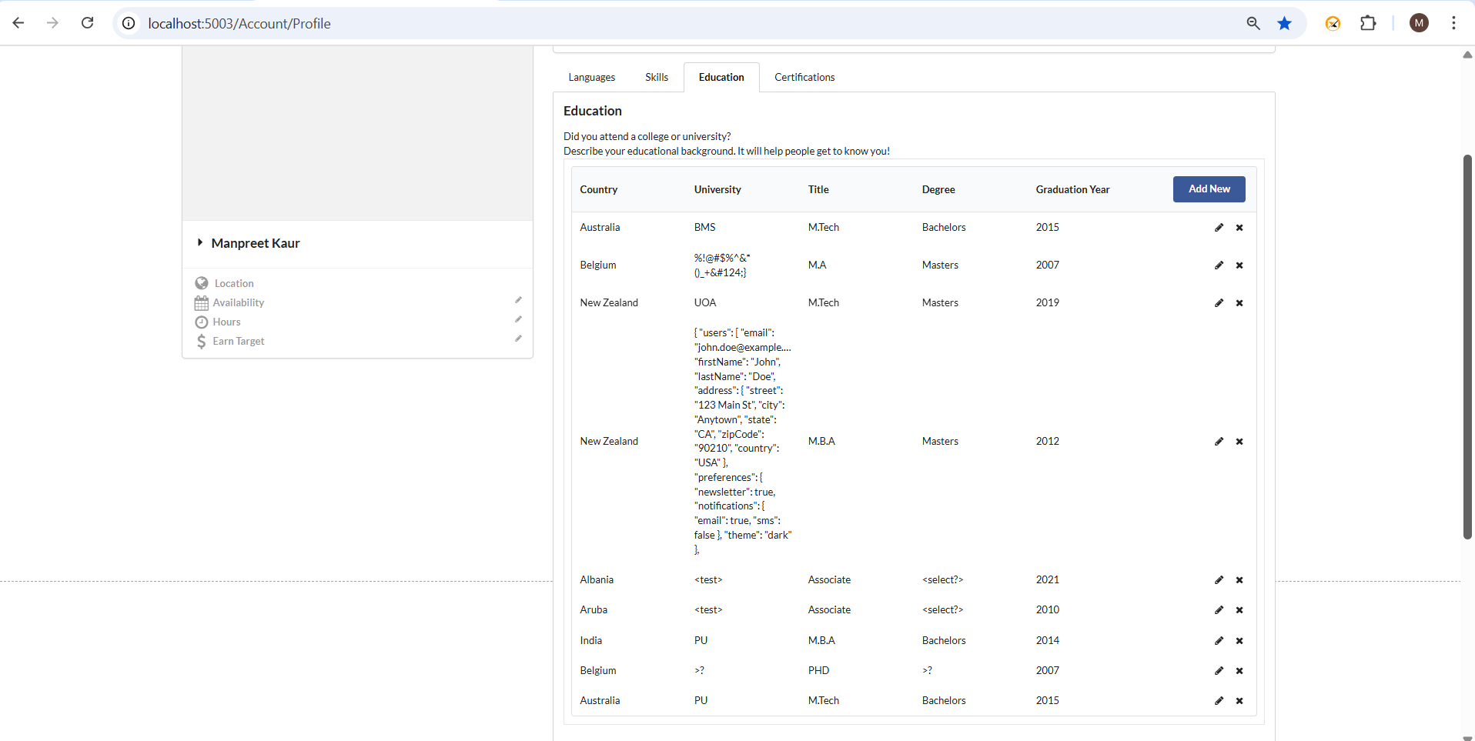
TC_003 | Verify that user is able to edit an existing Education | 1. User must be logged in 2. Education tab should be visible on Profile page 3. Existing Education with all details should be present | 1. Click on 'Update' button corresponding to any existing Education 2. Update the values in one/all following fields- i) Enter 'College/University Name' in textfield ii) Select 'Country of College/University' from dropdown list iv) Select 'Title' from dropdown list v) Enter 'Degree' in textfield vi) Select 'Year of graduation' from dropdown list 3. Click on 'Update' button | Updates values- i) 'College/University Name' = Oxford ii) Select 'Country of College/University' = United Kingdom iii) Select 'Title' = B.A iv) Enter 'Degree' = Bachelors v) Select 'Year of graduation' = 2015 | 1. User should be add to click Update button corresponding to existing Education 2. User should be able to edit values in all fields 3. Education should be updated with new values and following message should be displayed - Education as been updated | Same as expected | Pass
TC_004 | Verify that user is able to delete an existing Education | 1. User must be logged in 2. Education tab should be visible on Profile page 3. Existing Education with all details should be present | 1. Click on 'Delete' button corresponding to any existing Education | i) 'College/University Name' = UOA ii) Select 'Country of College/University' = New Zealand iii) Select 'Title' = MBA iv) Enter 'Degree' = Masters v) Select 'Year of graduation' = 2019 | 1. Education should be deleted and following message should be displayed - Education entry successfully removed | Same as expected | Pass
TC_005 | Verify that an error message is displayed while saving a new Education with empty fields | 1. User must be logged in 2. Education tab should be visible on Profile page | 1. Click on 'Add New' button on Education tab | i) 'College/University Name' = "" ii) Select 'Country of College/University' = "" iii) Select 'Title' = "" iv) Enter 'Degree' = "" v) Select 'Year of graduation' = "" | 1. Validate that following error message should be displayed while saving empty fields - Please enter all the fields | Same as expected | Pass
TC_006 | Verify that there no length limit for textfields and large payload can be added | 1. User must be logged in 2. Education tab should be visible on Profile page | 1. Click on 'Add New' button on Education tab 2. Fill the large values in text fields- i) Enter 'College/University Name' in textfield ii) Select 'Country of College/University' from dropdown list iv) Select 'Title' from dropdown list v) Enter 'Degree' in textfield vi) Select 'Year of graduation' from dropdown list 3. Click on 'Add' button | i) 'College/University Name' = Large payload ii) Select 'Country of College/University' = New Zealand iii) Select 'Title' = MBA iv) Enter 'Degree' = Large payload v) Select 'Year of graduation' = 2014 | 1. User should be add to click Add new button 2. User should be able to add large values in text fields 3. Education should be added successfully with large payload in textfields and following message should be displayed - Education has been added | Same as expected | Pass
TC_007 | Verify that any Invalid input data(including spl chars) can be added in textfields | 1. User must be logged in 2. Education tab should be visible on Profile page | 1. Click on 'Add New' button on Education tab 2. Fill the invalid values in text fields- i) Enter 'College/University Name' in textfield ii) Select 'Country of College/University' from dropdown list iv) Select 'Title' from dropdown list v) Enter 'Degree' in textfield vi) Select 'Year of graduation' from dropdown list 3. Click on 'Add' button | i) 'College/University Name' = <test> or %!@#$%^&*()_+&# ii) Select 'Country of College/University' = Albania iii) Select 'Title' = Associate iv) Enter 'Degree' = <select?> v) Select 'Year of graduation' = 2010 | 1. User should be add to click Add new button 2. User should be able to add invalid values in text fields 3. Education should be added successfully with invalid input data and following message should be displayed - Education has been added | Same as expected | Pass
TC_008 | Verify that user can add any number of Education | 1. User must be logged in 2. Education tab should be visible on Profile page | 1. Click on 'Add New' button on Education tab 2. Fill the values in all following fields- i) Enter 'College/University Name' in textfield ii) Select 'Country of College/University' from dropdown list iv) Select 'Title' from dropdown list v) Enter 'Degree' in textfield vi) Select 'Year of graduation' from dropdown list 3. Click on 'Add' button 4. Repeat steps 1-4 for five times | i) 'College/University Name' = UOA, Oxford, PU, Harvard, Messy ii) Select 'Country of College/University' = New Zealand, UK, India, US iii) Select 'Title' = MBA, Mtech, BA, Associate, Btech iv) Enter 'Degree' = Masters, Bachelors v) Select 'Year of graduation' = 2019, 2021, 2014, 2010, 2013 | 1. User should be add to click Add new button 2. User should be able to add/ select values in all fields 3. Education should be added successfully with all details and following message should be displayed - Education has been added 4. Validate that user should be able add any number of Education and 'Add New' button should always be displayed | Same as expected | Pass
TC_009 | Verify that an error message is displayed while adding Education with empty whitespaces in the text fields | 1. User must be logged in 2. Education tab should be visible on Profile page | 1. Click on 'Add New' button on Education tab 2. Fill the values in all following fields- i) Enter 'College/University Name' in textfield as whitespace ii) Select 'Country of College/University' from dropdown list iv) Select 'Title' from dropdown list v) Enter 'Degree' in textfield as whitespace vi) Select 'Year of graduation' from dropdown list 3. Click on 'Add' button | i) 'College/University Name' = " " ii) Select 'Country of College/University' = Belgium iii) Select 'Title' = MBA iv) Enter 'Degree' = " " v) Select 'Year of graduation' = 2018 | 1. User should be add to click Add new button 2. User should be able to add empty space in text fields 3. Validate that following error message should be displayed while adding Education with empty whitespaces in the text fields - Education information was invalid | Same as expected | Pass
TC_010 | Verify that an error is thrown while adding new Education with same existing details | 1. User must be logged in 2. Education tab should be visible on Profile page 3. Existing Education with same details should be present | 1. Click on 'Add New' button on Education tab 2. Fill the existing values in all following fields- i) Enter 'College/University Name' in textfield ii) Select 'Country of College/University' from dropdown list iv) Select 'Title' from dropdown list v) Enter 'Degree' in textfield vi) Select 'Year of graduation' from dropdown list 3. Click on 'Add' button | Added same details for new Education i) 'College/University Name' = UOA ii) Select 'Country of College/University' = New Zealand iii) Select 'Title' = MBA iv) Enter 'Degree' = Masters v) Select 'Year of graduation' = 2019 | 1. User should be add to click Add new button 2. User should be able to add same existing Education details in all fields 3. Validate that following error should be thrown while adding new Education with same existing details - This information is already exist. | Same as expected | Pass
TC_011 | Verify that an error is thrown while adding same Education with different year | 1. User must be logged in 2. Education tab should be visible on Profile page 3. Existing Education with different year should be present | 1. Click on 'Add New' button on Education tab 2. Fill the existing values in all following fields- i) Enter 'College/University Name' in textfield ii) Select 'Country of College/University' from dropdown list iv) Select 'Title' from dropdown list v) Enter 'Degree' in textfield vi) Select 'Year of graduation' from dropdown list 3. Click on 'Add' button | Added same details for new Education except Year i) 'College/University Name' = UOA ii) Select 'Country of College/University' = New Zealand iii) Select 'Title' = MBA iv) Enter 'Degree' = Masters v) Select 'Year of graduation' = 2017 | 1. User should be add to click Add new button 2. User should be able to add same existing Education details in all fields except different year 3. Validate that following error should be thrown while adding same Education with different year - Duplicated data | Same as expected | Pass

Certifications
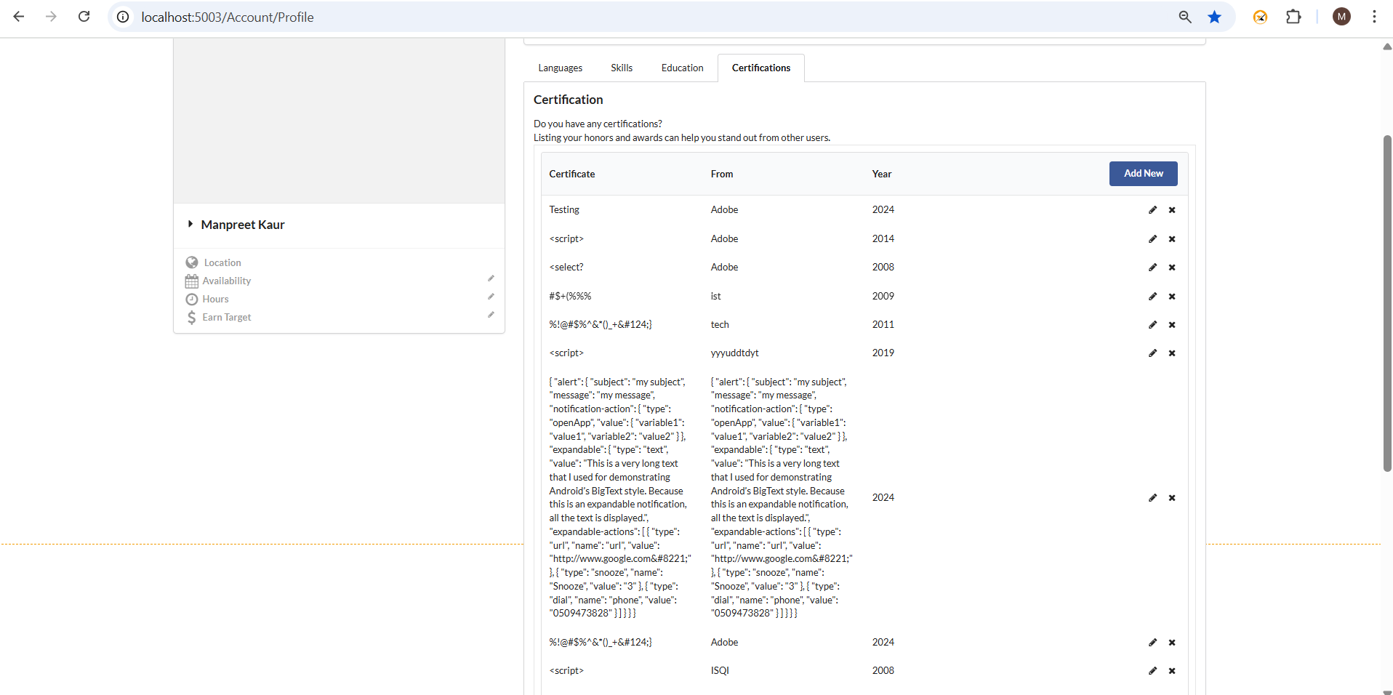
Test Cases for the Certifications feature on the Profile page in Project Mars
Test case ID | Test Case | Pre-Conditions | Test Steps | Test Data | Expected Result | Actual Result | Status | Screenshots
TC_001 | Verify that user is able to access Certifications tab on profile page | User already have an account | 1. Open the URL and then click on 'Sign In' link 2. Enter email address and password 3. Click on Login Button 4. Click on Certifications tab on profile page | URL- http://localhost:5003/Home Valid email & password | 1. User should be able to click on 'Sign In' link 2. User should be able to enter email and password 3. User should be able to click on Login button 4. User should be able to access Certifications tab on profile page when logged in | Same as expected | Pass
TC_002 | Verify that user is able to add a new Certificate | 1. User must be logged in 2. Certifications tab should be visible on Profile page | 1. Click on 'Add New' button on Certifications tab 2. Fill the values in all following fields- i) Enter 'Certificate or Award Name' in textfield ii) Enter 'Certified From' in textfield iii) Select 'Year' from dropdown list 3. Click on 'Add' button | i) 'Certificate or Award Name' = CTFL ii) Enter 'Certified From' = ISQI iii) Select 'Year' = 2025 | 1. User should be add to click Add new button 2. User should be able to add/ select values in all fields 3. Cerification should be added successfully with all details and following message should be displayed - CTFL has been added to your certification | Same as expected | Pass
TC_003 | Verify that user is able to edit an existing Certification | 1. User must be logged in 2. Certifications tab should be visible on Profile page 3. Existing Certification with all details should be present | 1. Click on 'Update' button corresponding to any existing Certification 2. Updates the values in the following fields- i) Enter 'Certificate or Award Name' in textfield ii) Enter 'Certified From' in textfield iii) Select 'Year' from dropdown list 3. Click on 'Update' button | Updates values- i) 'Certificate or Award Name' = AWS Foundation ii) Enter 'Certified From' = AWS iii) Select 'Year' = 2021 | 1. User should be add to click Update button corresponding to existing Certification 2. User should be able to edit values in all fields 3. Certification should be updated with new values and following message should be displayed - AWS has been updated to your certification | Same as expected | Pass
TC_004 | Verify that user is able to delete an existing Certification | 1. User must be logged in 2. Certifications tab should be visible on Profile page 3. Existing Certification with all details should be present | 1. Click on 'Delete' button corresponding to any existing Certification | i) 'Certificate or Award Name' = AWS Foundation ii) Enter 'Certified From' = AWS iii) Select 'Year' = 2021 | 1. Certification should be deleted and following message should be displayed - AWS has been deleted from your certification | Same as expected | Pass
TC_005 | Verify that an error message is displayed while saving a new Certification with empty fields | 1. User must be logged in 2. Certifications tab should be visible on Profile page | 1. Click on 'Add New' button on Certifications tab | i) 'Certificate or Award Name' = "" ii) Enter 'Certified From' = "" iii) Select 'Year' = "" | 1. Validate that following error message should be displayed while saving empty fields - Please enter Certification Name, Certification From and Certification Year | Same as expected | Pass
TC_006 | Verify that there no length limit for textfields and large payload can be added | 1. User must be logged in 2. Certifications tab should be visible on Profile page | 1. Click on 'Add New' button on Certifications tab 2. Fill the payload in all text fields- i) Enter 'Certificate or Award Name' in textfield ii) Enter 'Certified From' in textfield iii) Select 'Year' from dropdown list 3. Click on 'Add' button | i) 'Certificate or Award Name' = {large payload} ii) Enter 'Certified From' = {large payload} iii) Select 'Year' = 2025 | 1. User should be add to click Add new button 2. User should be able to add large values in text fields 3. Certification should be added successfully with large payload in textfields and following message should be displayed - {payload} has been added to your certification | Same as expected | Pass
TC_007 | Verify that any Invalid input data(including spl chars) can be added in textfields | 1. User must be logged in 2. Certifications tab should be visible on Profile page | 1. Click on 'Add New' button on Certifications tab 2. Fill the invalid values in text fields- i) Enter 'Certificate or Award Name' in textfield ii) Enter 'Certified From' in textfield iii) Select 'Year' from dropdown list 3. Click on 'Add' button | i) 'Certificate or Award Name' = <test> or %!@#$%^&*()_+&#124;} iv) Enter 'Certified = <select?> v) Select 'Year of graduation' = 2010 | 1. User should be add to click Add new button 2. User should be able to add invalid values in text fields 3. Education should be added successfully with invalid input data and following message should be displayed - {invalid value} has been added to your certification | Following messages displayed when adding invalid value in text fields- i) empty message displayed, example(<test>) ii) message with incorect chars example- %!@#$%^&*()_+|} has been added to your certification | Fail (Added screenshots | 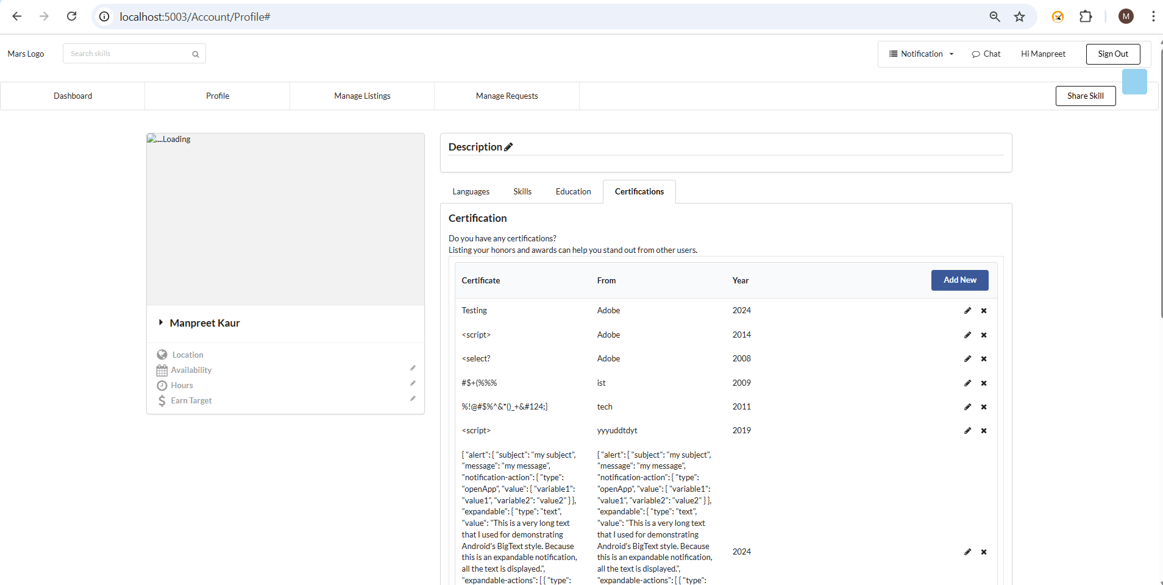
TC_008 | Verify that user can add any number of Certifications | 1. User must be logged in 2. Certifications tab should be visible on Profile page | 1. Click on 'Add New' button on Certifications tab 2. Fill the values in all following fields- i) Enter 'Certificate or Award Name' in textfield ii) Enter 'Certified From' in textfield iii) Select 'Year' from dropdown list 3. Click on 'Add' button 4. Repeat steps 1-4 for five times | i) 'Certificate or Award Name' = CTFL, Automation, Scrum Master, Agile, Business Analyst ii) Enter 'Certified From' = ISQI, LinkedIn, Microsoft, Google, Salesforce iii) Select 'Year' = 2025, 2008, 2023, 2024, 2010 | 1. User should be add to click Add new button 2. User should be able to add/ select values in all fields 3. Certifications should be added successfully with all details and following message should be displayed - {Certificate Name} has been added to your certification 4. Validate that user should be able add any number of Certifications and 'Add New' button should always be displayed | Same as expected | Pass | 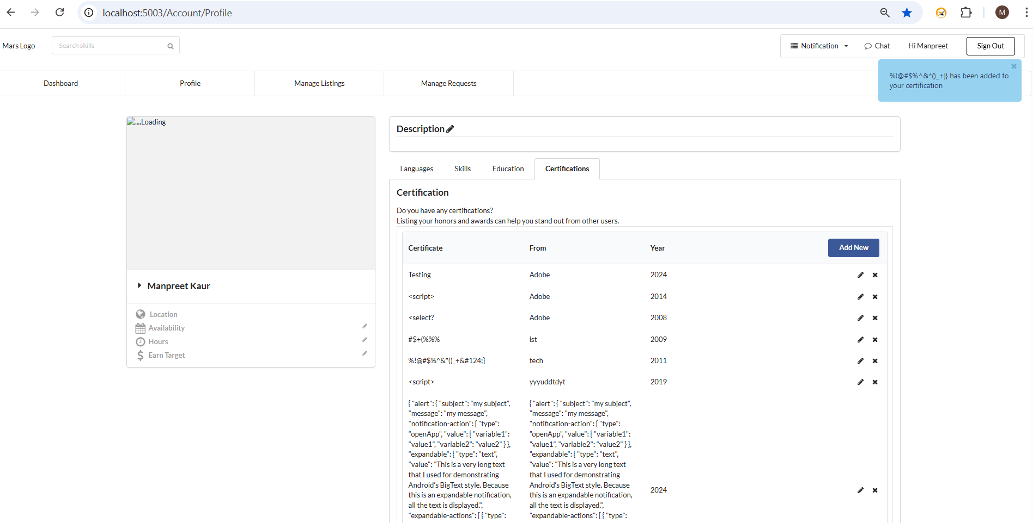
TC_009 | Verify that user can add a Certification with empty whitespaces in the text fields | 1. User must be logged in 2. Certifications tab should be visible on Profile page | 1. Click on 'Add New' button on Certifications tab 2. Fill the values in all following fields- i) Enter 'Certificate or Award Name' in textfield ii) Enter 'Certified From' in textfield iii) Select 'Year' from dropdown list 3. Click on 'Add' button | i) 'Certificate or Award Name' = " " ii) Enter 'Certified From' = " " iii) Select 'Year' = 2023 | 1. User should be add to click Add new button 2. User should be able to add empty space in text fields 3. Validate that following message should be displayed while adding Certification with empty whitespaces in the text fields - has been added to your certification | Same as expected | Pass
TC_010 | Verify that an error is thrown while adding new Certification with same existing details | 1. User must be logged in 2. Certifications tab should be visible on Profile page 3. Existing Certificate with same details should be present | 1. Click on 'Add New' button on Certifications tab 2. Fill the values in all following fields- i) Enter 'Certificate or Award Name' in textfield ii) Enter 'Certified From' in textfield iii) Select 'Year' from dropdown list 3. Click on 'Add' button | Added same details for new Certificate i) 'Certificate or Award Name' = CTFL ii) Enter 'Certified From' = ISQI iii) Select 'Year' = 2025 | 1. User should be add to click Add new button 2. User should be able to add same existing Certfication details in all fields 3. Validate that following error should be thrown while adding new Certification with same existing details - This information is already exist. | Same as expected | Pass
TC_011 | Verify that an error is thrown while adding same Certification with different year | 1. User must be logged in 2. Certifications tab should be visible on Profile page 3. Existing Certificate with different year should be present | 1. Click on 'Add New' button on Certifications tab 2. Fill the values in all following fields- i) Enter 'Certificate or Award Name' in textfield ii) Enter 'Certified From' in textfield iii) Select 'Year' from dropdown list 3. Click on 'Add' button | Added same details for new Certificate except year i) 'Certificate or Award Name' = CTFL ii) Enter 'Certified From' = ISQI iii) Select 'Year' = 2024 | 1. User should be add to click Add new button 2. User should be able to add same existing Certfication details with different year 3. Validate that following error should be thrown while adding same Certification with different year - Duplicated data | Same as expected | Pass

