ZNRF2 _multivariate
Reported by Tex Li-Hsing Chi. tex@gate.sinica.edu.tw 2019-06-16

Table 2. The correlation of ZNRF2 expression and clinical features.
Cutoff at -0.141 (50.1%)
 |  | ZNRF2 expression |  | ZNRF2 expression |  | (Optimised)
 | Features | Low | (%) | High | (%) | Case no | P-value | Remark | Matthews
Gender | Female | 165 | 38.7 | 147 | 34.5 | 426 | 0.0372 | 1 | 0
2 | Male | 48 | 11.3 | 66 | 15.5
Age at diagnosis | <=65y | 139 | 32.6 | 140 | 32.9 | 426 | 0.3868 | 0 | 0
4 | >65y | 74 | 17.4 | 73 | 17.1
Clinical T Status | T1+T2 | 73 | 17.1 | 82 | 19.2 | 426 | 0.4982 | 0 | 0
6 | T3+T4 | 140 | 32.9 | 131 | 30.8
Clinical N Status | N0 | 109 | 25.6 | 114 | 26.8 | 426 | 0.514 | 0 | 0
8 | N1-3 | 104 | 24.4 | 99 | 23.2
Clinical M Status | M0 | 212 | 49.8 | 211 | 49.5 | 426 | 0.8422 | 0 | 0
10 | M1 | 1 | 0.2 | 2 | 0.5
Clinical Stage | Stage I+II | 44 | 10.3 | 63 | 14.8 | 426 | 0.0886 | 0 | 0
12 | Stage III+IV | 169 | 39.7 | 150 | 35.2
Surgical Margin status | Negative | 165 | 38.7 | 163 | 38.3 | 426 | 0.9083 | 0 | 0
14 | Positive | 48 | 11.3 | 50 | 11.7

Table 3. Univariate/Multivariate Cox proportional hazards regression analyses on OS time of ZNRF2 gene expression in HNSCC

 |  | Univariate |  |  |  | Multivariate
 | Features | HR | CI95%(L) | CI95%(H) | P-value | HR | CI95%(L) | CI95%(H) | P-value
1 | Female | 1 |  |  |  | 1
Gender | Male | 1.232 | 0.908 | 1.671 | 0.18 | 1.161 | 0.844 | 1.598 | 0.359
11 | <=65y | 1 |  |  |  | 1
Age at diagnosis | >65y | 1.381 | 1.037 | 1.84 | 0.027 | 1.328 | 0.985 | 1.79 | 0.063
12 | T1+T2 | 1 |  |  |  | 1
Clinical T Status | T3+T4 | 1.393 | 1.026 | 1.893 | 0.034 | 2.15 | 1.165 | 3.97 | 0.014
13 | N0 | 1 |  |  |  | 1
Clinical N Status | N1-3 | 1.2 | 0.907 | 1.588 | 0.203 | 1.248 | 0.88 | 1.771 | 0.215
14 | M0 | 1 |  |  |  | 1
Clinical M Status | M1 | 4.039 | 0.995 | 16.398 | 0.051 | 8.594 | 1.891 | 39.059 | 0.005
15 | Stage I+II | 1 |  |  |  | 1
Clinical Stage | Stage III+IV | 1.256 | 0.897 | 1.757 | 0.184 | 0.538 | 0.256 | 1.129 | 0.101
16 | Negative | 1 |  |  |  | 1
Surgical Margin status | Positive | 1.61 | 1.176 | 2.203 | 0.003 | 1.656 | 1.201 | 2.284 | 0.002
17 | Low | 1 |  |  |  | 1
RNAseq(z-score) | High | 0.98 | 0.739 | 1.3 | 0.891 | 0.938 | 0.704 | 1.25 | 0.661

Table 4. Univariate/Multivariate Cox proportional hazards regression analyses on RFS time of ZNRF2 gene expression in HNSCC

 |  | Univariate |  |  |  | Multivariate
 | Features | HR | CI95%(L) | CI95%(H) | P-value | HR | CI95%(L) | CI95%(H) | P-value
1 | Female | 1 |  |  |  | 1
Gender | Male | 1.232 | 0.908 | 1.671 | 0.18 | 1.161 | 0.844 | 1.598 | 0.359
11 | <=65y | 1 |  |  |  | 1
Age at diagnosis | >65y | 1.381 | 1.037 | 1.84 | 0.027 | 1.328 | 0.985 | 1.79 | 0.063
12 | T1+T2 | 1 |  |  |  | 1
Clinical T Status | T3+T4 | 1.393 | 1.026 | 1.893 | 0.034 | 2.15 | 1.165 | 3.97 | 0.014
13 | N0 | 1 |  |  |  | 1
Clinical N Status | N1-3 | 1.2 | 0.907 | 1.588 | 0.203 | 1.248 | 0.88 | 1.771 | 0.215
14 | M0 | 1 |  |  |  | 1
Clinical M Status | M1 | 4.039 | 0.995 | 16.398 | 0.051 | 8.594 | 1.891 | 39.059 | 0.005
15 | Stage I+II | 1 |  |  |  | 1
Clinical Stage | Stage III+IV | 1.256 | 0.897 | 1.757 | 0.184 | 0.538 | 0.256 | 1.129 | 0.101
16 | Negative | 1 |  |  |  | 1
Surgical Margin status | Positive | 1.61 | 1.176 | 2.203 | 0.003 | 1.656 | 1.201 | 2.284 | 0.002
17 | Low | 1 |  |  |  | 1
RNAseq(z-score) | High | 0.98 | 0.739 | 1.3 | 0.891 | 0.938 | 0.704 | 1.25 | 0.661

Kaplan-Meier survival estimate: Cutoff at -0.141 (50.1%)

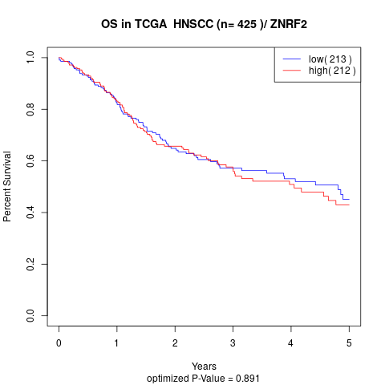

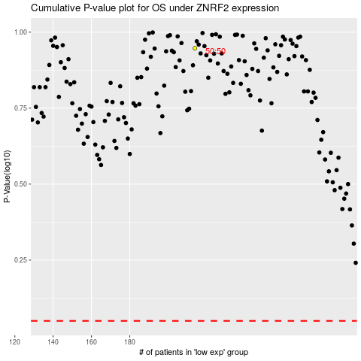

 |  |  |  |  |  | cases_OS | p_OS | rank | exp
 |  |  |  |  |  |  | cases_RFS | p_RFS | rank | exp

