ZNRF3 _multivariate
Reported by Tex Li-Hsing Chi. tex@gate.sinica.edu.tw 2019-06-16

Table 2. The correlation of ZNRF3 expression and clinical features.
Cutoff at -0.189 (49.9%)
 |  | ZNRF3 expression |  | ZNRF3 expression |  | (Optimised)
 | Features | Low | (%) | High | (%) | Case no | P-value | Remark | Matthews
Gender | Female | 146 | 34.3 | 166 | 39 | 426 | 0.0236 | 1 | 0
2 | Male | 67 | 15.7 | 47 | 11
Age at diagnosis | <=65y | 134 | 31.5 | 145 | 34 | 426 | 0.2077 | 0 | 0
4 | >65y | 79 | 18.5 | 68 | 16
Clinical T Status | T1+T2 | 83 | 19.5 | 72 | 16.9 | 426 | 0.4067 | 0 | 0
6 | T3+T4 | 130 | 30.5 | 141 | 33.1
Clinical N Status | N0 | 105 | 24.6 | 118 | 27.7 | 426 | 0.2611 | 0 | 0
8 | N1-3 | 108 | 25.4 | 95 | 22.3
Clinical M Status | M0 | 211 | 49.5 | 212 | 49.8 | 426 | 0.8422 | 0 | 0
10 | M1 | 2 | 0.5 | 1 | 0.2
Clinical Stage | Stage I+II | 57 | 13.4 | 50 | 11.7 | 426 | 0.6226 | 0 | 0
12 | Stage III+IV | 156 | 36.6 | 163 | 38.3
Surgical Margin status | Negative | 159 | 37.3 | 169 | 39.7 | 426 | 0.3002 | 0 | 0
14 | Positive | 54 | 12.7 | 44 | 10.3

Table 3. Univariate/Multivariate Cox proportional hazards regression analyses on OS time of ZNRF3 gene expression in HNSCC

 |  | Univariate |  |  |  | Multivariate
 | Features | HR | CI95%(L) | CI95%(H) | P-value | HR | CI95%(L) | CI95%(H) | P-value
1 | Female | 1 |  |  |  | 1
Gender | Male | 1.232 | 0.908 | 1.671 | 0.18 | 1.141 | 0.827 | 1.575 | 0.422
11 | <=65y | 1 |  |  |  | 1
Age at diagnosis | >65y | 1.381 | 1.037 | 1.84 | 0.027 | 1.327 | 0.984 | 1.789 | 0.064
12 | T1+T2 | 1 |  |  |  | 1
Clinical T Status | T3+T4 | 1.393 | 1.026 | 1.893 | 0.034 | 2.146 | 1.163 | 3.962 | 0.015
13 | N0 | 1 |  |  |  | 1
Clinical N Status | N1-3 | 1.2 | 0.907 | 1.588 | 0.203 | 1.239 | 0.872 | 1.762 | 0.232
14 | M0 | 1 |  |  |  | 1
Clinical M Status | M1 | 4.039 | 0.995 | 16.398 | 0.051 | 8.444 | 1.863 | 38.269 | 0.006
15 | Stage I+II | 1 |  |  |  | 1
Clinical Stage | Stage III+IV | 1.256 | 0.897 | 1.757 | 0.184 | 0.548 | 0.262 | 1.146 | 0.11
16 | Negative | 1 |  |  |  | 1
Surgical Margin status | Positive | 1.61 | 1.176 | 2.203 | 0.003 | 1.638 | 1.189 | 2.257 | 0.003
17 | Low | 1 |  |  |  | 1
RNAseq(z-score) | High | 0.9 | 0.678 | 1.194 | 0.465 | 0.947 | 0.707 | 1.268 | 0.713

Table 4. Univariate/Multivariate Cox proportional hazards regression analyses on RFS time of ZNRF3 gene expression in HNSCC

 |  | Univariate |  |  |  | Multivariate
 | Features | HR | CI95%(L) | CI95%(H) | P-value | HR | CI95%(L) | CI95%(H) | P-value
1 | Female | 1 |  |  |  | 1
Gender | Male | 1.232 | 0.908 | 1.671 | 0.18 | 1.141 | 0.827 | 1.575 | 0.422
11 | <=65y | 1 |  |  |  | 1
Age at diagnosis | >65y | 1.381 | 1.037 | 1.84 | 0.027 | 1.327 | 0.984 | 1.789 | 0.064
12 | T1+T2 | 1 |  |  |  | 1
Clinical T Status | T3+T4 | 1.393 | 1.026 | 1.893 | 0.034 | 2.146 | 1.163 | 3.962 | 0.015
13 | N0 | 1 |  |  |  | 1
Clinical N Status | N1-3 | 1.2 | 0.907 | 1.588 | 0.203 | 1.239 | 0.872 | 1.762 | 0.232
14 | M0 | 1 |  |  |  | 1
Clinical M Status | M1 | 4.039 | 0.995 | 16.398 | 0.051 | 8.444 | 1.863 | 38.269 | 0.006
15 | Stage I+II | 1 |  |  |  | 1
Clinical Stage | Stage III+IV | 1.256 | 0.897 | 1.757 | 0.184 | 0.548 | 0.262 | 1.146 | 0.11
16 | Negative | 1 |  |  |  | 1
Surgical Margin status | Positive | 1.61 | 1.176 | 2.203 | 0.003 | 1.638 | 1.189 | 2.257 | 0.003
17 | Low | 1 |  |  |  | 1
RNAseq(z-score) | High | 0.9 | 0.678 | 1.194 | 0.465 | 0.947 | 0.707 | 1.268 | 0.713

Kaplan-Meier survival estimate: Cutoff at -0.189 (49.9%)



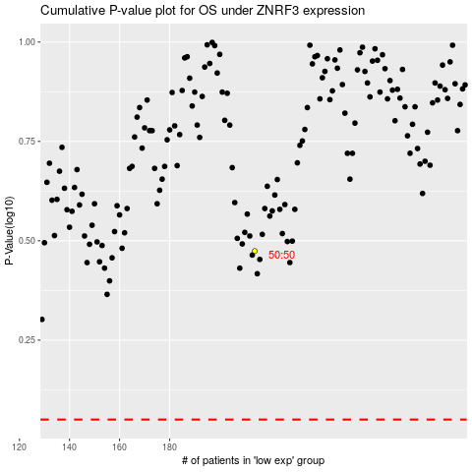

 |  |  |  |  |  | cases_OS | p_OS | rank | exp
 |  |  |  |  |  |  | cases_RFS | p_RFS | rank | exp

