ZP1 _multivariate
Reported by Tex Li-Hsing Chi. tex@gate.sinica.edu.tw 2019-06-16

Table 2. The correlation of ZP1 expression and clinical features.
Cutoff at -0.34 (47.3%)
 |  | ZP1 expression |  | ZP1 expression |  | (Optimised)
 | Features | Low | (%) | High | (%) | Case no | P-value | Remark | Matthews
Gender | Female | 152 | 35.7 | 160 | 37.6 | 426 | 0.1483 | 0 | 0
2 | Male | 49 | 11.5 | 65 | 15.3
Age at diagnosis | <=65y | 134 | 31.5 | 145 | 34 | 426 | 0.3463 | 0 | 0
4 | >65y | 67 | 15.7 | 80 | 18.8
Clinical T Status | T1+T2 | 81 | 19 | 74 | 17.4 | 426 | 0.2131 | 0 | 0
6 | T3+T4 | 120 | 28.2 | 151 | 35.4
Clinical N Status | N0 | 112 | 26.3 | 111 | 26.1 | 426 | 0.2427 | 1 | 0
8 | N1-3 | 89 | 20.9 | 114 | 26.8
Clinical M Status | M0 | 201 | 47.2 | 222 | 52.1 | 426 | 0.2576 | 0 | 0
10 | M1 | 0 | 0 | 3 | 0.7
Clinical Stage | Stage I+II | 54 | 12.7 | 53 | 12.4 | 426 | 0.6205 | 0 | 0
12 | Stage III+IV | 147 | 34.5 | 172 | 40.4
Surgical Margin status | Negative | 149 | 35 | 179 | 42 | 426 | 0.2251 | 0 | 0
14 | Positive | 52 | 12.2 | 46 | 10.8

Table 3. Univariate/Multivariate Cox proportional hazards regression analyses on OS time of ZP1 gene expression in HNSCC

 |  | Univariate |  |  |  | Multivariate
 | Features | HR | CI95%(L) | CI95%(H) | P-value | HR | CI95%(L) | CI95%(H) | P-value
1 | Female | 1 |  |  |  | 1
Gender | Male | 1.232 | 0.908 | 1.671 | 0.18 | 1.127 | 0.819 | 1.55 | 0.462
11 | <=65y | 1 |  |  |  | 1
Age at diagnosis | >65y | 1.381 | 1.037 | 1.84 | 0.027 | 1.35 | 1.001 | 1.821 | 0.049
12 | T1+T2 | 1 |  |  |  | 1
Clinical T Status | T3+T4 | 1.393 | 1.026 | 1.893 | 0.034 | 2.055 | 1.111 | 3.8 | 0.022
13 | N0 | 1 |  |  |  | 1
Clinical N Status | N1-3 | 1.2 | 0.907 | 1.588 | 0.203 | 1.235 | 0.87 | 1.753 | 0.237
14 | M0 | 1 |  |  |  | 1
Clinical M Status | M1 | 4.039 | 0.995 | 16.398 | 0.051 | 7.522 | 1.644 | 34.426 | 0.009
15 | Stage I+II | 1 |  |  |  | 1
Clinical Stage | Stage III+IV | 1.256 | 0.897 | 1.757 | 0.184 | 0.569 | 0.271 | 1.194 | 0.136
16 | Negative | 1 |  |  |  | 1
Surgical Margin status | Positive | 1.61 | 1.176 | 2.203 | 0.003 | 1.671 | 1.212 | 2.302 | 0.002
17 | Low | 1 |  |  |  | 1
RNAseq(z-score) | High | 1.193 | 0.899 | 1.583 | 0.221 | 1.194 | 0.893 | 1.595 | 0.231

Table 4. Univariate/Multivariate Cox proportional hazards regression analyses on RFS time of ZP1 gene expression in HNSCC

 |  | Univariate |  |  |  | Multivariate
 | Features | HR | CI95%(L) | CI95%(H) | P-value | HR | CI95%(L) | CI95%(H) | P-value
1 | Female | 1 |  |  |  | 1
Gender | Male | 1.232 | 0.908 | 1.671 | 0.18 | 1.127 | 0.819 | 1.55 | 0.462
11 | <=65y | 1 |  |  |  | 1
Age at diagnosis | >65y | 1.381 | 1.037 | 1.84 | 0.027 | 1.35 | 1.001 | 1.821 | 0.049
12 | T1+T2 | 1 |  |  |  | 1
Clinical T Status | T3+T4 | 1.393 | 1.026 | 1.893 | 0.034 | 2.055 | 1.111 | 3.8 | 0.022
13 | N0 | 1 |  |  |  | 1
Clinical N Status | N1-3 | 1.2 | 0.907 | 1.588 | 0.203 | 1.235 | 0.87 | 1.753 | 0.237
14 | M0 | 1 |  |  |  | 1
Clinical M Status | M1 | 4.039 | 0.995 | 16.398 | 0.051 | 7.522 | 1.644 | 34.426 | 0.009
15 | Stage I+II | 1 |  |  |  | 1
Clinical Stage | Stage III+IV | 1.256 | 0.897 | 1.757 | 0.184 | 0.569 | 0.271 | 1.194 | 0.136
16 | Negative | 1 |  |  |  | 1
Surgical Margin status | Positive | 1.61 | 1.176 | 2.203 | 0.003 | 1.671 | 1.212 | 2.302 | 0.002
17 | Low | 1 |  |  |  | 1
RNAseq(z-score) | High | 1.193 | 0.899 | 1.583 | 0.221 | 1.194 | 0.893 | 1.595 | 0.231

Kaplan-Meier survival estimate: Cutoff at -0.34 (47.3%)



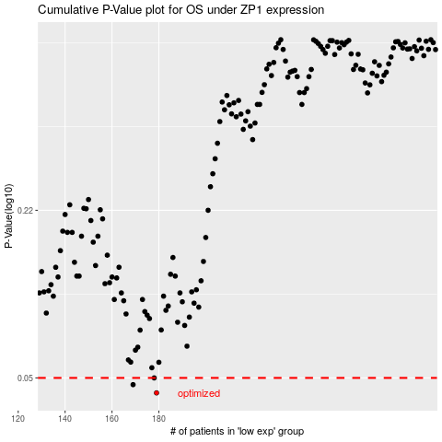

 |  |  |  |  |  | cases_OS | p_OS | rank | exp
 |  |  |  |  |  | 179 | 0.0438 | 63 | -0.34026456314
 |  |  |  |  |  | 169 | 0.0471 | 286 | -0.19639540255
 |  |  |  |  |  | 178 | 0.05 | 104 | 0.55706429788
 |  |  |  |  |  |  | cases_RFS | p_RFS | rank | exp
 |  |  |  |  |  |  | 178 | 0.0438 | 104 | 0.55706429788
 |  |  |  |  |  |  | 168 | 0.0471 | 358 | 2.306566634
 |  |  |  |  |  |  | 177 | 0.05 | 342 | -0.46230885955

