ZP3 _multivariate
Reported by Tex Li-Hsing Chi. tex@gate.sinica.edu.tw 2019-06-16

Table 2. The correlation of ZP3 expression and clinical features.
Cutoff at 0.528 (85.9%)
 |  | ZP3 expression |  | ZP3 expression |  | (Optimised)
 | Features | Low | (%) | High | (%) | Case no | P-value | Remark | Matthews
Gender | Female | 263 | 61.7 | 49 | 11.5 | 426 | 0.0728 | 0 | 0
2 | Male | 103 | 24.2 | 11 | 2.6
Age at diagnosis | <=65y | 237 | 55.6 | 42 | 9.9 | 426 | 0.2842 | 0 | 0
4 | >65y | 129 | 30.3 | 18 | 4.2
Clinical T Status | T1+T2 | 136 | 31.9 | 19 | 4.5 | 426 | 0.537 | 0 | 0
6 | T3+T4 | 230 | 54 | 41 | 9.6
Clinical N Status | N0 | 195 | 45.8 | 28 | 6.6 | 426 | 0.3681 | 0 | 0
8 | N1-3 | 171 | 40.1 | 32 | 7.5
Clinical M Status | M0 | 364 | 85.4 | 59 | 13.8 | 426 | 0.6268 | 0 | 0
10 | M1 | 2 | 0.5 | 1 | 0.2
Clinical Stage | Stage I+II | 97 | 22.8 | 10 | 2.3 | 426 | 0.2241 | 0 | 0
12 | Stage III+IV | 269 | 63.1 | 50 | 11.7
Surgical Margin status | Negative | 283 | 66.4 | 45 | 10.6 | 426 | 0.8175 | 0 | 0
14 | Positive | 83 | 19.5 | 15 | 3.5

Table 3. Univariate/Multivariate Cox proportional hazards regression analyses on OS time of ZP3 gene expression in HNSCC

 |  | Univariate |  |  |  | Multivariate
 | Features | HR | CI95%(L) | CI95%(H) | P-value | HR | CI95%(L) | CI95%(H) | P-value
1 | Female | 1 |  |  |  | 1
Gender | Male | 1.232 | 0.908 | 1.671 | 0.18 | 1.15 | 0.838 | 1.58 | 0.386
11 | <=65y | 1 |  |  |  | 1
Age at diagnosis | >65y | 1.381 | 1.037 | 1.84 | 0.027 | 1.353 | 1.004 | 1.824 | 0.047
12 | T1+T2 | 1 |  |  |  | 1
Clinical T Status | T3+T4 | 1.393 | 1.026 | 1.893 | 0.034 | 2.162 | 1.171 | 3.988 | 0.014
13 | N0 | 1 |  |  |  | 1
Clinical N Status | N1-3 | 1.2 | 0.907 | 1.588 | 0.203 | 1.256 | 0.884 | 1.783 | 0.203
14 | M0 | 1 |  |  |  | 1
Clinical M Status | M1 | 4.039 | 0.995 | 16.398 | 0.051 | 8.469 | 1.869 | 38.373 | 0.006
15 | Stage I+II | 1 |  |  |  | 1
Clinical Stage | Stage III+IV | 1.256 | 0.897 | 1.757 | 0.184 | 0.525 | 0.251 | 1.1 | 0.088
16 | Negative | 1 |  |  |  | 1
Surgical Margin status | Positive | 1.61 | 1.176 | 2.203 | 0.003 | 1.624 | 1.179 | 2.237 | 0.003
17 | Low | 1 |  |  |  | 1
RNAseq(z-score) | High | 1.432 | 0.968 | 2.118 | 0.072 | 1.431 | 0.965 | 2.124 | 0.075

Table 4. Univariate/Multivariate Cox proportional hazards regression analyses on RFS time of ZP3 gene expression in HNSCC

 |  | Univariate |  |  |  | Multivariate
 | Features | HR | CI95%(L) | CI95%(H) | P-value | HR | CI95%(L) | CI95%(H) | P-value
1 | Female | 1 |  |  |  | 1
Gender | Male | 1.232 | 0.908 | 1.671 | 0.18 | 1.15 | 0.838 | 1.58 | 0.386
11 | <=65y | 1 |  |  |  | 1
Age at diagnosis | >65y | 1.381 | 1.037 | 1.84 | 0.027 | 1.353 | 1.004 | 1.824 | 0.047
12 | T1+T2 | 1 |  |  |  | 1
Clinical T Status | T3+T4 | 1.393 | 1.026 | 1.893 | 0.034 | 2.162 | 1.171 | 3.988 | 0.014
13 | N0 | 1 |  |  |  | 1
Clinical N Status | N1-3 | 1.2 | 0.907 | 1.588 | 0.203 | 1.256 | 0.884 | 1.783 | 0.203
14 | M0 | 1 |  |  |  | 1
Clinical M Status | M1 | 4.039 | 0.995 | 16.398 | 0.051 | 8.469 | 1.869 | 38.373 | 0.006
15 | Stage I+II | 1 |  |  |  | 1
Clinical Stage | Stage III+IV | 1.256 | 0.897 | 1.757 | 0.184 | 0.525 | 0.251 | 1.1 | 0.088
16 | Negative | 1 |  |  |  | 1
Surgical Margin status | Positive | 1.61 | 1.176 | 2.203 | 0.003 | 1.624 | 1.179 | 2.237 | 0.003
17 | Low | 1 |  |  |  | 1
RNAseq(z-score) | High | 1.432 | 0.968 | 2.118 | 0.072 | 1.431 | 0.965 | 2.124 | 0.075

Kaplan-Meier survival estimate: Cutoff at 0.528 (85.9%)

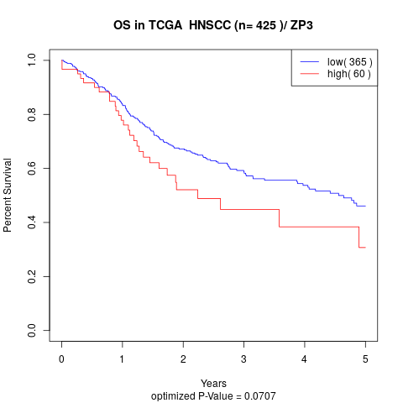

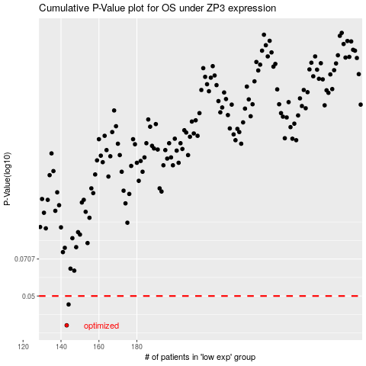

 |  |  |  |  |  | cases_OS | p_OS | rank | exp
 |  |  |  |  |  | 143 | 0.038 | 349 | 0.52843454559
 |  |  |  |  |  | 144 | 0.0462 | 200 | 0.36776572922
 |  |  |  |  |  |  | cases_RFS | p_RFS | rank | exp
 |  |  |  |  |  |  | 142 | 0.038 | 281 | 0.18962198069
 |  |  |  |  |  |  | 143 | 0.0462 | 349 | 0.52843454559

