ZPLD1 _multivariate
Reported by Tex Li-Hsing Chi. tex@gate.sinica.edu.tw 2019-06-16

Table 2. The correlation of ZPLD1 expression and clinical features.
Cutoff at -0.3 (50.1%)
 |  | ZPLD1 expression |  | ZPLD1 expression |  | (Optimised)
 | Features | Low | (%) | High | (%) | Case no | P-value | Remark | Matthews
Gender | Female | 160 | 37.6 | 152 | 35.7 | 426 | 0.1753 | 0 | 0
2 | Male | 53 | 12.4 | 61 | 14.3
Age at diagnosis | <=65y | 145 | 34 | 134 | 31.5 | 426 | 0.2077 | 0 | 0
4 | >65y | 68 | 16 | 79 | 18.5
Clinical T Status | T1+T2 | 75 | 17.6 | 80 | 18.8 | 426 | 0.662 | 0 | 0
6 | T3+T4 | 138 | 32.4 | 133 | 31.2
Clinical N Status | N0 | 111 | 26.1 | 112 | 26.3 | 426 | 0.5755 | 0 | 0
8 | N1-3 | 102 | 23.9 | 101 | 23.7
Clinical M Status | M0 | 211 | 49.5 | 212 | 49.8 | 426 | 0.8422 | 0 | 0
10 | M1 | 2 | 0.5 | 1 | 0.2
Clinical Stage | Stage I+II | 46 | 10.8 | 61 | 14.3 | 426 | 0.2072 | 0 | 0
12 | Stage III+IV | 167 | 39.2 | 152 | 35.7
Surgical Margin status | Negative | 167 | 39.2 | 161 | 37.8 | 426 | 0.5649 | 0 | 0
14 | Positive | 46 | 10.8 | 52 | 12.2

Table 3. Univariate/Multivariate Cox proportional hazards regression analyses on OS time of ZPLD1 gene expression in HNSCC

 |  | Univariate |  |  |  | Multivariate
 | Features | HR | CI95%(L) | CI95%(H) | P-value | HR | CI95%(L) | CI95%(H) | P-value
1 | Female | 1 |  |  |  | 1
Gender | Male | 1.232 | 0.908 | 1.671 | 0.18 | 1.15 | 0.837 | 1.58 | 0.388
11 | <=65y | 1 |  |  |  | 1
Age at diagnosis | >65y | 1.381 | 1.037 | 1.84 | 0.027 | 1.325 | 0.982 | 1.787 | 0.065
12 | T1+T2 | 1 |  |  |  | 1
Clinical T Status | T3+T4 | 1.393 | 1.026 | 1.893 | 0.034 | 2.126 | 1.152 | 3.924 | 0.016
13 | N0 | 1 |  |  |  | 1
Clinical N Status | N1-3 | 1.2 | 0.907 | 1.588 | 0.203 | 1.243 | 0.875 | 1.765 | 0.224
14 | M0 | 1 |  |  |  | 1
Clinical M Status | M1 | 4.039 | 0.995 | 16.398 | 0.051 | 8.351 | 1.842 | 37.852 | 0.006
15 | Stage I+II | 1 |  |  |  | 1
Clinical Stage | Stage III+IV | 1.256 | 0.897 | 1.757 | 0.184 | 0.554 | 0.264 | 1.162 | 0.118
16 | Negative | 1 |  |  |  | 1
Surgical Margin status | Positive | 1.61 | 1.176 | 2.203 | 0.003 | 1.638 | 1.189 | 2.256 | 0.003
17 | Low | 1 |  |  |  | 1
RNAseq(z-score) | High | 1.119 | 0.845 | 1.483 | 0.433 | 1.065 | 0.801 | 1.416 | 0.667

Table 4. Univariate/Multivariate Cox proportional hazards regression analyses on RFS time of ZPLD1 gene expression in HNSCC

 |  | Univariate |  |  |  | Multivariate
 | Features | HR | CI95%(L) | CI95%(H) | P-value | HR | CI95%(L) | CI95%(H) | P-value
1 | Female | 1 |  |  |  | 1
Gender | Male | 1.232 | 0.908 | 1.671 | 0.18 | 1.15 | 0.837 | 1.58 | 0.388
11 | <=65y | 1 |  |  |  | 1
Age at diagnosis | >65y | 1.381 | 1.037 | 1.84 | 0.027 | 1.325 | 0.982 | 1.787 | 0.065
12 | T1+T2 | 1 |  |  |  | 1
Clinical T Status | T3+T4 | 1.393 | 1.026 | 1.893 | 0.034 | 2.126 | 1.152 | 3.924 | 0.016
13 | N0 | 1 |  |  |  | 1
Clinical N Status | N1-3 | 1.2 | 0.907 | 1.588 | 0.203 | 1.243 | 0.875 | 1.765 | 0.224
14 | M0 | 1 |  |  |  | 1
Clinical M Status | M1 | 4.039 | 0.995 | 16.398 | 0.051 | 8.351 | 1.842 | 37.852 | 0.006
15 | Stage I+II | 1 |  |  |  | 1
Clinical Stage | Stage III+IV | 1.256 | 0.897 | 1.757 | 0.184 | 0.554 | 0.264 | 1.162 | 0.118
16 | Negative | 1 |  |  |  | 1
Surgical Margin status | Positive | 1.61 | 1.176 | 2.203 | 0.003 | 1.638 | 1.189 | 2.256 | 0.003
17 | Low | 1 |  |  |  | 1
RNAseq(z-score) | High | 1.119 | 0.845 | 1.483 | 0.433 | 1.065 | 0.801 | 1.416 | 0.667

Kaplan-Meier survival estimate: Cutoff at -0.3 (50.1%)



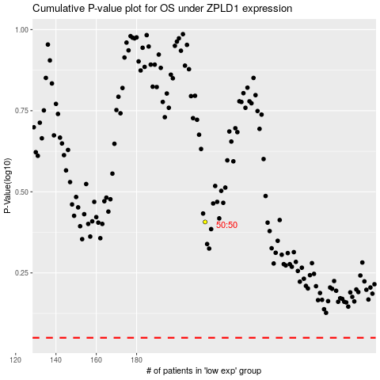

 |  |  |  |  |  | cases_OS | p_OS | rank | exp
 |  |  |  |  |  |  | cases_RFS | p_RFS | rank | exp

