ZRANB1 _multivariate
Reported by Tex Li-Hsing Chi. tex@gate.sinica.edu.tw 2019-06-16

Table 2. The correlation of ZRANB1 expression and clinical features.
Cutoff at -0.146 (53.2%)
 |  | ZRANB1 expression |  | ZRANB1 expression |  | (Optimised)
 | Features | Low | (%) | High | (%) | Case no | P-value | Remark | Matthews
Gender | Female | 168 | 39.4 | 144 | 33.8 | 426 | 0.2216 | 0 | 0
2 | Male | 58 | 13.6 | 56 | 13.1
Age at diagnosis | <=65y | 144 | 33.8 | 135 | 31.7 | 426 | 0.278 | 0 | 0
4 | >65y | 82 | 19.2 | 65 | 15.3
Clinical T Status | T1+T2 | 81 | 19 | 74 | 17.4 | 426 | 0.7287 | 0 | 0
6 | T3+T4 | 145 | 34 | 126 | 29.6
Clinical N Status | N0 | 116 | 27.2 | 107 | 25.1 | 426 | 0.523 | 0 | 0
8 | N1-3 | 110 | 25.8 | 93 | 21.8
Clinical M Status | M0 | 223 | 52.3 | 200 | 46.9 | 426 | 0.2609 | 0 | 0
10 | M1 | 3 | 0.7 | 0 | 0
Clinical Stage | Stage I+II | 55 | 12.9 | 52 | 12.2 | 426 | 0.7821 | 0 | 0
12 | Stage III+IV | 171 | 40.1 | 148 | 34.7
Surgical Margin status | Negative | 174 | 40.8 | 154 | 36.2 | 426 | 1 | 0 | 0
14 | Positive | 52 | 12.2 | 46 | 10.8

Table 3. Univariate/Multivariate Cox proportional hazards regression analyses on OS time of ZRANB1 gene expression in HNSCC

 |  | Univariate |  |  |  | Multivariate
 | Features | HR | CI95%(L) | CI95%(H) | P-value | HR | CI95%(L) | CI95%(H) | P-value
1 | Female | 1 |  |  |  | 1
Gender | Male | 1.232 | 0.908 | 1.671 | 0.18 | 1.158 | 0.843 | 1.59 | 0.366
11 | <=65y | 1 |  |  |  | 1
Age at diagnosis | >65y | 1.381 | 1.037 | 1.84 | 0.027 | 1.312 | 0.974 | 1.768 | 0.074
12 | T1+T2 | 1 |  |  |  | 1
Clinical T Status | T3+T4 | 1.393 | 1.026 | 1.893 | 0.034 | 2.099 | 1.138 | 3.87 | 0.018
13 | N0 | 1 |  |  |  | 1
Clinical N Status | N1-3 | 1.2 | 0.907 | 1.588 | 0.203 | 1.235 | 0.871 | 1.752 | 0.237
14 | M0 | 1 |  |  |  | 1
Clinical M Status | M1 | 4.039 | 0.995 | 16.398 | 0.051 | 7.455 | 1.635 | 33.984 | 0.009
15 | Stage I+II | 1 |  |  |  | 1
Clinical Stage | Stage III+IV | 1.256 | 0.897 | 1.757 | 0.184 | 0.563 | 0.269 | 1.178 | 0.127
16 | Negative | 1 |  |  |  | 1
Surgical Margin status | Positive | 1.61 | 1.176 | 2.203 | 0.003 | 1.629 | 1.184 | 2.243 | 0.003
17 | Low | 1 |  |  |  | 1
RNAseq(z-score) | High | 0.761 | 0.572 | 1.011 | 0.06 | 0.791 | 0.594 | 1.054 | 0.11

Table 4. Univariate/Multivariate Cox proportional hazards regression analyses on RFS time of ZRANB1 gene expression in HNSCC

 |  | Univariate |  |  |  | Multivariate
 | Features | HR | CI95%(L) | CI95%(H) | P-value | HR | CI95%(L) | CI95%(H) | P-value
1 | Female | 1 |  |  |  | 1
Gender | Male | 1.232 | 0.908 | 1.671 | 0.18 | 1.158 | 0.843 | 1.59 | 0.366
11 | <=65y | 1 |  |  |  | 1
Age at diagnosis | >65y | 1.381 | 1.037 | 1.84 | 0.027 | 1.312 | 0.974 | 1.768 | 0.074
12 | T1+T2 | 1 |  |  |  | 1
Clinical T Status | T3+T4 | 1.393 | 1.026 | 1.893 | 0.034 | 2.099 | 1.138 | 3.87 | 0.018
13 | N0 | 1 |  |  |  | 1
Clinical N Status | N1-3 | 1.2 | 0.907 | 1.588 | 0.203 | 1.235 | 0.871 | 1.752 | 0.237
14 | M0 | 1 |  |  |  | 1
Clinical M Status | M1 | 4.039 | 0.995 | 16.398 | 0.051 | 7.455 | 1.635 | 33.984 | 0.009
15 | Stage I+II | 1 |  |  |  | 1
Clinical Stage | Stage III+IV | 1.256 | 0.897 | 1.757 | 0.184 | 0.563 | 0.269 | 1.178 | 0.127
16 | Negative | 1 |  |  |  | 1
Surgical Margin status | Positive | 1.61 | 1.176 | 2.203 | 0.003 | 1.629 | 1.184 | 2.243 | 0.003
17 | Low | 1 |  |  |  | 1
RNAseq(z-score) | High | 0.761 | 0.572 | 1.011 | 0.06 | 0.791 | 0.594 | 1.054 | 0.11

Kaplan-Meier survival estimate: Cutoff at -0.146 (53.2%)



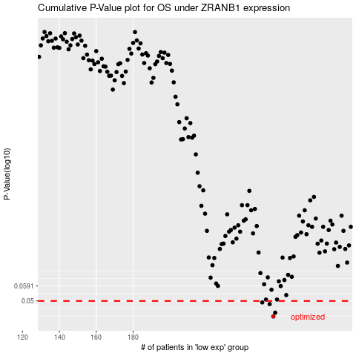

 |  |  |  |  |  | cases_OS | p_OS | rank | exp
 |  |  |  |  |  | 256 | 0.0421 | 28 | -0.14582816431
 |  |  |  |  |  | 257 | 0.0439 | 158 | 0.75127127181
 |  |  |  |  |  | 254 | 0.0483 | 345 | 1.2360748866
 |  |  |  |  |  | 250 | 0.0492 | 60 | 0.78676764116
 |  |  |  |  |  |  | cases_RFS | p_RFS | rank | exp
 |  |  |  |  |  |  | 255 | 0.0421 | 161 | 0.076266490055
 |  |  |  |  |  |  | 256 | 0.0439 | 28 | -0.14582816431
 |  |  |  |  |  |  | 253 | 0.0483 | 217 | -0.3384674985
 |  |  |  |  |  |  | 249 | 0.0492 | 256 | 0.59191885224

