ZRANB2 _multivariate
Reported by Tex Li-Hsing Chi. tex@gate.sinica.edu.tw 2019-06-16

Table 2. The correlation of ZRANB2 expression and clinical features.
Cutoff at -0.175 (49.9%)
 |  | ZRANB2 expression |  | ZRANB2 expression |  | (Optimised)
 | Features | Low | (%) | High | (%) | Case no | P-value | Remark | Matthews
Gender | Female | 154 | 36.2 | 158 | 37.1 | 426 | 0.2334 | 0 | 0
2 | Male | 59 | 13.8 | 55 | 12.9
Age at diagnosis | <=65y | 140 | 32.9 | 139 | 32.6 | 426 | 0.3868 | 0 | 0
4 | >65y | 73 | 17.1 | 74 | 17.4
Clinical T Status | T1+T2 | 67 | 15.7 | 88 | 20.7 | 426 | 0.0801 | 0 | 0
6 | T3+T4 | 146 | 34.3 | 125 | 29.3
Clinical N Status | N0 | 116 | 27.2 | 107 | 25.1 | 426 | 0.395 | 0 | 0
8 | N1-3 | 97 | 22.8 | 106 | 24.9
Clinical M Status | M0 | 212 | 49.8 | 211 | 49.5 | 426 | 0.8422 | 0 | 0
10 | M1 | 1 | 0.2 | 2 | 0.5
Clinical Stage | Stage I+II | 50 | 11.7 | 57 | 13.4 | 426 | 0.6226 | 0 | 0
12 | Stage III+IV | 163 | 38.3 | 156 | 36.6
Surgical Margin status | Negative | 173 | 40.6 | 155 | 36.4 | 426 | 0.0503 | 0 | 0
14 | Positive | 40 | 9.4 | 58 | 13.6

Table 3. Univariate/Multivariate Cox proportional hazards regression analyses on OS time of ZRANB2 gene expression in HNSCC

 |  | Univariate |  |  |  | Multivariate
 | Features | HR | CI95%(L) | CI95%(H) | P-value | HR | CI95%(L) | CI95%(H) | P-value
1 | Female | 1 |  |  |  | 1
Gender | Male | 1.232 | 0.908 | 1.671 | 0.18 | 1.158 | 0.844 | 1.59 | 0.363
11 | <=65y | 1 |  |  |  | 1
Age at diagnosis | >65y | 1.381 | 1.037 | 1.84 | 0.027 | 1.338 | 0.993 | 1.801 | 0.055
12 | T1+T2 | 1 |  |  |  | 1
Clinical T Status | T3+T4 | 1.393 | 1.026 | 1.893 | 0.034 | 2.052 | 1.11 | 3.793 | 0.022
13 | N0 | 1 |  |  |  | 1
Clinical N Status | N1-3 | 1.2 | 0.907 | 1.588 | 0.203 | 1.267 | 0.892 | 1.798 | 0.186
14 | M0 | 1 |  |  |  | 1
Clinical M Status | M1 | 4.039 | 0.995 | 16.398 | 0.051 | 8.135 | 1.794 | 36.879 | 0.007
15 | Stage I+II | 1 |  |  |  | 1
Clinical Stage | Stage III+IV | 1.256 | 0.897 | 1.757 | 0.184 | 0.552 | 0.264 | 1.155 | 0.115
16 | Negative | 1 |  |  |  | 1
Surgical Margin status | Positive | 1.61 | 1.176 | 2.203 | 0.003 | 1.694 | 1.227 | 2.338 | 0.001
17 | Low | 1 |  |  |  | 1
RNAseq(z-score) | High | 0.819 | 0.617 | 1.089 | 0.169 | 0.801 | 0.6 | 1.069 | 0.132

Table 4. Univariate/Multivariate Cox proportional hazards regression analyses on RFS time of ZRANB2 gene expression in HNSCC

 |  | Univariate |  |  |  | Multivariate
 | Features | HR | CI95%(L) | CI95%(H) | P-value | HR | CI95%(L) | CI95%(H) | P-value
1 | Female | 1 |  |  |  | 1
Gender | Male | 1.232 | 0.908 | 1.671 | 0.18 | 1.158 | 0.844 | 1.59 | 0.363
11 | <=65y | 1 |  |  |  | 1
Age at diagnosis | >65y | 1.381 | 1.037 | 1.84 | 0.027 | 1.338 | 0.993 | 1.801 | 0.055
12 | T1+T2 | 1 |  |  |  | 1
Clinical T Status | T3+T4 | 1.393 | 1.026 | 1.893 | 0.034 | 2.052 | 1.11 | 3.793 | 0.022
13 | N0 | 1 |  |  |  | 1
Clinical N Status | N1-3 | 1.2 | 0.907 | 1.588 | 0.203 | 1.267 | 0.892 | 1.798 | 0.186
14 | M0 | 1 |  |  |  | 1
Clinical M Status | M1 | 4.039 | 0.995 | 16.398 | 0.051 | 8.135 | 1.794 | 36.879 | 0.007
15 | Stage I+II | 1 |  |  |  | 1
Clinical Stage | Stage III+IV | 1.256 | 0.897 | 1.757 | 0.184 | 0.552 | 0.264 | 1.155 | 0.115
16 | Negative | 1 |  |  |  | 1
Surgical Margin status | Positive | 1.61 | 1.176 | 2.203 | 0.003 | 1.694 | 1.227 | 2.338 | 0.001
17 | Low | 1 |  |  |  | 1
RNAseq(z-score) | High | 0.819 | 0.617 | 1.089 | 0.169 | 0.801 | 0.6 | 1.069 | 0.132

Kaplan-Meier survival estimate: Cutoff at -0.175 (49.9%)



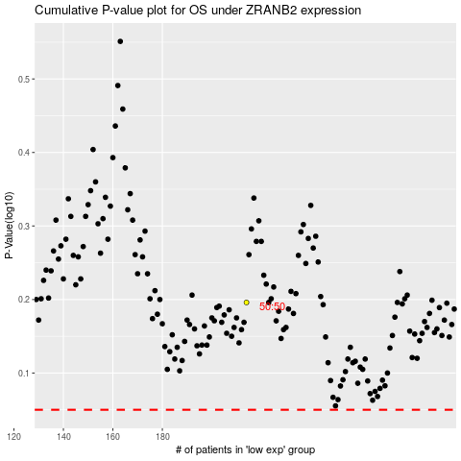

 |  |  |  |  |  | cases_OS | p_OS | rank | exp
 |  |  |  |  |  |  | cases_RFS | p_RFS | rank | exp

