ZRANB3 _multivariate
Reported by Tex Li-Hsing Chi. tex@gate.sinica.edu.tw 2019-06-16

Table 2. The correlation of ZRANB3 expression and clinical features.
Cutoff at -0.074 (49.9%)
 |  | ZRANB3 expression |  | ZRANB3 expression |  | (Optimised)
 | Features | Low | (%) | High | (%) | Case no | P-value | Remark | Matthews
Gender | Female | 153 | 35.9 | 159 | 37.3 | 426 | 0.2071 | 0 | 0
2 | Male | 60 | 14.1 | 54 | 12.7
Age at diagnosis | <=65y | 137 | 32.2 | 142 | 33.3 | 426 | 0.3415 | 0 | 0
4 | >65y | 76 | 17.8 | 71 | 16.7
Clinical T Status | T1+T2 | 77 | 18.1 | 78 | 18.3 | 426 | 0.7478 | 0 | 0
6 | T3+T4 | 136 | 31.9 | 135 | 31.7
Clinical N Status | N0 | 117 | 27.5 | 106 | 24.9 | 426 | 0.3272 | 1 | 0
8 | N1-3 | 96 | 22.5 | 107 | 25.1
Clinical M Status | M0 | 211 | 49.5 | 212 | 49.8 | 426 | 0.8422 | 0 | 0
10 | M1 | 2 | 0.5 | 1 | 0.2
Clinical Stage | Stage I+II | 55 | 12.9 | 52 | 12.2 | 426 | 0.7995 | 0 | 0
12 | Stage III+IV | 158 | 37.1 | 161 | 37.8
Surgical Margin status | Negative | 162 | 38 | 166 | 39 | 426 | 0.7298 | 0 | 0
14 | Positive | 51 | 12 | 47 | 11

Table 3. Univariate/Multivariate Cox proportional hazards regression analyses on OS time of ZRANB3 gene expression in HNSCC

 |  | Univariate |  |  |  | Multivariate
 | Features | HR | CI95%(L) | CI95%(H) | P-value | HR | CI95%(L) | CI95%(H) | P-value
1 | Female | 1 |  |  |  | 1
Gender | Male | 1.232 | 0.908 | 1.671 | 0.18 | 1.157 | 0.842 | 1.59 | 0.369
11 | <=65y | 1 |  |  |  | 1
Age at diagnosis | >65y | 1.381 | 1.037 | 1.84 | 0.027 | 1.333 | 0.988 | 1.797 | 0.06
12 | T1+T2 | 1 |  |  |  | 1
Clinical T Status | T3+T4 | 1.393 | 1.026 | 1.893 | 0.034 | 2.147 | 1.164 | 3.962 | 0.014
13 | N0 | 1 |  |  |  | 1
Clinical N Status | N1-3 | 1.2 | 0.907 | 1.588 | 0.203 | 1.251 | 0.881 | 1.775 | 0.21
14 | M0 | 1 |  |  |  | 1
Clinical M Status | M1 | 4.039 | 0.995 | 16.398 | 0.051 | 8.583 | 1.89 | 38.971 | 0.005
15 | Stage I+II | 1 |  |  |  | 1
Clinical Stage | Stage III+IV | 1.256 | 0.897 | 1.757 | 0.184 | 0.54 | 0.258 | 1.132 | 0.103
16 | Negative | 1 |  |  |  | 1
Surgical Margin status | Positive | 1.61 | 1.176 | 2.203 | 0.003 | 1.651 | 1.199 | 2.274 | 0.002
17 | Low | 1 |  |  |  | 1
RNAseq(z-score) | High | 1.036 | 0.78 | 1.374 | 0.808 | 1.078 | 0.81 | 1.434 | 0.606

Table 4. Univariate/Multivariate Cox proportional hazards regression analyses on RFS time of ZRANB3 gene expression in HNSCC

 |  | Univariate |  |  |  | Multivariate
 | Features | HR | CI95%(L) | CI95%(H) | P-value | HR | CI95%(L) | CI95%(H) | P-value
1 | Female | 1 |  |  |  | 1
Gender | Male | 1.232 | 0.908 | 1.671 | 0.18 | 1.157 | 0.842 | 1.59 | 0.369
11 | <=65y | 1 |  |  |  | 1
Age at diagnosis | >65y | 1.381 | 1.037 | 1.84 | 0.027 | 1.333 | 0.988 | 1.797 | 0.06
12 | T1+T2 | 1 |  |  |  | 1
Clinical T Status | T3+T4 | 1.393 | 1.026 | 1.893 | 0.034 | 2.147 | 1.164 | 3.962 | 0.014
13 | N0 | 1 |  |  |  | 1
Clinical N Status | N1-3 | 1.2 | 0.907 | 1.588 | 0.203 | 1.251 | 0.881 | 1.775 | 0.21
14 | M0 | 1 |  |  |  | 1
Clinical M Status | M1 | 4.039 | 0.995 | 16.398 | 0.051 | 8.583 | 1.89 | 38.971 | 0.005
15 | Stage I+II | 1 |  |  |  | 1
Clinical Stage | Stage III+IV | 1.256 | 0.897 | 1.757 | 0.184 | 0.54 | 0.258 | 1.132 | 0.103
16 | Negative | 1 |  |  |  | 1
Surgical Margin status | Positive | 1.61 | 1.176 | 2.203 | 0.003 | 1.651 | 1.199 | 2.274 | 0.002
17 | Low | 1 |  |  |  | 1
RNAseq(z-score) | High | 1.036 | 0.78 | 1.374 | 0.808 | 1.078 | 0.81 | 1.434 | 0.606

Kaplan-Meier survival estimate: Cutoff at -0.074 (49.9%)

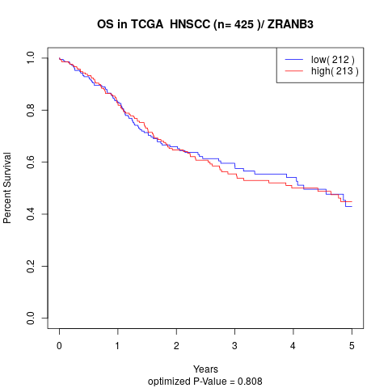

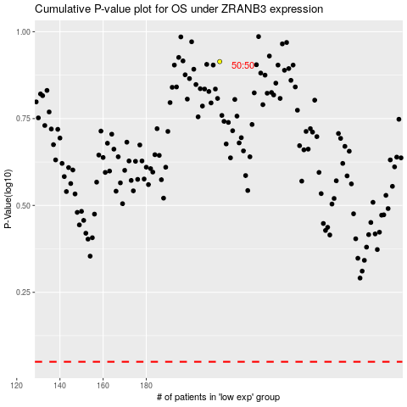

 |  |  |  |  |  | cases_OS | p_OS | rank | exp
 |  |  |  |  |  |  | cases_RFS | p_RFS | rank | exp

