ZRSR2 _multivariate
Reported by Tex Li-Hsing Chi. tex@gate.sinica.edu.tw 2019-06-16

Table 2. The correlation of ZRSR2 expression and clinical features.
Cutoff at -0.32 (50.1%)
 |  | ZRSR2 expression |  | ZRSR2 expression |  | (Optimised)
 | Features | Low | (%) | High | (%) | Case no | P-value | Remark | Matthews
Gender | Female | 175 | 41.1 | 137 | 32.2 | 426 | 0 | 1 | 0
2 | Male | 38 | 8.9 | 76 | 17.8
Age at diagnosis | <=65y | 150 | 35.2 | 129 | 30.3 | 426 | 0.0395 | 1 | 0
4 | >65y | 63 | 14.8 | 84 | 19.7
Clinical T Status | T1+T2 | 77 | 18.1 | 78 | 18.3 | 426 | 0.7478 | 0 | 0
6 | T3+T4 | 136 | 31.9 | 135 | 31.7
Clinical N Status | N0 | 106 | 24.9 | 117 | 27.5 | 426 | 0.3272 | 0 | 0
8 | N1-3 | 107 | 25.1 | 96 | 22.5
Clinical M Status | M0 | 212 | 49.8 | 211 | 49.5 | 426 | 0.8422 | 0 | 0
10 | M1 | 1 | 0.2 | 2 | 0.5
Clinical Stage | Stage I+II | 51 | 12 | 56 | 13.1 | 426 | 0.7234 | 0 | 0
12 | Stage III+IV | 162 | 38 | 157 | 36.9
Surgical Margin status | Negative | 165 | 38.7 | 163 | 38.3 | 426 | 0.9083 | 0 | 0
14 | Positive | 48 | 11.3 | 50 | 11.7

Table 3. Univariate/Multivariate Cox proportional hazards regression analyses on OS time of ZRSR2 gene expression in HNSCC

 |  | Univariate |  |  |  | Multivariate
 | Features | HR | CI95%(L) | CI95%(H) | P-value | HR | CI95%(L) | CI95%(H) | P-value
1 | Female | 1 |  |  |  | 1
Gender | Male | 1.232 | 0.908 | 1.671 | 0.18 | 1.164 | 0.839 | 1.613 | 0.364
11 | <=65y | 1 |  |  |  | 1
Age at diagnosis | >65y | 1.381 | 1.037 | 1.84 | 0.027 | 1.333 | 0.989 | 1.797 | 0.059
12 | T1+T2 | 1 |  |  |  | 1
Clinical T Status | T3+T4 | 1.393 | 1.026 | 1.893 | 0.034 | 2.137 | 1.158 | 3.942 | 0.015
13 | N0 | 1 |  |  |  | 1
Clinical N Status | N1-3 | 1.2 | 0.907 | 1.588 | 0.203 | 1.249 | 0.88 | 1.773 | 0.213
14 | M0 | 1 |  |  |  | 1
Clinical M Status | M1 | 4.039 | 0.995 | 16.398 | 0.051 | 8.549 | 1.876 | 38.959 | 0.006
15 | Stage I+II | 1 |  |  |  | 1
Clinical Stage | Stage III+IV | 1.256 | 0.897 | 1.757 | 0.184 | 0.545 | 0.26 | 1.14 | 0.107
16 | Negative | 1 |  |  |  | 1
Surgical Margin status | Positive | 1.61 | 1.176 | 2.203 | 0.003 | 1.647 | 1.196 | 2.268 | 0.002
17 | Low | 1 |  |  |  | 1
RNAseq(z-score) | High | 1.047 | 0.789 | 1.388 | 0.751 | 0.965 | 0.72 | 1.295 | 0.814

Table 4. Univariate/Multivariate Cox proportional hazards regression analyses on RFS time of ZRSR2 gene expression in HNSCC

 |  | Univariate |  |  |  | Multivariate
 | Features | HR | CI95%(L) | CI95%(H) | P-value | HR | CI95%(L) | CI95%(H) | P-value
1 | Female | 1 |  |  |  | 1
Gender | Male | 1.232 | 0.908 | 1.671 | 0.18 | 1.164 | 0.839 | 1.613 | 0.364
11 | <=65y | 1 |  |  |  | 1
Age at diagnosis | >65y | 1.381 | 1.037 | 1.84 | 0.027 | 1.333 | 0.989 | 1.797 | 0.059
12 | T1+T2 | 1 |  |  |  | 1
Clinical T Status | T3+T4 | 1.393 | 1.026 | 1.893 | 0.034 | 2.137 | 1.158 | 3.942 | 0.015
13 | N0 | 1 |  |  |  | 1
Clinical N Status | N1-3 | 1.2 | 0.907 | 1.588 | 0.203 | 1.249 | 0.88 | 1.773 | 0.213
14 | M0 | 1 |  |  |  | 1
Clinical M Status | M1 | 4.039 | 0.995 | 16.398 | 0.051 | 8.549 | 1.876 | 38.959 | 0.006
15 | Stage I+II | 1 |  |  |  | 1
Clinical Stage | Stage III+IV | 1.256 | 0.897 | 1.757 | 0.184 | 0.545 | 0.26 | 1.14 | 0.107
16 | Negative | 1 |  |  |  | 1
Surgical Margin status | Positive | 1.61 | 1.176 | 2.203 | 0.003 | 1.647 | 1.196 | 2.268 | 0.002
17 | Low | 1 |  |  |  | 1
RNAseq(z-score) | High | 1.047 | 0.789 | 1.388 | 0.751 | 0.965 | 0.72 | 1.295 | 0.814

Kaplan-Meier survival estimate: Cutoff at -0.32 (50.1%)



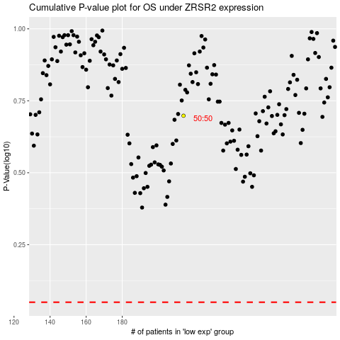

 |  |  |  |  |  | cases_OS | p_OS | rank | exp
 |  |  |  |  |  |  | cases_RFS | p_RFS | rank | exp

