ZSCAN12P1 _multivariate
Reported by Tex Li-Hsing Chi. tex@gate.sinica.edu.tw 2019-06-16

Table 2. The correlation of ZSCAN12P1 expression and clinical features.
Cutoff at -0.176 (50.1%)
 |  | ZSCAN12P1 expression |  | ZSCAN12P1 expression |  | (Optimised)
 | Features | Low | (%) | High | (%) | Case no | P-value | Remark | Matthews
Gender | Female | 164 | 38.5 | 148 | 34.7 | 426 | 0.0558 | 0 | 0
2 | Male | 49 | 11.5 | 65 | 15.3
Age at diagnosis | <=65y | 141 | 33.1 | 138 | 32.4 | 426 | 0.371 | 0 | 0
4 | >65y | 72 | 16.9 | 75 | 17.6
Clinical T Status | T1+T2 | 86 | 20.2 | 69 | 16.2 | 426 | 0.1733 | 0 | 0
6 | T3+T4 | 127 | 29.8 | 144 | 33.8
Clinical N Status | N0 | 109 | 25.6 | 114 | 26.8 | 426 | 0.514 | 0 | 0
8 | N1-3 | 104 | 24.4 | 99 | 23.2
Clinical M Status | M0 | 211 | 49.5 | 212 | 49.8 | 426 | 0.8422 | 0 | 0
10 | M1 | 2 | 0.5 | 1 | 0.2
Clinical Stage | Stage I+II | 56 | 13.1 | 51 | 12 | 426 | 0.7234 | 0 | 0
12 | Stage III+IV | 157 | 36.9 | 162 | 38
Surgical Margin status | Negative | 160 | 37.6 | 168 | 39.4 | 426 | 0.4203 | 0 | 0
14 | Positive | 53 | 12.4 | 45 | 10.6

Table 3. Univariate/Multivariate Cox proportional hazards regression analyses on OS time of ZSCAN12P1 gene expression in HNSCC

 |  | Univariate |  |  |  | Multivariate
 | Features | HR | CI95%(L) | CI95%(H) | P-value | HR | CI95%(L) | CI95%(H) | P-value
1 | Female | 1 |  |  |  | 1
Gender | Male | 1.232 | 0.908 | 1.671 | 0.18 | 1.175 | 0.854 | 1.618 | 0.322
11 | <=65y | 1 |  |  |  | 1
Age at diagnosis | >65y | 1.381 | 1.037 | 1.84 | 0.027 | 1.33 | 0.987 | 1.792 | 0.061
12 | T1+T2 | 1 |  |  |  | 1
Clinical T Status | T3+T4 | 1.393 | 1.026 | 1.893 | 0.034 | 2.173 | 1.177 | 4.013 | 0.013
13 | N0 | 1 |  |  |  | 1
Clinical N Status | N1-3 | 1.2 | 0.907 | 1.588 | 0.203 | 1.246 | 0.878 | 1.767 | 0.219
14 | M0 | 1 |  |  |  | 1
Clinical M Status | M1 | 4.039 | 0.995 | 16.398 | 0.051 | 8.378 | 1.849 | 37.955 | 0.006
15 | Stage I+II | 1 |  |  |  | 1
Clinical Stage | Stage III+IV | 1.256 | 0.897 | 1.757 | 0.184 | 0.536 | 0.256 | 1.122 | 0.098
16 | Negative | 1 |  |  |  | 1
Surgical Margin status | Positive | 1.61 | 1.176 | 2.203 | 0.003 | 1.628 | 1.182 | 2.243 | 0.003
17 | Low | 1 |  |  |  | 1
RNAseq(z-score) | High | 0.872 | 0.657 | 1.157 | 0.342 | 0.862 | 0.647 | 1.147 | 0.308

Table 4. Univariate/Multivariate Cox proportional hazards regression analyses on RFS time of ZSCAN12P1 gene expression in HNSCC

 |  | Univariate |  |  |  | Multivariate
 | Features | HR | CI95%(L) | CI95%(H) | P-value | HR | CI95%(L) | CI95%(H) | P-value
1 | Female | 1 |  |  |  | 1
Gender | Male | 1.232 | 0.908 | 1.671 | 0.18 | 1.175 | 0.854 | 1.618 | 0.322
11 | <=65y | 1 |  |  |  | 1
Age at diagnosis | >65y | 1.381 | 1.037 | 1.84 | 0.027 | 1.33 | 0.987 | 1.792 | 0.061
12 | T1+T2 | 1 |  |  |  | 1
Clinical T Status | T3+T4 | 1.393 | 1.026 | 1.893 | 0.034 | 2.173 | 1.177 | 4.013 | 0.013
13 | N0 | 1 |  |  |  | 1
Clinical N Status | N1-3 | 1.2 | 0.907 | 1.588 | 0.203 | 1.246 | 0.878 | 1.767 | 0.219
14 | M0 | 1 |  |  |  | 1
Clinical M Status | M1 | 4.039 | 0.995 | 16.398 | 0.051 | 8.378 | 1.849 | 37.955 | 0.006
15 | Stage I+II | 1 |  |  |  | 1
Clinical Stage | Stage III+IV | 1.256 | 0.897 | 1.757 | 0.184 | 0.536 | 0.256 | 1.122 | 0.098
16 | Negative | 1 |  |  |  | 1
Surgical Margin status | Positive | 1.61 | 1.176 | 2.203 | 0.003 | 1.628 | 1.182 | 2.243 | 0.003
17 | Low | 1 |  |  |  | 1
RNAseq(z-score) | High | 0.872 | 0.657 | 1.157 | 0.342 | 0.862 | 0.647 | 1.147 | 0.308

Kaplan-Meier survival estimate: Cutoff at -0.176 (50.1%)



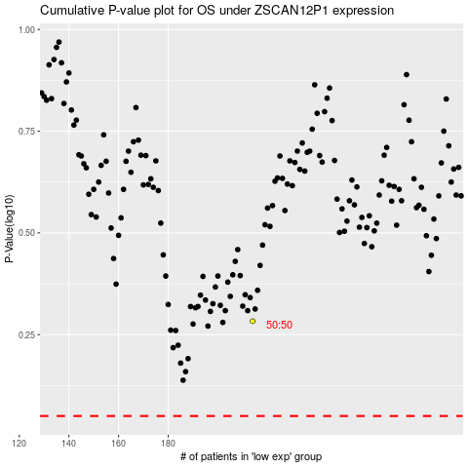

 |  |  |  |  |  | cases_OS | p_OS | rank | exp
 |  |  |  |  |  |  | cases_RFS | p_RFS | rank | exp

