ZSCAN2 _multivariate
Reported by Tex Li-Hsing Chi. tex@gate.sinica.edu.tw 2019-06-16

Table 2. The correlation of ZSCAN2 expression and clinical features.
Cutoff at 1.357 (92.7%)
 |  | ZSCAN2 expression |  | ZSCAN2 expression |  | (Optimised)
 | Features | Low | (%) | High | (%) | Case no | P-value | Remark | Matthews
Gender | Female | 286 | 67.1 | 26 | 6.1 | 426 | 0.0983 | 0 | 0
2 | Male | 109 | 25.6 | 5 | 1.2
Age at diagnosis | <=65y | 260 | 61 | 19 | 4.5 | 426 | 0.3412 | 0 | 0
4 | >65y | 135 | 31.7 | 12 | 2.8
Clinical T Status | T1+T2 | 144 | 33.8 | 11 | 2.6 | 426 | 0.7472 | 0 | 0
6 | T3+T4 | 251 | 58.9 | 20 | 4.7
Clinical N Status | N0 | 208 | 48.8 | 15 | 3.5 | 426 | 0.5205 | 0 | 0
8 | N1-3 | 187 | 43.9 | 16 | 3.8
Clinical M Status | M0 | 392 | 92 | 31 | 7.3 | 426 | 0.8848 | 0 | 0
10 | M1 | 3 | 0.7 | 0 | 0
Clinical Stage | Stage I+II | 102 | 23.9 | 5 | 1.2 | 426 | 0.412 | 0 | 0
12 | Stage III+IV | 293 | 68.8 | 26 | 6.1
Surgical Margin status | Negative | 309 | 72.5 | 19 | 4.5 | 426 | 0.0529 | 0 | 0
14 | Positive | 86 | 20.2 | 12 | 2.8

Table 3. Univariate/Multivariate Cox proportional hazards regression analyses on OS time of ZSCAN2 gene expression in HNSCC

 |  | Univariate |  |  |  | Multivariate
 | Features | HR | CI95%(L) | CI95%(H) | P-value | HR | CI95%(L) | CI95%(H) | P-value
1 | Female | 1 |  |  |  | 1
Gender | Male | 1.232 | 0.908 | 1.671 | 0.18 | 1.137 | 0.828 | 1.563 | 0.427
11 | <=65y | 1 |  |  |  | 1
Age at diagnosis | >65y | 1.381 | 1.037 | 1.84 | 0.027 | 1.335 | 0.991 | 1.798 | 0.058
12 | T1+T2 | 1 |  |  |  | 1
Clinical T Status | T3+T4 | 1.393 | 1.026 | 1.893 | 0.034 | 2.057 | 1.115 | 3.798 | 0.021
13 | N0 | 1 |  |  |  | 1
Clinical N Status | N1-3 | 1.2 | 0.907 | 1.588 | 0.203 | 1.259 | 0.887 | 1.786 | 0.197
14 | M0 | 1 |  |  |  | 1
Clinical M Status | M1 | 4.039 | 0.995 | 16.398 | 0.051 | 7.827 | 1.725 | 35.508 | 0.008
15 | Stage I+II | 1 |  |  |  | 1
Clinical Stage | Stage III+IV | 1.256 | 0.897 | 1.757 | 0.184 | 0.568 | 0.271 | 1.191 | 0.135
16 | Negative | 1 |  |  |  | 1
Surgical Margin status | Positive | 1.61 | 1.176 | 2.203 | 0.003 | 1.662 | 1.207 | 2.287 | 0.002
17 | Low | 1 |  |  |  | 1
RNAseq(z-score) | High | 0.648 | 0.353 | 1.192 | 0.163 | 0.637 | 0.345 | 1.176 | 0.149

Table 4. Univariate/Multivariate Cox proportional hazards regression analyses on RFS time of ZSCAN2 gene expression in HNSCC

 |  | Univariate |  |  |  | Multivariate
 | Features | HR | CI95%(L) | CI95%(H) | P-value | HR | CI95%(L) | CI95%(H) | P-value
1 | Female | 1 |  |  |  | 1
Gender | Male | 1.232 | 0.908 | 1.671 | 0.18 | 1.137 | 0.828 | 1.563 | 0.427
11 | <=65y | 1 |  |  |  | 1
Age at diagnosis | >65y | 1.381 | 1.037 | 1.84 | 0.027 | 1.335 | 0.991 | 1.798 | 0.058
12 | T1+T2 | 1 |  |  |  | 1
Clinical T Status | T3+T4 | 1.393 | 1.026 | 1.893 | 0.034 | 2.057 | 1.115 | 3.798 | 0.021
13 | N0 | 1 |  |  |  | 1
Clinical N Status | N1-3 | 1.2 | 0.907 | 1.588 | 0.203 | 1.259 | 0.887 | 1.786 | 0.197
14 | M0 | 1 |  |  |  | 1
Clinical M Status | M1 | 4.039 | 0.995 | 16.398 | 0.051 | 7.827 | 1.725 | 35.508 | 0.008
15 | Stage I+II | 1 |  |  |  | 1
Clinical Stage | Stage III+IV | 1.256 | 0.897 | 1.757 | 0.184 | 0.568 | 0.271 | 1.191 | 0.135
16 | Negative | 1 |  |  |  | 1
Surgical Margin status | Positive | 1.61 | 1.176 | 2.203 | 0.003 | 1.662 | 1.207 | 2.287 | 0.002
17 | Low | 1 |  |  |  | 1
RNAseq(z-score) | High | 0.648 | 0.353 | 1.192 | 0.163 | 0.637 | 0.345 | 1.176 | 0.149

Kaplan-Meier survival estimate: Cutoff at 1.357 (92.7%)

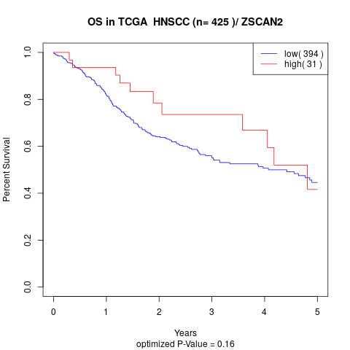

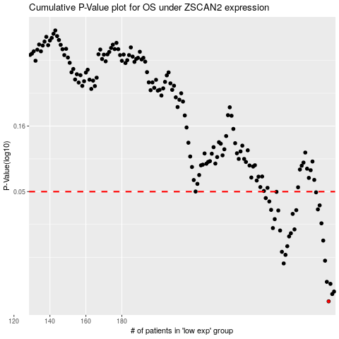

 |  |  |  |  |  | cases_OS | p_OS | rank | exp
 |  |  |  |  |  | 295 | 0.00715 | 417 | 1.3574153366
 |  |  |  |  |  | 297 | 0.00814 | 147 | 0.61287445596
 |  |  |  |  |  | 298 | 0.0085 | 139 | -0.93316340461
 |  |  |  |  |  | 296 | 0.00975 | 285 | -0.76964009913
 |  |  |  |  |  | 294 | 0.0101 | 350 | -0.58714177313
 |  |  |  |  |  | 270 | 0.014 | 389 | -0.431987706
 |  |  |  |  |  | 293 | 0.0147 | 80 | -1.0441817894
 |  |  |  |  |  | 271 | 0.0163 | 387 | -0.14636553851
 |  |  |  |  |  | 269 | 0.0172 | 277 | -0.80851396973
 |  |  |  |  |  | 272 | 0.019 | 392 | 0.16684553837
 |  |  |  |  |  | 292 | 0.021 | 306 | -0.77450937459
 |  |  |  |  |  | 273 | 0.0226 | 199 | 0.89315813024
 |  |  |  |  |  | 274 | 0.0239 | 111 | -0.38755625217
 |  |  |  |  |  | 268 | 0.0251 | 157 | 0.54498941667
 |  |  |  |  |  | 276 | 0.0256 | 36 | 0.18236806551
 |  |  |  |  |  | 264 | 0.0262 | 158 | 0.11333828092
 |  |  |  |  |  | 291 | 0.0285 | 124 | 1.3341041596
 |  |  |  |  |  | 265 | 0.0307 | 207 | -0.15170950898
 |  |  |  |  |  | 275 | 0.0337 | 118 | -0.88107292922
 |  |  |  |  |  | 267 | 0.0358 | 125 | 0.22455749824
 |  |  |  |  |  | 277 | 0.036 | 186 | -0.64058512933
 |  |  |  |  |  | 263 | 0.0362 | 3 | 0.083971090964
 |  |  |  |  |  | 289 | 0.0365 | 148 | 0.27240127896
 |  |  |  |  |  | 290 | 0.0392 | 115 | -0.45556726822
 |  |  |  |  |  | 262 | 0.042 | 4 | 0.080149796057
 |  |  |  |  |  | 260 | 0.0446 | 335 | -0.32709653844
 |  |  |  |  |  | 288 | 0.0494 | 69 | 1.0473646331
 |  |  |  |  |  | 266 | 0.0498 | 245 | -0.34354106936
 |  |  |  |  |  |  | cases_RFS | p_RFS | rank | exp
 |  |  |  |  |  |  | 294 | 0.00715 | 350 | -0.58714177313
 |  |  |  |  |  |  | 296 | 0.00814 | 285 | -0.76964009913
 |  |  |  |  |  |  | 297 | 0.0085 | 147 | 0.61287445596
 |  |  |  |  |  |  | 295 | 0.00975 | 417 | 1.3574153366
 |  |  |  |  |  |  | 293 | 0.0101 | 80 | -1.0441817894
 |  |  |  |  |  |  | 269 | 0.014 | 277 | -0.80851396973
 |  |  |  |  |  |  | 292 | 0.0147 | 306 | -0.77450937459
 |  |  |  |  |  |  | 270 | 0.0163 | 389 | -0.431987706
 |  |  |  |  |  |  | 268 | 0.0172 | 157 | 0.54498941667
 |  |  |  |  |  |  | 271 | 0.019 | 387 | -0.14636553851
 |  |  |  |  |  |  | 291 | 0.021 | 124 | 1.3341041596
 |  |  |  |  |  |  | 272 | 0.0226 | 392 | 0.16684553837
 |  |  |  |  |  |  | 273 | 0.0239 | 199 | 0.89315813024
 |  |  |  |  |  |  | 267 | 0.0251 | 125 | 0.22455749824
 |  |  |  |  |  |  | 275 | 0.0256 | 118 | -0.88107292922
 |  |  |  |  |  |  | 263 | 0.0262 | 3 | 0.083971090964
 |  |  |  |  |  |  | 290 | 0.0285 | 115 | -0.45556726822
 |  |  |  |  |  |  | 264 | 0.0307 | 158 | 0.11333828092
 |  |  |  |  |  |  | 274 | 0.0337 | 111 | -0.38755625217
 |  |  |  |  |  |  | 266 | 0.0358 | 245 | -0.34354106936
 |  |  |  |  |  |  | 276 | 0.036 | 36 | 0.18236806551
 |  |  |  |  |  |  | 262 | 0.0362 | 4 | 0.080149796057
 |  |  |  |  |  |  | 288 | 0.0365 | 69 | 1.0473646331
 |  |  |  |  |  |  | 289 | 0.0392 | 148 | 0.27240127896
 |  |  |  |  |  |  | 261 | 0.042 | 165 | 0.010849800458
 |  |  |  |  |  |  | 259 | 0.0446 | 377 | -0.56062457904
 |  |  |  |  |  |  | 287 | 0.0494 | 425 | -0.064520814142
 |  |  |  |  |  |  | 265 | 0.0498 | 207 | -0.15170950898

