ZSCAN21 _multivariate
Reported by Tex Li-Hsing Chi. tex@gate.sinica.edu.tw 2019-06-16

Table 2. The correlation of ZSCAN21 expression and clinical features.
Cutoff at -0.234 (49.9%)
 |  | ZSCAN21 expression |  | ZSCAN21 expression |  | (Optimised)
 | Features | Low | (%) | High | (%) | Case no | P-value | Remark | Matthews
Gender | Female | 154 | 36.2 | 158 | 37.1 | 426 | 0.2334 | 0 | 0
2 | Male | 59 | 13.8 | 55 | 12.9
Age at diagnosis | <=65y | 137 | 32.2 | 142 | 33.3 | 426 | 0.3415 | 0 | 0
4 | >65y | 76 | 17.8 | 71 | 16.7
Clinical T Status | T1+T2 | 80 | 18.8 | 75 | 17.6 | 426 | 0.662 | 0 | 0
6 | T3+T4 | 133 | 31.2 | 138 | 32.4
Clinical N Status | N0 | 110 | 25.8 | 113 | 26.5 | 426 | 0.5542 | 0 | 0
8 | N1-3 | 103 | 24.2 | 100 | 23.5
Clinical M Status | M0 | 212 | 49.8 | 211 | 49.5 | 426 | 0.8422 | 0 | 0
10 | M1 | 1 | 0.2 | 2 | 0.5
Clinical Stage | Stage I+II | 53 | 12.4 | 54 | 12.7 | 426 | 0.8404 | 0 | 0
12 | Stage III+IV | 160 | 37.6 | 159 | 37.3
Surgical Margin status | Negative | 163 | 38.3 | 165 | 38.7 | 426 | 0.9083 | 0 | 0
14 | Positive | 50 | 11.7 | 48 | 11.3

Table 3. Univariate/Multivariate Cox proportional hazards regression analyses on OS time of ZSCAN21 gene expression in HNSCC

 |  | Univariate |  |  |  | Multivariate
 | Features | HR | CI95%(L) | CI95%(H) | P-value | HR | CI95%(L) | CI95%(H) | P-value
1 | Female | 1 |  |  |  | 1
Gender | Male | 1.232 | 0.908 | 1.671 | 0.18 | 1.151 | 0.838 | 1.582 | 0.385
11 | <=65y | 1 |  |  |  | 1
Age at diagnosis | >65y | 1.381 | 1.037 | 1.84 | 0.027 | 1.338 | 0.991 | 1.807 | 0.058
12 | T1+T2 | 1 |  |  |  | 1
Clinical T Status | T3+T4 | 1.393 | 1.026 | 1.893 | 0.034 | 2.13 | 1.154 | 3.93 | 0.016
13 | N0 | 1 |  |  |  | 1
Clinical N Status | N1-3 | 1.2 | 0.907 | 1.588 | 0.203 | 1.249 | 0.88 | 1.773 | 0.213
14 | M0 | 1 |  |  |  | 1
Clinical M Status | M1 | 4.039 | 0.995 | 16.398 | 0.051 | 8.399 | 1.853 | 38.063 | 0.006
15 | Stage I+II | 1 |  |  |  | 1
Clinical Stage | Stage III+IV | 1.256 | 0.897 | 1.757 | 0.184 | 0.548 | 0.262 | 1.147 | 0.111
16 | Negative | 1 |  |  |  | 1
Surgical Margin status | Positive | 1.61 | 1.176 | 2.203 | 0.003 | 1.642 | 1.193 | 2.261 | 0.002
17 | Low | 1 |  |  |  | 1
RNAseq(z-score) | High | 1.03 | 0.776 | 1.365 | 0.839 | 1.045 | 0.786 | 1.389 | 0.761

Table 4. Univariate/Multivariate Cox proportional hazards regression analyses on RFS time of ZSCAN21 gene expression in HNSCC

 |  | Univariate |  |  |  | Multivariate
 | Features | HR | CI95%(L) | CI95%(H) | P-value | HR | CI95%(L) | CI95%(H) | P-value
1 | Female | 1 |  |  |  | 1
Gender | Male | 1.232 | 0.908 | 1.671 | 0.18 | 1.151 | 0.838 | 1.582 | 0.385
11 | <=65y | 1 |  |  |  | 1
Age at diagnosis | >65y | 1.381 | 1.037 | 1.84 | 0.027 | 1.338 | 0.991 | 1.807 | 0.058
12 | T1+T2 | 1 |  |  |  | 1
Clinical T Status | T3+T4 | 1.393 | 1.026 | 1.893 | 0.034 | 2.13 | 1.154 | 3.93 | 0.016
13 | N0 | 1 |  |  |  | 1
Clinical N Status | N1-3 | 1.2 | 0.907 | 1.588 | 0.203 | 1.249 | 0.88 | 1.773 | 0.213
14 | M0 | 1 |  |  |  | 1
Clinical M Status | M1 | 4.039 | 0.995 | 16.398 | 0.051 | 8.399 | 1.853 | 38.063 | 0.006
15 | Stage I+II | 1 |  |  |  | 1
Clinical Stage | Stage III+IV | 1.256 | 0.897 | 1.757 | 0.184 | 0.548 | 0.262 | 1.147 | 0.111
16 | Negative | 1 |  |  |  | 1
Surgical Margin status | Positive | 1.61 | 1.176 | 2.203 | 0.003 | 1.642 | 1.193 | 2.261 | 0.002
17 | Low | 1 |  |  |  | 1
RNAseq(z-score) | High | 1.03 | 0.776 | 1.365 | 0.839 | 1.045 | 0.786 | 1.389 | 0.761

Kaplan-Meier survival estimate: Cutoff at -0.234 (49.9%)

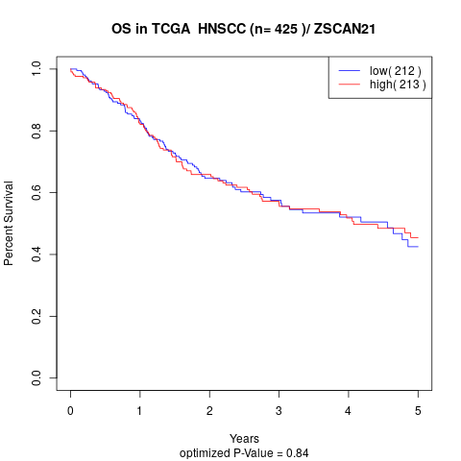

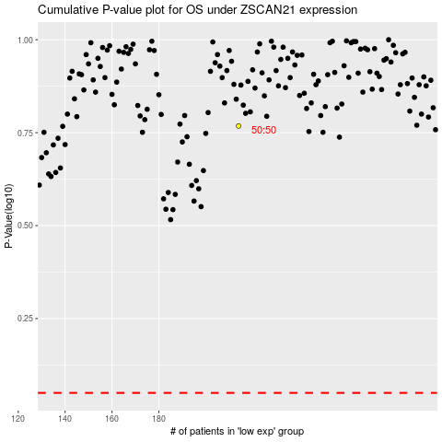

 |  |  |  |  |  | cases_OS | p_OS | rank | exp
 |  |  |  |  |  |  | cases_RFS | p_RFS | rank | exp

