ZSCAN23 _multivariate
Reported by Tex Li-Hsing Chi. tex@gate.sinica.edu.tw 2019-06-16

Table 2. The correlation of ZSCAN23 expression and clinical features.
Cutoff at -0.329 (50.1%)
 |  | ZSCAN23 expression |  | ZSCAN23 expression |  | (Optimised)
 | Features | Low | (%) | High | (%) | Case no | P-value | Remark | Matthews
Gender | Female | 158 | 37.1 | 154 | 36.2 | 426 | 0.2334 | 0 | 0
2 | Male | 55 | 12.9 | 59 | 13.8
Age at diagnosis | <=65y | 140 | 32.9 | 139 | 32.6 | 426 | 0.3868 | 0 | 0
4 | >65y | 73 | 17.1 | 74 | 17.4
Clinical T Status | T1+T2 | 76 | 17.8 | 79 | 18.5 | 426 | 0.718 | 0 | 0
6 | T3+T4 | 137 | 32.2 | 134 | 31.5
Clinical N Status | N0 | 107 | 25.1 | 116 | 27.2 | 426 | 0.395 | 0 | 0
8 | N1-3 | 106 | 24.9 | 97 | 22.8
Clinical M Status | M0 | 211 | 49.5 | 212 | 49.8 | 426 | 0.8422 | 0 | 0
10 | M1 | 2 | 0.5 | 1 | 0.2
Clinical Stage | Stage I+II | 47 | 11 | 60 | 14.1 | 426 | 0.2941 | 0 | 0
12 | Stage III+IV | 166 | 39 | 153 | 35.9
Surgical Margin status | Negative | 162 | 38 | 166 | 39 | 426 | 0.7298 | 0 | 0
14 | Positive | 51 | 12 | 47 | 11

Table 3. Univariate/Multivariate Cox proportional hazards regression analyses on OS time of ZSCAN23 gene expression in HNSCC

 |  | Univariate |  |  |  | Multivariate
 | Features | HR | CI95%(L) | CI95%(H) | P-value | HR | CI95%(L) | CI95%(H) | P-value
1 | Female | 1 |  |  |  | 1
Gender | Male | 1.232 | 0.908 | 1.671 | 0.18 | 1.153 | 0.839 | 1.585 | 0.379
11 | <=65y | 1 |  |  |  | 1
Age at diagnosis | >65y | 1.381 | 1.037 | 1.84 | 0.027 | 1.33 | 0.987 | 1.794 | 0.061
12 | T1+T2 | 1 |  |  |  | 1
Clinical T Status | T3+T4 | 1.393 | 1.026 | 1.893 | 0.034 | 2.125 | 1.152 | 3.922 | 0.016
13 | N0 | 1 |  |  |  | 1
Clinical N Status | N1-3 | 1.2 | 0.907 | 1.588 | 0.203 | 1.257 | 0.885 | 1.785 | 0.202
14 | M0 | 1 |  |  |  | 1
Clinical M Status | M1 | 4.039 | 0.995 | 16.398 | 0.051 | 8.58 | 1.891 | 38.937 | 0.005
15 | Stage I+II | 1 |  |  |  | 1
Clinical Stage | Stage III+IV | 1.256 | 0.897 | 1.757 | 0.184 | 0.552 | 0.264 | 1.157 | 0.116
16 | Negative | 1 |  |  |  | 1
Surgical Margin status | Positive | 1.61 | 1.176 | 2.203 | 0.003 | 1.65 | 1.198 | 2.272 | 0.002
17 | Low | 1 |  |  |  | 1
RNAseq(z-score) | High | 1.038 | 0.783 | 1.375 | 0.797 | 1.085 | 0.815 | 1.444 | 0.576

Table 4. Univariate/Multivariate Cox proportional hazards regression analyses on RFS time of ZSCAN23 gene expression in HNSCC

 |  | Univariate |  |  |  | Multivariate
 | Features | HR | CI95%(L) | CI95%(H) | P-value | HR | CI95%(L) | CI95%(H) | P-value
1 | Female | 1 |  |  |  | 1
Gender | Male | 1.232 | 0.908 | 1.671 | 0.18 | 1.153 | 0.839 | 1.585 | 0.379
11 | <=65y | 1 |  |  |  | 1
Age at diagnosis | >65y | 1.381 | 1.037 | 1.84 | 0.027 | 1.33 | 0.987 | 1.794 | 0.061
12 | T1+T2 | 1 |  |  |  | 1
Clinical T Status | T3+T4 | 1.393 | 1.026 | 1.893 | 0.034 | 2.125 | 1.152 | 3.922 | 0.016
13 | N0 | 1 |  |  |  | 1
Clinical N Status | N1-3 | 1.2 | 0.907 | 1.588 | 0.203 | 1.257 | 0.885 | 1.785 | 0.202
14 | M0 | 1 |  |  |  | 1
Clinical M Status | M1 | 4.039 | 0.995 | 16.398 | 0.051 | 8.58 | 1.891 | 38.937 | 0.005
15 | Stage I+II | 1 |  |  |  | 1
Clinical Stage | Stage III+IV | 1.256 | 0.897 | 1.757 | 0.184 | 0.552 | 0.264 | 1.157 | 0.116
16 | Negative | 1 |  |  |  | 1
Surgical Margin status | Positive | 1.61 | 1.176 | 2.203 | 0.003 | 1.65 | 1.198 | 2.272 | 0.002
17 | Low | 1 |  |  |  | 1
RNAseq(z-score) | High | 1.038 | 0.783 | 1.375 | 0.797 | 1.085 | 0.815 | 1.444 | 0.576

Kaplan-Meier survival estimate: Cutoff at -0.329 (50.1%)



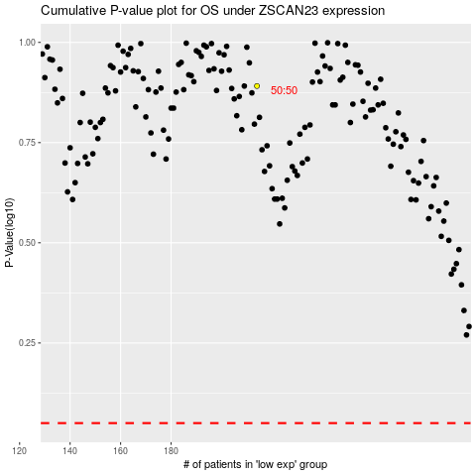

 |  |  |  |  |  | cases_OS | p_OS | rank | exp
 |  |  |  |  |  |  | cases_RFS | p_RFS | rank | exp

