ZSCAN29 _multivariate
Reported by Tex Li-Hsing Chi. tex@gate.sinica.edu.tw 2019-06-16

Table 2. The correlation of ZSCAN29 expression and clinical features.
Cutoff at -0.003 (49.9%)
 |  | ZSCAN29 expression |  | ZSCAN29 expression |  | (Optimised)
 | Features | Low | (%) | High | (%) | Case no | P-value | Remark | Matthews
Gender | Female | 151 | 35.4 | 161 | 37.8 | 426 | 0.1414 | 0 | 0
2 | Male | 62 | 14.6 | 52 | 12.2
Age at diagnosis | <=65y | 138 | 32.4 | 141 | 33.1 | 426 | 0.371 | 0 | 0
4 | >65y | 75 | 17.6 | 72 | 16.9
Clinical T Status | T1+T2 | 73 | 17.1 | 82 | 19.2 | 426 | 0.4982 | 0 | 0
6 | T3+T4 | 140 | 32.9 | 131 | 30.8
Clinical N Status | N0 | 98 | 23 | 125 | 29.3 | 426 | 0.0187 | 1 | 0
8 | N1-3 | 115 | 27 | 88 | 20.7
Clinical M Status | M0 | 211 | 49.5 | 212 | 49.8 | 426 | 0.8422 | 0 | 0
10 | M1 | 2 | 0.5 | 1 | 0.2
Clinical Stage | Stage I+II | 50 | 11.7 | 57 | 13.4 | 426 | 0.6226 | 0 | 0
12 | Stage III+IV | 163 | 38.3 | 156 | 36.6
Surgical Margin status | Negative | 166 | 39 | 162 | 38 | 426 | 0.7298 | 0 | 0
14 | Positive | 47 | 11 | 51 | 12

Table 3. Univariate/Multivariate Cox proportional hazards regression analyses on OS time of ZSCAN29 gene expression in HNSCC

 |  | Univariate |  |  |  | Multivariate
 | Features | HR | CI95%(L) | CI95%(H) | P-value | HR | CI95%(L) | CI95%(H) | P-value
1 | Female | 1 |  |  |  | 1
Gender | Male | 1.232 | 0.908 | 1.671 | 0.18 | 1.151 | 0.837 | 1.583 | 0.387
11 | <=65y | 1 |  |  |  | 1
Age at diagnosis | >65y | 1.381 | 1.037 | 1.84 | 0.027 | 1.33 | 0.987 | 1.793 | 0.061
12 | T1+T2 | 1 |  |  |  | 1
Clinical T Status | T3+T4 | 1.393 | 1.026 | 1.893 | 0.034 | 2.13 | 1.153 | 3.937 | 0.016
13 | N0 | 1 |  |  |  | 1
Clinical N Status | N1-3 | 1.2 | 0.907 | 1.588 | 0.203 | 1.245 | 0.876 | 1.771 | 0.222
14 | M0 | 1 |  |  |  | 1
Clinical M Status | M1 | 4.039 | 0.995 | 16.398 | 0.051 | 8.375 | 1.845 | 38.028 | 0.006
15 | Stage I+II | 1 |  |  |  | 1
Clinical Stage | Stage III+IV | 1.256 | 0.897 | 1.757 | 0.184 | 0.547 | 0.261 | 1.146 | 0.11
16 | Negative | 1 |  |  |  | 1
Surgical Margin status | Positive | 1.61 | 1.176 | 2.203 | 0.003 | 1.644 | 1.194 | 2.263 | 0.002
17 | Low | 1 |  |  |  | 1
RNAseq(z-score) | High | 0.915 | 0.691 | 1.212 | 0.536 | 0.984 | 0.739 | 1.309 | 0.91

Table 4. Univariate/Multivariate Cox proportional hazards regression analyses on RFS time of ZSCAN29 gene expression in HNSCC

 |  | Univariate |  |  |  | Multivariate
 | Features | HR | CI95%(L) | CI95%(H) | P-value | HR | CI95%(L) | CI95%(H) | P-value
1 | Female | 1 |  |  |  | 1
Gender | Male | 1.232 | 0.908 | 1.671 | 0.18 | 1.151 | 0.837 | 1.583 | 0.387
11 | <=65y | 1 |  |  |  | 1
Age at diagnosis | >65y | 1.381 | 1.037 | 1.84 | 0.027 | 1.33 | 0.987 | 1.793 | 0.061
12 | T1+T2 | 1 |  |  |  | 1
Clinical T Status | T3+T4 | 1.393 | 1.026 | 1.893 | 0.034 | 2.13 | 1.153 | 3.937 | 0.016
13 | N0 | 1 |  |  |  | 1
Clinical N Status | N1-3 | 1.2 | 0.907 | 1.588 | 0.203 | 1.245 | 0.876 | 1.771 | 0.222
14 | M0 | 1 |  |  |  | 1
Clinical M Status | M1 | 4.039 | 0.995 | 16.398 | 0.051 | 8.375 | 1.845 | 38.028 | 0.006
15 | Stage I+II | 1 |  |  |  | 1
Clinical Stage | Stage III+IV | 1.256 | 0.897 | 1.757 | 0.184 | 0.547 | 0.261 | 1.146 | 0.11
16 | Negative | 1 |  |  |  | 1
Surgical Margin status | Positive | 1.61 | 1.176 | 2.203 | 0.003 | 1.644 | 1.194 | 2.263 | 0.002
17 | Low | 1 |  |  |  | 1
RNAseq(z-score) | High | 0.915 | 0.691 | 1.212 | 0.536 | 0.984 | 0.739 | 1.309 | 0.91

Kaplan-Meier survival estimate: Cutoff at -0.003 (49.9%)



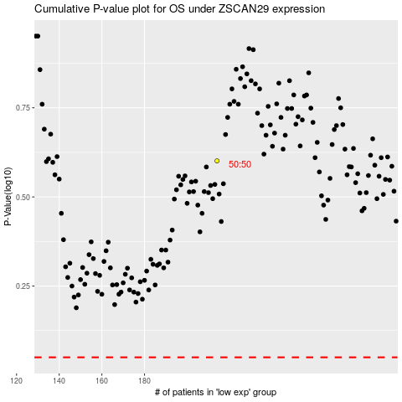

 |  |  |  |  |  | cases_OS | p_OS | rank | exp
 |  |  |  |  |  |  | cases_RFS | p_RFS | rank | exp

