ZSCAN4 _multivariate
Reported by Tex Li-Hsing Chi. tex@gate.sinica.edu.tw 2019-06-16

Table 2. The correlation of ZSCAN4 expression and clinical features.
Cutoff at -0.225 (50.1%)
 |  | ZSCAN4 expression |  | ZSCAN4 expression |  | (Optimised)
 | Features | Low | (%) | High | (%) | Case no | P-value | Remark | Matthews
Gender | Female | 155 | 36.4 | 157 | 36.9 | 426 | 0.2507 | 0 | 0
2 | Male | 58 | 13.6 | 56 | 13.1
Age at diagnosis | <=65y | 138 | 32.4 | 141 | 33.1 | 426 | 0.371 | 0 | 0
4 | >65y | 75 | 17.6 | 72 | 16.9
Clinical T Status | T1+T2 | 71 | 16.7 | 84 | 19.7 | 426 | 0.3187 | 0 | 0
6 | T3+T4 | 142 | 33.3 | 129 | 30.3
Clinical N Status | N0 | 111 | 26.1 | 112 | 26.3 | 426 | 0.5755 | 0 | 0
8 | N1-3 | 102 | 23.9 | 101 | 23.7
Clinical M Status | M0 | 212 | 49.8 | 211 | 49.5 | 426 | 0.8422 | 0 | 0
10 | M1 | 1 | 0.2 | 2 | 0.5
Clinical Stage | Stage I+II | 50 | 11.7 | 57 | 13.4 | 426 | 0.6226 | 0 | 0
12 | Stage III+IV | 163 | 38.3 | 156 | 36.6
Surgical Margin status | Negative | 163 | 38.3 | 165 | 38.7 | 426 | 0.9083 | 0 | 0
14 | Positive | 50 | 11.7 | 48 | 11.3

Table 3. Univariate/Multivariate Cox proportional hazards regression analyses on OS time of ZSCAN4 gene expression in HNSCC

 |  | Univariate |  |  |  | Multivariate
 | Features | HR | CI95%(L) | CI95%(H) | P-value | HR | CI95%(L) | CI95%(H) | P-value
1 | Female | 1 |  |  |  | 1
Gender | Male | 1.232 | 0.908 | 1.671 | 0.18 | 1.156 | 0.841 | 1.589 | 0.371
11 | <=65y | 1 |  |  |  | 1
Age at diagnosis | >65y | 1.381 | 1.037 | 1.84 | 0.027 | 1.33 | 0.987 | 1.793 | 0.061
12 | T1+T2 | 1 |  |  |  | 1
Clinical T Status | T3+T4 | 1.393 | 1.026 | 1.893 | 0.034 | 2.143 | 1.162 | 3.953 | 0.015
13 | N0 | 1 |  |  |  | 1
Clinical N Status | N1-3 | 1.2 | 0.907 | 1.588 | 0.203 | 1.249 | 0.88 | 1.772 | 0.213
14 | M0 | 1 |  |  |  | 1
Clinical M Status | M1 | 4.039 | 0.995 | 16.398 | 0.051 | 8.276 | 1.822 | 37.587 | 0.006
15 | Stage I+II | 1 |  |  |  | 1
Clinical Stage | Stage III+IV | 1.256 | 0.897 | 1.757 | 0.184 | 0.546 | 0.261 | 1.143 | 0.109
16 | Negative | 1 |  |  |  | 1
Surgical Margin status | Positive | 1.61 | 1.176 | 2.203 | 0.003 | 1.64 | 1.191 | 2.258 | 0.002
17 | Low | 1 |  |  |  | 1
RNAseq(z-score) | High | 1.048 | 0.791 | 1.389 | 0.743 | 1.056 | 0.795 | 1.403 | 0.706

Table 4. Univariate/Multivariate Cox proportional hazards regression analyses on RFS time of ZSCAN4 gene expression in HNSCC

 |  | Univariate |  |  |  | Multivariate
 | Features | HR | CI95%(L) | CI95%(H) | P-value | HR | CI95%(L) | CI95%(H) | P-value
1 | Female | 1 |  |  |  | 1
Gender | Male | 1.232 | 0.908 | 1.671 | 0.18 | 1.156 | 0.841 | 1.589 | 0.371
11 | <=65y | 1 |  |  |  | 1
Age at diagnosis | >65y | 1.381 | 1.037 | 1.84 | 0.027 | 1.33 | 0.987 | 1.793 | 0.061
12 | T1+T2 | 1 |  |  |  | 1
Clinical T Status | T3+T4 | 1.393 | 1.026 | 1.893 | 0.034 | 2.143 | 1.162 | 3.953 | 0.015
13 | N0 | 1 |  |  |  | 1
Clinical N Status | N1-3 | 1.2 | 0.907 | 1.588 | 0.203 | 1.249 | 0.88 | 1.772 | 0.213
14 | M0 | 1 |  |  |  | 1
Clinical M Status | M1 | 4.039 | 0.995 | 16.398 | 0.051 | 8.276 | 1.822 | 37.587 | 0.006
15 | Stage I+II | 1 |  |  |  | 1
Clinical Stage | Stage III+IV | 1.256 | 0.897 | 1.757 | 0.184 | 0.546 | 0.261 | 1.143 | 0.109
16 | Negative | 1 |  |  |  | 1
Surgical Margin status | Positive | 1.61 | 1.176 | 2.203 | 0.003 | 1.64 | 1.191 | 2.258 | 0.002
17 | Low | 1 |  |  |  | 1
RNAseq(z-score) | High | 1.048 | 0.791 | 1.389 | 0.743 | 1.056 | 0.795 | 1.403 | 0.706

Kaplan-Meier survival estimate: Cutoff at -0.225 (50.1%)

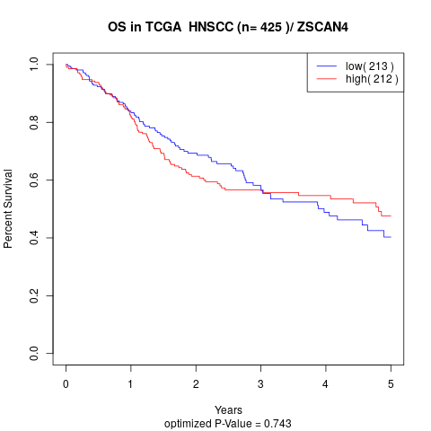

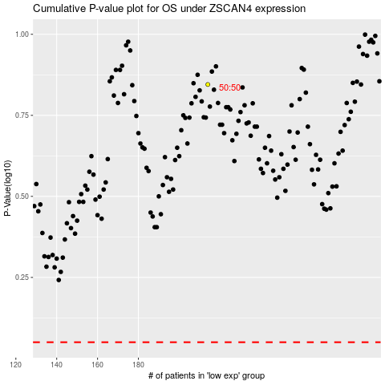

 |  |  |  |  |  | cases_OS | p_OS | rank | exp
 |  |  |  |  |  |  | cases_RFS | p_RFS | rank | exp

