ZSCAN5A _multivariate
Reported by Tex Li-Hsing Chi. tex@gate.sinica.edu.tw 2019-06-16

Table 2. The correlation of ZSCAN5A expression and clinical features.
Cutoff at -0.132 (50.1%)
 |  | ZSCAN5A expression |  | ZSCAN5A expression |  | (Optimised)
 | Features | Low | (%) | High | (%) | Case no | P-value | Remark | Matthews
Gender | Female | 151 | 35.4 | 161 | 37.8 | 426 | 0.1414 | 0 | 0
2 | Male | 62 | 14.6 | 52 | 12.2
Age at diagnosis | <=65y | 132 | 31 | 147 | 34.5 | 426 | 0.1211 | 0 | 0
4 | >65y | 81 | 19 | 66 | 15.5
Clinical T Status | T1+T2 | 77 | 18.1 | 78 | 18.3 | 426 | 0.7478 | 0 | 0
6 | T3+T4 | 136 | 31.9 | 135 | 31.7
Clinical N Status | N0 | 110 | 25.8 | 113 | 26.5 | 426 | 0.5542 | 0 | 0
8 | N1-3 | 103 | 24.2 | 100 | 23.5
Clinical M Status | M0 | 211 | 49.5 | 212 | 49.8 | 426 | 0.8422 | 0 | 0
10 | M1 | 2 | 0.5 | 1 | 0.2
Clinical Stage | Stage I+II | 52 | 12.2 | 55 | 12.9 | 426 | 0.7995 | 0 | 0
12 | Stage III+IV | 161 | 37.8 | 158 | 37.1
Surgical Margin status | Negative | 165 | 38.7 | 163 | 38.3 | 426 | 0.9083 | 0 | 0
14 | Positive | 48 | 11.3 | 50 | 11.7

Table 3. Univariate/Multivariate Cox proportional hazards regression analyses on OS time of ZSCAN5A gene expression in HNSCC

 |  | Univariate |  |  |  | Multivariate
 | Features | HR | CI95%(L) | CI95%(H) | P-value | HR | CI95%(L) | CI95%(H) | P-value
1 | Female | 1 |  |  |  | 1
Gender | Male | 1.232 | 0.908 | 1.671 | 0.18 | 1.157 | 0.842 | 1.591 | 0.369
11 | <=65y | 1 |  |  |  | 1
Age at diagnosis | >65y | 1.381 | 1.037 | 1.84 | 0.027 | 1.335 | 0.99 | 1.8 | 0.058
12 | T1+T2 | 1 |  |  |  | 1
Clinical T Status | T3+T4 | 1.393 | 1.026 | 1.893 | 0.034 | 2.146 | 1.163 | 3.963 | 0.015
13 | N0 | 1 |  |  |  | 1
Clinical N Status | N1-3 | 1.2 | 0.907 | 1.588 | 0.203 | 1.249 | 0.88 | 1.772 | 0.213
14 | M0 | 1 |  |  |  | 1
Clinical M Status | M1 | 4.039 | 0.995 | 16.398 | 0.051 | 8.627 | 1.894 | 39.3 | 0.005
15 | Stage I+II | 1 |  |  |  | 1
Clinical Stage | Stage III+IV | 1.256 | 0.897 | 1.757 | 0.184 | 0.543 | 0.259 | 1.138 | 0.106
16 | Negative | 1 |  |  |  | 1
Surgical Margin status | Positive | 1.61 | 1.176 | 2.203 | 0.003 | 1.644 | 1.194 | 2.264 | 0.002
17 | Low | 1 |  |  |  | 1
RNAseq(z-score) | High | 1.014 | 0.765 | 1.344 | 0.925 | 1.058 | 0.796 | 1.404 | 0.699

Table 4. Univariate/Multivariate Cox proportional hazards regression analyses on RFS time of ZSCAN5A gene expression in HNSCC

 |  | Univariate |  |  |  | Multivariate
 | Features | HR | CI95%(L) | CI95%(H) | P-value | HR | CI95%(L) | CI95%(H) | P-value
1 | Female | 1 |  |  |  | 1
Gender | Male | 1.232 | 0.908 | 1.671 | 0.18 | 1.157 | 0.842 | 1.591 | 0.369
11 | <=65y | 1 |  |  |  | 1
Age at diagnosis | >65y | 1.381 | 1.037 | 1.84 | 0.027 | 1.335 | 0.99 | 1.8 | 0.058
12 | T1+T2 | 1 |  |  |  | 1
Clinical T Status | T3+T4 | 1.393 | 1.026 | 1.893 | 0.034 | 2.146 | 1.163 | 3.963 | 0.015
13 | N0 | 1 |  |  |  | 1
Clinical N Status | N1-3 | 1.2 | 0.907 | 1.588 | 0.203 | 1.249 | 0.88 | 1.772 | 0.213
14 | M0 | 1 |  |  |  | 1
Clinical M Status | M1 | 4.039 | 0.995 | 16.398 | 0.051 | 8.627 | 1.894 | 39.3 | 0.005
15 | Stage I+II | 1 |  |  |  | 1
Clinical Stage | Stage III+IV | 1.256 | 0.897 | 1.757 | 0.184 | 0.543 | 0.259 | 1.138 | 0.106
16 | Negative | 1 |  |  |  | 1
Surgical Margin status | Positive | 1.61 | 1.176 | 2.203 | 0.003 | 1.644 | 1.194 | 2.264 | 0.002
17 | Low | 1 |  |  |  | 1
RNAseq(z-score) | High | 1.014 | 0.765 | 1.344 | 0.925 | 1.058 | 0.796 | 1.404 | 0.699

Kaplan-Meier survival estimate: Cutoff at -0.132 (50.1%)

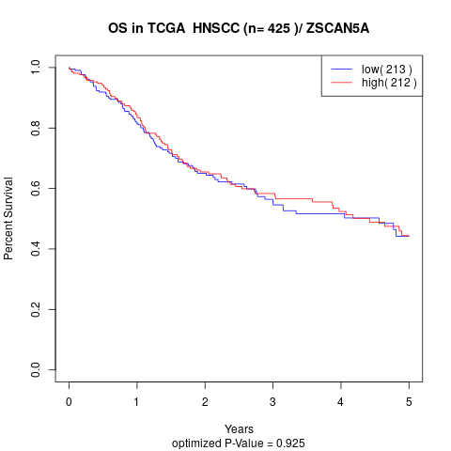

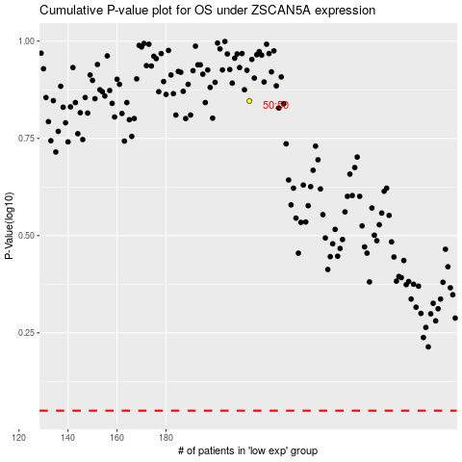

 |  |  |  |  |  | cases_OS | p_OS | rank | exp
 |  |  |  |  |  |  | cases_RFS | p_RFS | rank | exp

