ZSCAN5B _multivariate
Reported by Tex Li-Hsing Chi. tex@gate.sinica.edu.tw 2019-06-16

Table 2. The correlation of ZSCAN5B expression and clinical features.
Cutoff at -0.141 (49.9%)
 |  | ZSCAN5B expression |  | ZSCAN5B expression |  | (Optimised)
 | Features | Low | (%) | High | (%) | Case no | P-value | Remark | Matthews
Gender | Female | 150 | 35.2 | 162 | 38 | 426 | 0.1088 | 0 | 0
2 | Male | 63 | 14.8 | 51 | 12
Age at diagnosis | <=65y | 135 | 31.7 | 144 | 33.8 | 426 | 0.2555 | 0 | 0
4 | >65y | 78 | 18.3 | 69 | 16.2
Clinical T Status | T1+T2 | 79 | 18.5 | 76 | 17.8 | 426 | 0.718 | 0 | 0
6 | T3+T4 | 134 | 31.5 | 137 | 32.2
Clinical N Status | N0 | 104 | 24.4 | 119 | 27.9 | 426 | 0.2006 | 0 | 0
8 | N1-3 | 109 | 25.6 | 94 | 22.1
Clinical M Status | M0 | 211 | 49.5 | 212 | 49.8 | 426 | 0.8422 | 0 | 0
10 | M1 | 2 | 0.5 | 1 | 0.2
Clinical Stage | Stage I+II | 55 | 12.9 | 52 | 12.2 | 426 | 0.7995 | 0 | 0
12 | Stage III+IV | 158 | 37.1 | 161 | 37.8
Surgical Margin status | Negative | 167 | 39.2 | 161 | 37.8 | 426 | 0.5649 | 0 | 0
14 | Positive | 46 | 10.8 | 52 | 12.2

Table 3. Univariate/Multivariate Cox proportional hazards regression analyses on OS time of ZSCAN5B gene expression in HNSCC

 |  | Univariate |  |  |  | Multivariate
 | Features | HR | CI95%(L) | CI95%(H) | P-value | HR | CI95%(L) | CI95%(H) | P-value
1 | Female | 1 |  |  |  | 1
Gender | Male | 1.232 | 0.908 | 1.671 | 0.18 | 1.15 | 0.837 | 1.58 | 0.39
11 | <=65y | 1 |  |  |  | 1
Age at diagnosis | >65y | 1.381 | 1.037 | 1.84 | 0.027 | 1.33 | 0.987 | 1.792 | 0.061
12 | T1+T2 | 1 |  |  |  | 1
Clinical T Status | T3+T4 | 1.393 | 1.026 | 1.893 | 0.034 | 2.133 | 1.156 | 3.935 | 0.015
13 | N0 | 1 |  |  |  | 1
Clinical N Status | N1-3 | 1.2 | 0.907 | 1.588 | 0.203 | 1.238 | 0.87 | 1.762 | 0.235
14 | M0 | 1 |  |  |  | 1
Clinical M Status | M1 | 4.039 | 0.995 | 16.398 | 0.051 | 8.425 | 1.859 | 38.176 | 0.006
15 | Stage I+II | 1 |  |  |  | 1
Clinical Stage | Stage III+IV | 1.256 | 0.897 | 1.757 | 0.184 | 0.55 | 0.263 | 1.153 | 0.113
16 | Negative | 1 |  |  |  | 1
Surgical Margin status | Positive | 1.61 | 1.176 | 2.203 | 0.003 | 1.647 | 1.196 | 2.268 | 0.002
17 | Low | 1 |  |  |  | 1
RNAseq(z-score) | High | 0.945 | 0.714 | 1.252 | 0.696 | 0.951 | 0.716 | 1.264 | 0.73

Table 4. Univariate/Multivariate Cox proportional hazards regression analyses on RFS time of ZSCAN5B gene expression in HNSCC

 |  | Univariate |  |  |  | Multivariate
 | Features | HR | CI95%(L) | CI95%(H) | P-value | HR | CI95%(L) | CI95%(H) | P-value
1 | Female | 1 |  |  |  | 1
Gender | Male | 1.232 | 0.908 | 1.671 | 0.18 | 1.15 | 0.837 | 1.58 | 0.39
11 | <=65y | 1 |  |  |  | 1
Age at diagnosis | >65y | 1.381 | 1.037 | 1.84 | 0.027 | 1.33 | 0.987 | 1.792 | 0.061
12 | T1+T2 | 1 |  |  |  | 1
Clinical T Status | T3+T4 | 1.393 | 1.026 | 1.893 | 0.034 | 2.133 | 1.156 | 3.935 | 0.015
13 | N0 | 1 |  |  |  | 1
Clinical N Status | N1-3 | 1.2 | 0.907 | 1.588 | 0.203 | 1.238 | 0.87 | 1.762 | 0.235
14 | M0 | 1 |  |  |  | 1
Clinical M Status | M1 | 4.039 | 0.995 | 16.398 | 0.051 | 8.425 | 1.859 | 38.176 | 0.006
15 | Stage I+II | 1 |  |  |  | 1
Clinical Stage | Stage III+IV | 1.256 | 0.897 | 1.757 | 0.184 | 0.55 | 0.263 | 1.153 | 0.113
16 | Negative | 1 |  |  |  | 1
Surgical Margin status | Positive | 1.61 | 1.176 | 2.203 | 0.003 | 1.647 | 1.196 | 2.268 | 0.002
17 | Low | 1 |  |  |  | 1
RNAseq(z-score) | High | 0.945 | 0.714 | 1.252 | 0.696 | 0.951 | 0.716 | 1.264 | 0.73

Kaplan-Meier survival estimate: Cutoff at -0.141 (49.9%)



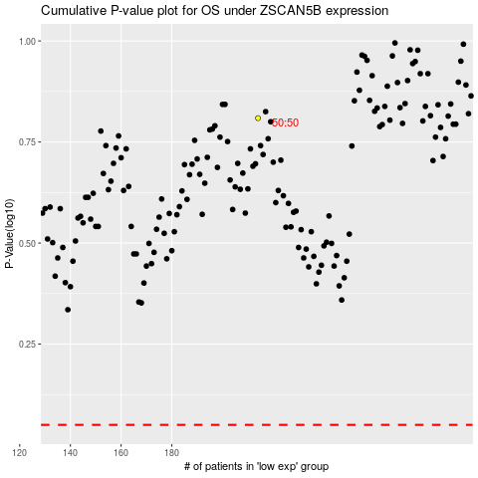

 |  |  |  |  |  | cases_OS | p_OS | rank | exp
 |  |  |  |  |  |  | cases_RFS | p_RFS | rank | exp

