ZSWIM1 _multivariate
Reported by Tex Li-Hsing Chi. tex@gate.sinica.edu.tw 2019-06-16

Table 2. The correlation of ZSWIM1 expression and clinical features.
Cutoff at -0.127 (49.9%)
 |  | ZSWIM1 expression |  | ZSWIM1 expression |  | (Optimised)
 | Features | Low | (%) | High | (%) | Case no | P-value | Remark | Matthews
Gender | Female | 149 | 35 | 163 | 38.3 | 426 | 0.0798 | 0 | 0
2 | Male | 64 | 15 | 50 | 11.7
Age at diagnosis | <=65y | 136 | 31.9 | 143 | 33.6 | 426 | 0.3016 | 0 | 0
4 | >65y | 77 | 18.1 | 70 | 16.4
Clinical T Status | T1+T2 | 79 | 18.5 | 76 | 17.8 | 426 | 0.718 | 0 | 0
6 | T3+T4 | 134 | 31.5 | 137 | 32.2
Clinical N Status | N0 | 113 | 26.5 | 110 | 25.8 | 426 | 0.5542 | 0 | 0
8 | N1-3 | 100 | 23.5 | 103 | 24.2
Clinical M Status | M0 | 213 | 50 | 210 | 49.3 | 426 | 0.2192 | 0 | 0
10 | M1 | 0 | 0 | 3 | 0.7
Clinical Stage | Stage I+II | 57 | 13.4 | 50 | 11.7 | 426 | 0.6226 | 0 | 0
12 | Stage III+IV | 156 | 36.6 | 163 | 38.3
Surgical Margin status | Negative | 166 | 39 | 162 | 38 | 426 | 0.7298 | 0 | 0
14 | Positive | 47 | 11 | 51 | 12

Table 3. Univariate/Multivariate Cox proportional hazards regression analyses on OS time of ZSWIM1 gene expression in HNSCC

 |  | Univariate |  |  |  | Multivariate
 | Features | HR | CI95%(L) | CI95%(H) | P-value | HR | CI95%(L) | CI95%(H) | P-value
1 | Female | 1 |  |  |  | 1
Gender | Male | 1.232 | 0.908 | 1.671 | 0.18 | 1.153 | 0.84 | 1.585 | 0.379
11 | <=65y | 1 |  |  |  | 1
Age at diagnosis | >65y | 1.381 | 1.037 | 1.84 | 0.027 | 1.33 | 0.987 | 1.793 | 0.061
12 | T1+T2 | 1 |  |  |  | 1
Clinical T Status | T3+T4 | 1.393 | 1.026 | 1.893 | 0.034 | 2.138 | 1.159 | 3.944 | 0.015
13 | N0 | 1 |  |  |  | 1
Clinical N Status | N1-3 | 1.2 | 0.907 | 1.588 | 0.203 | 1.248 | 0.88 | 1.771 | 0.214
14 | M0 | 1 |  |  |  | 1
Clinical M Status | M1 | 4.039 | 0.995 | 16.398 | 0.051 | 8.489 | 1.86 | 38.75 | 0.006
15 | Stage I+II | 1 |  |  |  | 1
Clinical Stage | Stage III+IV | 1.256 | 0.897 | 1.757 | 0.184 | 0.547 | 0.261 | 1.144 | 0.109
16 | Negative | 1 |  |  |  | 1
Surgical Margin status | Positive | 1.61 | 1.176 | 2.203 | 0.003 | 1.645 | 1.195 | 2.266 | 0.002
17 | Low | 1 |  |  |  | 1
RNAseq(z-score) | High | 1.038 | 0.784 | 1.375 | 0.794 | 0.983 | 0.74 | 1.307 | 0.907

Table 4. Univariate/Multivariate Cox proportional hazards regression analyses on RFS time of ZSWIM1 gene expression in HNSCC

 |  | Univariate |  |  |  | Multivariate
 | Features | HR | CI95%(L) | CI95%(H) | P-value | HR | CI95%(L) | CI95%(H) | P-value
1 | Female | 1 |  |  |  | 1
Gender | Male | 1.232 | 0.908 | 1.671 | 0.18 | 1.153 | 0.84 | 1.585 | 0.379
11 | <=65y | 1 |  |  |  | 1
Age at diagnosis | >65y | 1.381 | 1.037 | 1.84 | 0.027 | 1.33 | 0.987 | 1.793 | 0.061
12 | T1+T2 | 1 |  |  |  | 1
Clinical T Status | T3+T4 | 1.393 | 1.026 | 1.893 | 0.034 | 2.138 | 1.159 | 3.944 | 0.015
13 | N0 | 1 |  |  |  | 1
Clinical N Status | N1-3 | 1.2 | 0.907 | 1.588 | 0.203 | 1.248 | 0.88 | 1.771 | 0.214
14 | M0 | 1 |  |  |  | 1
Clinical M Status | M1 | 4.039 | 0.995 | 16.398 | 0.051 | 8.489 | 1.86 | 38.75 | 0.006
15 | Stage I+II | 1 |  |  |  | 1
Clinical Stage | Stage III+IV | 1.256 | 0.897 | 1.757 | 0.184 | 0.547 | 0.261 | 1.144 | 0.109
16 | Negative | 1 |  |  |  | 1
Surgical Margin status | Positive | 1.61 | 1.176 | 2.203 | 0.003 | 1.645 | 1.195 | 2.266 | 0.002
17 | Low | 1 |  |  |  | 1
RNAseq(z-score) | High | 1.038 | 0.784 | 1.375 | 0.794 | 0.983 | 0.74 | 1.307 | 0.907

Kaplan-Meier survival estimate: Cutoff at -0.127 (49.9%)

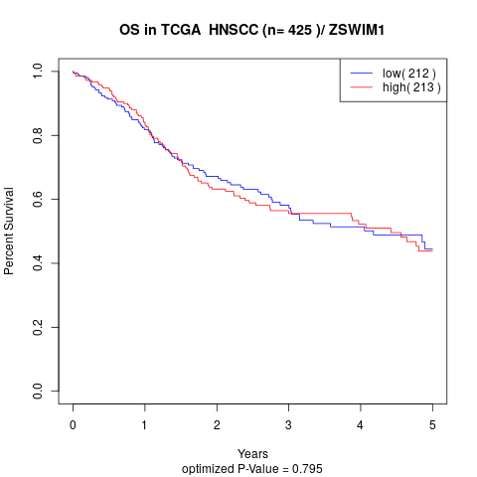

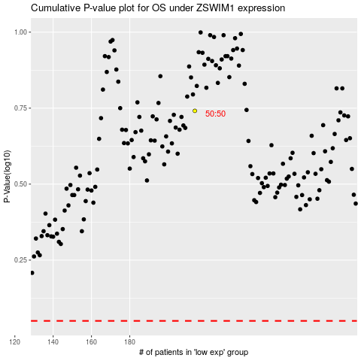

 |  |  |  |  |  | cases_OS | p_OS | rank | exp
 |  |  |  |  |  |  | cases_RFS | p_RFS | rank | exp

