ZSWIM5 _multivariate
Reported by Tex Li-Hsing Chi. tex@gate.sinica.edu.tw 2019-06-16

Table 2. The correlation of ZSWIM5 expression and clinical features.
Cutoff at -0.426 (49.9%)
 |  | ZSWIM5 expression |  | ZSWIM5 expression |  | (Optimised)
 | Features | Low | (%) | High | (%) | Case no | P-value | Remark | Matthews
Gender | Female | 164 | 38.5 | 148 | 34.7 | 426 | 0.0558 | 0 | 0
2 | Male | 49 | 11.5 | 65 | 15.3
Age at diagnosis | <=65y | 153 | 35.9 | 126 | 29.6 | 426 | 0.0089 | 1 | 0
4 | >65y | 60 | 14.1 | 87 | 20.4
Clinical T Status | T1+T2 | 68 | 16 | 87 | 20.4 | 426 | 0.1203 | 0 | 0
6 | T3+T4 | 145 | 34 | 126 | 29.6
Clinical N Status | N0 | 106 | 24.9 | 117 | 27.5 | 426 | 0.3272 | 0 | 0
8 | N1-3 | 107 | 25.1 | 96 | 22.5
Clinical M Status | M0 | 213 | 50 | 210 | 49.3 | 426 | 0.2192 | 0 | 0
10 | M1 | 0 | 0 | 3 | 0.7
Clinical Stage | Stage I+II | 53 | 12.4 | 54 | 12.7 | 426 | 0.8404 | 0 | 0
12 | Stage III+IV | 160 | 37.6 | 159 | 37.3
Surgical Margin status | Negative | 168 | 39.4 | 160 | 37.6 | 426 | 0.4203 | 0 | 0
14 | Positive | 45 | 10.6 | 53 | 12.4

Table 3. Univariate/Multivariate Cox proportional hazards regression analyses on OS time of ZSWIM5 gene expression in HNSCC

 |  | Univariate |  |  |  | Multivariate
 | Features | HR | CI95%(L) | CI95%(H) | P-value | HR | CI95%(L) | CI95%(H) | P-value
1 | Female | 1 |  |  |  | 1
Gender | Male | 1.232 | 0.908 | 1.671 | 0.18 | 1.152 | 0.839 | 1.583 | 0.382
11 | <=65y | 1 |  |  |  | 1
Age at diagnosis | >65y | 1.381 | 1.037 | 1.84 | 0.027 | 1.327 | 0.98 | 1.797 | 0.068
12 | T1+T2 | 1 |  |  |  | 1
Clinical T Status | T3+T4 | 1.393 | 1.026 | 1.893 | 0.034 | 2.144 | 1.158 | 3.972 | 0.015
13 | N0 | 1 |  |  |  | 1
Clinical N Status | N1-3 | 1.2 | 0.907 | 1.588 | 0.203 | 1.25 | 0.88 | 1.775 | 0.213
14 | M0 | 1 |  |  |  | 1
Clinical M Status | M1 | 4.039 | 0.995 | 16.398 | 0.051 | 8.363 | 1.838 | 38.042 | 0.006
15 | Stage I+II | 1 |  |  |  | 1
Clinical Stage | Stage III+IV | 1.256 | 0.897 | 1.757 | 0.184 | 0.544 | 0.259 | 1.142 | 0.108
16 | Negative | 1 |  |  |  | 1
Surgical Margin status | Positive | 1.61 | 1.176 | 2.203 | 0.003 | 1.643 | 1.193 | 2.263 | 0.002
17 | Low | 1 |  |  |  | 1
RNAseq(z-score) | High | 1.063 | 0.802 | 1.408 | 0.672 | 1.016 | 0.76 | 1.359 | 0.913

Table 4. Univariate/Multivariate Cox proportional hazards regression analyses on RFS time of ZSWIM5 gene expression in HNSCC

 |  | Univariate |  |  |  | Multivariate
 | Features | HR | CI95%(L) | CI95%(H) | P-value | HR | CI95%(L) | CI95%(H) | P-value
1 | Female | 1 |  |  |  | 1
Gender | Male | 1.232 | 0.908 | 1.671 | 0.18 | 1.152 | 0.839 | 1.583 | 0.382
11 | <=65y | 1 |  |  |  | 1
Age at diagnosis | >65y | 1.381 | 1.037 | 1.84 | 0.027 | 1.327 | 0.98 | 1.797 | 0.068
12 | T1+T2 | 1 |  |  |  | 1
Clinical T Status | T3+T4 | 1.393 | 1.026 | 1.893 | 0.034 | 2.144 | 1.158 | 3.972 | 0.015
13 | N0 | 1 |  |  |  | 1
Clinical N Status | N1-3 | 1.2 | 0.907 | 1.588 | 0.203 | 1.25 | 0.88 | 1.775 | 0.213
14 | M0 | 1 |  |  |  | 1
Clinical M Status | M1 | 4.039 | 0.995 | 16.398 | 0.051 | 8.363 | 1.838 | 38.042 | 0.006
15 | Stage I+II | 1 |  |  |  | 1
Clinical Stage | Stage III+IV | 1.256 | 0.897 | 1.757 | 0.184 | 0.544 | 0.259 | 1.142 | 0.108
16 | Negative | 1 |  |  |  | 1
Surgical Margin status | Positive | 1.61 | 1.176 | 2.203 | 0.003 | 1.643 | 1.193 | 2.263 | 0.002
17 | Low | 1 |  |  |  | 1
RNAseq(z-score) | High | 1.063 | 0.802 | 1.408 | 0.672 | 1.016 | 0.76 | 1.359 | 0.913

Kaplan-Meier survival estimate: Cutoff at -0.426 (49.9%)



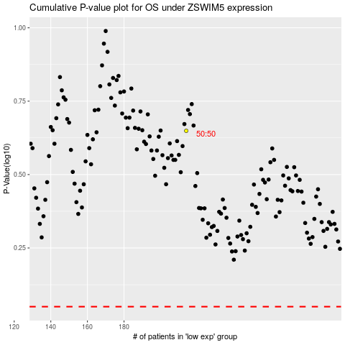

 |  |  |  |  |  | cases_OS | p_OS | rank | exp
 |  |  |  |  |  |  | cases_RFS | p_RFS | rank | exp

