ZSWIM6 _multivariate
Reported by Tex Li-Hsing Chi. tex@gate.sinica.edu.tw 2019-06-16

Table 2. The correlation of ZSWIM6 expression and clinical features.
Cutoff at -0.492 (32.7%)
 |  | ZSWIM6 expression |  | ZSWIM6 expression |  | (Optimised)
 | Features | Low | (%) | High | (%) | Case no | P-value | Remark | Matthews
Gender | Female | 106 | 24.9 | 206 | 48.4 | 426 | 0.1592 | 0 | 0
2 | Male | 33 | 7.7 | 81 | 19
Age at diagnosis | <=65y | 96 | 22.5 | 183 | 43 | 426 | 0.2174 | 0 | 0
4 | >65y | 43 | 10.1 | 104 | 24.4
Clinical T Status | T1+T2 | 45 | 10.6 | 110 | 25.8 | 426 | 0.3667 | 0 | 0
6 | T3+T4 | 94 | 22.1 | 177 | 41.5
Clinical N Status | N0 | 64 | 15 | 159 | 37.3 | 426 | 0.1118 | 0 | 0
8 | N1-3 | 75 | 17.6 | 128 | 30
Clinical M Status | M0 | 137 | 32.2 | 286 | 67.1 | 426 | 0.4486 | 0 | 0
10 | M1 | 2 | 0.5 | 1 | 0.2
Clinical Stage | Stage I+II | 31 | 7.3 | 76 | 17.8 | 426 | 0.5472 | 0 | 0
12 | Stage III+IV | 108 | 25.4 | 211 | 49.5
Surgical Margin status | Negative | 109 | 25.6 | 219 | 51.4 | 426 | 0.7169 | 0 | 0
14 | Positive | 30 | 7 | 68 | 16

Table 3. Univariate/Multivariate Cox proportional hazards regression analyses on OS time of ZSWIM6 gene expression in HNSCC

 |  | Univariate |  |  |  | Multivariate
 | Features | HR | CI95%(L) | CI95%(H) | P-value | HR | CI95%(L) | CI95%(H) | P-value
1 | Female | 1 |  |  |  | 1
Gender | Male | 1.232 | 0.908 | 1.671 | 0.18 | 1.15 | 0.837 | 1.581 | 0.387
11 | <=65y | 1 |  |  |  | 1
Age at diagnosis | >65y | 1.381 | 1.037 | 1.84 | 0.027 | 1.334 | 0.99 | 1.798 | 0.059
12 | T1+T2 | 1 |  |  |  | 1
Clinical T Status | T3+T4 | 1.393 | 1.026 | 1.893 | 0.034 | 2.109 | 1.141 | 3.899 | 0.017
13 | N0 | 1 |  |  |  | 1
Clinical N Status | N1-3 | 1.2 | 0.907 | 1.588 | 0.203 | 1.238 | 0.871 | 1.759 | 0.235
14 | M0 | 1 |  |  |  | 1
Clinical M Status | M1 | 4.039 | 0.995 | 16.398 | 0.051 | 8.019 | 1.75 | 36.75 | 0.007
15 | Stage I+II | 1 |  |  |  | 1
Clinical Stage | Stage III+IV | 1.256 | 0.897 | 1.757 | 0.184 | 0.551 | 0.263 | 1.154 | 0.114
16 | Negative | 1 |  |  |  | 1
Surgical Margin status | Positive | 1.61 | 1.176 | 2.203 | 0.003 | 1.636 | 1.188 | 2.254 | 0.003
17 | Low | 1 |  |  |  | 1
RNAseq(z-score) | High | 0.842 | 0.625 | 1.134 | 0.257 | 0.924 | 0.681 | 1.254 | 0.613

Table 4. Univariate/Multivariate Cox proportional hazards regression analyses on RFS time of ZSWIM6 gene expression in HNSCC

 |  | Univariate |  |  |  | Multivariate
 | Features | HR | CI95%(L) | CI95%(H) | P-value | HR | CI95%(L) | CI95%(H) | P-value
1 | Female | 1 |  |  |  | 1
Gender | Male | 1.232 | 0.908 | 1.671 | 0.18 | 1.15 | 0.837 | 1.581 | 0.387
11 | <=65y | 1 |  |  |  | 1
Age at diagnosis | >65y | 1.381 | 1.037 | 1.84 | 0.027 | 1.334 | 0.99 | 1.798 | 0.059
12 | T1+T2 | 1 |  |  |  | 1
Clinical T Status | T3+T4 | 1.393 | 1.026 | 1.893 | 0.034 | 2.109 | 1.141 | 3.899 | 0.017
13 | N0 | 1 |  |  |  | 1
Clinical N Status | N1-3 | 1.2 | 0.907 | 1.588 | 0.203 | 1.238 | 0.871 | 1.759 | 0.235
14 | M0 | 1 |  |  |  | 1
Clinical M Status | M1 | 4.039 | 0.995 | 16.398 | 0.051 | 8.019 | 1.75 | 36.75 | 0.007
15 | Stage I+II | 1 |  |  |  | 1
Clinical Stage | Stage III+IV | 1.256 | 0.897 | 1.757 | 0.184 | 0.551 | 0.263 | 1.154 | 0.114
16 | Negative | 1 |  |  |  | 1
Surgical Margin status | Positive | 1.61 | 1.176 | 2.203 | 0.003 | 1.636 | 1.188 | 2.254 | 0.003
17 | Low | 1 |  |  |  | 1
RNAseq(z-score) | High | 0.842 | 0.625 | 1.134 | 0.257 | 0.924 | 0.681 | 1.254 | 0.613

Kaplan-Meier survival estimate: Cutoff at -0.492 (32.7%)



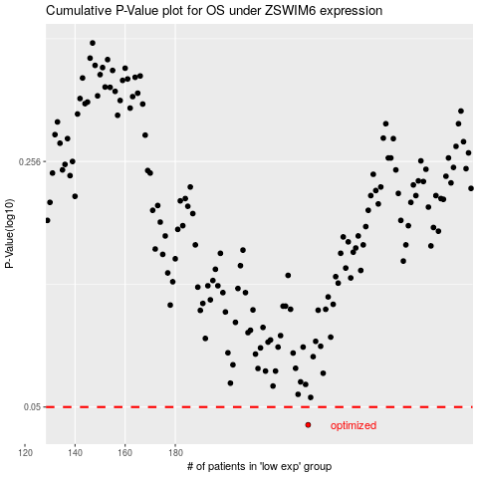

 |  |  |  |  |  | cases_OS | p_OS | rank | exp
 |  |  |  |  |  | 233 | 0.0444 | 162 | -0.49238981612
 |  |  |  |  |  |  | cases_RFS | p_RFS | rank | exp
 |  |  |  |  |  |  | 232 | 0.0444 | 209 | 0.39113518968

