ZSWIM7 _multivariate
Reported by Tex Li-Hsing Chi. tex@gate.sinica.edu.tw 2019-06-16

Table 2. The correlation of ZSWIM7 expression and clinical features.
Cutoff at -0.258 (50.1%)
 |  | ZSWIM7 expression |  | ZSWIM7 expression |  | (Optimised)
 | Features | Low | (%) | High | (%) | Case no | P-value | Remark | Matthews
Gender | Female | 153 | 35.9 | 159 | 37.3 | 426 | 0.2071 | 0 | 0
2 | Male | 60 | 14.1 | 54 | 12.7
Age at diagnosis | <=65y | 138 | 32.4 | 141 | 33.1 | 426 | 0.371 | 0 | 0
4 | >65y | 75 | 17.6 | 72 | 16.9
Clinical T Status | T1+T2 | 85 | 20 | 70 | 16.4 | 426 | 0.2399 | 0 | 0
6 | T3+T4 | 128 | 30 | 143 | 33.6
Clinical N Status | N0 | 108 | 25.4 | 115 | 27 | 426 | 0.4592 | 0 | 0
8 | N1-3 | 105 | 24.6 | 98 | 23
Clinical M Status | M0 | 211 | 49.5 | 212 | 49.8 | 426 | 0.8422 | 0 | 0
10 | M1 | 2 | 0.5 | 1 | 0.2
Clinical Stage | Stage I+II | 57 | 13.4 | 50 | 11.7 | 426 | 0.6226 | 0 | 0
12 | Stage III+IV | 156 | 36.6 | 163 | 38.3
Surgical Margin status | Negative | 165 | 38.7 | 163 | 38.3 | 426 | 0.9083 | 0 | 0
14 | Positive | 48 | 11.3 | 50 | 11.7

Table 3. Univariate/Multivariate Cox proportional hazards regression analyses on OS time of ZSWIM7 gene expression in HNSCC

 |  | Univariate |  |  |  | Multivariate
 | Features | HR | CI95%(L) | CI95%(H) | P-value | HR | CI95%(L) | CI95%(H) | P-value
1 | Female | 1 |  |  |  | 1
Gender | Male | 1.232 | 0.908 | 1.671 | 0.18 | 1.151 | 0.838 | 1.581 | 0.385
11 | <=65y | 1 |  |  |  | 1
Age at diagnosis | >65y | 1.381 | 1.037 | 1.84 | 0.027 | 1.326 | 0.984 | 1.788 | 0.064
12 | T1+T2 | 1 |  |  |  | 1
Clinical T Status | T3+T4 | 1.393 | 1.026 | 1.893 | 0.034 | 2.145 | 1.163 | 3.955 | 0.015
13 | N0 | 1 |  |  |  | 1
Clinical N Status | N1-3 | 1.2 | 0.907 | 1.588 | 0.203 | 1.227 | 0.864 | 1.745 | 0.253
14 | M0 | 1 |  |  |  | 1
Clinical M Status | M1 | 4.039 | 0.995 | 16.398 | 0.051 | 8.299 | 1.832 | 37.606 | 0.006
15 | Stage I+II | 1 |  |  |  | 1
Clinical Stage | Stage III+IV | 1.256 | 0.897 | 1.757 | 0.184 | 0.55 | 0.263 | 1.152 | 0.113
16 | Negative | 1 |  |  |  | 1
Surgical Margin status | Positive | 1.61 | 1.176 | 2.203 | 0.003 | 1.643 | 1.193 | 2.262 | 0.002
17 | Low | 1 |  |  |  | 1
RNAseq(z-score) | High | 0.854 | 0.642 | 1.136 | 0.279 | 0.869 | 0.652 | 1.158 | 0.338

Table 4. Univariate/Multivariate Cox proportional hazards regression analyses on RFS time of ZSWIM7 gene expression in HNSCC

 |  | Univariate |  |  |  | Multivariate
 | Features | HR | CI95%(L) | CI95%(H) | P-value | HR | CI95%(L) | CI95%(H) | P-value
1 | Female | 1 |  |  |  | 1
Gender | Male | 1.232 | 0.908 | 1.671 | 0.18 | 1.151 | 0.838 | 1.581 | 0.385
11 | <=65y | 1 |  |  |  | 1
Age at diagnosis | >65y | 1.381 | 1.037 | 1.84 | 0.027 | 1.326 | 0.984 | 1.788 | 0.064
12 | T1+T2 | 1 |  |  |  | 1
Clinical T Status | T3+T4 | 1.393 | 1.026 | 1.893 | 0.034 | 2.145 | 1.163 | 3.955 | 0.015
13 | N0 | 1 |  |  |  | 1
Clinical N Status | N1-3 | 1.2 | 0.907 | 1.588 | 0.203 | 1.227 | 0.864 | 1.745 | 0.253
14 | M0 | 1 |  |  |  | 1
Clinical M Status | M1 | 4.039 | 0.995 | 16.398 | 0.051 | 8.299 | 1.832 | 37.606 | 0.006
15 | Stage I+II | 1 |  |  |  | 1
Clinical Stage | Stage III+IV | 1.256 | 0.897 | 1.757 | 0.184 | 0.55 | 0.263 | 1.152 | 0.113
16 | Negative | 1 |  |  |  | 1
Surgical Margin status | Positive | 1.61 | 1.176 | 2.203 | 0.003 | 1.643 | 1.193 | 2.262 | 0.002
17 | Low | 1 |  |  |  | 1
RNAseq(z-score) | High | 0.854 | 0.642 | 1.136 | 0.279 | 0.869 | 0.652 | 1.158 | 0.338

Kaplan-Meier survival estimate: Cutoff at -0.258 (50.1%)



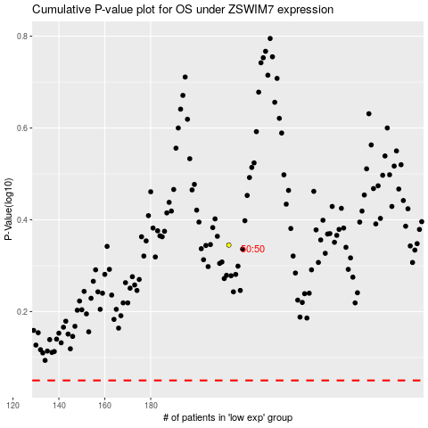

 |  |  |  |  |  | cases_OS | p_OS | rank | exp
 |  |  |  |  |  |  | cases_RFS | p_RFS | rank | exp

