ZUFSP _multivariate
Reported by Tex Li-Hsing Chi. tex@gate.sinica.edu.tw 2019-06-16

Table 2. The correlation of ZUFSP expression and clinical features.
Cutoff at -0.052 (50.1%)
 |  | ZUFSP expression |  | ZUFSP expression |  | (Optimised)
 | Features | Low | (%) | High | (%) | Case no | P-value | Remark | Matthews
Gender | Female | 167 | 39.2 | 145 | 34 | 426 | 0.0143 | 1 | 0
2 | Male | 46 | 10.8 | 68 | 16
Age at diagnosis | <=65y | 145 | 34 | 134 | 31.5 | 426 | 0.2077 | 0 | 0
4 | >65y | 68 | 16 | 79 | 18.5
Clinical T Status | T1+T2 | 77 | 18.1 | 78 | 18.3 | 426 | 0.7478 | 0 | 0
6 | T3+T4 | 136 | 31.9 | 135 | 31.7
Clinical N Status | N0 | 105 | 24.6 | 118 | 27.7 | 426 | 0.2611 | 0 | 0
8 | N1-3 | 108 | 25.4 | 95 | 22.3
Clinical M Status | M0 | 213 | 50 | 210 | 49.3 | 426 | 0.2192 | 0 | 0
10 | M1 | 0 | 0 | 3 | 0.7
Clinical Stage | Stage I+II | 54 | 12.7 | 53 | 12.4 | 426 | 0.8404 | 0 | 0
12 | Stage III+IV | 159 | 37.3 | 160 | 37.6
Surgical Margin status | Negative | 167 | 39.2 | 161 | 37.8 | 426 | 0.5649 | 0 | 0
14 | Positive | 46 | 10.8 | 52 | 12.2

Table 3. Univariate/Multivariate Cox proportional hazards regression analyses on OS time of ZUFSP gene expression in HNSCC

 |  | Univariate |  |  |  | Multivariate
 | Features | HR | CI95%(L) | CI95%(H) | P-value | HR | CI95%(L) | CI95%(H) | P-value
1 | Female | 1 |  |  |  | 1
Gender | Male | 1.232 | 0.908 | 1.671 | 0.18 | 1.146 | 0.833 | 1.576 | 0.403
11 | <=65y | 1 |  |  |  | 1
Age at diagnosis | >65y | 1.381 | 1.037 | 1.84 | 0.027 | 1.321 | 0.979 | 1.783 | 0.068
12 | T1+T2 | 1 |  |  |  | 1
Clinical T Status | T3+T4 | 1.393 | 1.026 | 1.893 | 0.034 | 2.159 | 1.169 | 3.989 | 0.014
13 | N0 | 1 |  |  |  | 1
Clinical N Status | N1-3 | 1.2 | 0.907 | 1.588 | 0.203 | 1.259 | 0.886 | 1.789 | 0.198
14 | M0 | 1 |  |  |  | 1
Clinical M Status | M1 | 4.039 | 0.995 | 16.398 | 0.051 | 8.105 | 1.778 | 36.946 | 0.007
15 | Stage I+II | 1 |  |  |  | 1
Clinical Stage | Stage III+IV | 1.256 | 0.897 | 1.757 | 0.184 | 0.54 | 0.258 | 1.132 | 0.103
16 | Negative | 1 |  |  |  | 1
Surgical Margin status | Positive | 1.61 | 1.176 | 2.203 | 0.003 | 1.65 | 1.198 | 2.273 | 0.002
17 | Low | 1 |  |  |  | 1
RNAseq(z-score) | High | 1.093 | 0.824 | 1.45 | 0.538 | 1.084 | 0.811 | 1.447 | 0.586

Table 4. Univariate/Multivariate Cox proportional hazards regression analyses on RFS time of ZUFSP gene expression in HNSCC

 |  | Univariate |  |  |  | Multivariate
 | Features | HR | CI95%(L) | CI95%(H) | P-value | HR | CI95%(L) | CI95%(H) | P-value
1 | Female | 1 |  |  |  | 1
Gender | Male | 1.232 | 0.908 | 1.671 | 0.18 | 1.146 | 0.833 | 1.576 | 0.403
11 | <=65y | 1 |  |  |  | 1
Age at diagnosis | >65y | 1.381 | 1.037 | 1.84 | 0.027 | 1.321 | 0.979 | 1.783 | 0.068
12 | T1+T2 | 1 |  |  |  | 1
Clinical T Status | T3+T4 | 1.393 | 1.026 | 1.893 | 0.034 | 2.159 | 1.169 | 3.989 | 0.014
13 | N0 | 1 |  |  |  | 1
Clinical N Status | N1-3 | 1.2 | 0.907 | 1.588 | 0.203 | 1.259 | 0.886 | 1.789 | 0.198
14 | M0 | 1 |  |  |  | 1
Clinical M Status | M1 | 4.039 | 0.995 | 16.398 | 0.051 | 8.105 | 1.778 | 36.946 | 0.007
15 | Stage I+II | 1 |  |  |  | 1
Clinical Stage | Stage III+IV | 1.256 | 0.897 | 1.757 | 0.184 | 0.54 | 0.258 | 1.132 | 0.103
16 | Negative | 1 |  |  |  | 1
Surgical Margin status | Positive | 1.61 | 1.176 | 2.203 | 0.003 | 1.65 | 1.198 | 2.273 | 0.002
17 | Low | 1 |  |  |  | 1
RNAseq(z-score) | High | 1.093 | 0.824 | 1.45 | 0.538 | 1.084 | 0.811 | 1.447 | 0.586

Kaplan-Meier survival estimate: Cutoff at -0.052 (50.1%)



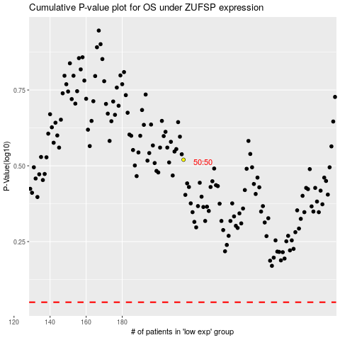

 |  |  |  |  |  | cases_OS | p_OS | rank | exp
 |  |  |  |  |  |  | cases_RFS | p_RFS | rank | exp

