ZW10 _multivariate
Reported by Tex Li-Hsing Chi. tex@gate.sinica.edu.tw 2019-06-16

Table 2. The correlation of ZW10 expression and clinical features.
Cutoff at 0.046 (55.5%)
 |  | ZW10 expression |  | ZW10 expression |  | (Optimised)
 | Features | Low | (%) | High | (%) | Case no | P-value | Remark | Matthews
Gender | Female | 179 | 42 | 133 | 31.2 | 426 | 0.1262 | 0 | 0
2 | Male | 58 | 13.6 | 56 | 13.1
Age at diagnosis | <=65y | 155 | 36.4 | 124 | 29.1 | 426 | 0.3884 | 0 | 0
4 | >65y | 82 | 19.2 | 65 | 15.3
Clinical T Status | T1+T2 | 88 | 20.7 | 67 | 15.7 | 426 | 0.7048 | 0 | 0
6 | T3+T4 | 149 | 35 | 122 | 28.6
Clinical N Status | N0 | 117 | 27.5 | 106 | 24.9 | 426 | 0.2234 | 0 | 0
8 | N1-3 | 120 | 28.2 | 83 | 19.5
Clinical M Status | M0 | 235 | 55.2 | 188 | 44.1 | 426 | 0.9248 | 0 | 0
10 | M1 | 2 | 0.5 | 1 | 0.2
Clinical Stage | Stage I+II | 58 | 13.6 | 49 | 11.5 | 426 | 0.7971 | 0 | 0
12 | Stage III+IV | 179 | 42 | 140 | 32.9
Surgical Margin status | Negative | 182 | 42.7 | 146 | 34.3 | 426 | 1 | 0 | 0
14 | Positive | 55 | 12.9 | 43 | 10.1

Table 3. Univariate/Multivariate Cox proportional hazards regression analyses on OS time of ZW10 gene expression in HNSCC

 |  | Univariate |  |  |  | Multivariate
 | Features | HR | CI95%(L) | CI95%(H) | P-value | HR | CI95%(L) | CI95%(H) | P-value
1 | Female | 1 |  |  |  | 1
Gender | Male | 1.232 | 0.908 | 1.671 | 0.18 | 1.13 | 0.82 | 1.556 | 0.456
11 | <=65y | 1 |  |  |  | 1
Age at diagnosis | >65y | 1.381 | 1.037 | 1.84 | 0.027 | 1.337 | 0.992 | 1.802 | 0.057
12 | T1+T2 | 1 |  |  |  | 1
Clinical T Status | T3+T4 | 1.393 | 1.026 | 1.893 | 0.034 | 2.12 | 1.149 | 3.913 | 0.016
13 | N0 | 1 |  |  |  | 1
Clinical N Status | N1-3 | 1.2 | 0.907 | 1.588 | 0.203 | 1.261 | 0.888 | 1.791 | 0.195
14 | M0 | 1 |  |  |  | 1
Clinical M Status | M1 | 4.039 | 0.995 | 16.398 | 0.051 | 8.189 | 1.805 | 37.144 | 0.006
15 | Stage I+II | 1 |  |  |  | 1
Clinical Stage | Stage III+IV | 1.256 | 0.897 | 1.757 | 0.184 | 0.547 | 0.261 | 1.146 | 0.11
16 | Negative | 1 |  |  |  | 1
Surgical Margin status | Positive | 1.61 | 1.176 | 2.203 | 0.003 | 1.641 | 1.192 | 2.259 | 0.002
17 | Low | 1 |  |  |  | 1
RNAseq(z-score) | High | 1.188 | 0.894 | 1.578 | 0.235 | 1.15 | 0.863 | 1.533 | 0.34

Table 4. Univariate/Multivariate Cox proportional hazards regression analyses on RFS time of ZW10 gene expression in HNSCC

 |  | Univariate |  |  |  | Multivariate
 | Features | HR | CI95%(L) | CI95%(H) | P-value | HR | CI95%(L) | CI95%(H) | P-value
1 | Female | 1 |  |  |  | 1
Gender | Male | 1.232 | 0.908 | 1.671 | 0.18 | 1.13 | 0.82 | 1.556 | 0.456
11 | <=65y | 1 |  |  |  | 1
Age at diagnosis | >65y | 1.381 | 1.037 | 1.84 | 0.027 | 1.337 | 0.992 | 1.802 | 0.057
12 | T1+T2 | 1 |  |  |  | 1
Clinical T Status | T3+T4 | 1.393 | 1.026 | 1.893 | 0.034 | 2.12 | 1.149 | 3.913 | 0.016
13 | N0 | 1 |  |  |  | 1
Clinical N Status | N1-3 | 1.2 | 0.907 | 1.588 | 0.203 | 1.261 | 0.888 | 1.791 | 0.195
14 | M0 | 1 |  |  |  | 1
Clinical M Status | M1 | 4.039 | 0.995 | 16.398 | 0.051 | 8.189 | 1.805 | 37.144 | 0.006
15 | Stage I+II | 1 |  |  |  | 1
Clinical Stage | Stage III+IV | 1.256 | 0.897 | 1.757 | 0.184 | 0.547 | 0.261 | 1.146 | 0.11
16 | Negative | 1 |  |  |  | 1
Surgical Margin status | Positive | 1.61 | 1.176 | 2.203 | 0.003 | 1.641 | 1.192 | 2.259 | 0.002
17 | Low | 1 |  |  |  | 1
RNAseq(z-score) | High | 1.188 | 0.894 | 1.578 | 0.235 | 1.15 | 0.863 | 1.533 | 0.34

Kaplan-Meier survival estimate: Cutoff at 0.046 (55.5%)



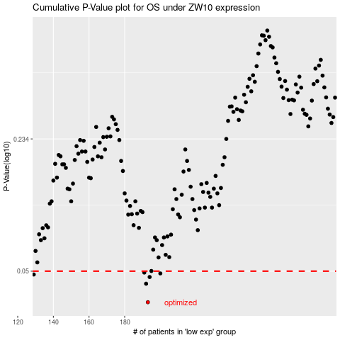

 |  |  |  |  |  | cases_OS | p_OS | rank | exp
 |  |  |  |  |  | 193 | 0.0348 | 81 | 0.045666080326
 |  |  |  |  |  | 192 | 0.0432 | 131 | -0.20577195629
 |  |  |  |  |  | 194 | 0.0467 | 250 | 2.2965392035
 |  |  |  |  |  | 129 | 0.0481 | 398 | 1.4536492117
 |  |  |  |  |  | 200 | 0.0487 | 360 | -0.35299344312
 |  |  |  |  |  | 191 | 0.0492 | 17 | -0.25260928347
 |  |  |  |  |  |  | cases_RFS | p_RFS | rank | exp
 |  |  |  |  |  |  | 192 | 0.0348 | 131 | -0.20577195629
 |  |  |  |  |  |  | 191 | 0.0432 | 17 | -0.25260928347
 |  |  |  |  |  |  | 193 | 0.0467 | 81 | 0.045666080326
 |  |  |  |  |  |  |  | 0.0481 | 401 | 0.47152616529
 |  |  |  |  |  |  | 199 | 0.0487 | 310 | -0.52883115506
 |  |  |  |  |  |  | 190 | 0.0492 | 253 | 0.82965643809

