ZWILCH _multivariate
Reported by Tex Li-Hsing Chi. tex@gate.sinica.edu.tw 2019-06-16

Table 2. The correlation of ZWILCH expression and clinical features.
Cutoff at -0.091 (49.9%)
 |  | ZWILCH expression |  | ZWILCH expression |  | (Optimised)
 | Features | Low | (%) | High | (%) | Case no | P-value | Remark | Matthews
Gender | Female | 153 | 35.9 | 159 | 37.3 | 426 | 0.2071 | 0 | 0
2 | Male | 60 | 14.1 | 54 | 12.7
Age at diagnosis | <=65y | 139 | 32.6 | 140 | 32.9 | 426 | 0.3868 | 0 | 0
4 | >65y | 74 | 17.4 | 73 | 17.1
Clinical T Status | T1+T2 | 78 | 18.3 | 77 | 18.1 | 426 | 0.7478 | 0 | 0
6 | T3+T4 | 135 | 31.7 | 136 | 31.9
Clinical N Status | N0 | 113 | 26.5 | 110 | 25.8 | 426 | 0.5542 | 0 | 0
8 | N1-3 | 100 | 23.5 | 103 | 24.2
Clinical M Status | M0 | 212 | 49.8 | 211 | 49.5 | 426 | 0.8422 | 0 | 0
10 | M1 | 1 | 0.2 | 2 | 0.5
Clinical Stage | Stage I+II | 55 | 12.9 | 52 | 12.2 | 426 | 0.7995 | 0 | 0
12 | Stage III+IV | 158 | 37.1 | 161 | 37.8
Surgical Margin status | Negative | 174 | 40.8 | 154 | 36.2 | 426 | 0.0287 | 1 | 0
14 | Positive | 39 | 9.2 | 59 | 13.8

Table 3. Univariate/Multivariate Cox proportional hazards regression analyses on OS time of ZWILCH gene expression in HNSCC

 |  | Univariate |  |  |  | Multivariate
 | Features | HR | CI95%(L) | CI95%(H) | P-value | HR | CI95%(L) | CI95%(H) | P-value
1 | Female | 1 |  |  |  | 1
Gender | Male | 1.232 | 0.908 | 1.671 | 0.18 | 1.156 | 0.841 | 1.588 | 0.373
11 | <=65y | 1 |  |  |  | 1
Age at diagnosis | >65y | 1.381 | 1.037 | 1.84 | 0.027 | 1.331 | 0.987 | 1.794 | 0.061
12 | T1+T2 | 1 |  |  |  | 1
Clinical T Status | T3+T4 | 1.393 | 1.026 | 1.893 | 0.034 | 2.139 | 1.16 | 3.947 | 0.015
13 | N0 | 1 |  |  |  | 1
Clinical N Status | N1-3 | 1.2 | 0.907 | 1.588 | 0.203 | 1.253 | 0.882 | 1.779 | 0.208
14 | M0 | 1 |  |  |  | 1
Clinical M Status | M1 | 4.039 | 0.995 | 16.398 | 0.051 | 8.418 | 1.858 | 38.149 | 0.006
15 | Stage I+II | 1 |  |  |  | 1
Clinical Stage | Stage III+IV | 1.256 | 0.897 | 1.757 | 0.184 | 0.545 | 0.26 | 1.141 | 0.107
16 | Negative | 1 |  |  |  | 1
Surgical Margin status | Positive | 1.61 | 1.176 | 2.203 | 0.003 | 1.632 | 1.183 | 2.252 | 0.003
17 | Low | 1 |  |  |  | 1
RNAseq(z-score) | High | 1.084 | 0.818 | 1.435 | 0.576 | 1.056 | 0.795 | 1.403 | 0.709

Table 4. Univariate/Multivariate Cox proportional hazards regression analyses on RFS time of ZWILCH gene expression in HNSCC

 |  | Univariate |  |  |  | Multivariate
 | Features | HR | CI95%(L) | CI95%(H) | P-value | HR | CI95%(L) | CI95%(H) | P-value
1 | Female | 1 |  |  |  | 1
Gender | Male | 1.232 | 0.908 | 1.671 | 0.18 | 1.156 | 0.841 | 1.588 | 0.373
11 | <=65y | 1 |  |  |  | 1
Age at diagnosis | >65y | 1.381 | 1.037 | 1.84 | 0.027 | 1.331 | 0.987 | 1.794 | 0.061
12 | T1+T2 | 1 |  |  |  | 1
Clinical T Status | T3+T4 | 1.393 | 1.026 | 1.893 | 0.034 | 2.139 | 1.16 | 3.947 | 0.015
13 | N0 | 1 |  |  |  | 1
Clinical N Status | N1-3 | 1.2 | 0.907 | 1.588 | 0.203 | 1.253 | 0.882 | 1.779 | 0.208
14 | M0 | 1 |  |  |  | 1
Clinical M Status | M1 | 4.039 | 0.995 | 16.398 | 0.051 | 8.418 | 1.858 | 38.149 | 0.006
15 | Stage I+II | 1 |  |  |  | 1
Clinical Stage | Stage III+IV | 1.256 | 0.897 | 1.757 | 0.184 | 0.545 | 0.26 | 1.141 | 0.107
16 | Negative | 1 |  |  |  | 1
Surgical Margin status | Positive | 1.61 | 1.176 | 2.203 | 0.003 | 1.632 | 1.183 | 2.252 | 0.003
17 | Low | 1 |  |  |  | 1
RNAseq(z-score) | High | 1.084 | 0.818 | 1.435 | 0.576 | 1.056 | 0.795 | 1.403 | 0.709

Kaplan-Meier survival estimate: Cutoff at -0.091 (49.9%)



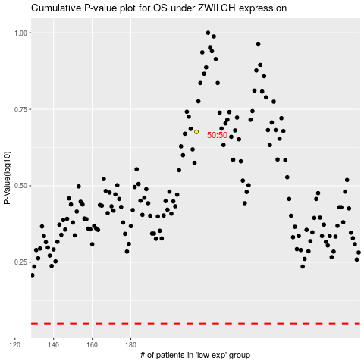

 |  |  |  |  |  | cases_OS | p_OS | rank | exp
 |  |  |  |  |  |  | cases_RFS | p_RFS | rank | exp

