ZWINT _multivariate
Reported by Tex Li-Hsing Chi. tex@gate.sinica.edu.tw 2019-06-16

Table 2. The correlation of ZWINT expression and clinical features.
Cutoff at -0.215 (49.9%)
 |  | ZWINT expression |  | ZWINT expression |  | (Optimised)
 | Features | Low | (%) | High | (%) | Case no | P-value | Remark | Matthews
Gender | Female | 148 | 34.7 | 164 | 38.5 | 426 | 0.0558 | 0 | 0
2 | Male | 65 | 15.3 | 49 | 11.5
Age at diagnosis | <=65y | 139 | 32.6 | 140 | 32.9 | 426 | 0.3868 | 0 | 0
4 | >65y | 74 | 17.4 | 73 | 17.1
Clinical T Status | T1+T2 | 78 | 18.3 | 77 | 18.1 | 426 | 0.7478 | 0 | 0
6 | T3+T4 | 135 | 31.7 | 136 | 31.9
Clinical N Status | N0 | 125 | 29.3 | 98 | 23 | 426 | 0.0187 | 1 | 0
8 | N1-3 | 88 | 20.7 | 115 | 27
Clinical M Status | M0 | 212 | 49.8 | 211 | 49.5 | 426 | 0.8422 | 0 | 0
10 | M1 | 1 | 0.2 | 2 | 0.5
Clinical Stage | Stage I+II | 62 | 14.6 | 45 | 10.6 | 426 | 0.1389 | 0 | 0
12 | Stage III+IV | 151 | 35.4 | 168 | 39.4
Surgical Margin status | Negative | 172 | 40.4 | 156 | 36.6 | 426 | 0.0842 | 0 | 0
14 | Positive | 41 | 9.6 | 57 | 13.4

Table 3. Univariate/Multivariate Cox proportional hazards regression analyses on OS time of ZWINT gene expression in HNSCC

 |  | Univariate |  |  |  | Multivariate
 | Features | HR | CI95%(L) | CI95%(H) | P-value | HR | CI95%(L) | CI95%(H) | P-value
1 | Female | 1 |  |  |  | 1
Gender | Male | 1.232 | 0.908 | 1.671 | 0.18 | 1.159 | 0.843 | 1.594 | 0.363
11 | <=65y | 1 |  |  |  | 1
Age at diagnosis | >65y | 1.381 | 1.037 | 1.84 | 0.027 | 1.326 | 0.983 | 1.788 | 0.064
12 | T1+T2 | 1 |  |  |  | 1
Clinical T Status | T3+T4 | 1.393 | 1.026 | 1.893 | 0.034 | 2.169 | 1.173 | 4.012 | 0.014
13 | N0 | 1 |  |  |  | 1
Clinical N Status | N1-3 | 1.2 | 0.907 | 1.588 | 0.203 | 1.246 | 0.878 | 1.769 | 0.218
14 | M0 | 1 |  |  |  | 1
Clinical M Status | M1 | 4.039 | 0.995 | 16.398 | 0.051 | 8.556 | 1.886 | 38.821 | 0.005
15 | Stage I+II | 1 |  |  |  | 1
Clinical Stage | Stage III+IV | 1.256 | 0.897 | 1.757 | 0.184 | 0.536 | 0.256 | 1.126 | 0.1
16 | Negative | 1 |  |  |  | 1
Surgical Margin status | Positive | 1.61 | 1.176 | 2.203 | 0.003 | 1.63 | 1.182 | 2.247 | 0.003
17 | Low | 1 |  |  |  | 1
RNAseq(z-score) | High | 1.103 | 0.832 | 1.462 | 0.495 | 1.083 | 0.813 | 1.442 | 0.586

Table 4. Univariate/Multivariate Cox proportional hazards regression analyses on RFS time of ZWINT gene expression in HNSCC

 |  | Univariate |  |  |  | Multivariate
 | Features | HR | CI95%(L) | CI95%(H) | P-value | HR | CI95%(L) | CI95%(H) | P-value
1 | Female | 1 |  |  |  | 1
Gender | Male | 1.232 | 0.908 | 1.671 | 0.18 | 1.159 | 0.843 | 1.594 | 0.363
11 | <=65y | 1 |  |  |  | 1
Age at diagnosis | >65y | 1.381 | 1.037 | 1.84 | 0.027 | 1.326 | 0.983 | 1.788 | 0.064
12 | T1+T2 | 1 |  |  |  | 1
Clinical T Status | T3+T4 | 1.393 | 1.026 | 1.893 | 0.034 | 2.169 | 1.173 | 4.012 | 0.014
13 | N0 | 1 |  |  |  | 1
Clinical N Status | N1-3 | 1.2 | 0.907 | 1.588 | 0.203 | 1.246 | 0.878 | 1.769 | 0.218
14 | M0 | 1 |  |  |  | 1
Clinical M Status | M1 | 4.039 | 0.995 | 16.398 | 0.051 | 8.556 | 1.886 | 38.821 | 0.005
15 | Stage I+II | 1 |  |  |  | 1
Clinical Stage | Stage III+IV | 1.256 | 0.897 | 1.757 | 0.184 | 0.536 | 0.256 | 1.126 | 0.1
16 | Negative | 1 |  |  |  | 1
Surgical Margin status | Positive | 1.61 | 1.176 | 2.203 | 0.003 | 1.63 | 1.182 | 2.247 | 0.003
17 | Low | 1 |  |  |  | 1
RNAseq(z-score) | High | 1.103 | 0.832 | 1.462 | 0.495 | 1.083 | 0.813 | 1.442 | 0.586

Kaplan-Meier survival estimate: Cutoff at -0.215 (49.9%)



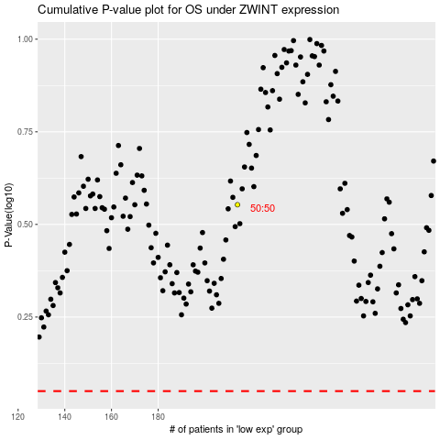

 |  |  |  |  |  | cases_OS | p_OS | rank | exp
 |  |  |  |  |  |  | cases_RFS | p_RFS | rank | exp

