ZXDA _multivariate
Reported by Tex Li-Hsing Chi. tex@gate.sinica.edu.tw 2019-06-16

Table 2. The correlation of ZXDA expression and clinical features.
Cutoff at -0.209 (49.9%)
 |  | ZXDA expression |  | ZXDA expression |  | (Optimised)
 | Features | Low | (%) | High | (%) | Case no | P-value | Remark | Matthews
Gender | Female | 151 | 35.4 | 161 | 37.8 | 426 | 0.1414 | 0 | 0
2 | Male | 62 | 14.6 | 52 | 12.2
Age at diagnosis | <=65y | 136 | 31.9 | 143 | 33.6 | 426 | 0.3016 | 0 | 0
4 | >65y | 77 | 18.1 | 70 | 16.4
Clinical T Status | T1+T2 | 67 | 15.7 | 88 | 20.7 | 426 | 0.0801 | 0 | 0
6 | T3+T4 | 146 | 34.3 | 125 | 29.3
Clinical N Status | N0 | 101 | 23.7 | 122 | 28.6 | 426 | 0.0726 | 0 | 0
8 | N1-3 | 112 | 26.3 | 91 | 21.4
Clinical M Status | M0 | 210 | 49.3 | 213 | 50 | 426 | 0.2192 | 0 | 0
10 | M1 | 3 | 0.7 | 0 | 0
Clinical Stage | Stage I+II | 48 | 11.3 | 59 | 13.8 | 426 | 0.397 | 0 | 0
12 | Stage III+IV | 165 | 38.7 | 154 | 36.2
Surgical Margin status | Negative | 161 | 37.8 | 167 | 39.2 | 426 | 0.5649 | 0 | 0
14 | Positive | 52 | 12.2 | 46 | 10.8

Table 3. Univariate/Multivariate Cox proportional hazards regression analyses on OS time of ZXDA gene expression in HNSCC

 |  | Univariate |  |  |  | Multivariate
 | Features | HR | CI95%(L) | CI95%(H) | P-value | HR | CI95%(L) | CI95%(H) | P-value
1 | Female | 1 |  |  |  | 1
Gender | Male | 1.232 | 0.908 | 1.671 | 0.18 | 1.151 | 0.836 | 1.584 | 0.388
11 | <=65y | 1 |  |  |  | 1
Age at diagnosis | >65y | 1.381 | 1.037 | 1.84 | 0.027 | 1.33 | 0.987 | 1.793 | 0.061
12 | T1+T2 | 1 |  |  |  | 1
Clinical T Status | T3+T4 | 1.393 | 1.026 | 1.893 | 0.034 | 2.129 | 1.152 | 3.938 | 0.016
13 | N0 | 1 |  |  |  | 1
Clinical N Status | N1-3 | 1.2 | 0.907 | 1.588 | 0.203 | 1.247 | 0.878 | 1.77 | 0.218
14 | M0 | 1 |  |  |  | 1
Clinical M Status | M1 | 4.039 | 0.995 | 16.398 | 0.051 | 8.324 | 1.814 | 38.183 | 0.006
15 | Stage I+II | 1 |  |  |  | 1
Clinical Stage | Stage III+IV | 1.256 | 0.897 | 1.757 | 0.184 | 0.548 | 0.261 | 1.147 | 0.111
16 | Negative | 1 |  |  |  | 1
Surgical Margin status | Positive | 1.61 | 1.176 | 2.203 | 0.003 | 1.642 | 1.191 | 2.263 | 0.002
17 | Low | 1 |  |  |  | 1
RNAseq(z-score) | High | 0.876 | 0.661 | 1.16 | 0.355 | 0.984 | 0.738 | 1.312 | 0.913

Table 4. Univariate/Multivariate Cox proportional hazards regression analyses on RFS time of ZXDA gene expression in HNSCC

 |  | Univariate |  |  |  | Multivariate
 | Features | HR | CI95%(L) | CI95%(H) | P-value | HR | CI95%(L) | CI95%(H) | P-value
1 | Female | 1 |  |  |  | 1
Gender | Male | 1.232 | 0.908 | 1.671 | 0.18 | 1.151 | 0.836 | 1.584 | 0.388
11 | <=65y | 1 |  |  |  | 1
Age at diagnosis | >65y | 1.381 | 1.037 | 1.84 | 0.027 | 1.33 | 0.987 | 1.793 | 0.061
12 | T1+T2 | 1 |  |  |  | 1
Clinical T Status | T3+T4 | 1.393 | 1.026 | 1.893 | 0.034 | 2.129 | 1.152 | 3.938 | 0.016
13 | N0 | 1 |  |  |  | 1
Clinical N Status | N1-3 | 1.2 | 0.907 | 1.588 | 0.203 | 1.247 | 0.878 | 1.77 | 0.218
14 | M0 | 1 |  |  |  | 1
Clinical M Status | M1 | 4.039 | 0.995 | 16.398 | 0.051 | 8.324 | 1.814 | 38.183 | 0.006
15 | Stage I+II | 1 |  |  |  | 1
Clinical Stage | Stage III+IV | 1.256 | 0.897 | 1.757 | 0.184 | 0.548 | 0.261 | 1.147 | 0.111
16 | Negative | 1 |  |  |  | 1
Surgical Margin status | Positive | 1.61 | 1.176 | 2.203 | 0.003 | 1.642 | 1.191 | 2.263 | 0.002
17 | Low | 1 |  |  |  | 1
RNAseq(z-score) | High | 0.876 | 0.661 | 1.16 | 0.355 | 0.984 | 0.738 | 1.312 | 0.913

Kaplan-Meier survival estimate: Cutoff at -0.209 (49.9%)



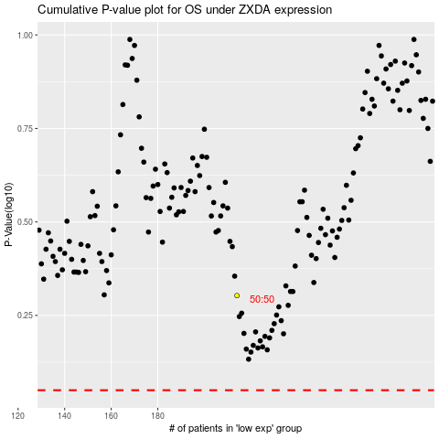

 |  |  |  |  |  | cases_OS | p_OS | rank | exp
 |  |  |  |  |  |  | cases_RFS | p_RFS | rank | exp

