ZXDB _multivariate
Reported by Tex Li-Hsing Chi. tex@gate.sinica.edu.tw 2019-06-16

Table 2. The correlation of ZXDB expression and clinical features.
Cutoff at -0.249 (50.1%)
 |  | ZXDB expression |  | ZXDB expression |  | (Optimised)
 | Features | Low | (%) | High | (%) | Case no | P-value | Remark | Matthews
Gender | Female | 148 | 34.7 | 164 | 38.5 | 426 | 0.0558 | 0 | 0
2 | Male | 65 | 15.3 | 49 | 11.5
Age at diagnosis | <=65y | 134 | 31.5 | 145 | 34 | 426 | 0.2077 | 0 | 0
4 | >65y | 79 | 18.5 | 68 | 16
Clinical T Status | T1+T2 | 72 | 16.9 | 83 | 19.5 | 426 | 0.4067 | 0 | 0
6 | T3+T4 | 141 | 33.1 | 130 | 30.5
Clinical N Status | N0 | 106 | 24.9 | 117 | 27.5 | 426 | 0.3272 | 0 | 0
8 | N1-3 | 107 | 25.1 | 96 | 22.5
Clinical M Status | M0 | 210 | 49.3 | 213 | 50 | 426 | 0.2192 | 0 | 0
10 | M1 | 3 | 0.7 | 0 | 0
Clinical Stage | Stage I+II | 52 | 12.2 | 55 | 12.9 | 426 | 0.7995 | 0 | 0
12 | Stage III+IV | 161 | 37.8 | 158 | 37.1
Surgical Margin status | Negative | 160 | 37.6 | 168 | 39.4 | 426 | 0.4203 | 0 | 0
14 | Positive | 53 | 12.4 | 45 | 10.6

Table 3. Univariate/Multivariate Cox proportional hazards regression analyses on OS time of ZXDB gene expression in HNSCC

 |  | Univariate |  |  |  | Multivariate
 | Features | HR | CI95%(L) | CI95%(H) | P-value | HR | CI95%(L) | CI95%(H) | P-value
1 | Female | 1 |  |  |  | 1
Gender | Male | 1.232 | 0.908 | 1.671 | 0.18 | 1.162 | 0.845 | 1.599 | 0.356
11 | <=65y | 1 |  |  |  | 1
Age at diagnosis | >65y | 1.381 | 1.037 | 1.84 | 0.027 | 1.334 | 0.99 | 1.798 | 0.059
12 | T1+T2 | 1 |  |  |  | 1
Clinical T Status | T3+T4 | 1.393 | 1.026 | 1.893 | 0.034 | 2.16 | 1.169 | 3.992 | 0.014
13 | N0 | 1 |  |  |  | 1
Clinical N Status | N1-3 | 1.2 | 0.907 | 1.588 | 0.203 | 1.251 | 0.881 | 1.775 | 0.211
14 | M0 | 1 |  |  |  | 1
Clinical M Status | M1 | 4.039 | 0.995 | 16.398 | 0.051 | 8.816 | 1.922 | 40.448 | 0.005
15 | Stage I+II | 1 |  |  |  | 1
Clinical Stage | Stage III+IV | 1.256 | 0.897 | 1.757 | 0.184 | 0.541 | 0.258 | 1.134 | 0.104
16 | Negative | 1 |  |  |  | 1
Surgical Margin status | Positive | 1.61 | 1.176 | 2.203 | 0.003 | 1.653 | 1.2 | 2.278 | 0.002
17 | Low | 1 |  |  |  | 1
RNAseq(z-score) | High | 0.966 | 0.73 | 1.28 | 0.811 | 1.072 | 0.805 | 1.427 | 0.634

Table 4. Univariate/Multivariate Cox proportional hazards regression analyses on RFS time of ZXDB gene expression in HNSCC

 |  | Univariate |  |  |  | Multivariate
 | Features | HR | CI95%(L) | CI95%(H) | P-value | HR | CI95%(L) | CI95%(H) | P-value
1 | Female | 1 |  |  |  | 1
Gender | Male | 1.232 | 0.908 | 1.671 | 0.18 | 1.162 | 0.845 | 1.599 | 0.356
11 | <=65y | 1 |  |  |  | 1
Age at diagnosis | >65y | 1.381 | 1.037 | 1.84 | 0.027 | 1.334 | 0.99 | 1.798 | 0.059
12 | T1+T2 | 1 |  |  |  | 1
Clinical T Status | T3+T4 | 1.393 | 1.026 | 1.893 | 0.034 | 2.16 | 1.169 | 3.992 | 0.014
13 | N0 | 1 |  |  |  | 1
Clinical N Status | N1-3 | 1.2 | 0.907 | 1.588 | 0.203 | 1.251 | 0.881 | 1.775 | 0.211
14 | M0 | 1 |  |  |  | 1
Clinical M Status | M1 | 4.039 | 0.995 | 16.398 | 0.051 | 8.816 | 1.922 | 40.448 | 0.005
15 | Stage I+II | 1 |  |  |  | 1
Clinical Stage | Stage III+IV | 1.256 | 0.897 | 1.757 | 0.184 | 0.541 | 0.258 | 1.134 | 0.104
16 | Negative | 1 |  |  |  | 1
Surgical Margin status | Positive | 1.61 | 1.176 | 2.203 | 0.003 | 1.653 | 1.2 | 2.278 | 0.002
17 | Low | 1 |  |  |  | 1
RNAseq(z-score) | High | 0.966 | 0.73 | 1.28 | 0.811 | 1.072 | 0.805 | 1.427 | 0.634

Kaplan-Meier survival estimate: Cutoff at -0.249 (50.1%)



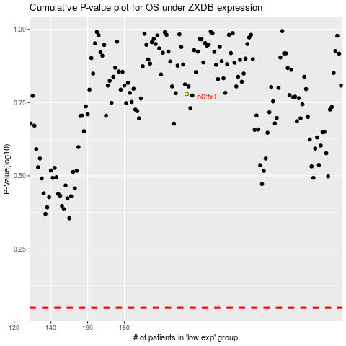

 |  |  |  |  |  | cases_OS | p_OS | rank | exp
 |  |  |  |  |  |  | cases_RFS | p_RFS | rank | exp

