ZXDC _multivariate
Reported by Tex Li-Hsing Chi. tex@gate.sinica.edu.tw 2019-06-16

Table 2. The correlation of ZXDC expression and clinical features.
Cutoff at -0.179 (49.9%)
 |  | ZXDC expression |  | ZXDC expression |  | (Optimised)
 | Features | Low | (%) | High | (%) | Case no | P-value | Remark | Matthews
Gender | Female | 144 | 33.8 | 168 | 39.4 | 426 | 0.0083 | 1 | 0
2 | Male | 69 | 16.2 | 45 | 10.6
Age at diagnosis | <=65y | 136 | 31.9 | 143 | 33.6 | 426 | 0.3016 | 0 | 0
4 | >65y | 77 | 18.1 | 70 | 16.4
Clinical T Status | T1+T2 | 74 | 17.4 | 81 | 19 | 426 | 0.5861 | 0 | 0
6 | T3+T4 | 139 | 32.6 | 132 | 31
Clinical N Status | N0 | 111 | 26.1 | 112 | 26.3 | 426 | 0.5755 | 0 | 0
8 | N1-3 | 102 | 23.9 | 101 | 23.7
Clinical M Status | M0 | 211 | 49.5 | 212 | 49.8 | 426 | 0.8422 | 0 | 0
10 | M1 | 2 | 0.5 | 1 | 0.2
Clinical Stage | Stage I+II | 57 | 13.4 | 50 | 11.7 | 426 | 0.6226 | 0 | 0
12 | Stage III+IV | 156 | 36.6 | 163 | 38.3
Surgical Margin status | Negative | 161 | 37.8 | 167 | 39.2 | 426 | 0.5649 | 0 | 0
14 | Positive | 52 | 12.2 | 46 | 10.8

Table 3. Univariate/Multivariate Cox proportional hazards regression analyses on OS time of ZXDC gene expression in HNSCC

 |  | Univariate |  |  |  | Multivariate
 | Features | HR | CI95%(L) | CI95%(H) | P-value | HR | CI95%(L) | CI95%(H) | P-value
1 | Female | 1 |  |  |  | 1
Gender | Male | 1.232 | 0.908 | 1.671 | 0.18 | 1.189 | 0.858 | 1.646 | 0.298
11 | <=65y | 1 |  |  |  | 1
Age at diagnosis | >65y | 1.381 | 1.037 | 1.84 | 0.027 | 1.322 | 0.981 | 1.783 | 0.067
12 | T1+T2 | 1 |  |  |  | 1
Clinical T Status | T3+T4 | 1.393 | 1.026 | 1.893 | 0.034 | 2.197 | 1.186 | 4.068 | 0.012
13 | N0 | 1 |  |  |  | 1
Clinical N Status | N1-3 | 1.2 | 0.907 | 1.588 | 0.203 | 1.253 | 0.883 | 1.778 | 0.207
14 | M0 | 1 |  |  |  | 1
Clinical M Status | M1 | 4.039 | 0.995 | 16.398 | 0.051 | 9.071 | 1.98 | 41.571 | 0.005
15 | Stage I+II | 1 |  |  |  | 1
Clinical Stage | Stage III+IV | 1.256 | 0.897 | 1.757 | 0.184 | 0.528 | 0.251 | 1.11 | 0.092
16 | Negative | 1 |  |  |  | 1
Surgical Margin status | Positive | 1.61 | 1.176 | 2.203 | 0.003 | 1.657 | 1.203 | 2.284 | 0.002
17 | Low | 1 |  |  |  | 1
RNAseq(z-score) | High | 1.008 | 0.761 | 1.336 | 0.955 | 1.128 | 0.842 | 1.511 | 0.421

Table 4. Univariate/Multivariate Cox proportional hazards regression analyses on RFS time of ZXDC gene expression in HNSCC

 |  | Univariate |  |  |  | Multivariate
 | Features | HR | CI95%(L) | CI95%(H) | P-value | HR | CI95%(L) | CI95%(H) | P-value
1 | Female | 1 |  |  |  | 1
Gender | Male | 1.232 | 0.908 | 1.671 | 0.18 | 1.189 | 0.858 | 1.646 | 0.298
11 | <=65y | 1 |  |  |  | 1
Age at diagnosis | >65y | 1.381 | 1.037 | 1.84 | 0.027 | 1.322 | 0.981 | 1.783 | 0.067
12 | T1+T2 | 1 |  |  |  | 1
Clinical T Status | T3+T4 | 1.393 | 1.026 | 1.893 | 0.034 | 2.197 | 1.186 | 4.068 | 0.012
13 | N0 | 1 |  |  |  | 1
Clinical N Status | N1-3 | 1.2 | 0.907 | 1.588 | 0.203 | 1.253 | 0.883 | 1.778 | 0.207
14 | M0 | 1 |  |  |  | 1
Clinical M Status | M1 | 4.039 | 0.995 | 16.398 | 0.051 | 9.071 | 1.98 | 41.571 | 0.005
15 | Stage I+II | 1 |  |  |  | 1
Clinical Stage | Stage III+IV | 1.256 | 0.897 | 1.757 | 0.184 | 0.528 | 0.251 | 1.11 | 0.092
16 | Negative | 1 |  |  |  | 1
Surgical Margin status | Positive | 1.61 | 1.176 | 2.203 | 0.003 | 1.657 | 1.203 | 2.284 | 0.002
17 | Low | 1 |  |  |  | 1
RNAseq(z-score) | High | 1.008 | 0.761 | 1.336 | 0.955 | 1.128 | 0.842 | 1.511 | 0.421

Kaplan-Meier survival estimate: Cutoff at -0.179 (49.9%)



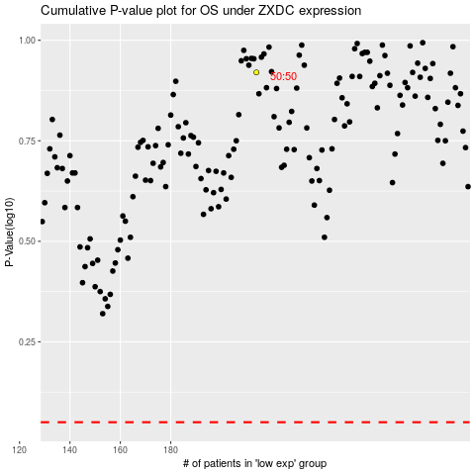

 |  |  |  |  |  | cases_OS | p_OS | rank | exp
 |  |  |  |  |  |  | cases_RFS | p_RFS | rank | exp

