ZYX _multivariate
Reported by Tex Li-Hsing Chi. tex@gate.sinica.edu.tw 2019-06-16

Table 2. The correlation of ZYX expression and clinical features.
Cutoff at -0.023 (50.1%)
 |  | ZYX expression |  | ZYX expression |  | (Optimised)
 | Features | Low | (%) | High | (%) | Case no | P-value | Remark | Matthews
Gender | Female | 168 | 39.4 | 144 | 33.8 | 426 | 0.0083 | 1 | 0
2 | Male | 45 | 10.6 | 69 | 16.2
Age at diagnosis | <=65y | 151 | 35.4 | 128 | 30 | 426 | 0.0251 | 1 | 0
4 | >65y | 62 | 14.6 | 85 | 20
Clinical T Status | T1+T2 | 79 | 18.5 | 76 | 17.8 | 426 | 0.718 | 0 | 0
6 | T3+T4 | 134 | 31.5 | 137 | 32.2
Clinical N Status | N0 | 104 | 24.4 | 119 | 27.9 | 426 | 0.2006 | 0 | 0
8 | N1-3 | 109 | 25.6 | 94 | 22.1
Clinical M Status | M0 | 212 | 49.8 | 211 | 49.5 | 426 | 0.8422 | 0 | 0
10 | M1 | 1 | 0.2 | 2 | 0.5
Clinical Stage | Stage I+II | 48 | 11.3 | 59 | 13.8 | 426 | 0.397 | 0 | 0
12 | Stage III+IV | 165 | 38.7 | 154 | 36.2
Surgical Margin status | Negative | 157 | 36.9 | 171 | 40.1 | 426 | 0.1345 | 0 | 0
14 | Positive | 56 | 13.1 | 42 | 9.9

Table 3. Univariate/Multivariate Cox proportional hazards regression analyses on OS time of ZYX gene expression in HNSCC

 |  | Univariate |  |  |  | Multivariate
 | Features | HR | CI95%(L) | CI95%(H) | P-value | HR | CI95%(L) | CI95%(H) | P-value
1 | Female | 1 |  |  |  | 1
Gender | Male | 1.232 | 0.908 | 1.671 | 0.18 | 1.143 | 0.831 | 1.573 | 0.411
11 | <=65y | 1 |  |  |  | 1
Age at diagnosis | >65y | 1.381 | 1.037 | 1.84 | 0.027 | 1.322 | 0.98 | 1.783 | 0.068
12 | T1+T2 | 1 |  |  |  | 1
Clinical T Status | T3+T4 | 1.393 | 1.026 | 1.893 | 0.034 | 2.111 | 1.143 | 3.9 | 0.017
13 | N0 | 1 |  |  |  | 1
Clinical N Status | N1-3 | 1.2 | 0.907 | 1.588 | 0.203 | 1.256 | 0.884 | 1.782 | 0.203
14 | M0 | 1 |  |  |  | 1
Clinical M Status | M1 | 4.039 | 0.995 | 16.398 | 0.051 | 8.27 | 1.823 | 37.521 | 0.006
15 | Stage I+II | 1 |  |  |  | 1
Clinical Stage | Stage III+IV | 1.256 | 0.897 | 1.757 | 0.184 | 0.558 | 0.266 | 1.173 | 0.124
16 | Negative | 1 |  |  |  | 1
Surgical Margin status | Positive | 1.61 | 1.176 | 2.203 | 0.003 | 1.657 | 1.202 | 2.283 | 0.002
17 | Low | 1 |  |  |  | 1
RNAseq(z-score) | High | 1.082 | 0.814 | 1.437 | 0.588 | 1.086 | 0.81 | 1.457 | 0.581

Table 4. Univariate/Multivariate Cox proportional hazards regression analyses on RFS time of ZYX gene expression in HNSCC

 |  | Univariate |  |  |  | Multivariate
 | Features | HR | CI95%(L) | CI95%(H) | P-value | HR | CI95%(L) | CI95%(H) | P-value
1 | Female | 1 |  |  |  | 1
Gender | Male | 1.232 | 0.908 | 1.671 | 0.18 | 1.143 | 0.831 | 1.573 | 0.411
11 | <=65y | 1 |  |  |  | 1
Age at diagnosis | >65y | 1.381 | 1.037 | 1.84 | 0.027 | 1.322 | 0.98 | 1.783 | 0.068
12 | T1+T2 | 1 |  |  |  | 1
Clinical T Status | T3+T4 | 1.393 | 1.026 | 1.893 | 0.034 | 2.111 | 1.143 | 3.9 | 0.017
13 | N0 | 1 |  |  |  | 1
Clinical N Status | N1-3 | 1.2 | 0.907 | 1.588 | 0.203 | 1.256 | 0.884 | 1.782 | 0.203
14 | M0 | 1 |  |  |  | 1
Clinical M Status | M1 | 4.039 | 0.995 | 16.398 | 0.051 | 8.27 | 1.823 | 37.521 | 0.006
15 | Stage I+II | 1 |  |  |  | 1
Clinical Stage | Stage III+IV | 1.256 | 0.897 | 1.757 | 0.184 | 0.558 | 0.266 | 1.173 | 0.124
16 | Negative | 1 |  |  |  | 1
Surgical Margin status | Positive | 1.61 | 1.176 | 2.203 | 0.003 | 1.657 | 1.202 | 2.283 | 0.002
17 | Low | 1 |  |  |  | 1
RNAseq(z-score) | High | 1.082 | 0.814 | 1.437 | 0.588 | 1.086 | 0.81 | 1.457 | 0.581

Kaplan-Meier survival estimate: Cutoff at -0.023 (50.1%)

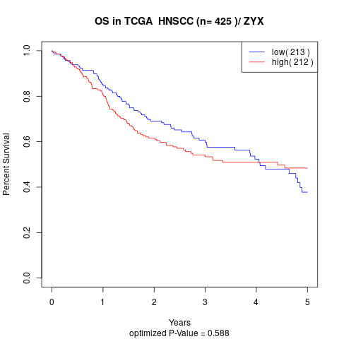

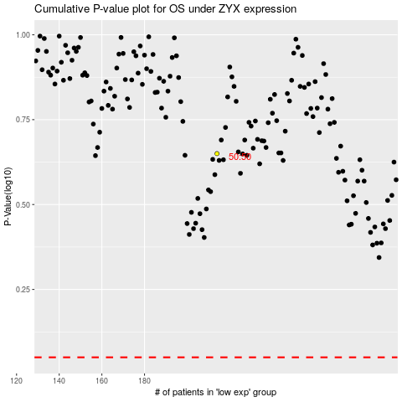

 |  |  |  |  |  | cases_OS | p_OS | rank | exp
 |  |  |  |  |  |  | cases_RFS | p_RFS | rank | exp

