ZZZ3 _multivariate
Reported by Tex Li-Hsing Chi. tex@gate.sinica.edu.tw 2019-06-16

Table 2. The correlation of ZZZ3 expression and clinical features.
Cutoff at -0.037 (49.9%)
 |  | ZZZ3 expression |  | ZZZ3 expression |  | (Optimised)
 | Features | Low | (%) | High | (%) | Case no | P-value | Remark | Matthews
Gender | Female | 148 | 34.7 | 164 | 38.5 | 426 | 0.0558 | 0 | 0
2 | Male | 65 | 15.3 | 49 | 11.5
Age at diagnosis | <=65y | 133 | 31.2 | 146 | 34.3 | 426 | 0.1619 | 0 | 0
4 | >65y | 80 | 18.8 | 67 | 15.7
Clinical T Status | T1+T2 | 76 | 17.8 | 79 | 18.5 | 426 | 0.718 | 0 | 0
6 | T3+T4 | 137 | 32.2 | 134 | 31.5
Clinical N Status | N0 | 121 | 28.4 | 102 | 23.9 | 426 | 0.1058 | 1 | 0
8 | N1-3 | 92 | 21.6 | 111 | 26.1
Clinical M Status | M0 | 211 | 49.5 | 212 | 49.8 | 426 | 0.8422 | 0 | 0
10 | M1 | 2 | 0.5 | 1 | 0.2
Clinical Stage | Stage I+II | 54 | 12.7 | 53 | 12.4 | 426 | 0.8404 | 0 | 0
12 | Stage III+IV | 159 | 37.3 | 160 | 37.6
Surgical Margin status | Negative | 169 | 39.7 | 159 | 37.3 | 426 | 0.3002 | 0 | 0
14 | Positive | 44 | 10.3 | 54 | 12.7

Table 3. Univariate/Multivariate Cox proportional hazards regression analyses on OS time of ZZZ3 gene expression in HNSCC

 |  | Univariate |  |  |  | Multivariate
 | Features | HR | CI95%(L) | CI95%(H) | P-value | HR | CI95%(L) | CI95%(H) | P-value
1 | Female | 1 |  |  |  | 1
Gender | Male | 1.232 | 0.908 | 1.671 | 0.18 | 1.152 | 0.837 | 1.585 | 0.384
11 | <=65y | 1 |  |  |  | 1
Age at diagnosis | >65y | 1.381 | 1.037 | 1.84 | 0.027 | 1.331 | 0.987 | 1.794 | 0.061
12 | T1+T2 | 1 |  |  |  | 1
Clinical T Status | T3+T4 | 1.393 | 1.026 | 1.893 | 0.034 | 2.136 | 1.158 | 3.94 | 0.015
13 | N0 | 1 |  |  |  | 1
Clinical N Status | N1-3 | 1.2 | 0.907 | 1.588 | 0.203 | 1.249 | 0.879 | 1.775 | 0.215
14 | M0 | 1 |  |  |  | 1
Clinical M Status | M1 | 4.039 | 0.995 | 16.398 | 0.051 | 8.393 | 1.842 | 38.246 | 0.006
15 | Stage I+II | 1 |  |  |  | 1
Clinical Stage | Stage III+IV | 1.256 | 0.897 | 1.757 | 0.184 | 0.546 | 0.261 | 1.143 | 0.108
16 | Negative | 1 |  |  |  | 1
Surgical Margin status | Positive | 1.61 | 1.176 | 2.203 | 0.003 | 1.645 | 1.194 | 2.265 | 0.002
17 | Low | 1 |  |  |  | 1
RNAseq(z-score) | High | 0.998 | 0.752 | 1.325 | 0.991 | 0.995 | 0.746 | 1.325 | 0.97

Table 4. Univariate/Multivariate Cox proportional hazards regression analyses on RFS time of ZZZ3 gene expression in HNSCC

 |  | Univariate |  |  |  | Multivariate
 | Features | HR | CI95%(L) | CI95%(H) | P-value | HR | CI95%(L) | CI95%(H) | P-value
1 | Female | 1 |  |  |  | 1
Gender | Male | 1.232 | 0.908 | 1.671 | 0.18 | 1.152 | 0.837 | 1.585 | 0.384
11 | <=65y | 1 |  |  |  | 1
Age at diagnosis | >65y | 1.381 | 1.037 | 1.84 | 0.027 | 1.331 | 0.987 | 1.794 | 0.061
12 | T1+T2 | 1 |  |  |  | 1
Clinical T Status | T3+T4 | 1.393 | 1.026 | 1.893 | 0.034 | 2.136 | 1.158 | 3.94 | 0.015
13 | N0 | 1 |  |  |  | 1
Clinical N Status | N1-3 | 1.2 | 0.907 | 1.588 | 0.203 | 1.249 | 0.879 | 1.775 | 0.215
14 | M0 | 1 |  |  |  | 1
Clinical M Status | M1 | 4.039 | 0.995 | 16.398 | 0.051 | 8.393 | 1.842 | 38.246 | 0.006
15 | Stage I+II | 1 |  |  |  | 1
Clinical Stage | Stage III+IV | 1.256 | 0.897 | 1.757 | 0.184 | 0.546 | 0.261 | 1.143 | 0.108
16 | Negative | 1 |  |  |  | 1
Surgical Margin status | Positive | 1.61 | 1.176 | 2.203 | 0.003 | 1.645 | 1.194 | 2.265 | 0.002
17 | Low | 1 |  |  |  | 1
RNAseq(z-score) | High | 0.998 | 0.752 | 1.325 | 0.991 | 0.995 | 0.746 | 1.325 | 0.97

Kaplan-Meier survival estimate: Cutoff at -0.037 (49.9%)



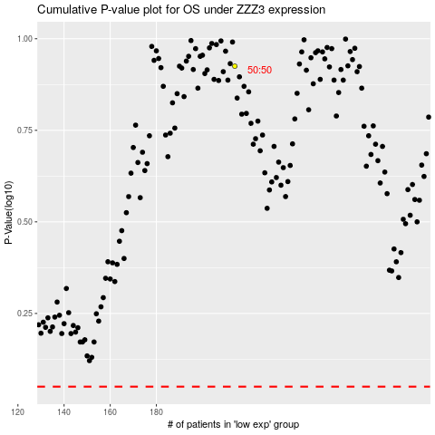

 |  |  |  |  |  | cases_OS | p_OS | rank | exp
 |  |  |  |  |  |  | cases_RFS | p_RFS | rank | exp

