Survival_candidates
Reported by Tex Li-Hsing Chi. tex@gate.sinica.edu.tw Cohort with surgical margins status (0 or 1) 2020-03-04

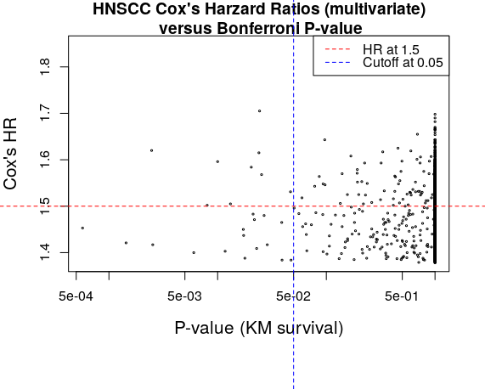

Table 1. The 9 candiate genes overexpressed in HNSCC (ranked by Bonferroni corrected Kaplan Meier P-value, and Cox's uni/multivariate model)
 | Gene_id | P_value | Bonferroni P_value | FDR P_value | uni_HR | uni_P_value | multi_HR | multi_P_value
8363 | IL19 | 3.73e-07 | 0.002 | 0.0004 | 1.364 | 0.044 | 1.62 | 0.003
6286 | FCGBP | 1.21e-06 | 0.008 | 0.0008 | 1.364 | 0.044 | 1.502 | 0.014
9786 | LOC148709 | 1.51e-06 | 0.010 | 0.0009 | 1.364 | 0.044 | 1.596 | 0.005
5735 | EVPLL | 1.98e-06 | 0.013 | 0.0010 | 1.364 | 0.044 | 1.505 | 0.012
8988 | KIAA1683 | 3.08e-06 | 0.020 | 0.0010 | 1.364 | 0.044 | 1.584 | 0.006
6044 | FAM3D | 3.62e-06 | 0.024 | 0.0010 | 1.364 | 0.044 | 1.615 | 0.003
7288 | GPR15 | 3.67e-06 | 0.024 | 0.0010 | 1.364 | 0.044 | 1.705 | 0.002
9157 | KLRA1 | 3.83e-06 | 0.025 | 0.0010 | 1.364 | 0.044 | 1.568 | 0.007
11198 | MS4A1 | 7.07e-06 | 0.047 | 0.0014 | 1.364 | 0.044 | 1.531 | 0.01

Selection criteria: Bonferroni KM P-value < 0.05 Cox's multivariate HR > 1.5

