XIST _multivariate
Reported by Tex Li-Hsing Chi. tex@gate.sinica.edu.tw 2019-06-15

Table 2. The correlation of XIST expression and clinical features.
Cutoff at -0.403 (50.1%)
 |  | XIST expression |  | XIST expression |  | (Optimised)
 | Features | Low | (%) | High | (%) | Case no | P-value | Remark | Matthews
Gender | Female | 213 | 50 | 99 | 23.2 | 426 | 0 | 1 | 0
2 | Male | 0 | 0 | 114 | 26.8
Age at diagnosis | <=65y | 146 | 34.3 | 133 | 31.2 | 426 | 0.1619 | 0 | 0
4 | >65y | 67 | 15.7 | 80 | 18.8
Clinical T Status | T1+T2 | 81 | 19 | 74 | 17.4 | 426 | 0.5861 | 0 | 0
6 | T3+T4 | 132 | 31 | 139 | 32.6
Clinical N Status | N0 | 108 | 25.4 | 115 | 27 | 426 | 0.4592 | 0 | 0
8 | N1-3 | 105 | 24.6 | 98 | 23
Clinical M Status | M0 | 211 | 49.5 | 212 | 49.8 | 426 | 0.8422 | 0 | 0
10 | M1 | 2 | 0.5 | 1 | 0.2
Clinical Stage | Stage I+II | 49 | 11.5 | 58 | 13.6 | 426 | 0.5098 | 0 | 0
12 | Stage III+IV | 164 | 38.5 | 155 | 36.4
Surgical Margin status | Negative | 167 | 39.2 | 161 | 37.8 | 426 | 0.5649 | 0 | 0
14 | Positive | 46 | 10.8 | 52 | 12.2

Table 3. Univariate/Multivariate Cox proportional hazards regression analyses on OS time of XIST gene expression in HNSCC

 |  | Univariate |  |  |  | Multivariate
 | Features | HR | CI95%(L) | CI95%(H) | P-value | HR | CI95%(L) | CI95%(H) | P-value
1 | Female | 1 |  |  |  | 1
Gender | Male | 1.232 | 0.908 | 1.671 | 0.18 | 1.423 | 0.944 | 2.144 | 0.092
11 | <=65y | 1 |  |  |  | 1
Age at diagnosis | >65y | 1.381 | 1.037 | 1.84 | 0.027 | 1.334 | 0.99 | 1.798 | 0.058
12 | T1+T2 | 1 |  |  |  | 1
Clinical T Status | T3+T4 | 1.393 | 1.026 | 1.893 | 0.034 | 2.303 | 1.241 | 4.275 | 0.008
13 | N0 | 1 |  |  |  | 1
Clinical N Status | N1-3 | 1.2 | 0.907 | 1.588 | 0.203 | 1.275 | 0.897 | 1.81 | 0.175
14 | M0 | 1 |  |  |  | 1
Clinical M Status | M1 | 4.039 | 0.995 | 16.398 | 0.051 | 8.85 | 1.952 | 40.129 | 0.005
15 | Stage I+II | 1 |  |  |  | 1
Clinical Stage | Stage III+IV | 1.256 | 0.897 | 1.757 | 0.184 | 0.511 | 0.243 | 1.074 | 0.076
16 | Negative | 1 |  |  |  | 1
Surgical Margin status | Positive | 1.61 | 1.176 | 2.203 | 0.003 | 1.689 | 1.225 | 2.329 | 0.001
17 | Low | 1 |  |  |  | 1
RNAseq(z-score) | High | 0.99 | 0.747 | 1.311 | 0.943 | 0.728 | 0.501 | 1.057 | 0.095

Table 4. Univariate/Multivariate Cox proportional hazards regression analyses on RFS time of XIST gene expression in HNSCC

 |  | Univariate |  |  |  | Multivariate
 | Features | HR | CI95%(L) | CI95%(H) | P-value | HR | CI95%(L) | CI95%(H) | P-value
1 | Female | 1 |  |  |  | 1
Gender | Male | 1.232 | 0.908 | 1.671 | 0.18 | 1.423 | 0.944 | 2.144 | 0.092
11 | <=65y | 1 |  |  |  | 1
Age at diagnosis | >65y | 1.381 | 1.037 | 1.84 | 0.027 | 1.334 | 0.99 | 1.798 | 0.058
12 | T1+T2 | 1 |  |  |  | 1
Clinical T Status | T3+T4 | 1.393 | 1.026 | 1.893 | 0.034 | 2.303 | 1.241 | 4.275 | 0.008
13 | N0 | 1 |  |  |  | 1
Clinical N Status | N1-3 | 1.2 | 0.907 | 1.588 | 0.203 | 1.275 | 0.897 | 1.81 | 0.175
14 | M0 | 1 |  |  |  | 1
Clinical M Status | M1 | 4.039 | 0.995 | 16.398 | 0.051 | 8.85 | 1.952 | 40.129 | 0.005
15 | Stage I+II | 1 |  |  |  | 1
Clinical Stage | Stage III+IV | 1.256 | 0.897 | 1.757 | 0.184 | 0.511 | 0.243 | 1.074 | 0.076
16 | Negative | 1 |  |  |  | 1
Surgical Margin status | Positive | 1.61 | 1.176 | 2.203 | 0.003 | 1.689 | 1.225 | 2.329 | 0.001
17 | Low | 1 |  |  |  | 1
RNAseq(z-score) | High | 0.99 | 0.747 | 1.311 | 0.943 | 0.728 | 0.501 | 1.057 | 0.095

Kaplan-Meier survival estimate: Cutoff at -0.403 (50.1%)

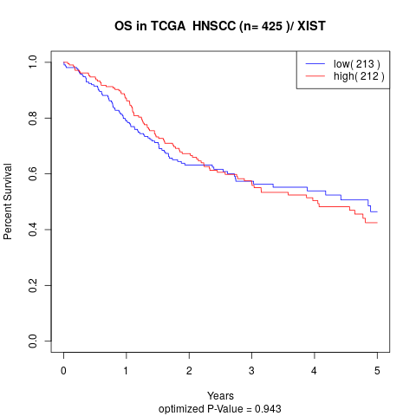

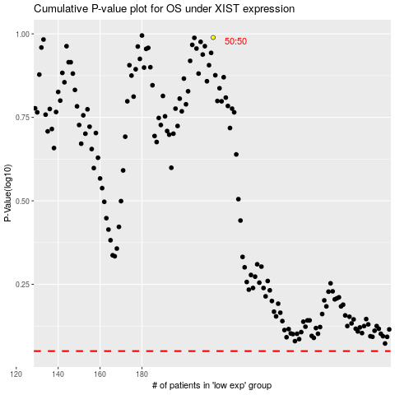

 |  |  |  |  |  | cases_OS | p_OS | rank | exp
 |  |  |  |  |  |  | cases_RFS | p_RFS | rank | exp

