XKR5 _multivariate
Reported by Tex Li-Hsing Chi. tex@gate.sinica.edu.tw 2019-06-15

Table 2. The correlation of XKR5 expression and clinical features.
Cutoff at -0.333 (49.9%)
 |  | XKR5 expression |  | XKR5 expression |  | (Optimised)
 | Features | Low | (%) | High | (%) | Case no | P-value | Remark | Matthews
Gender | Female | 147 | 34.5 | 165 | 38.7 | 426 | 0.0372 | 1 | 0
2 | Male | 66 | 15.5 | 48 | 11.3
Age at diagnosis | <=65y | 138 | 32.4 | 141 | 33.1 | 426 | 0.371 | 0 | 0
4 | >65y | 75 | 17.6 | 72 | 16.9
Clinical T Status | T1+T2 | 74 | 17.4 | 81 | 19 | 426 | 0.5861 | 0 | 0
6 | T3+T4 | 139 | 32.6 | 132 | 31
Clinical N Status | N0 | 115 | 27 | 108 | 25.4 | 426 | 0.4592 | 0 | 0
8 | N1-3 | 98 | 23 | 105 | 24.6
Clinical M Status | M0 | 211 | 49.5 | 212 | 49.8 | 426 | 0.8422 | 0 | 0
10 | M1 | 2 | 0.5 | 1 | 0.2
Clinical Stage | Stage I+II | 53 | 12.4 | 54 | 12.7 | 426 | 0.8404 | 0 | 0
12 | Stage III+IV | 160 | 37.6 | 159 | 37.3
Surgical Margin status | Negative | 173 | 40.6 | 155 | 36.4 | 426 | 0.0503 | 0 | 0
14 | Positive | 40 | 9.4 | 58 | 13.6

Table 3. Univariate/Multivariate Cox proportional hazards regression analyses on OS time of XKR5 gene expression in HNSCC

 |  | Univariate |  |  |  | Multivariate
 | Features | HR | CI95%(L) | CI95%(H) | P-value | HR | CI95%(L) | CI95%(H) | P-value
1 | Female | 1 |  |  |  | 1
Gender | Male | 1.232 | 0.908 | 1.671 | 0.18 | 1.159 | 0.842 | 1.595 | 0.365
11 | <=65y | 1 |  |  |  | 1
Age at diagnosis | >65y | 1.381 | 1.037 | 1.84 | 0.027 | 1.329 | 0.985 | 1.791 | 0.062
12 | T1+T2 | 1 |  |  |  | 1
Clinical T Status | T3+T4 | 1.393 | 1.026 | 1.893 | 0.034 | 2.141 | 1.16 | 3.951 | 0.015
13 | N0 | 1 |  |  |  | 1
Clinical N Status | N1-3 | 1.2 | 0.907 | 1.588 | 0.203 | 1.247 | 0.879 | 1.77 | 0.216
14 | M0 | 1 |  |  |  | 1
Clinical M Status | M1 | 4.039 | 0.995 | 16.398 | 0.051 | 8.592 | 1.887 | 39.125 | 0.005
15 | Stage I+II | 1 |  |  |  | 1
Clinical Stage | Stage III+IV | 1.256 | 0.897 | 1.757 | 0.184 | 0.544 | 0.26 | 1.139 | 0.106
16 | Negative | 1 |  |  |  | 1
Surgical Margin status | Positive | 1.61 | 1.176 | 2.203 | 0.003 | 1.638 | 1.189 | 2.257 | 0.003
17 | Low | 1 |  |  |  | 1
RNAseq(z-score) | High | 1.046 | 0.789 | 1.386 | 0.755 | 1.051 | 0.789 | 1.398 | 0.735

Table 4. Univariate/Multivariate Cox proportional hazards regression analyses on RFS time of XKR5 gene expression in HNSCC

 |  | Univariate |  |  |  | Multivariate
 | Features | HR | CI95%(L) | CI95%(H) | P-value | HR | CI95%(L) | CI95%(H) | P-value
1 | Female | 1 |  |  |  | 1
Gender | Male | 1.232 | 0.908 | 1.671 | 0.18 | 1.159 | 0.842 | 1.595 | 0.365
11 | <=65y | 1 |  |  |  | 1
Age at diagnosis | >65y | 1.381 | 1.037 | 1.84 | 0.027 | 1.329 | 0.985 | 1.791 | 0.062
12 | T1+T2 | 1 |  |  |  | 1
Clinical T Status | T3+T4 | 1.393 | 1.026 | 1.893 | 0.034 | 2.141 | 1.16 | 3.951 | 0.015
13 | N0 | 1 |  |  |  | 1
Clinical N Status | N1-3 | 1.2 | 0.907 | 1.588 | 0.203 | 1.247 | 0.879 | 1.77 | 0.216
14 | M0 | 1 |  |  |  | 1
Clinical M Status | M1 | 4.039 | 0.995 | 16.398 | 0.051 | 8.592 | 1.887 | 39.125 | 0.005
15 | Stage I+II | 1 |  |  |  | 1
Clinical Stage | Stage III+IV | 1.256 | 0.897 | 1.757 | 0.184 | 0.544 | 0.26 | 1.139 | 0.106
16 | Negative | 1 |  |  |  | 1
Surgical Margin status | Positive | 1.61 | 1.176 | 2.203 | 0.003 | 1.638 | 1.189 | 2.257 | 0.003
17 | Low | 1 |  |  |  | 1
RNAseq(z-score) | High | 1.046 | 0.789 | 1.386 | 0.755 | 1.051 | 0.789 | 1.398 | 0.735

Kaplan-Meier survival estimate: Cutoff at -0.333 (49.9%)



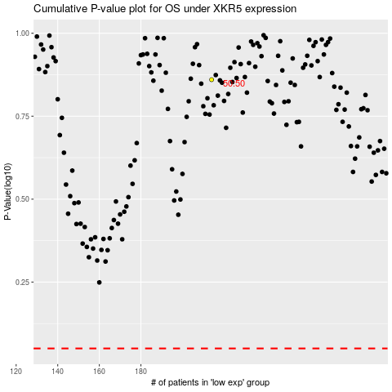

 |  |  |  |  |  | cases_OS | p_OS | rank | exp
 |  |  |  |  |  |  | cases_RFS | p_RFS | rank | exp

