XKR6 _multivariate
Reported by Tex Li-Hsing Chi. tex@gate.sinica.edu.tw 2019-06-15

Table 2. The correlation of XKR6 expression and clinical features.
Cutoff at -0.253 (50.1%)
 |  | XKR6 expression |  | XKR6 expression |  | (Optimised)
 | Features | Low | (%) | High | (%) | Case no | P-value | Remark | Matthews
Gender | Female | 160 | 37.6 | 152 | 35.7 | 426 | 0.1753 | 0 | 0
2 | Male | 53 | 12.4 | 61 | 14.3
Age at diagnosis | <=65y | 139 | 32.6 | 140 | 32.9 | 426 | 0.3868 | 0 | 0
4 | >65y | 74 | 17.4 | 73 | 17.1
Clinical T Status | T1+T2 | 81 | 19 | 74 | 17.4 | 426 | 0.5861 | 0 | 0
6 | T3+T4 | 132 | 31 | 139 | 32.6
Clinical N Status | N0 | 107 | 25.1 | 116 | 27.2 | 426 | 0.395 | 0 | 0
8 | N1-3 | 106 | 24.9 | 97 | 22.8
Clinical M Status | M0 | 211 | 49.5 | 212 | 49.8 | 426 | 0.8422 | 0 | 0
10 | M1 | 2 | 0.5 | 1 | 0.2
Clinical Stage | Stage I+II | 55 | 12.9 | 52 | 12.2 | 426 | 0.7995 | 0 | 0
12 | Stage III+IV | 158 | 37.1 | 161 | 37.8
Surgical Margin status | Negative | 165 | 38.7 | 163 | 38.3 | 426 | 0.9083 | 0 | 0
14 | Positive | 48 | 11.3 | 50 | 11.7

Table 3. Univariate/Multivariate Cox proportional hazards regression analyses on OS time of XKR6 gene expression in HNSCC

 |  | Univariate |  |  |  | Multivariate
 | Features | HR | CI95%(L) | CI95%(H) | P-value | HR | CI95%(L) | CI95%(H) | P-value
1 | Female | 1 |  |  |  | 1
Gender | Male | 1.232 | 0.908 | 1.671 | 0.18 | 1.156 | 0.84 | 1.59 | 0.373
11 | <=65y | 1 |  |  |  | 1
Age at diagnosis | >65y | 1.381 | 1.037 | 1.84 | 0.027 | 1.328 | 0.984 | 1.791 | 0.063
12 | T1+T2 | 1 |  |  |  | 1
Clinical T Status | T3+T4 | 1.393 | 1.026 | 1.893 | 0.034 | 2.129 | 1.153 | 3.932 | 0.016
13 | N0 | 1 |  |  |  | 1
Clinical N Status | N1-3 | 1.2 | 0.907 | 1.588 | 0.203 | 1.245 | 0.877 | 1.768 | 0.22
14 | M0 | 1 |  |  |  | 1
Clinical M Status | M1 | 4.039 | 0.995 | 16.398 | 0.051 | 8.359 | 1.842 | 37.93 | 0.006
15 | Stage I+II | 1 |  |  |  | 1
Clinical Stage | Stage III+IV | 1.256 | 0.897 | 1.757 | 0.184 | 0.549 | 0.262 | 1.15 | 0.112
16 | Negative | 1 |  |  |  | 1
Surgical Margin status | Positive | 1.61 | 1.176 | 2.203 | 0.003 | 1.645 | 1.195 | 2.265 | 0.002
17 | Low | 1 |  |  |  | 1
RNAseq(z-score) | High | 0.96 | 0.725 | 1.272 | 0.777 | 0.973 | 0.733 | 1.293 | 0.851

Table 4. Univariate/Multivariate Cox proportional hazards regression analyses on RFS time of XKR6 gene expression in HNSCC

 |  | Univariate |  |  |  | Multivariate
 | Features | HR | CI95%(L) | CI95%(H) | P-value | HR | CI95%(L) | CI95%(H) | P-value
1 | Female | 1 |  |  |  | 1
Gender | Male | 1.232 | 0.908 | 1.671 | 0.18 | 1.156 | 0.84 | 1.59 | 0.373
11 | <=65y | 1 |  |  |  | 1
Age at diagnosis | >65y | 1.381 | 1.037 | 1.84 | 0.027 | 1.328 | 0.984 | 1.791 | 0.063
12 | T1+T2 | 1 |  |  |  | 1
Clinical T Status | T3+T4 | 1.393 | 1.026 | 1.893 | 0.034 | 2.129 | 1.153 | 3.932 | 0.016
13 | N0 | 1 |  |  |  | 1
Clinical N Status | N1-3 | 1.2 | 0.907 | 1.588 | 0.203 | 1.245 | 0.877 | 1.768 | 0.22
14 | M0 | 1 |  |  |  | 1
Clinical M Status | M1 | 4.039 | 0.995 | 16.398 | 0.051 | 8.359 | 1.842 | 37.93 | 0.006
15 | Stage I+II | 1 |  |  |  | 1
Clinical Stage | Stage III+IV | 1.256 | 0.897 | 1.757 | 0.184 | 0.549 | 0.262 | 1.15 | 0.112
16 | Negative | 1 |  |  |  | 1
Surgical Margin status | Positive | 1.61 | 1.176 | 2.203 | 0.003 | 1.645 | 1.195 | 2.265 | 0.002
17 | Low | 1 |  |  |  | 1
RNAseq(z-score) | High | 0.96 | 0.725 | 1.272 | 0.777 | 0.973 | 0.733 | 1.293 | 0.851

Kaplan-Meier survival estimate: Cutoff at -0.253 (50.1%)



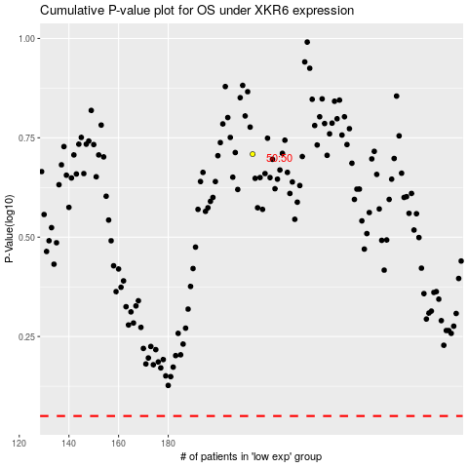

 |  |  |  |  |  | cases_OS | p_OS | rank | exp
 |  |  |  |  |  |  | cases_RFS | p_RFS | rank | exp

