XKR9 _multivariate
Reported by Tex Li-Hsing Chi. tex@gate.sinica.edu.tw 2019-06-15

Table 2. The correlation of XKR9 expression and clinical features.
Cutoff at -0.208 (50.1%)
 |  | XKR9 expression |  | XKR9 expression |  | (Optimised)
 | Features | Low | (%) | High | (%) | Case no | P-value | Remark | Matthews
Gender | Female | 153 | 35.9 | 159 | 37.3 | 426 | 0.2071 | 0 | 0
2 | Male | 60 | 14.1 | 54 | 12.7
Age at diagnosis | <=65y | 135 | 31.7 | 144 | 33.8 | 426 | 0.2555 | 0 | 0
4 | >65y | 78 | 18.3 | 69 | 16.2
Clinical T Status | T1+T2 | 81 | 19 | 74 | 17.4 | 426 | 0.5861 | 0 | 0
6 | T3+T4 | 132 | 31 | 139 | 32.6
Clinical N Status | N0 | 115 | 27 | 108 | 25.4 | 426 | 0.4592 | 0 | 0
8 | N1-3 | 98 | 23 | 105 | 24.6
Clinical M Status | M0 | 212 | 49.8 | 211 | 49.5 | 426 | 0.8422 | 0 | 0
10 | M1 | 1 | 0.2 | 2 | 0.5
Clinical Stage | Stage I+II | 55 | 12.9 | 52 | 12.2 | 426 | 0.7995 | 0 | 0
12 | Stage III+IV | 158 | 37.1 | 161 | 37.8
Surgical Margin status | Negative | 162 | 38 | 166 | 39 | 426 | 0.7298 | 0 | 0
14 | Positive | 51 | 12 | 47 | 11

Table 3. Univariate/Multivariate Cox proportional hazards regression analyses on OS time of XKR9 gene expression in HNSCC

 |  | Univariate |  |  |  | Multivariate
 | Features | HR | CI95%(L) | CI95%(H) | P-value | HR | CI95%(L) | CI95%(H) | P-value
1 | Female | 1 |  |  |  | 1
Gender | Male | 1.232 | 0.908 | 1.671 | 0.18 | 1.164 | 0.847 | 1.601 | 0.35
11 | <=65y | 1 |  |  |  | 1
Age at diagnosis | >65y | 1.381 | 1.037 | 1.84 | 0.027 | 1.322 | 0.98 | 1.783 | 0.067
12 | T1+T2 | 1 |  |  |  | 1
Clinical T Status | T3+T4 | 1.393 | 1.026 | 1.893 | 0.034 | 2.123 | 1.15 | 3.918 | 0.016
13 | N0 | 1 |  |  |  | 1
Clinical N Status | N1-3 | 1.2 | 0.907 | 1.588 | 0.203 | 1.217 | 0.855 | 1.734 | 0.275
14 | M0 | 1 |  |  |  | 1
Clinical M Status | M1 | 4.039 | 0.995 | 16.398 | 0.051 | 8.263 | 1.823 | 37.452 | 0.006
15 | Stage I+II | 1 |  |  |  | 1
Clinical Stage | Stage III+IV | 1.256 | 0.897 | 1.757 | 0.184 | 0.553 | 0.264 | 1.158 | 0.116
16 | Negative | 1 |  |  |  | 1
Surgical Margin status | Positive | 1.61 | 1.176 | 2.203 | 0.003 | 1.653 | 1.201 | 2.277 | 0.002
17 | Low | 1 |  |  |  | 1
RNAseq(z-score) | High | 1.168 | 0.881 | 1.548 | 0.28 | 1.151 | 0.865 | 1.533 | 0.334

Table 4. Univariate/Multivariate Cox proportional hazards regression analyses on RFS time of XKR9 gene expression in HNSCC

 |  | Univariate |  |  |  | Multivariate
 | Features | HR | CI95%(L) | CI95%(H) | P-value | HR | CI95%(L) | CI95%(H) | P-value
1 | Female | 1 |  |  |  | 1
Gender | Male | 1.232 | 0.908 | 1.671 | 0.18 | 1.164 | 0.847 | 1.601 | 0.35
11 | <=65y | 1 |  |  |  | 1
Age at diagnosis | >65y | 1.381 | 1.037 | 1.84 | 0.027 | 1.322 | 0.98 | 1.783 | 0.067
12 | T1+T2 | 1 |  |  |  | 1
Clinical T Status | T3+T4 | 1.393 | 1.026 | 1.893 | 0.034 | 2.123 | 1.15 | 3.918 | 0.016
13 | N0 | 1 |  |  |  | 1
Clinical N Status | N1-3 | 1.2 | 0.907 | 1.588 | 0.203 | 1.217 | 0.855 | 1.734 | 0.275
14 | M0 | 1 |  |  |  | 1
Clinical M Status | M1 | 4.039 | 0.995 | 16.398 | 0.051 | 8.263 | 1.823 | 37.452 | 0.006
15 | Stage I+II | 1 |  |  |  | 1
Clinical Stage | Stage III+IV | 1.256 | 0.897 | 1.757 | 0.184 | 0.553 | 0.264 | 1.158 | 0.116
16 | Negative | 1 |  |  |  | 1
Surgical Margin status | Positive | 1.61 | 1.176 | 2.203 | 0.003 | 1.653 | 1.201 | 2.277 | 0.002
17 | Low | 1 |  |  |  | 1
RNAseq(z-score) | High | 1.168 | 0.881 | 1.548 | 0.28 | 1.151 | 0.865 | 1.533 | 0.334

Kaplan-Meier survival estimate: Cutoff at -0.208 (50.1%)



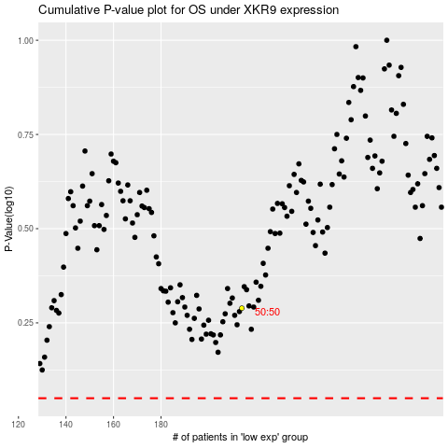

 |  |  |  |  |  | cases_OS | p_OS | rank | exp
 |  |  |  |  |  |  | cases_RFS | p_RFS | rank | exp

