Survival_candidates
Reported by Tex Li-Hsing Chi. tex@gate.sinica.edu.tw The cohort with surgical margins status (0 or 1) 2019-07-22

Table 1. The top 30 candiate genes expressed in HNSCC (ranking by KM P-value, selected by Z-score >= 0.8)

 | Gene_id | P_value | Z_score
20215 | ZNF557 | 2.09e-08 | 2.28
4952 | DKK1 | 7.18e-08 | 2.3
8363 | IL19 | 1.51e-07 | 2.15
5735 | EVPLL | 2.86e-07 | 2.3
20022 | ZNF266 | 3.21e-07 | 2.3
2896 | CAMK2N1 | 3.27e-07 | 1.93
11428 | MYO1H | 9.01e-07 | 2.28
7382 | GRAP | 1.08e-06 | 2.28
19214 | USP10 | 1.09e-06 | 2.07
7679 | HDC | 1.10e-06 | 2.22
13274 | PGK1 | 1.26e-06 | 2.28
20428 | ZNF846 | 1.42e-06 | 2.3
11664 | NDFIP1 | 1.63e-06 | 1.31
17479 | SURF4 | 1.66e-06 | 2.28
6286 | FCGBP | 1.70e-06 | 2.3
10618 | MASP1 | 2.24e-06 | 2.3
5126 | DOT1L | 2.39e-06 | 2.11
3542 | CELSR3 | 2.52e-06 | 2.3
19285 | UTY | 2.64e-06 | 2.18
5934 | FAM162B | 2.66e-06 | 2.28
9157 | KLRA1 | 2.66e-06 | 2.22
5387 | EFNB2 | 2.87e-06 | 2.28
5428 | EIF2AK1 | 4.13e-06 | 1.08
6517 | FLT3 | 4.27e-06 | 2.28
17346 | STC2 | 4.34e-06 | 2.28
18495 | TP53INP1 | 5.28e-06 | 2.3
17797 | TCP11 | 5.44e-06 | 2.13
752 | ANXA8L2 | 6.20e-06 | 1.22
10772 | MEIS1 | 6.23e-06 | 2.3
18401 | TNFRSF4 | 6.35e-06 | 2.28

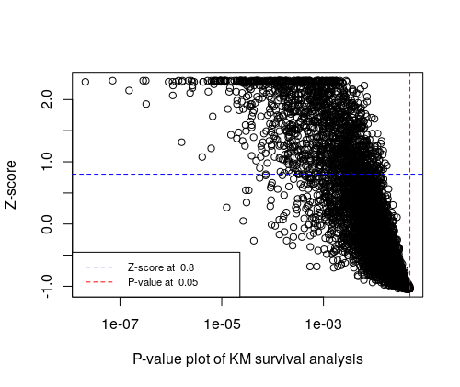

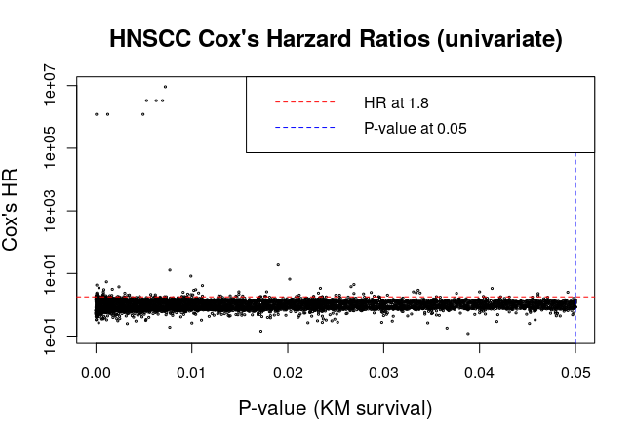

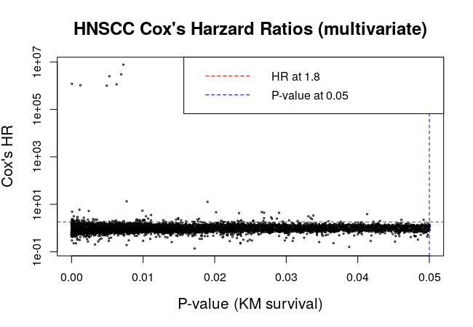

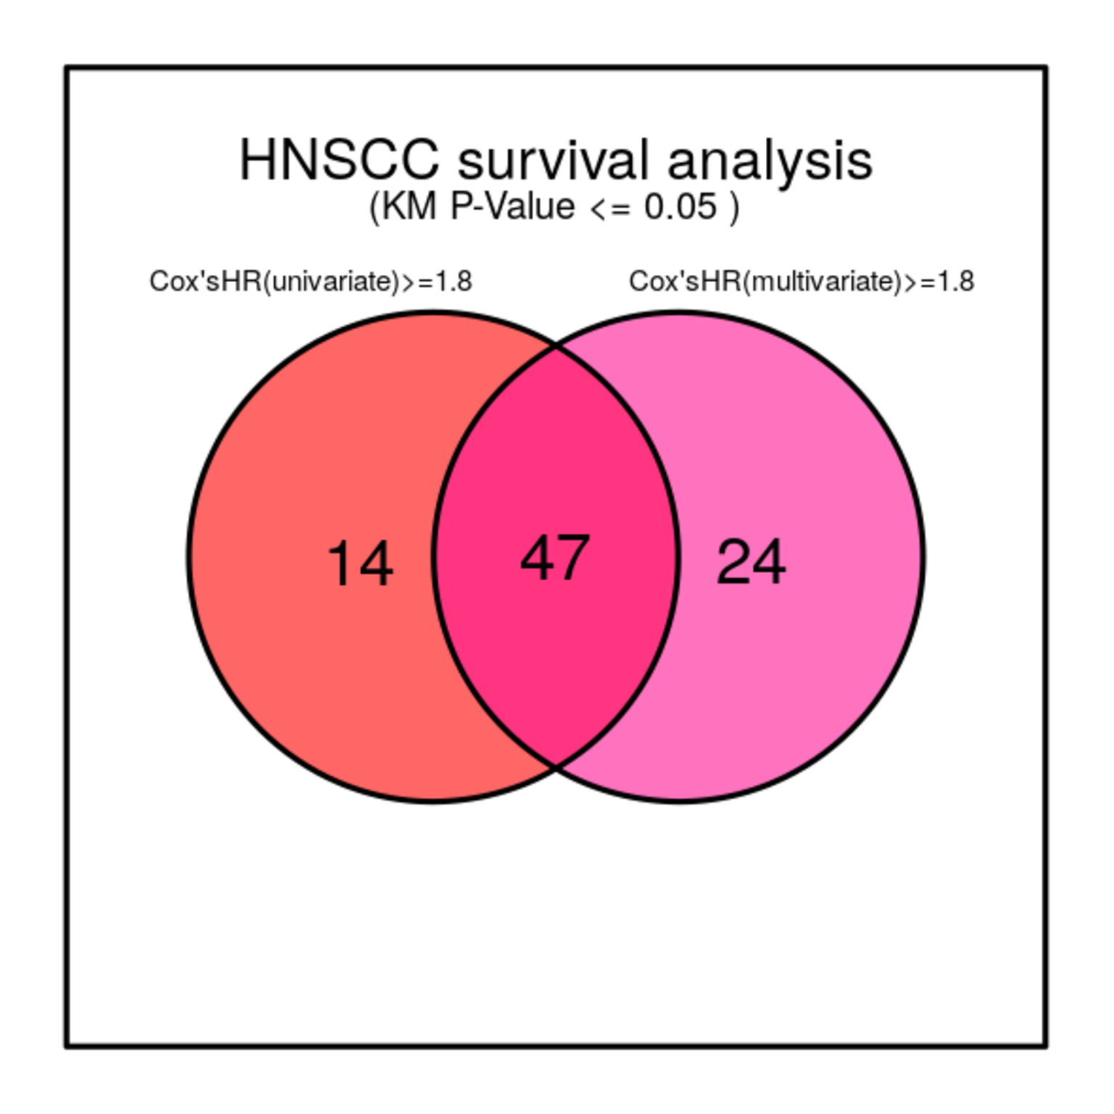

Table 2A. The 47 consensus candiate genes (uni_ & multi_CoxHR > 1.8) in HNSCC (bad guy)

gene_id | p_value | z_score | uni_HR | uni_P_value | multi_HR | multi_P_value
EIF2AK1 | 4.13e-06 | 1.08 | 1.937 | 0.001 | 1.814 | 0
SMPX | 3.89e-05 | 1.59 | 1.887 | 0.001 | 1.92 | 0
TMBIM6 | 4.87e-05 | 2.28 | 1.904 | 0.014 | 1.835 | 0.023
TMLHE | 6.45e-05 | 1.31 | 2.207 | 0.001 | 2.202 | 0
PCTP | 7.66e-05 | 2.30 | 4.286 | 0.041 | 4.915 | 0.027
SPOCK1 | 8.63e-05 | 2.05 | 2.389 | 0.001 | 2.413 | 0
PGRMC1 | 9.29e-05 | 2.28 | 1.841 | 0.004 | 1.805 | 0.006
ITFG1 | 1.26e-04 | 0.56 | 1.808 | 0.001 | 1.811 | 0
SFXN1 | 3.12e-04 | 1.55 | 3.476 | 0.006 | 3.138 | 0.014
HOXA1 | 3.24e-04 | 1.91 | 1.827 | 0.001 | 1.954 | 0
PRELID2 | 3.29e-04 | 1.10 | 1.853 | 0.001 | 2.055 | 0
MS4A15 | 6.83e-04 | 0.80 | 1.908 | 0.001 | 2.007 | 0
NDUFV1 | 7.22e-04 | 1.22 | 2.067 | 0.034 | 2.119 | 0.03
ARL6IP1 | 7.93e-04 | 2.13 | 2.233 | 0.028 | 2.451 | 0.015
PA2G4P4 | 8.23e-04 | 0.88 | 3.049 | 0.028 | 2.962 | 0.032
NDNL2 | 1.05e-03 | 2.28 | 1.949 | 0.026 | 2.097 | 0.014
BANF1 | 1.66e-03 | 0.37 | 1.995 | 0.005 | 2.087 | 0.003
GANAB | 2.28e-03 | 1.55 | 1.863 | 0.007 | 2.267 | 0.001
DPH3B | 3.01e-03 | 1.16 | 2.357 | 0.039 | 2.382 | 0.038
DHCR7 | 3.31e-03 | 1.37 | 1.997 | 0.016 | 2.272 | 0.005
BRIX1 | 6.19e-03 | 0.60 | 2.091 | 0.014 | 1.843 | 0.043
MYOF | 7.33e-03 | 0.46 | 1.815 | 0.005 | 1.952 | 0.002
HIGD1B | 7.70e-03 | 0.15 | 12.777 | 0.012 | 13.344 | 0.012
ERGIC1 | 9.24e-03 | 0.41 | 1.84 | 0.042 | 2.184 | 0.01
FAM10A4 | 9.51e-03 | -0.45 | 1.806 | 0.001 | 1.811 | 0.001
RRAS2 | 9.90e-03 | 0.46 | 8.234 | 0.001 | 5.42 | 0
XPNPEP1 | 1.01e-02 | -0.72 | 2.092 | 0.001 | 2.079 | 0.001
DUSP9 | 1.07e-02 | 0.58 | 2.384 | 0.015 | 2.508 | 0.013
NEK6 | 1.11e-02 | 0.46 | 4.121 | 0.005 | 3.545 | 0.015
IQSEC1 | 1.28e-02 | -0.66 | 1.922 | 0.036 | 2.147 | 0.015
LONP2 | 1.30e-02 | -0.11 | 1.923 | 0.035 | 1.886 | 0.045
MT1F | 1.40e-02 | 0.31 | 1.942 | 0.026 | 1.871 | 0.036
COX7A2L | 1.49e-02 | -0.23 | 2.608 | 0.001 | 2.63 | 0.002
CNIH | 1.49e-02 | -0.68 | 2.188 | 0.042 | 2.416 | 0.024
DHX35 | 1.53e-02 | -0.68 | 1.917 | 0.013 | 2.129 | 0.005
HDAC3 | 1.77e-02 | -0.58 | 1.862 | 0.005 | 1.871 | 0.005
CENPN | 1.78e-02 | -0.78 | 2.606 | 0.001 | 2.467 | 0.002
HMGN5 | 1.90e-02 | -0.92 | 18.617 | 0.004 | 12.679 | 0.014
CD1A | 2.02e-02 | -0.13 | 6.62 | 0.008 | 4.643 | 0.038
RNF121 | 2.32e-02 | 0.31 | 2.369 | 0.008 | 2.007 | 0.038
FAM55C | 2.36e-02 | -0.66 | 1.8 | 0.041 | 1.946 | 0.022
HAUS2 | 2.36e-02 | -0.92 | 1.817 | 0.012 | 1.957 | 0.006
NUF2 | 2.69e-02 | -0.82 | 4.451 | 0.036 | 4.42 | 0.037
RTTN | 2.95e-02 | -0.80 | 1.829 | 0.011 | 1.907 | 0.008
AMIGO2 | 3.04e-02 | -0.48 | 2.048 | 0.013 | 2.105 | 0.01
LAMP1 | 4.22e-02 | -1.00 | 1.808 | 0.004 | 1.856 | 0.003
ERCC6 | 4.92e-02 | -1.04 | 2.522 | 0.003 | 2.237 | 0.012

Table 2B. The candiate genes (uni_CoxHR >1.8) in HNSCC (bad guy)

gene_id | p_value | z_score | uni_HR | uni_P_value | multi_HR | multi_P_value | Age at diagnosis | Clinical T Status | Clinical N Status | Clinical M Status | Clinical Stage
EIF2AK1 | 4.13e-06 | 1.08 | 1.937 | 0.001 | 1.814 | 0 | 0 | 0 | 0 | 0 | 0
SMPX | 3.08e-05 | 2.05 | 1.812 | 0.001 | 1.788 | 0 | 0 | 0 | 0 | 0 | 0
TMBIM6 | 3.89e-05 | 1.59 | 1.887 | 0.001 | 1.92 | 0 | 1 | 1 | 0 | 0 | 1
TMLHE | 4.87e-05 | 2.28 | 1.904 | 0.014 | 1.835 | 0.023 | 0 | 0 | 0 | 0 | 0
PCTP | 6.45e-05 | 1.31 | 2.207 | 0.001 | 2.202 | 0 | 0 | 0 | 0 | 0 | 0
SPOCK1 | 7.66e-05 | 2.30 | 4.286 | 0.041 | 4.915 | 0.027 | 1 | 0 | 0 | 0 | 0
PGRMC1 | 8.63e-05 | 2.05 | 2.389 | 0.001 | 2.413 | 0 | 1 | 0 | 0 | 0 | 0
ITFG1 | 9.29e-05 | 2.28 | 1.841 | 0.004 | 1.805 | 0.006 | 0 | 1 | 1 | 0 | 1
SFXN1 | 1.26e-04 | 0.56 | 1.808 | 0.001 | 1.811 | 0 | 0 | 0 | 0 | 0 | 0
HOXA1 | 2.21e-04 | 1.49 | 1.949 | 0.006 | 1.772 | 0.02 | 0 | 0 | 0 | 0 | 0
PRELID2 | 2.43e-04 | 1.47 | 1.828 | 0.001 | 1.686 | 0.005 | 0 | 0 | 0 | 0 | 0
MS4A15 | 3.12e-04 | 1.55 | 3.476 | 0.006 | 3.138 | 0.014 | 0 | 0 | 0 | 0 | 0
NDUFV1 | 3.24e-04 | 1.91 | 1.827 | 0.001 | 1.954 | 0 | 0 | 1 | 0 | 0 | 0
ARL6IP1 | 3.29e-04 | 1.10 | 1.853 | 0.001 | 2.055 | 0 | 0 | 0 | 0 | 0 | 0
PA2G4P4 | 6.60e-04 | -0.07 | 1.834 | 0.001 | 1.652 | 0.001 | 0 | 0 | 0 | 0 | 0
NDNL2 | 6.83e-04 | 0.80 | 1.908 | 0.001 | 2.007 | 0 | 0 | 0 | 0 | 0 | 0
BANF1 | 7.22e-04 | 1.22 | 2.067 | 0.034 | 2.119 | 0.03 | 0 | 0 | 0 | 0 | 0
GANAB | 7.81e-04 | -0.43 | 2.577 | 0.006 | 1.943 | 0.061 | 0 | 0 | 0 | 0 | 0
DPH3B | 7.93e-04 | 2.13 | 2.233 | 0.028 | 2.451 | 0.015 | 0 | 0 | 0 | 0 | 0
DHCR7 | 8.23e-04 | 0.88 | 3.049 | 0.028 | 2.962 | 0.032 | 0 | 0 | 0 | 0 | 0
BRIX1 | 9.58e-04 | 2.01 | 1.811 | 0.003 | 1.67 | 0.011 | 0 | 0 | 0 | 0 | 0
MYOF | 1.05e-03 | 2.28 | 1.949 | 0.026 | 2.097 | 0.014 | 0 | 0 | 0 | 0 | 0
HIGD1B | 1.66e-03 | 0.37 | 1.995 | 0.005 | 2.087 | 0.003 | 0 | 0 | 0 | 0 | 0
ERGIC1 | 2.28e-03 | 1.55 | 1.863 | 0.007 | 2.267 | 0.001 | 0 | 0 | 0 | 0 | 0
FAM10A4 | 2.91e-03 | 0.35 | 1.835 | 0.001 | 1.732 | 0.002 | 0 | 0 | 0 | 0 | 0
RRAS2 | 3.01e-03 | 1.16 | 2.357 | 0.039 | 2.382 | 0.038 | 0 | 0 | 0 | 0 | 0
XPNPEP1 | 3.31e-03 | 1.37 | 1.997 | 0.016 | 2.272 | 0.005 | 0 | 0 | 0 | 0 | 0
DUSP9 | 4.54e-03 | -0.19 | 1.84 | 0.05 | 1.826 | 0.055 | 0 | 0 | 1 | 0 | 0
NEK6 | 6.19e-03 | 0.60 | 2.091 | 0.014 | 1.843 | 0.043 | 0 | 1 | 0 | 0 | 1
IQSEC1 | 7.33e-03 | 0.46 | 1.815 | 0.005 | 1.952 | 0.002 | 1 | 0 | 1 | 0 | 0
LONP2 | 7.70e-03 | 0.15 | 12.777 | 0.012 | 13.344 | 0.012 | 0 | 0 | 0 | 0 | 0
MT1F | 8.97e-03 | -0.70 | 1.863 | 0.03 | 1.782 | 0.046 | 0 | 0 | 0 | 0 | 0
COX7A2L | 9.24e-03 | 0.41 | 1.84 | 0.042 | 2.184 | 0.01 | 0 | 0 | 0 | 0 | 0
CNIH | 9.51e-03 | -0.45 | 1.806 | 0.001 | 1.811 | 0.001 | 0 | 0 | 0 | 0 | 0
DHX35 | 9.90e-03 | 0.46 | 8.234 | 0.001 | 5.42 | 0 | 0 | 0 | 0 | 0 | 0
HDAC3 | 9.92e-03 | 0.41 | 2.112 | 0.038 | 1.955 | 0.065 | 0 | 0 | 0 | 0 | 0
CENPN | 1.01e-02 | -0.72 | 2.092 | 0.001 | 2.079 | 0.001 | 0 | 0 | 0 | 0 | 0
HMGN5 | 1.02e-02 | 0.11 | 2.903 | 0.02 | 2.222 | 0.089 | 0 | 0 | 0 | 0 | 0
CD1A | 1.07e-02 | 0.58 | 2.384 | 0.015 | 2.508 | 0.013 | 0 | 1 | 0 | 0 | 0
RNF121 | 1.11e-02 | 0.46 | 4.121 | 0.005 | 3.545 | 0.015 | 0 | 0 | 1 | 0 | 0
FAM55C | 1.28e-02 | -0.66 | 1.922 | 0.036 | 2.147 | 0.015 | 0 | 0 | 0 | 0 | 0
HAUS2 | 1.30e-02 | -0.11 | 1.923 | 0.035 | 1.886 | 0.045 | 1 | 0 | 1 | 0 | 0
NUF2 | 1.40e-02 | 0.31 | 1.942 | 0.026 | 1.871 | 0.036 | 0 | 0 | 0 | 0 | 0
RTTN | 1.49e-02 | -0.23 | 2.608 | 0.001 | 2.63 | 0.002 | 0 | 0 | 0 | 0 | 0
AMIGO2 | 1.49e-02 | -0.68 | 2.188 | 0.042 | 2.416 | 0.024 | 0 | 0 | 1 | 0 | 0
LAMP1 | 1.53e-02 | -0.68 | 1.917 | 0.013 | 2.129 | 0.005 | 0 | 0 | 0 | 0 | 0
ERCC6 | 1.77e-02 | -0.58 | 1.862 | 0.005 | 1.871 | 0.005 | 0 | 0 | 0 | 0 | 0
PDIA3P | 1.78e-02 | -0.78 | 2.606 | 0.001 | 2.467 | 0.002 | 0 | 0 | 0 | 0 | 0
NIP7 | 1.90e-02 | -0.92 | 18.617 | 0.004 | 12.679 | 0.014 | 0 | 0 | 0 | 0 | 0
DDX24 | 2.02e-02 | -0.13 | 6.62 | 0.008 | 4.643 | 0.038 | 1 | 0 | 0 | 0 | 0
TAX1BP1 | 2.27e-02 | -0.50 | 1.861 | 0.001 | 1.75 | 0.004 | 0 | 0 | 0 | 0 | 0
ATF6 | 2.27e-02 | -0.88 | 1.827 | 0.036 | 1.763 | 0.05 | 0 | 0 | 0 | 0 | 0
ERRFI1 | 2.32e-02 | 0.31 | 2.369 | 0.008 | 2.007 | 0.038 | 0 | 1 | 0 | 0 | 0
DDX19B | 2.36e-02 | -0.66 | 1.8 | 0.041 | 1.946 | 0.022 | 0 | 0 | 0 | 0 | 0
RUVBL2 | 2.36e-02 | -0.92 | 1.817 | 0.012 | 1.957 | 0.006 | 0 | 0 | 0 | 0 | 0
IPO4 | 2.69e-02 | -0.82 | 4.451 | 0.036 | 4.42 | 0.037 | 0 | 0 | 0 | 0 | 0
MRPS30 | 2.95e-02 | -0.80 | 1.829 | 0.011 | 1.907 | 0.008 | 0 | 0 | 0 | 0 | 0
ATPBD4 | 3.04e-02 | -0.48 | 2.048 | 0.013 | 2.105 | 0.01 | 0 | 0 | 0 | 0 | 0
HOXC8 | 3.55e-02 | -0.98 | 1.819 | 0.045 | 1.66 | 0.096 | 0 | 1 | 0 | 0 | 0
MRRF | 4.22e-02 | -1.00 | 1.808 | 0.004 | 1.856 | 0.003 | 0 | 0 | 0 | 0 | 0
AUP1 | 4.92e-02 | -1.04 | 2.522 | 0.003 | 2.237 | 0.012 | 0 | 0 | 0 | 0 | 0

Table 2C. The candiate genes (multi_CoxHR >1.8) in HNSCC (bad guy)

gene_id | p_value | z_score | uni_HR | uni_P_value | multi_HR | multi_P_value | Age at diagnosis | Clinical T Status | Clinical N Status | Clinical M Status | Clinical Stage
EIF2AK1 | 4.13e-06 | 1.08 | 1.937 | 0.001 | 1.814 | 0 | 0 | 0 | 0 | 0 | 0
SMPX | 1.48e-05 | 2.28 | 1.73 | 0.001 | 1.817 | 0 | 0 | 0 | 0 | 0 | 0
TMBIM6 | 3.89e-05 | 1.59 | 1.887 | 0.001 | 1.92 | 0 | 1 | 1 | 0 | 0 | 1
TMLHE | 4.87e-05 | 2.28 | 1.904 | 0.014 | 1.835 | 0.023 | 0 | 0 | 0 | 0 | 0
PCTP | 6.45e-05 | 1.31 | 2.207 | 0.001 | 2.202 | 0 | 0 | 0 | 0 | 0 | 0
SPOCK1 | 7.30e-05 | 0.78 | 1.793 | 0.091 | 2.15 | 0.03 | 0 | 0 | 0 | 0 | 0
PGRMC1 | 7.66e-05 | 2.30 | 4.286 | 0.041 | 4.915 | 0.027 | 1 | 0 | 0 | 0 | 0
ITFG1 | 8.63e-05 | 2.05 | 2.389 | 0.001 | 2.413 | 0 | 1 | 0 | 0 | 0 | 0
SFXN1 | 9.29e-05 | 2.28 | 1.841 | 0.004 | 1.805 | 0.006 | 0 | 1 | 1 | 0 | 1
HOXA1 | 1.26e-04 | 0.56 | 1.808 | 0.001 | 1.811 | 0 | 0 | 0 | 0 | 0 | 0
PRELID2 | 1.89e-04 | 2.20 | 1.798 | 0.03 | 2.151 | 0.006 | 0 | 0 | 0 | 0 | 0
MS4A15 | 2.71e-04 | 1.45 | 1.707 | 0.019 | 1.823 | 0.01 | 0 | 0 | 0 | 0 | 0
NDUFV1 | 2.84e-04 | 1.51 | 1.625 | 0.072 | 1.907 | 0.019 | 0 | 0 | 0 | 0 | 0
ARL6IP1 | 3.12e-04 | 1.55 | 3.476 | 0.006 | 3.138 | 0.014 | 0 | 0 | 0 | 0 | 0
PA2G4P4 | 3.24e-04 | 1.91 | 1.827 | 0.001 | 1.954 | 0 | 0 | 1 | 0 | 0 | 0
NDNL2 | 3.29e-04 | 1.10 | 1.853 | 0.001 | 2.055 | 0 | 0 | 0 | 0 | 0 | 0
BANF1 | 3.88e-04 | 0.42 | 1.709 | 0.005 | 1.833 | 0.002 | 0 | 0 | 0 | 0 | 1
GANAB | 4.18e-04 | 0.09 | 1.731 | 0.001 | 1.866 | 0 | 0 | 0 | 0 | 0 | 0
DPH3B | 6.83e-04 | 0.80 | 1.908 | 0.001 | 2.007 | 0 | 0 | 0 | 0 | 0 | 0
DHCR7 | 7.22e-04 | 1.22 | 2.067 | 0.034 | 2.119 | 0.03 | 0 | 0 | 0 | 0 | 0
BRIX1 | 7.93e-04 | 2.13 | 2.233 | 0.028 | 2.451 | 0.015 | 0 | 0 | 0 | 0 | 0
MYOF | 8.23e-04 | 0.88 | 3.049 | 0.028 | 2.962 | 0.032 | 0 | 0 | 0 | 0 | 0
HIGD1B | 8.77e-04 | 2.24 | 1.723 | 0.001 | 1.837 | 0 | 0 | 0 | 0 | 0 | 0
ERGIC1 | 1.05e-03 | 2.28 | 1.949 | 0.026 | 2.097 | 0.014 | 0 | 0 | 0 | 0 | 0
FAM10A4 | 1.50e-03 | 1.75 | 1.782 | 0.001 | 1.86 | 0.001 | 0 | 0 | 0 | 0 | 0
RRAS2 | 1.63e-03 | 0.27 | 1.679 | 0.003 | 1.814 | 0.001 | 0 | 0 | 0 | 0 | 0
XPNPEP1 | 1.66e-03 | 0.37 | 1.995 | 0.005 | 2.087 | 0.003 | 0 | 0 | 0 | 0 | 0
DUSP9 | 2.28e-03 | 1.55 | 1.863 | 0.007 | 2.267 | 0.001 | 0 | 0 | 0 | 0 | 0
NEK6 | 3.01e-03 | 1.16 | 2.357 | 0.039 | 2.382 | 0.038 | 0 | 0 | 0 | 0 | 0
IQSEC1 | 3.03e-03 | 0.44 | 1.785 | 0.003 | 1.985 | 0.001 | 0 | 0 | 0 | 0 | 0
LONP2 | 3.31e-03 | 1.37 | 1.997 | 0.016 | 2.272 | 0.005 | 0 | 0 | 0 | 0 | 0
MT1F | 5.26e-03 | 0.03 | 1.707 | 0.003 | 1.854 | 0.001 | 0 | 0 | 0 | 0 | 0
COX7A2L | 6.04e-03 | -0.48 | 1.671 | 0.024 | 1.909 | 0.005 | 0 | 0 | 0 | 0 | 0
CNIH | 6.19e-03 | 0.60 | 2.091 | 0.014 | 1.843 | 0.043 | 0 | 1 | 0 | 0 | 1
DHX35 | 7.16e-03 | -0.60 | 1.82 | 0.054 | 1.871 | 0.048 | 1 | 0 | 0 | 0 | 0
HDAC3 | 7.33e-03 | 0.46 | 1.815 | 0.005 | 1.952 | 0.002 | 1 | 0 | 1 | 0 | 0
CENPN | 7.70e-03 | 0.15 | 12.777 | 0.012 | 13.344 | 0.012 | 0 | 0 | 0 | 0 | 0
HMGN5 | 9.24e-03 | 0.41 | 1.84 | 0.042 | 2.184 | 0.01 | 0 | 0 | 0 | 0 | 0
CD1A | 9.48e-03 | -0.07 | 1.74 | 0.035 | 1.836 | 0.021 | 0 | 0 | 0 | 0 | 0
RNF121 | 9.51e-03 | -0.45 | 1.806 | 0.001 | 1.811 | 0.001 | 0 | 0 | 0 | 0 | 0
FAM55C | 9.90e-03 | 0.46 | 8.234 | 0.001 | 5.42 | 0 | 0 | 0 | 0 | 0 | 0
HAUS2 | 1.00e-02 | 0.01 | 1.75 | 0.147 | 2.236 | 0.042 | 0 | 0 | 0 | 0 | 0
NUF2 | 1.01e-02 | -0.72 | 2.092 | 0.001 | 2.079 | 0.001 | 0 | 0 | 0 | 0 | 0
RTTN | 1.07e-02 | 0.58 | 2.384 | 0.015 | 2.508 | 0.013 | 0 | 1 | 0 | 0 | 0
AMIGO2 | 1.11e-02 | 0.46 | 4.121 | 0.005 | 3.545 | 0.015 | 0 | 0 | 1 | 0 | 0
LAMP1 | 1.28e-02 | -0.66 | 1.922 | 0.036 | 2.147 | 0.015 | 0 | 0 | 0 | 0 | 0
ERCC6 | 1.30e-02 | -0.11 | 1.923 | 0.035 | 1.886 | 0.045 | 1 | 0 | 1 | 0 | 0
STIP1 | 1.40e-02 | 0.31 | 1.942 | 0.026 | 1.871 | 0.036 | 0 | 0 | 0 | 0 | 0
DDX18 | 1.46e-02 | -0.66 | 1.901 | 0.097 | 2.262 | 0.04 | 0 | 0 | 0 | 0 | 0
LOC723972 | 1.49e-02 | -0.23 | 2.608 | 0.001 | 2.63 | 0.002 | 0 | 0 | 0 | 0 | 0
FXR1 | 1.49e-02 | -0.68 | 2.188 | 0.042 | 2.416 | 0.024 | 0 | 0 | 1 | 0 | 0
MYH1 | 1.53e-02 | -0.68 | 1.917 | 0.013 | 2.129 | 0.005 | 0 | 0 | 0 | 0 | 0
SEMA3C | 1.69e-02 | -0.70 | 1.606 | 0.062 | 1.848 | 0.017 | 0 | 0 | 0 | 0 | 0
ITGA3 | 1.77e-02 | -0.58 | 1.862 | 0.005 | 1.871 | 0.005 | 0 | 0 | 0 | 0 | 0
TIMP4 | 1.78e-02 | -0.78 | 2.606 | 0.001 | 2.467 | 0.002 | 0 | 0 | 0 | 0 | 0
KDELC1 | 1.81e-02 | -0.15 | 1.755 | 0.031 | 1.818 | 0.024 | 0 | 1 | 0 | 0 | 0
RNF219 | 1.90e-02 | -0.92 | 18.617 | 0.004 | 12.679 | 0.014 | 0 | 0 | 0 | 0 | 0
KPNB1 | 2.02e-02 | -0.13 | 6.62 | 0.008 | 4.643 | 0.038 | 1 | 0 | 0 | 0 | 0
SEC62 | 2.32e-02 | 0.31 | 2.369 | 0.008 | 2.007 | 0.038 | 0 | 1 | 0 | 0 | 0
PEX5L | 2.34e-02 | -0.54 | 1.742 | 0.053 | 1.856 | 0.035 | 0 | 0 | 0 | 0 | 0
DYNC1I2 | 2.36e-02 | -0.66 | 1.8 | 0.041 | 1.946 | 0.022 | 0 | 0 | 0 | 0 | 0
YARS2 | 2.36e-02 | -0.92 | 1.817 | 0.012 | 1.957 | 0.006 | 0 | 0 | 0 | 0 | 0
TAB3 | 2.66e-02 | -0.96 | 3.808 | 0.061 | 4.713 | 0.031 | 0 | 0 | 0 | 0 | 0
UBE2Z | 2.69e-02 | -0.62 | 2.303 | 0.067 | 2.608 | 0.037 | 0 | 0 | 0 | 0 | 0
RASD2 | 2.69e-02 | -0.82 | 4.451 | 0.036 | 4.42 | 0.037 | 0 | 0 | 0 | 0 | 0
LIPA | 2.90e-02 | -0.39 | 1.89 | 0.371 | 4.391 | 0.05 | 0 | 1 | 0 | 0 | 0
ABCE1 | 2.95e-02 | -0.80 | 1.829 | 0.011 | 1.907 | 0.008 | 0 | 0 | 0 | 0 | 0
ADHFE1 | 3.04e-02 | -0.48 | 2.048 | 0.013 | 2.105 | 0.01 | 0 | 0 | 0 | 0 | 0
FBXO16 | 3.59e-02 | -0.84 | 1.749 | 0.063 | 1.923 | 0.033 | 0 | 0 | 0 | 0 | 0
ARX | 4.22e-02 | -1.00 | 1.808 | 0.004 | 1.856 | 0.003 | 0 | 0 | 0 | 0 | 0
ZNF484 | 4.92e-02 | -1.04 | 2.522 | 0.003 | 2.237 | 0.012 | 0 | 0 | 0 | 0 | 0

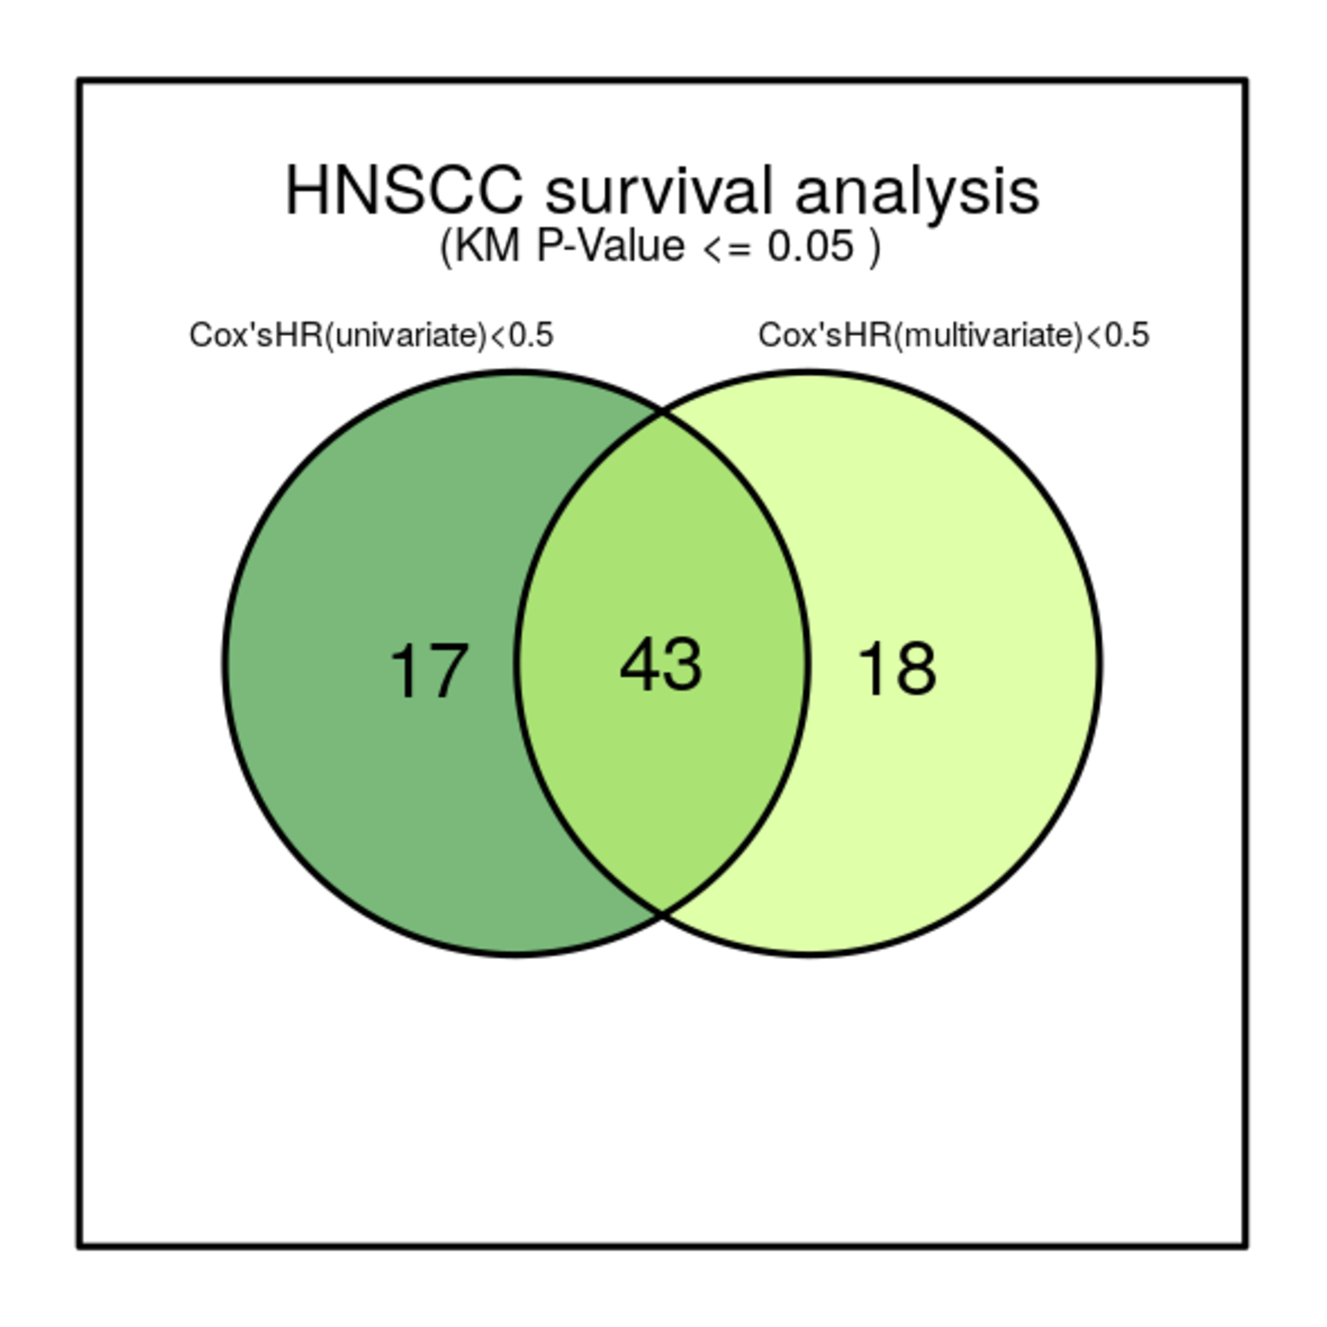

Table 3A. The 43 consensus candiate genes (uni_ & multi_CoxHR < 0.5) in HNSCC (good guy)

gene_id | p_value | z_score | uni_HR | uni_P_value | multi_HR | multi_P_value
MASP1 | 2.24e-06 | 2.30 | 0.42 | 0.001 | 0.448 | 0
IL17REL | 2.85e-05 | 2.30 | 0.41 | 0.001 | 0.442 | 0.001
LOC728743 | 1.35e-04 | 1.73 | 0.426 | 0.004 | 0.439 | 0.006
EZH1 | 4.01e-04 | 0.80 | 0.411 | 0.001 | 0.443 | 0.002
D2HGDH | 5.42e-04 | 0.74 | 0.466 | 0.001 | 0.455 | 0.001
ZNF564 | 9.28e-04 | 2.11 | 0.384 | 0.022 | 0.328 | 0.008
POLN | 1.12e-03 | 0.42 | 0.327 | 0.007 | 0.315 | 0.006
FCRL5 | 1.22e-03 | 2.28 | 0.438 | 0.001 | 0.419 | 0.001
KRI1 | 2.28e-03 | 2.01 | 0.306 | 0.043 | 0.27 | 0.028
TWIST2 | 3.27e-03 | 1.91 | 0.248 | 0.006 | 0.203 | 0.002
KAZ | 3.92e-03 | 0.03 | 0.402 | 0.004 | 0.33 | 0
SHC3 | 4.75e-03 | 0.70 | 0.488 | 0.004 | 0.493 | 0.005
MRGPRF | 5.04e-03 | 0.98 | 0.495 | 0.006 | 0.474 | 0.005
CHAD | 5.23e-03 | -0.13 | 0.338 | 0.017 | 0.371 | 0.03
CCDC64 | 5.52e-03 | 1.57 | 0.394 | 0.003 | 0.395 | 0.003
RNF19A | 6.48e-03 | 0.64 | 0.499 | 0.01 | 0.491 | 0.01
FCRLA | 7.30e-03 | 0.03 | 0.476 | 0.01 | 0.484 | 0.013
UNC13B | 9.15e-03 | -0.60 | 0.489 | 0.017 | 0.474 | 0.014
ZNF862 | 1.00e-02 | 0.50 | 0.26 | 0.021 | 0.29 | 0.034
SERPINA9 | 1.10e-02 | 0.50 | 0.321 | 0.001 | 0.351 | 0.002
MZF1 | 1.18e-02 | -0.31 | 0.425 | 0.002 | 0.423 | 0.003
MAPK11 | 1.31e-02 | 0.13 | 0.491 | 0.017 | 0.422 | 0.004
ZNF354C | 1.63e-02 | 0.07 | 0.473 | 0.005 | 0.478 | 0.007
CMKLR1 | 1.69e-02 | -0.58 | 0.479 | 0.009 | 0.455 | 0.005
ARAP2 | 1.82e-02 | -0.56 | 0.447 | 0.022 | 0.467 | 0.029
ZNF71 | 1.86e-02 | -0.56 | 0.467 | 0.006 | 0.46 | 0.006
ZNF225 | 1.98e-02 | -0.72 | 0.459 | 0.012 | 0.475 | 0.017
ZBTB7B | 2.11e-02 | -0.48 | 0.4 | 0.008 | 0.406 | 0.01
PTPRN2 | 2.12e-02 | -0.37 | 0.451 | 0.039 | 0.431 | 0.031
ZKSCAN3 | 2.21e-02 | -0.72 | 0.265 | 0.023 | 0.281 | 0.03
CYP27C1 | 2.25e-02 | -0.90 | 0.431 | 0.043 | 0.427 | 0.043
PLAUR | 2.36e-02 | -0.76 | 0.271 | 0.01 | 0.237 | 0.005
KLHL36 | 2.46e-02 | -0.64 | 0.305 | 0.042 | 0.281 | 0.033
ATHL1 | 2.49e-02 | -0.92 | 0.346 | 0.001 | 0.323 | 0
CD48 | 2.98e-02 | -0.86 | 0.272 | 0.002 | 0.3 | 0.005
CD7 | 3.00e-02 | -0.64 | 0.449 | 0.001 | 0.388 | 0
PRICKLE4 | 3.03e-02 | -0.70 | 0.494 | 0.023 | 0.498 | 0.026
SCARA5 | 3.09e-02 | -1.02 | 0.299 | 0.008 | 0.286 | 0.006
TUBB2A | 3.10e-02 | -0.94 | 0.429 | 0.005 | 0.379 | 0.001
TBX2 | 3.25e-02 | -1.00 | 0.438 | 0.004 | 0.392 | 0.002
MIDN | 3.66e-02 | -0.94 | 0.179 | 0.001 | 0.232 | 0
MRPL40 | 4.18e-02 | -1.00 | 0.29 | 0.035 | 0.287 | 0.034
HSD17B13 | 4.52e-02 | -1.04 | 0.251 | 0.018 | 0.268 | 0.025

Table 3B. The candiate genes (uni_CoxHR < 0.5) in HNSCC (good guy)

gene_id | p_value | z_score | uni_HR | uni_P_value | multi_HR | multi_P_value | Age at diagnosis | Clinical T Status | Clinical N Status | Clinical M Status | Clinical Stage
MASP1 | 2.24e-06 | 2.30 | 0.42 | 0.001 | 0.448 | 0 | 0 | 0 | 1 | 0 | 0
IL17REL | 2.66e-06 | 2.28 | 0.499 | 0.001 | 0.507 | 0.001 | 0 | 0 | 0 | 0 | 0
LOC728743 | 5.28e-06 | 2.30 | 0.487 | 0.001 | 0.519 | 0 | 0 | 0 | 0 | 0 | 0
EZH1 | 6.65e-06 | 1.73 | 0.477 | 0.001 | 0.526 | 0.004 | 0 | 1 | 0 | 0 | 0
D2HGDH | 7.35e-06 | 2.30 | 0.493 | 0.001 | 0.517 | 0 | 0 | 0 | 0 | 0 | 0
ZNF564 | 2.85e-05 | 2.30 | 0.41 | 0.001 | 0.442 | 0.001 | 0 | 1 | 0 | 0 | 0
POLN | 5.50e-05 | 2.22 | 0.488 | 0.006 | 0.519 | 0.013 | 0 | 0 | 1 | 0 | 0
FCRL5 | 5.59e-05 | 2.28 | 0.445 | 0.025 | 0.489 | 0.052 | 0 | 1 | 0 | 0 | 0
KRI1 | 9.15e-05 | 0.58 | 0.48 | 0.014 | 0.527 | 0.033 | 0 | 0 | 0 | 0 | 0
TWIST2 | 1.35e-04 | 1.73 | 0.426 | 0.004 | 0.439 | 0.006 | 0 | 0 | 0 | 0 | 0
KAZ | 4.01e-04 | 0.80 | 0.411 | 0.001 | 0.443 | 0.002 | 1 | 0 | 0 | 0 | 0
SHC3 | 5.42e-04 | 0.74 | 0.466 | 0.001 | 0.455 | 0.001 | 0 | 0 | 0 | 0 | 0
MRGPRF | 7.27e-04 | 1.97 | 0.363 | 0.026 | 0.403 | 0.052 | 0 | 0 | 0 | 0 | 0
CHAD | 9.28e-04 | 2.11 | 0.384 | 0.022 | 0.328 | 0.008 | 0 | 0 | 0 | 0 | 0
CCDC64 | 1.12e-03 | 0.42 | 0.327 | 0.007 | 0.315 | 0.006 | 0 | 0 | 0 | 0 | 0
RNF19A | 1.22e-03 | 2.28 | 0.438 | 0.001 | 0.419 | 0.001 | 0 | 0 | 0 | 0 | 0
FCRLA | 2.19e-03 | 1.35 | 0.488 | 0.016 | 0.504 | 0.024 | 0 | 0 | 0 | 0 | 0
UNC13B | 2.28e-03 | 2.01 | 0.306 | 0.043 | 0.27 | 0.028 | 0 | 0 | 0 | 0 | 0
ZNF862 | 2.48e-03 | 0.56 | 0.359 | 0.042 | 0.415 | 0.084 | 0 | 0 | 0 | 0 | 0
SERPINA9 | 3.15e-03 | 1.08 | 0.437 | 0.046 | 0.484 | 0.085 | 0 | 1 | 0 | 0 | 0
MZF1 | 3.27e-03 | 1.91 | 0.248 | 0.006 | 0.203 | 0.002 | 0 | 0 | 0 | 0 | 0
MAPK11 | 3.92e-03 | 0.03 | 0.402 | 0.004 | 0.33 | 0 | 0 | 0 | 0 | 0 | 0
ZNF354C | 4.35e-03 | 1.24 | 0.471 | 0.002 | 0.507 | 0.006 | 0 | 1 | 0 | 0 | 0
CMKLR1 | 4.75e-03 | 0.70 | 0.488 | 0.004 | 0.493 | 0.005 | 0 | 1 | 0 | 0 | 0
ARAP2 | 4.80e-03 | 1.06 | 0.408 | 0.014 | 0.521 | 0.097 | 0 | 0 | 0 | 0 | 0
ZNF71 | 5.04e-03 | 0.98 | 0.495 | 0.006 | 0.474 | 0.005 | 0 | 1 | 0 | 1 | 1
ZNF225 | 5.23e-03 | -0.13 | 0.338 | 0.017 | 0.371 | 0.03 | 0 | 1 | 0 | 0 | 0
ZBTB7B | 5.52e-03 | 1.57 | 0.394 | 0.003 | 0.395 | 0.003 | 0 | 0 | 0 | 0 | 0
PTPRN2 | 6.48e-03 | 0.64 | 0.499 | 0.01 | 0.491 | 0.01 | 0 | 0 | 1 | 0 | 0
ZKSCAN3 | 7.30e-03 | 0.03 | 0.476 | 0.01 | 0.484 | 0.013 | 0 | 0 | 0 | 0 | 0
CYP27C1 | 8.85e-03 | -0.05 | 0.409 | 0.049 | 0.47 | 0.1 | 0 | 1 | 0 | 0 | 0
PLAUR | 9.15e-03 | -0.60 | 0.489 | 0.017 | 0.474 | 0.014 | 0 | 0 | 0 | 0 | 0
KLHL36 | 1.00e-02 | 0.50 | 0.26 | 0.021 | 0.29 | 0.034 | 0 | 0 | 0 | 0 | 0
ATHL1 | 1.10e-02 | 0.50 | 0.321 | 0.001 | 0.351 | 0.002 | 0 | 0 | 0 | 0 | 0
CD48 | 1.18e-02 | -0.31 | 0.425 | 0.002 | 0.423 | 0.003 | 0 | 0 | 0 | 0 | 0
CD7 | 1.31e-02 | 0.13 | 0.491 | 0.017 | 0.422 | 0.004 | 0 | 0 | 0 | 0 | 0
PRICKLE4 | 1.63e-02 | 0.07 | 0.473 | 0.005 | 0.478 | 0.007 | 0 | 1 | 0 | 0 | 0
SCARA5 | 1.69e-02 | -0.58 | 0.479 | 0.009 | 0.455 | 0.005 | 0 | 0 | 0 | 0 | 0
TUBB2A | 1.82e-02 | -0.56 | 0.447 | 0.022 | 0.467 | 0.029 | 0 | 0 | 0 | 0 | 0
TBX2 | 1.86e-02 | -0.56 | 0.467 | 0.006 | 0.46 | 0.006 | 0 | 0 | 0 | 0 | 0
MIDN | 1.98e-02 | -0.72 | 0.459 | 0.012 | 0.475 | 0.017 | 0 | 0 | 0 | 0 | 0
MRPL40 | 2.11e-02 | -0.48 | 0.4 | 0.008 | 0.406 | 0.01 | 0 | 0 | 0 | 0 | 0
HSD17B13 | 2.12e-02 | -0.37 | 0.451 | 0.039 | 0.431 | 0.031 | 0 | 0 | 1 | 0 | 0
FAM162B | 2.21e-02 | -0.72 | 0.265 | 0.023 | 0.281 | 0.03 | 0 | 0 | 0 | 0 | 0
TP53INP1 | 2.25e-02 | -0.90 | 0.431 | 0.043 | 0.427 | 0.043 | 0 | 0 | 0 | 0 | 0
KDM5D | 2.32e-02 | -0.74 | 0.495 | 0.001 | 0.506 | 0 | 0 | 0 | 1 | 0 | 0
ZNF558 | 2.36e-02 | -0.76 | 0.271 | 0.01 | 0.237 | 0.005 | 0 | 0 | 0 | 0 | 0
SLC23A1 | 2.44e-02 | -0.64 | 0.478 | 0.014 | 0.537 | 0.04 | 0 | 0 | 0 | 0 | 0
ZNF831 | 2.46e-02 | -0.64 | 0.305 | 0.042 | 0.281 | 0.033 | 0 | 0 | 1 | 0 | 0
DTHD1 | 2.49e-02 | -0.92 | 0.346 | 0.001 | 0.323 | 0 | 0 | 0 | 0 | 0 | 0
RBM33 | 2.98e-02 | -0.86 | 0.272 | 0.002 | 0.3 | 0.005 | 0 | 0 | 0 | 0 | 0
TMEM150C | 3.00e-02 | -0.64 | 0.449 | 0.001 | 0.388 | 0 | 0 | 0 | 0 | 0 | 0
NKTR | 3.03e-02 | -0.70 | 0.494 | 0.023 | 0.498 | 0.026 | 0 | 0 | 1 | 0 | 0
ANKRD44 | 3.09e-02 | -1.02 | 0.299 | 0.008 | 0.286 | 0.006 | 0 | 0 | 0 | 0 | 0
FAM193A | 3.10e-02 | -0.94 | 0.429 | 0.005 | 0.379 | 0.001 | 0 | 0 | 0 | 0 | 0
REPIN1 | 3.25e-02 | -1.00 | 0.438 | 0.004 | 0.392 | 0.002 | 0 | 0 | 0 | 0 | 0
FAM161B | 3.66e-02 | -0.94 | 0.179 | 0.001 | 0.232 | 0 | 0 | 0 | 0 | 0 | 0
TARBP1 | 3.88e-02 | -0.88 | 0.12 | 0.036 | 0.161 | 0.077 | 0 | 0 | 0 | 0 | 0
CDHR5 | 4.18e-02 | -1.00 | 0.29 | 0.035 | 0.287 | 0.034 | 0 | 0 | 0 | 0 | 0
PGBD5 | 4.52e-02 | -1.04 | 0.251 | 0.018 | 0.268 | 0.025 | 0 | 0 | 0 | 0 | 0

Table 3C. The candiate genes (multi_CoxHR < 0.5) in HNSCC (good guy)

gene_id | p_value | z_score | uni_HR | uni_P_value | multi_HR | multi_P_value | Age at diagnosis | Clinical T Status | Clinical N Status | Clinical M Status | Clinical Stage
MASP1 | 3.21e-07 | 2.30 | 0.525 | 0.001 | 0.479 | 0 | 0 | 0 | 0 | 0 | 0
IL17REL | 2.24e-06 | 2.30 | 0.42 | 0.001 | 0.448 | 0 | 0 | 0 | 1 | 0 | 0
LOC728743 | 2.85e-05 | 2.30 | 0.41 | 0.001 | 0.442 | 0.001 | 0 | 1 | 0 | 0 | 0
EZH1 | 1.35e-04 | 1.73 | 0.426 | 0.004 | 0.439 | 0.006 | 0 | 0 | 0 | 0 | 0
D2HGDH | 1.59e-04 | 2.11 | 0.535 | 0.008 | 0.457 | 0.001 | 0 | 0 | 0 | 0 | 0
ZNF564 | 4.01e-04 | 0.80 | 0.411 | 0.001 | 0.443 | 0.002 | 1 | 0 | 0 | 0 | 0
POLN | 5.42e-04 | 0.74 | 0.466 | 0.001 | 0.455 | 0.001 | 0 | 0 | 0 | 0 | 0
FCRL5 | 9.28e-04 | 2.11 | 0.384 | 0.022 | 0.328 | 0.008 | 0 | 0 | 0 | 0 | 0
KRI1 | 1.12e-03 | 0.42 | 0.327 | 0.007 | 0.315 | 0.006 | 0 | 0 | 0 | 0 | 0
TWIST2 | 1.22e-03 | 2.28 | 0.438 | 0.001 | 0.419 | 0.001 | 0 | 0 | 0 | 0 | 0
KAZ | 1.65e-03 | 1.69 | 0.51 | 0.003 | 0.486 | 0.002 | 0 | 0 | 0 | 0 | 0
SHC3 | 2.28e-03 | 2.01 | 0.306 | 0.043 | 0.27 | 0.028 | 0 | 0 | 0 | 0 | 0
MRGPRF | 2.71e-03 | 0.50 | 0.521 | 0.009 | 0.474 | 0.004 | 0 | 0 | 0 | 0 | 0
CHAD | 3.27e-03 | 1.91 | 0.248 | 0.006 | 0.203 | 0.002 | 0 | 0 | 0 | 0 | 0
CCDC64 | 3.92e-03 | 0.03 | 0.402 | 0.004 | 0.33 | 0 | 0 | 0 | 0 | 0 | 0
RNF19A | 4.75e-03 | 0.70 | 0.488 | 0.004 | 0.493 | 0.005 | 0 | 1 | 0 | 0 | 0
FCRLA | 5.04e-03 | 0.98 | 0.495 | 0.006 | 0.474 | 0.005 | 0 | 1 | 0 | 1 | 1
UNC13B | 5.23e-03 | -0.13 | 0.338 | 0.017 | 0.371 | 0.03 | 0 | 1 | 0 | 0 | 0
ZNF862 | 5.52e-03 | 1.57 | 0.394 | 0.003 | 0.395 | 0.003 | 0 | 0 | 0 | 0 | 0
SERPINA9 | 6.48e-03 | 0.64 | 0.499 | 0.01 | 0.491 | 0.01 | 0 | 0 | 1 | 0 | 0
MZF1 | 7.30e-03 | 0.03 | 0.476 | 0.01 | 0.484 | 0.013 | 0 | 0 | 0 | 0 | 0
MAPK11 | 9.15e-03 | -0.60 | 0.489 | 0.017 | 0.474 | 0.014 | 0 | 0 | 0 | 0 | 0
ZNF354C | 1.00e-02 | 0.50 | 0.26 | 0.021 | 0.29 | 0.034 | 0 | 0 | 0 | 0 | 0
CMKLR1 | 1.02e-02 | 1.24 | 0.532 | 0.081 | 0.485 | 0.046 | 0 | 0 | 0 | 0 | 0
ARAP2 | 1.10e-02 | 0.50 | 0.321 | 0.001 | 0.351 | 0.002 | 0 | 0 | 0 | 0 | 0
ZNF71 | 1.18e-02 | -0.31 | 0.425 | 0.002 | 0.423 | 0.003 | 0 | 0 | 0 | 0 | 0
ZNF225 | 1.23e-02 | -0.21 | 0.462 | 0.063 | 0.441 | 0.05 | 0 | 0 | 0 | 0 | 0
ZBTB7B | 1.31e-02 | 0.13 | 0.491 | 0.017 | 0.422 | 0.004 | 0 | 0 | 0 | 0 | 0
PTPRN2 | 1.34e-02 | 1.29 | 0.516 | 0.054 | 0.401 | 0.01 | 1 | 0 | 0 | 0 | 0
ZKSCAN3 | 1.63e-02 | 0.07 | 0.473 | 0.005 | 0.478 | 0.007 | 0 | 1 | 0 | 0 | 0
CYP27C1 | 1.69e-02 | -0.58 | 0.479 | 0.009 | 0.455 | 0.005 | 0 | 0 | 0 | 0 | 0
PLAUR | 1.81e-02 | -0.64 | 0.593 | 0.126 | 0.479 | 0.038 | 0 | 0 | 0 | 1 | 0
KLHL36 | 1.82e-02 | -0.15 | 0.381 | 0.057 | 0.353 | 0.042 | 0 | 0 | 0 | 0 | 0
ATHL1 | 1.82e-02 | -0.56 | 0.447 | 0.022 | 0.467 | 0.029 | 0 | 0 | 0 | 0 | 0
CD48 | 1.86e-02 | -0.56 | 0.467 | 0.006 | 0.46 | 0.006 | 0 | 0 | 0 | 0 | 0
CD7 | 1.98e-02 | -0.72 | 0.459 | 0.012 | 0.475 | 0.017 | 0 | 0 | 0 | 0 | 0
PRICKLE4 | 2.11e-02 | -0.48 | 0.4 | 0.008 | 0.406 | 0.01 | 0 | 0 | 0 | 0 | 0
SCARA5 | 2.12e-02 | -0.37 | 0.451 | 0.039 | 0.431 | 0.031 | 0 | 0 | 1 | 0 | 0
TUBB2A | 2.21e-02 | -0.72 | 0.265 | 0.023 | 0.281 | 0.03 | 0 | 0 | 0 | 0 | 0
TBX2 | 2.25e-02 | -0.90 | 0.431 | 0.043 | 0.427 | 0.043 | 0 | 0 | 0 | 0 | 0
MIDN | 2.36e-02 | -0.43 | 0.431 | 0.241 | 0.226 | 0.044 | 0 | 0 | 0 | 1 | 0
MRPL40 | 2.36e-02 | -0.76 | 0.271 | 0.01 | 0.237 | 0.005 | 0 | 0 | 0 | 0 | 0
HSD17B13 | 2.46e-02 | -0.64 | 0.305 | 0.042 | 0.281 | 0.033 | 0 | 0 | 1 | 0 | 0
ZNF266 | 2.49e-02 | -0.92 | 0.346 | 0.001 | 0.323 | 0 | 0 | 0 | 0 | 0 | 0
SPOCK2 | 2.90e-02 | -0.94 | 0.546 | 0.013 | 0.467 | 0.002 | 0 | 0 | 0 | 0 | 0
SLC13A4 | 2.98e-02 | -0.86 | 0.272 | 0.002 | 0.3 | 0.005 | 0 | 0 | 0 | 0 | 0
CD3E | 3.00e-02 | -0.64 | 0.449 | 0.001 | 0.388 | 0 | 0 | 0 | 0 | 0 | 0
ITSN2 | 3.03e-02 | -0.70 | 0.494 | 0.023 | 0.498 | 0.026 | 0 | 0 | 1 | 0 | 0
MBNL3 | 3.09e-02 | -1.02 | 0.299 | 0.008 | 0.286 | 0.006 | 0 | 0 | 0 | 0 | 0
REM1 | 3.10e-02 | -0.94 | 0.429 | 0.005 | 0.379 | 0.001 | 0 | 0 | 0 | 0 | 0
SELO | 3.25e-02 | -1.00 | 0.438 | 0.004 | 0.392 | 0.002 | 0 | 0 | 0 | 0 | 0
S100A8 | 3.51e-02 | -0.96 | 0.545 | 0.076 | 0.472 | 0.03 | 0 | 0 | 0 | 0 | 0
ORMDL2 | 3.66e-02 | -0.94 | 0.179 | 0.001 | 0.232 | 0 | 0 | 0 | 0 | 0 | 0
CFLAR | 4.18e-02 | -1.00 | 0.29 | 0.035 | 0.287 | 0.034 | 0 | 0 | 0 | 0 | 0
PXMP4 | 4.52e-02 | -1.04 | 0.251 | 0.018 | 0.268 | 0.025 | 0 | 0 | 0 | 0 | 0
ACCN3 | 4.53e-02 | -1.02 | 0.568 | 0.118 | 0.464 | 0.036 | 0 | 0 | 0 | 0 | 0
FKBPL | 4.74e-02 | -1.02 | 0.534 | 0.085 | 0.415 | 0.018 | 0 | 0 | 0 | 0 | 0
CSNK1G2 | 4.79e-02 | -1.04 | 0.536 | 0.014 | 0.472 | 0.004 | 0 | 0 | 0 | 0 | 1
MRPL12 | 4.81e-02 | -1.04 | 0.533 | 0.082 | 0.45 | 0.03 | 0 | 0 | 0 | 0 | 0
LGALS9C | 4.84e-02 | -1.04 | 0.437 | 0.102 | 0.326 | 0.03 | 0 | 0 | 0 | 0 | 0
SAT1 | 4.97e-02 | -1.04 | 0.477 | 0.075 | 0.436 | 0.048 | 0 | 0 | 0 | 0 | 0

