AADAC _multivariate
Reported by Tex Li-Hsing Chi. tex@gate.sinica.edu.tw 2019-08-22

Table 2. The clinicopathological features of HNSCC cohort and AADAC expression. (Chi square test)
Cutoff at -0.27 (50.0%)
 |  | AADAC expression |  | AADAC expression |  | (Optimised)
 | Features | Low | (%) | High | (%) | Case no | P-value | Remark | Matthews
Gender | Female | 145 | 34.9 | 161 | 38.8 | 415 | 0.1116 | 0 | 0
2 | Male | 62 | 14.9 | 47 | 11.3
Age at diagnosis | <=65y | 133 | 32 | 141 | 34 | 415 | 0.5111 | 0 | 0
4 | >65y | 74 | 17.8 | 67 | 16.1
Clinical T Status | T1+T2 | 76 | 18.3 | 73 | 17.6 | 415 | 0.8092 | 0 | 0
6 | T3+T4 | 131 | 31.6 | 135 | 32.5
Clinical N Status | N0 | 98 | 23.6 | 118 | 28.4 | 415 | 0.0694 | 0 | 0
8 | N1-3 | 109 | 26.3 | 90 | 21.7
Clinical M Status | M0 | 206 | 49.6 | 206 | 49.6 | 415 | 1 | 0 | 0
10 | M1 | 1 | 0.2 | 2 | 0.5
Clinical Stage | Stage I+II | 53 | 12.8 | 49 | 11.8 | 415 | 0.7113 | 0 | 0
12 | Stage III+IV | 154 | 37.1 | 159 | 38.3
Surgical Margin status | Negative | 159 | 38.3 | 159 | 38.3 | 415 | 1 | 0 | 0
14 | Positive | 48 | 11.6 | 49 | 11.8
Tobacco Exposure | Low | 102 | 24.6 | 59 | 14.2 | 415 | 0 | 1 | 0
16 | High | 105 | 25.3 | 149 | 35.9

Table 3. Univariate/Multivariate Cox's proportional hazards regression analyses on OS time of AADAC gene expression in HNSCC

 |  | Univariate |  |  |  | Multivariate
 | Features | HR | CI95%(L) | CI95%(H) | P-value | HR | CI95%(L) | CI95%(H) | P-value
1 | Female | 1 |  |  |  | 1
Gender | Male | 1.157 | 0.843 | 1.587 | 0.367 | 1.197 | 0.857 | 1.674 | 0.292
11 | <=65y | 1 |  |  |  | 1
Age at diagnosis | >65y | 1.329 | 0.99 | 1.784 | 0.058 | 1.39 | 1.022 | 1.89 | 0.036
12 | T1+T2 | 1 |  |  |  | 1
Clinical T Status | T3+T4 | 1.409 | 1.028 | 1.931 | 0.033 | 2.192 | 1.159 | 4.147 | 0.016
13 | N0 | 1 |  |  |  | 1
Clinical N Status | N1-3 | 1.185 | 0.89 | 1.577 | 0.246 | 1.231 | 0.861 | 1.762 | 0.254
14 | M0 | 1 |  |  |  | 1
Clinical M Status | M1 | 4.097 | 1.009 | 16.644 | 0.049 | 9.545 | 2.078 | 43.847 | 0.004
15 | Stage I+II | 1 |  |  |  | 1
Clinical Stage | Stage III+IV | 1.245 | 0.882 | 1.759 | 0.213 | 0.509 | 0.237 | 1.095 | 0.084
16 | Negative | 1 |  |  |  | 1
Surgical Margin status | Positive | 1.591 | 1.155 | 2.191 | 0.004 | 1.672 | 1.21 | 2.31 | 0.002
17 | Low | 1 |  |  |  | 1
Tobacco Exposure | High | 1.364 | 1.008 | 1.844 | 0.044 | 1.475 | 1.059 | 2.053 | 0.021
18 | Low | 1 |  |  |  | 1
RNAseq(z-score) | High | 1.008 | 0.757 | 1.342 | 0.957 | 0.947 | 0.701 | 1.28 | 0.724

Table 4. Univariate/Multivariate Cox's proportional hazards regression analyses on RFS time of AADAC gene expression in HNSCC

 |  | Univariate |  |  |  | Multivariate
 | Features | HR | CI95%(L) | CI95%(H) | P-value | HR | CI95%(L) | CI95%(H) | P-value
1 | Female | 1 |  |  |  | 1
Gender | Male | 1.157 | 0.843 | 1.587 | 0.367 | 1.197 | 0.857 | 1.674 | 0.292
11 | <=65y | 1 |  |  |  | 1
Age at diagnosis | >65y | 1.329 | 0.99 | 1.784 | 0.058 | 1.39 | 1.022 | 1.89 | 0.036
12 | T1+T2 | 1 |  |  |  | 1
Clinical T Status | T3+T4 | 1.409 | 1.028 | 1.931 | 0.033 | 2.192 | 1.159 | 4.147 | 0.016
13 | N0 | 1 |  |  |  | 1
Clinical N Status | N1-3 | 1.185 | 0.89 | 1.577 | 0.246 | 1.231 | 0.861 | 1.762 | 0.254
14 | M0 | 1 |  |  |  | 1
Clinical M Status | M1 | 4.097 | 1.009 | 16.644 | 0.049 | 9.545 | 2.078 | 43.847 | 0.004
15 | Stage I+II | 1 |  |  |  | 1
Clinical Stage | Stage III+IV | 1.245 | 0.882 | 1.759 | 0.213 | 0.509 | 0.237 | 1.095 | 0.084
16 | Negative | 1 |  |  |  | 1
Surgical Margin status | Positive | 1.591 | 1.155 | 2.191 | 0.004 | 1.672 | 1.21 | 2.31 | 0.002
17 | Low | 1 |  |  |  | 1
Tobacco Exposure | High | 1.364 | 1.008 | 1.844 | 0.044 | 1.475 | 1.059 | 2.053 | 0.021
18 | Low | 1 |  |  |  | 1
RNAseq(z-score) | High | 1.008 | 0.757 | 1.342 | 0.957 | 0.947 | 0.701 | 1.28 | 0.724

Kaplan-Meier survival estimate: Cutoff at -0.27 (50.0%)



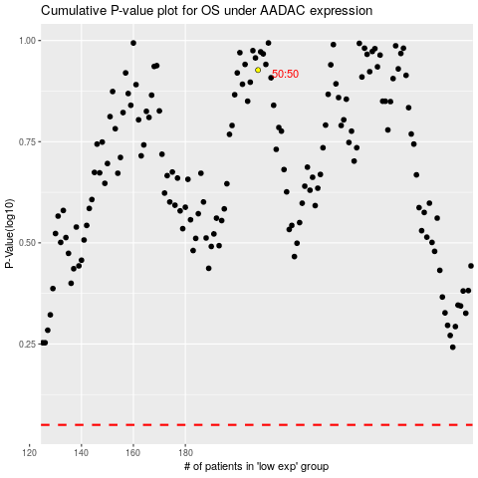

 |  |  |  |  |  | cases_OS | p_OS | rank | exp
 |  |  |  |  |  |  | cases_RFS | p_RFS | rank | exp

