AADAT _multivariate
Reported by Tex Li-Hsing Chi. tex@gate.sinica.edu.tw 2019-08-22

Table 2. The clinicopathological features of HNSCC cohort and AADAT expression. (Chi square test)
Cutoff at -0.283 (49.8%)
 |  | AADAT expression |  | AADAT expression |  | (Optimised)
 | Features | Low | (%) | High | (%) | Case no | P-value | Remark | Matthews
Gender | Female | 142 | 34.2 | 164 | 39.5 | 415 | 0.0238 | 1 | 0
2 | Male | 65 | 15.7 | 44 | 10.6
Age at diagnosis | <=65y | 131 | 31.6 | 143 | 34.5 | 415 | 0.2839 | 0 | 0
4 | >65y | 76 | 18.3 | 65 | 15.7
Clinical T Status | T1+T2 | 81 | 19.5 | 68 | 16.4 | 415 | 0.206 | 0 | 0
6 | T3+T4 | 126 | 30.4 | 140 | 33.7
Clinical N Status | N0 | 99 | 23.9 | 117 | 28.2 | 415 | 0.1054 | 0 | 0
8 | N1-3 | 108 | 26 | 91 | 21.9
Clinical M Status | M0 | 204 | 49.2 | 208 | 50.1 | 415 | 0.1232 | 0 | 0
10 | M1 | 3 | 0.7 | 0 | 0
Clinical Stage | Stage I+II | 51 | 12.3 | 51 | 12.3 | 415 | 1 | 0 | 0
12 | Stage III+IV | 156 | 37.6 | 157 | 37.8
Surgical Margin status | Negative | 156 | 37.6 | 162 | 39 | 415 | 0.5636 | 0 | 0
14 | Positive | 51 | 12.3 | 46 | 11.1
Tobacco Exposure | Low | 94 | 22.7 | 67 | 16.1 | 415 | 0.0065 | 1 | 0
16 | High | 113 | 27.2 | 141 | 34

Table 3. Univariate/Multivariate Cox's proportional hazards regression analyses on OS time of AADAT gene expression in HNSCC

 |  | Univariate |  |  |  | Multivariate
 | Features | HR | CI95%(L) | CI95%(H) | P-value | HR | CI95%(L) | CI95%(H) | P-value
1 | Female | 1 |  |  |  | 1
Gender | Male | 1.157 | 0.843 | 1.587 | 0.367 | 1.205 | 0.862 | 1.685 | 0.275
11 | <=65y | 1 |  |  |  | 1
Age at diagnosis | >65y | 1.329 | 0.99 | 1.784 | 0.058 | 1.398 | 1.027 | 1.904 | 0.033
12 | T1+T2 | 1 |  |  |  | 1
Clinical T Status | T3+T4 | 1.409 | 1.028 | 1.931 | 0.033 | 2.204 | 1.165 | 4.167 | 0.015
13 | N0 | 1 |  |  |  | 1
Clinical N Status | N1-3 | 1.185 | 0.89 | 1.577 | 0.246 | 1.247 | 0.872 | 1.783 | 0.226
14 | M0 | 1 |  |  |  | 1
Clinical M Status | M1 | 4.097 | 1.009 | 16.644 | 0.049 | 9.617 | 2.081 | 44.448 | 0.004
15 | Stage I+II | 1 |  |  |  | 1
Clinical Stage | Stage III+IV | 1.245 | 0.882 | 1.759 | 0.213 | 0.502 | 0.234 | 1.078 | 0.077
16 | Negative | 1 |  |  |  | 1
Surgical Margin status | Positive | 1.591 | 1.155 | 2.191 | 0.004 | 1.677 | 1.213 | 2.319 | 0.002
17 | Low | 1 |  |  |  | 1
Tobacco Exposure | High | 1.364 | 1.008 | 1.844 | 0.044 | 1.445 | 1.046 | 1.995 | 0.026
18 | Low | 1 |  |  |  | 1
RNAseq(z-score) | High | 1 | 0.75 | 1.333 | 0.998 | 1.043 | 0.774 | 1.406 | 0.782

Table 4. Univariate/Multivariate Cox's proportional hazards regression analyses on RFS time of AADAT gene expression in HNSCC

 |  | Univariate |  |  |  | Multivariate
 | Features | HR | CI95%(L) | CI95%(H) | P-value | HR | CI95%(L) | CI95%(H) | P-value
1 | Female | 1 |  |  |  | 1
Gender | Male | 1.157 | 0.843 | 1.587 | 0.367 | 1.205 | 0.862 | 1.685 | 0.275
11 | <=65y | 1 |  |  |  | 1
Age at diagnosis | >65y | 1.329 | 0.99 | 1.784 | 0.058 | 1.398 | 1.027 | 1.904 | 0.033
12 | T1+T2 | 1 |  |  |  | 1
Clinical T Status | T3+T4 | 1.409 | 1.028 | 1.931 | 0.033 | 2.204 | 1.165 | 4.167 | 0.015
13 | N0 | 1 |  |  |  | 1
Clinical N Status | N1-3 | 1.185 | 0.89 | 1.577 | 0.246 | 1.247 | 0.872 | 1.783 | 0.226
14 | M0 | 1 |  |  |  | 1
Clinical M Status | M1 | 4.097 | 1.009 | 16.644 | 0.049 | 9.617 | 2.081 | 44.448 | 0.004
15 | Stage I+II | 1 |  |  |  | 1
Clinical Stage | Stage III+IV | 1.245 | 0.882 | 1.759 | 0.213 | 0.502 | 0.234 | 1.078 | 0.077
16 | Negative | 1 |  |  |  | 1
Surgical Margin status | Positive | 1.591 | 1.155 | 2.191 | 0.004 | 1.677 | 1.213 | 2.319 | 0.002
17 | Low | 1 |  |  |  | 1
Tobacco Exposure | High | 1.364 | 1.008 | 1.844 | 0.044 | 1.445 | 1.046 | 1.995 | 0.026
18 | Low | 1 |  |  |  | 1
RNAseq(z-score) | High | 1 | 0.75 | 1.333 | 0.998 | 1.043 | 0.774 | 1.406 | 0.782

Kaplan-Meier survival estimate: Cutoff at -0.283 (49.8%)



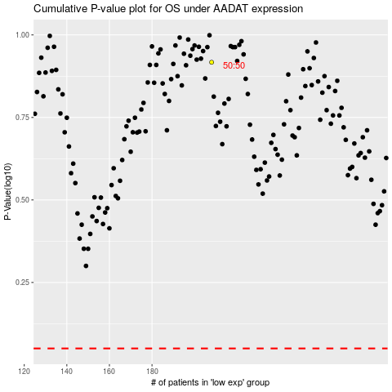

 |  |  |  |  |  | cases_OS | p_OS | rank | exp
 |  |  |  |  |  |  | cases_RFS | p_RFS | rank | exp

