AAGAB _multivariate
Reported by Tex Li-Hsing Chi. tex@gate.sinica.edu.tw 2019-08-22

Table 2. The clinicopathological features of HNSCC cohort and AAGAB expression. (Chi square test)
Cutoff at -0.476 (32.9%)
 |  | AAGAB expression |  | AAGAB expression |  | (Optimised)
 | Features | Low | (%) | High | (%) | Case no | P-value | Remark | Matthews
Gender | Female | 98 | 23.6 | 208 | 50.1 | 415 | 0.6724 | 0 | 0
2 | Male | 38 | 9.2 | 71 | 17.1
Age at diagnosis | <=65y | 91 | 21.9 | 183 | 44.1 | 415 | 0.8759 | 0 | 0
4 | >65y | 45 | 10.8 | 96 | 23.1
Clinical T Status | T1+T2 | 56 | 13.5 | 93 | 22.4 | 415 | 0.1459 | 0 | 0
6 | T3+T4 | 80 | 19.3 | 186 | 44.8
Clinical N Status | N0 | 69 | 16.6 | 147 | 35.4 | 415 | 0.7878 | 0 | 0
8 | N1-3 | 67 | 16.1 | 132 | 31.8
Clinical M Status | M0 | 136 | 32.8 | 276 | 66.5 | 415 | 0.554 | 0 | 0
10 | M1 | 0 | 0 | 3 | 0.7
Clinical Stage | Stage I+II | 37 | 8.9 | 65 | 15.7 | 415 | 0.4553 | 0 | 0
12 | Stage III+IV | 99 | 23.9 | 214 | 51.6
Surgical Margin status | Negative | 109 | 26.3 | 209 | 50.4 | 415 | 0.267 | 0 | 0
14 | Positive | 27 | 6.5 | 70 | 16.9
Tobacco Exposure | Low | 61 | 14.7 | 100 | 24.1 | 415 | 0.0863 | 0 | 0
16 | High | 75 | 18.1 | 179 | 43.1

Table 3. Univariate/Multivariate Cox's proportional hazards regression analyses on OS time of AAGAB gene expression in HNSCC

 |  | Univariate |  |  |  | Multivariate
 | Features | HR | CI95%(L) | CI95%(H) | P-value | HR | CI95%(L) | CI95%(H) | P-value
1 | Female | 1 |  |  |  | 1
Gender | Male | 1.157 | 0.843 | 1.587 | 0.367 | 1.195 | 0.855 | 1.669 | 0.297
11 | <=65y | 1 |  |  |  | 1
Age at diagnosis | >65y | 1.329 | 0.99 | 1.784 | 0.058 | 1.381 | 1.016 | 1.877 | 0.039
12 | T1+T2 | 1 |  |  |  | 1
Clinical T Status | T3+T4 | 1.409 | 1.028 | 1.931 | 0.033 | 2.143 | 1.131 | 4.058 | 0.019
13 | N0 | 1 |  |  |  | 1
Clinical N Status | N1-3 | 1.185 | 0.89 | 1.577 | 0.246 | 1.273 | 0.89 | 1.819 | 0.186
14 | M0 | 1 |  |  |  | 1
Clinical M Status | M1 | 4.097 | 1.009 | 16.644 | 0.049 | 8.309 | 1.801 | 38.338 | 0.007
15 | Stage I+II | 1 |  |  |  | 1
Clinical Stage | Stage III+IV | 1.245 | 0.882 | 1.759 | 0.213 | 0.517 | 0.24 | 1.112 | 0.092
16 | Negative | 1 |  |  |  | 1
Surgical Margin status | Positive | 1.591 | 1.155 | 2.191 | 0.004 | 1.656 | 1.198 | 2.289 | 0.002
17 | Low | 1 |  |  |  | 1
Tobacco Exposure | High | 1.364 | 1.008 | 1.844 | 0.044 | 1.398 | 1.012 | 1.93 | 0.042
18 | Low | 1 |  |  |  | 1
RNAseq(z-score) | High | 1.385 | 1.016 | 1.887 | 0.039 | 1.291 | 0.941 | 1.773 | 0.114

Table 4. Univariate/Multivariate Cox's proportional hazards regression analyses on RFS time of AAGAB gene expression in HNSCC

 |  | Univariate |  |  |  | Multivariate
 | Features | HR | CI95%(L) | CI95%(H) | P-value | HR | CI95%(L) | CI95%(H) | P-value
1 | Female | 1 |  |  |  | 1
Gender | Male | 1.157 | 0.843 | 1.587 | 0.367 | 1.195 | 0.855 | 1.669 | 0.297
11 | <=65y | 1 |  |  |  | 1
Age at diagnosis | >65y | 1.329 | 0.99 | 1.784 | 0.058 | 1.381 | 1.016 | 1.877 | 0.039
12 | T1+T2 | 1 |  |  |  | 1
Clinical T Status | T3+T4 | 1.409 | 1.028 | 1.931 | 0.033 | 2.143 | 1.131 | 4.058 | 0.019
13 | N0 | 1 |  |  |  | 1
Clinical N Status | N1-3 | 1.185 | 0.89 | 1.577 | 0.246 | 1.273 | 0.89 | 1.819 | 0.186
14 | M0 | 1 |  |  |  | 1
Clinical M Status | M1 | 4.097 | 1.009 | 16.644 | 0.049 | 8.309 | 1.801 | 38.338 | 0.007
15 | Stage I+II | 1 |  |  |  | 1
Clinical Stage | Stage III+IV | 1.245 | 0.882 | 1.759 | 0.213 | 0.517 | 0.24 | 1.112 | 0.092
16 | Negative | 1 |  |  |  | 1
Surgical Margin status | Positive | 1.591 | 1.155 | 2.191 | 0.004 | 1.656 | 1.198 | 2.289 | 0.002
17 | Low | 1 |  |  |  | 1
Tobacco Exposure | High | 1.364 | 1.008 | 1.844 | 0.044 | 1.398 | 1.012 | 1.93 | 0.042
18 | Low | 1 |  |  |  | 1
RNAseq(z-score) | High | 1.385 | 1.016 | 1.887 | 0.039 | 1.291 | 0.941 | 1.773 | 0.114

Kaplan-Meier survival estimate: Cutoff at -0.476 (32.9%)



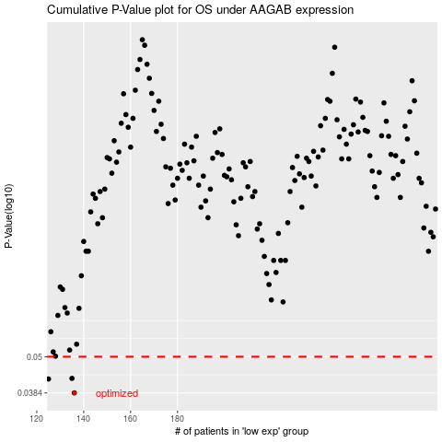

 |  |  |  |  |  | cases_OS | p_OS | rank | exp
 |  |  |  |  |  | 136 | 0.0384 | 349 | -0.47574852156
 |  |  |  |  |  | 125 | 0.0425 | 398 | -0.52592380096
 |  |  |  |  |  | 135 | 0.0427 | 388 | -0.48803893794
 |  |  |  |  |  |  | cases_RFS | p_RFS | rank | exp
 |  |  |  |  |  |  | 135 | 0.0384 | 388 | -0.48803893794
 |  |  |  |  |  |  |  | 0.0425 | 317 | -0.54006318959
 |  |  |  |  |  |  | 134 | 0.0427 | 132 | -0.49073740903

