AAK1 _multivariate
Reported by Tex Li-Hsing Chi. tex@gate.sinica.edu.tw 2019-08-22

Table 2. The clinicopathological features of HNSCC cohort and AAK1 expression. (Chi square test)
Cutoff at 0.044 (49.8%)
 |  | AAK1 expression |  | AAK1 expression |  | (Optimised)
 | Features | Low | (%) | High | (%) | Case no | P-value | Remark | Matthews
Gender | Female | 152 | 36.6 | 154 | 37.1 | 415 | 0.9766 | 0 | 0
2 | Male | 55 | 13.3 | 54 | 13
Age at diagnosis | <=65y | 134 | 32.3 | 140 | 33.7 | 415 | 0.6529 | 0 | 0
4 | >65y | 73 | 17.6 | 68 | 16.4
Clinical T Status | T1+T2 | 80 | 19.3 | 69 | 16.6 | 415 | 0.2891 | 0 | 0
6 | T3+T4 | 127 | 30.6 | 139 | 33.5
Clinical N Status | N0 | 107 | 25.8 | 109 | 26.3 | 415 | 0.9624 | 0 | 0
8 | N1-3 | 100 | 24.1 | 99 | 23.9
Clinical M Status | M0 | 205 | 49.4 | 207 | 49.9 | 415 | 0.6232 | 0 | 0
10 | M1 | 2 | 0.5 | 1 | 0.2
Clinical Stage | Stage I+II | 56 | 13.5 | 46 | 11.1 | 415 | 0.2918 | 0 | 0
12 | Stage III+IV | 151 | 36.4 | 162 | 39
Surgical Margin status | Negative | 150 | 36.1 | 168 | 40.5 | 415 | 0.0492 | 1 | 0
14 | Positive | 57 | 13.7 | 40 | 9.6
Tobacco Exposure | Low | 76 | 18.3 | 85 | 20.5 | 415 | 0.4207 | 0 | 0
16 | High | 131 | 31.6 | 123 | 29.6

Table 3. Univariate/Multivariate Cox's proportional hazards regression analyses on OS time of AAK1 gene expression in HNSCC

 |  | Univariate |  |  |  | Multivariate
 | Features | HR | CI95%(L) | CI95%(H) | P-value | HR | CI95%(L) | CI95%(H) | P-value
1 | Female | 1 |  |  |  | 1
Gender | Male | 1.157 | 0.843 | 1.587 | 0.367 | 1.216 | 0.87 | 1.7 | 0.252
11 | <=65y | 1 |  |  |  | 1
Age at diagnosis | >65y | 1.329 | 0.99 | 1.784 | 0.058 | 1.401 | 1.03 | 1.906 | 0.032
12 | T1+T2 | 1 |  |  |  | 1
Clinical T Status | T3+T4 | 1.409 | 1.028 | 1.931 | 0.033 | 2.204 | 1.165 | 4.169 | 0.015
13 | N0 | 1 |  |  |  | 1
Clinical N Status | N1-3 | 1.185 | 0.89 | 1.577 | 0.246 | 1.251 | 0.876 | 1.785 | 0.218
14 | M0 | 1 |  |  |  | 1
Clinical M Status | M1 | 4.097 | 1.009 | 16.644 | 0.049 | 9.626 | 2.098 | 44.165 | 0.004
15 | Stage I+II | 1 |  |  |  | 1
Clinical Stage | Stage III+IV | 1.245 | 0.882 | 1.759 | 0.213 | 0.498 | 0.232 | 1.069 | 0.074
16 | Negative | 1 |  |  |  | 1
Surgical Margin status | Positive | 1.591 | 1.155 | 2.191 | 0.004 | 1.705 | 1.23 | 2.364 | 0.001
17 | Low | 1 |  |  |  | 1
Tobacco Exposure | High | 1.364 | 1.008 | 1.844 | 0.044 | 1.472 | 1.067 | 2.031 | 0.018
18 | Low | 1 |  |  |  | 1
RNAseq(z-score) | High | 1.022 | 0.766 | 1.362 | 0.883 | 1.144 | 0.853 | 1.534 | 0.371

Table 4. Univariate/Multivariate Cox's proportional hazards regression analyses on RFS time of AAK1 gene expression in HNSCC

 |  | Univariate |  |  |  | Multivariate
 | Features | HR | CI95%(L) | CI95%(H) | P-value | HR | CI95%(L) | CI95%(H) | P-value
1 | Female | 1 |  |  |  | 1
Gender | Male | 1.157 | 0.843 | 1.587 | 0.367 | 1.216 | 0.87 | 1.7 | 0.252
11 | <=65y | 1 |  |  |  | 1
Age at diagnosis | >65y | 1.329 | 0.99 | 1.784 | 0.058 | 1.401 | 1.03 | 1.906 | 0.032
12 | T1+T2 | 1 |  |  |  | 1
Clinical T Status | T3+T4 | 1.409 | 1.028 | 1.931 | 0.033 | 2.204 | 1.165 | 4.169 | 0.015
13 | N0 | 1 |  |  |  | 1
Clinical N Status | N1-3 | 1.185 | 0.89 | 1.577 | 0.246 | 1.251 | 0.876 | 1.785 | 0.218
14 | M0 | 1 |  |  |  | 1
Clinical M Status | M1 | 4.097 | 1.009 | 16.644 | 0.049 | 9.626 | 2.098 | 44.165 | 0.004
15 | Stage I+II | 1 |  |  |  | 1
Clinical Stage | Stage III+IV | 1.245 | 0.882 | 1.759 | 0.213 | 0.498 | 0.232 | 1.069 | 0.074
16 | Negative | 1 |  |  |  | 1
Surgical Margin status | Positive | 1.591 | 1.155 | 2.191 | 0.004 | 1.705 | 1.23 | 2.364 | 0.001
17 | Low | 1 |  |  |  | 1
Tobacco Exposure | High | 1.364 | 1.008 | 1.844 | 0.044 | 1.472 | 1.067 | 2.031 | 0.018
18 | Low | 1 |  |  |  | 1
RNAseq(z-score) | High | 1.022 | 0.766 | 1.362 | 0.883 | 1.144 | 0.853 | 1.534 | 0.371

Kaplan-Meier survival estimate: Cutoff at 0.044 (49.8%)

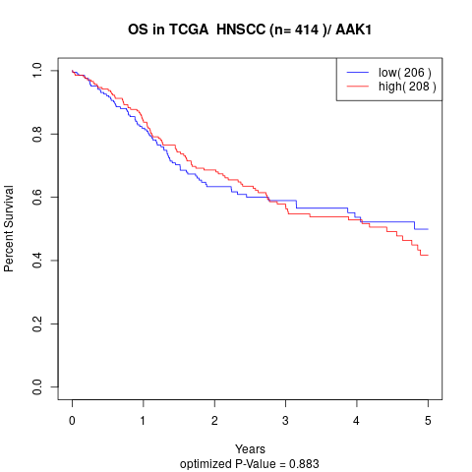

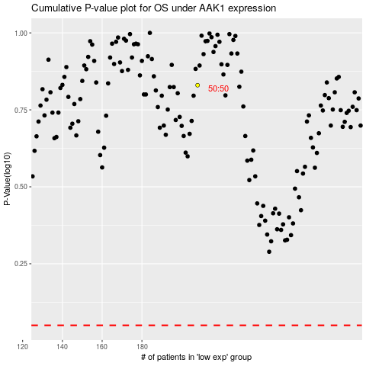

 |  |  |  |  |  | cases_OS | p_OS | rank | exp
 |  |  |  |  |  |  | cases_RFS | p_RFS | rank | exp

