AARS2 _multivariate
Reported by Tex Li-Hsing Chi. tex@gate.sinica.edu.tw 2019-08-22

Table 2. The clinicopathological features of HNSCC cohort and AARS2 expression. (Chi square test)
Cutoff at -0.27 (49.8%)
 |  | AARS2 expression |  | AARS2 expression |  | (Optimised)
 | Features | Low | (%) | High | (%) | Case no | P-value | Remark | Matthews
Gender | Female | 148 | 35.7 | 158 | 38.1 | 415 | 0.3567 | 0 | 0
2 | Male | 59 | 14.2 | 50 | 12
Age at diagnosis | <=65y | 142 | 34.2 | 132 | 31.8 | 415 | 0.3167 | 0 | 0
4 | >65y | 65 | 15.7 | 76 | 18.3
Clinical T Status | T1+T2 | 62 | 14.9 | 87 | 21 | 415 | 0.0156 | 1 | 0
6 | T3+T4 | 145 | 34.9 | 121 | 29.2
Clinical N Status | N0 | 98 | 23.6 | 118 | 28.4 | 415 | 0.0694 | 0 | 0
8 | N1-3 | 109 | 26.3 | 90 | 21.7
Clinical M Status | M0 | 207 | 49.9 | 205 | 49.4 | 415 | 0.2482 | 0 | 0
10 | M1 | 0 | 0 | 3 | 0.7
Clinical Stage | Stage I+II | 41 | 9.9 | 61 | 14.7 | 415 | 0.0325 | 1 | 0
12 | Stage III+IV | 166 | 40 | 147 | 35.4
Surgical Margin status | Negative | 167 | 40.2 | 151 | 36.4 | 415 | 0.0632 | 0 | 0
14 | Positive | 40 | 9.6 | 57 | 13.7
Tobacco Exposure | Low | 74 | 17.8 | 87 | 21 | 415 | 0.227 | 0 | 0
16 | High | 133 | 32 | 121 | 29.2

Table 3. Univariate/Multivariate Cox's proportional hazards regression analyses on OS time of AARS2 gene expression in HNSCC

 |  | Univariate |  |  |  | Multivariate
 | Features | HR | CI95%(L) | CI95%(H) | P-value | HR | CI95%(L) | CI95%(H) | P-value
1 | Female | 1 |  |  |  | 1
Gender | Male | 1.157 | 0.843 | 1.587 | 0.367 | 1.196 | 0.855 | 1.671 | 0.296
11 | <=65y | 1 |  |  |  | 1
Age at diagnosis | >65y | 1.329 | 0.99 | 1.784 | 0.058 | 1.396 | 1.027 | 1.897 | 0.033
12 | T1+T2 | 1 |  |  |  | 1
Clinical T Status | T3+T4 | 1.409 | 1.028 | 1.931 | 0.033 | 2.189 | 1.157 | 4.142 | 0.016
13 | N0 | 1 |  |  |  | 1
Clinical N Status | N1-3 | 1.185 | 0.89 | 1.577 | 0.246 | 1.233 | 0.864 | 1.762 | 0.249
14 | M0 | 1 |  |  |  | 1
Clinical M Status | M1 | 4.097 | 1.009 | 16.644 | 0.049 | 9.725 | 2.107 | 44.887 | 0.004
15 | Stage I+II | 1 |  |  |  | 1
Clinical Stage | Stage III+IV | 1.245 | 0.882 | 1.759 | 0.213 | 0.505 | 0.235 | 1.085 | 0.08
16 | Negative | 1 |  |  |  | 1
Surgical Margin status | Positive | 1.591 | 1.155 | 2.191 | 0.004 | 1.692 | 1.219 | 2.349 | 0.002
17 | Low | 1 |  |  |  | 1
Tobacco Exposure | High | 1.364 | 1.008 | 1.844 | 0.044 | 1.447 | 1.05 | 1.995 | 0.024
18 | Low | 1 |  |  |  | 1
RNAseq(z-score) | High | 0.958 | 0.72 | 1.276 | 0.771 | 0.933 | 0.695 | 1.254 | 0.648

Table 4. Univariate/Multivariate Cox's proportional hazards regression analyses on RFS time of AARS2 gene expression in HNSCC

 |  | Univariate |  |  |  | Multivariate
 | Features | HR | CI95%(L) | CI95%(H) | P-value | HR | CI95%(L) | CI95%(H) | P-value
1 | Female | 1 |  |  |  | 1
Gender | Male | 1.157 | 0.843 | 1.587 | 0.367 | 1.196 | 0.855 | 1.671 | 0.296
11 | <=65y | 1 |  |  |  | 1
Age at diagnosis | >65y | 1.329 | 0.99 | 1.784 | 0.058 | 1.396 | 1.027 | 1.897 | 0.033
12 | T1+T2 | 1 |  |  |  | 1
Clinical T Status | T3+T4 | 1.409 | 1.028 | 1.931 | 0.033 | 2.189 | 1.157 | 4.142 | 0.016
13 | N0 | 1 |  |  |  | 1
Clinical N Status | N1-3 | 1.185 | 0.89 | 1.577 | 0.246 | 1.233 | 0.864 | 1.762 | 0.249
14 | M0 | 1 |  |  |  | 1
Clinical M Status | M1 | 4.097 | 1.009 | 16.644 | 0.049 | 9.725 | 2.107 | 44.887 | 0.004
15 | Stage I+II | 1 |  |  |  | 1
Clinical Stage | Stage III+IV | 1.245 | 0.882 | 1.759 | 0.213 | 0.505 | 0.235 | 1.085 | 0.08
16 | Negative | 1 |  |  |  | 1
Surgical Margin status | Positive | 1.591 | 1.155 | 2.191 | 0.004 | 1.692 | 1.219 | 2.349 | 0.002
17 | Low | 1 |  |  |  | 1
Tobacco Exposure | High | 1.364 | 1.008 | 1.844 | 0.044 | 1.447 | 1.05 | 1.995 | 0.024
18 | Low | 1 |  |  |  | 1
RNAseq(z-score) | High | 0.958 | 0.72 | 1.276 | 0.771 | 0.933 | 0.695 | 1.254 | 0.648

Kaplan-Meier survival estimate: Cutoff at -0.27 (49.8%)



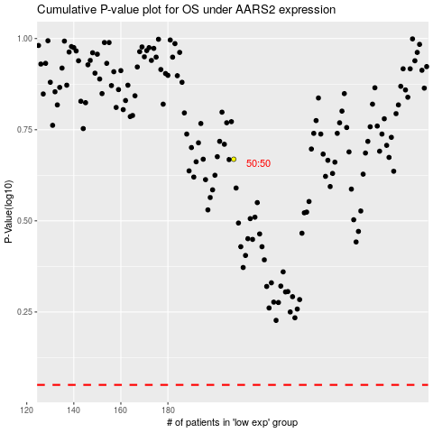

 |  |  |  |  |  | cases_OS | p_OS | rank | exp
 |  |  |  |  |  |  | cases_RFS | p_RFS | rank | exp

