AARSD1 _multivariate
Reported by Tex Li-Hsing Chi. tex@gate.sinica.edu.tw 2019-08-22

Table 2. The clinicopathological features of HNSCC cohort and AARSD1 expression. (Chi square test)
Cutoff at -0.238 (50.0%)
 |  | AARSD1 expression |  | AARSD1 expression |  | (Optimised)
 | Features | Low | (%) | High | (%) | Case no | P-value | Remark | Matthews
Gender | Female | 148 | 35.7 | 158 | 38.1 | 415 | 0.3567 | 0 | 0
2 | Male | 59 | 14.2 | 50 | 12
Age at diagnosis | <=65y | 137 | 33 | 137 | 33 | 415 | 1 | 0 | 0
4 | >65y | 70 | 16.9 | 71 | 17.1
Clinical T Status | T1+T2 | 72 | 17.3 | 77 | 18.6 | 415 | 0.7095 | 0 | 0
6 | T3+T4 | 135 | 32.5 | 131 | 31.6
Clinical N Status | N0 | 104 | 25.1 | 112 | 27 | 415 | 0.5243 | 0 | 0
8 | N1-3 | 103 | 24.8 | 96 | 23.1
Clinical M Status | M0 | 207 | 49.9 | 205 | 49.4 | 415 | 0.2482 | 0 | 0
10 | M1 | 0 | 0 | 3 | 0.7
Clinical Stage | Stage I+II | 49 | 11.8 | 53 | 12.8 | 415 | 0.7535 | 0 | 0
12 | Stage III+IV | 158 | 38.1 | 155 | 37.3
Surgical Margin status | Negative | 164 | 39.5 | 154 | 37.1 | 415 | 0.2462 | 0 | 0
14 | Positive | 43 | 10.4 | 54 | 13
Tobacco Exposure | Low | 88 | 21.2 | 73 | 17.6 | 415 | 0.1314 | 0 | 0
16 | High | 119 | 28.7 | 135 | 32.5

Table 3. Univariate/Multivariate Cox's proportional hazards regression analyses on OS time of AARSD1 gene expression in HNSCC

 |  | Univariate |  |  |  | Multivariate
 | Features | HR | CI95%(L) | CI95%(H) | P-value | HR | CI95%(L) | CI95%(H) | P-value
1 | Female | 1 |  |  |  | 1
Gender | Male | 1.157 | 0.843 | 1.587 | 0.367 | 1.201 | 0.859 | 1.679 | 0.285
11 | <=65y | 1 |  |  |  | 1
Age at diagnosis | >65y | 1.329 | 0.99 | 1.784 | 0.058 | 1.389 | 1.022 | 1.888 | 0.036
12 | T1+T2 | 1 |  |  |  | 1
Clinical T Status | T3+T4 | 1.409 | 1.028 | 1.931 | 0.033 | 2.184 | 1.155 | 4.131 | 0.016
13 | N0 | 1 |  |  |  | 1
Clinical N Status | N1-3 | 1.185 | 0.89 | 1.577 | 0.246 | 1.242 | 0.87 | 1.771 | 0.233
14 | M0 | 1 |  |  |  | 1
Clinical M Status | M1 | 4.097 | 1.009 | 16.644 | 0.049 | 8.766 | 1.895 | 40.563 | 0.005
15 | Stage I+II | 1 |  |  |  | 1
Clinical Stage | Stage III+IV | 1.245 | 0.882 | 1.759 | 0.213 | 0.512 | 0.238 | 1.099 | 0.086
16 | Negative | 1 |  |  |  | 1
Surgical Margin status | Positive | 1.591 | 1.155 | 2.191 | 0.004 | 1.642 | 1.186 | 2.276 | 0.003
17 | Low | 1 |  |  |  | 1
Tobacco Exposure | High | 1.364 | 1.008 | 1.844 | 0.044 | 1.431 | 1.036 | 1.977 | 0.03
18 | Low | 1 |  |  |  | 1
RNAseq(z-score) | High | 1.233 | 0.926 | 1.643 | 0.152 | 1.125 | 0.839 | 1.508 | 0.43

Table 4. Univariate/Multivariate Cox's proportional hazards regression analyses on RFS time of AARSD1 gene expression in HNSCC

 |  | Univariate |  |  |  | Multivariate
 | Features | HR | CI95%(L) | CI95%(H) | P-value | HR | CI95%(L) | CI95%(H) | P-value
1 | Female | 1 |  |  |  | 1
Gender | Male | 1.157 | 0.843 | 1.587 | 0.367 | 1.201 | 0.859 | 1.679 | 0.285
11 | <=65y | 1 |  |  |  | 1
Age at diagnosis | >65y | 1.329 | 0.99 | 1.784 | 0.058 | 1.389 | 1.022 | 1.888 | 0.036
12 | T1+T2 | 1 |  |  |  | 1
Clinical T Status | T3+T4 | 1.409 | 1.028 | 1.931 | 0.033 | 2.184 | 1.155 | 4.131 | 0.016
13 | N0 | 1 |  |  |  | 1
Clinical N Status | N1-3 | 1.185 | 0.89 | 1.577 | 0.246 | 1.242 | 0.87 | 1.771 | 0.233
14 | M0 | 1 |  |  |  | 1
Clinical M Status | M1 | 4.097 | 1.009 | 16.644 | 0.049 | 8.766 | 1.895 | 40.563 | 0.005
15 | Stage I+II | 1 |  |  |  | 1
Clinical Stage | Stage III+IV | 1.245 | 0.882 | 1.759 | 0.213 | 0.512 | 0.238 | 1.099 | 0.086
16 | Negative | 1 |  |  |  | 1
Surgical Margin status | Positive | 1.591 | 1.155 | 2.191 | 0.004 | 1.642 | 1.186 | 2.276 | 0.003
17 | Low | 1 |  |  |  | 1
Tobacco Exposure | High | 1.364 | 1.008 | 1.844 | 0.044 | 1.431 | 1.036 | 1.977 | 0.03
18 | Low | 1 |  |  |  | 1
RNAseq(z-score) | High | 1.233 | 0.926 | 1.643 | 0.152 | 1.125 | 0.839 | 1.508 | 0.43

Kaplan-Meier survival estimate: Cutoff at -0.238 (50.0%)



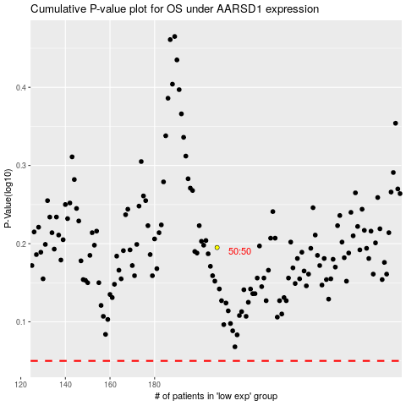

 |  |  |  |  |  | cases_OS | p_OS | rank | exp
 |  |  |  |  |  |  | cases_RFS | p_RFS | rank | exp

