AASDH _multivariate
Reported by Tex Li-Hsing Chi. tex@gate.sinica.edu.tw 2019-08-22

Table 2. The clinicopathological features of HNSCC cohort and AASDH expression. (Chi square test)
Cutoff at -0.162 (49.8%)
 |  | AASDH expression |  | AASDH expression |  | (Optimised)
 | Features | Low | (%) | High | (%) | Case no | P-value | Remark | Matthews
Gender | Female | 151 | 36.4 | 155 | 37.3 | 415 | 0.8007 | 0 | 0
2 | Male | 56 | 13.5 | 53 | 12.8
Age at diagnosis | <=65y | 135 | 32.5 | 139 | 33.5 | 415 | 0.8084 | 0 | 0
4 | >65y | 72 | 17.3 | 69 | 16.6
Clinical T Status | T1+T2 | 83 | 20 | 66 | 15.9 | 415 | 0.0941 | 0 | 0
6 | T3+T4 | 124 | 29.9 | 142 | 34.2
Clinical N Status | N0 | 111 | 26.7 | 105 | 25.3 | 415 | 0.5875 | 0 | 0
8 | N1-3 | 96 | 23.1 | 103 | 24.8
Clinical M Status | M0 | 205 | 49.4 | 207 | 49.9 | 415 | 0.6232 | 0 | 0
10 | M1 | 2 | 0.5 | 1 | 0.2
Clinical Stage | Stage I+II | 58 | 14 | 44 | 10.6 | 415 | 0.131 | 0 | 0
12 | Stage III+IV | 149 | 35.9 | 164 | 39.5
Surgical Margin status | Negative | 167 | 40.2 | 151 | 36.4 | 415 | 0.0632 | 0 | 0
14 | Positive | 40 | 9.6 | 57 | 13.7
Tobacco Exposure | Low | 96 | 23.1 | 65 | 15.7 | 415 | 0.0018 | 1 | 0
16 | High | 111 | 26.7 | 143 | 34.5

Table 3. Univariate/Multivariate Cox's proportional hazards regression analyses on OS time of AASDH gene expression in HNSCC

 |  | Univariate |  |  |  | Multivariate
 | Features | HR | CI95%(L) | CI95%(H) | P-value | HR | CI95%(L) | CI95%(H) | P-value
1 | Female | 1 |  |  |  | 1
Gender | Male | 1.157 | 0.843 | 1.587 | 0.367 | 1.201 | 0.86 | 1.678 | 0.282
11 | <=65y | 1 |  |  |  | 1
Age at diagnosis | >65y | 1.329 | 0.99 | 1.784 | 0.058 | 1.391 | 1.023 | 1.892 | 0.035
12 | T1+T2 | 1 |  |  |  | 1
Clinical T Status | T3+T4 | 1.409 | 1.028 | 1.931 | 0.033 | 2.2 | 1.164 | 4.161 | 0.015
13 | N0 | 1 |  |  |  | 1
Clinical N Status | N1-3 | 1.185 | 0.89 | 1.577 | 0.246 | 1.242 | 0.87 | 1.772 | 0.233
14 | M0 | 1 |  |  |  | 1
Clinical M Status | M1 | 4.097 | 1.009 | 16.644 | 0.049 | 9.571 | 2.082 | 44 | 0.004
15 | Stage I+II | 1 |  |  |  | 1
Clinical Stage | Stage III+IV | 1.245 | 0.882 | 1.759 | 0.213 | 0.501 | 0.233 | 1.076 | 0.076
16 | Negative | 1 |  |  |  | 1
Surgical Margin status | Positive | 1.591 | 1.155 | 2.191 | 0.004 | 1.666 | 1.205 | 2.304 | 0.002
17 | Low | 1 |  |  |  | 1
Tobacco Exposure | High | 1.364 | 1.008 | 1.844 | 0.044 | 1.443 | 1.045 | 1.993 | 0.026
18 | Low | 1 |  |  |  | 1
RNAseq(z-score) | High | 1.134 | 0.85 | 1.513 | 0.393 | 1.056 | 0.786 | 1.419 | 0.716

Table 4. Univariate/Multivariate Cox's proportional hazards regression analyses on RFS time of AASDH gene expression in HNSCC

 |  | Univariate |  |  |  | Multivariate
 | Features | HR | CI95%(L) | CI95%(H) | P-value | HR | CI95%(L) | CI95%(H) | P-value
1 | Female | 1 |  |  |  | 1
Gender | Male | 1.157 | 0.843 | 1.587 | 0.367 | 1.201 | 0.86 | 1.678 | 0.282
11 | <=65y | 1 |  |  |  | 1
Age at diagnosis | >65y | 1.329 | 0.99 | 1.784 | 0.058 | 1.391 | 1.023 | 1.892 | 0.035
12 | T1+T2 | 1 |  |  |  | 1
Clinical T Status | T3+T4 | 1.409 | 1.028 | 1.931 | 0.033 | 2.2 | 1.164 | 4.161 | 0.015
13 | N0 | 1 |  |  |  | 1
Clinical N Status | N1-3 | 1.185 | 0.89 | 1.577 | 0.246 | 1.242 | 0.87 | 1.772 | 0.233
14 | M0 | 1 |  |  |  | 1
Clinical M Status | M1 | 4.097 | 1.009 | 16.644 | 0.049 | 9.571 | 2.082 | 44 | 0.004
15 | Stage I+II | 1 |  |  |  | 1
Clinical Stage | Stage III+IV | 1.245 | 0.882 | 1.759 | 0.213 | 0.501 | 0.233 | 1.076 | 0.076
16 | Negative | 1 |  |  |  | 1
Surgical Margin status | Positive | 1.591 | 1.155 | 2.191 | 0.004 | 1.666 | 1.205 | 2.304 | 0.002
17 | Low | 1 |  |  |  | 1
Tobacco Exposure | High | 1.364 | 1.008 | 1.844 | 0.044 | 1.443 | 1.045 | 1.993 | 0.026
18 | Low | 1 |  |  |  | 1
RNAseq(z-score) | High | 1.134 | 0.85 | 1.513 | 0.393 | 1.056 | 0.786 | 1.419 | 0.716

Kaplan-Meier survival estimate: Cutoff at -0.162 (49.8%)



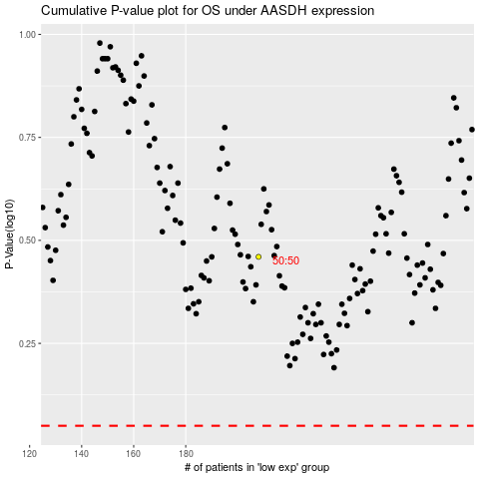

 |  |  |  |  |  | cases_OS | p_OS | rank | exp
 |  |  |  |  |  |  | cases_RFS | p_RFS | rank | exp

