ABAT _multivariate
Reported by Tex Li-Hsing Chi. tex@gate.sinica.edu.tw 2019-08-22

Table 2. The clinicopathological features of HNSCC cohort and ABAT expression. (Chi square test)
Cutoff at -0.294 (50.0%)
 |  | ABAT expression |  | ABAT expression |  | (Optimised)
 | Features | Low | (%) | High | (%) | Case no | P-value | Remark | Matthews
Gender | Female | 146 | 35.2 | 160 | 38.6 | 415 | 0.1714 | 0 | 0
2 | Male | 61 | 14.7 | 48 | 11.6
Age at diagnosis | <=65y | 123 | 29.6 | 151 | 36.4 | 415 | 0.0063 | 1 | 0
4 | >65y | 84 | 20.2 | 57 | 13.7
Clinical T Status | T1+T2 | 74 | 17.8 | 75 | 18.1 | 415 | 1 | 0 | 0
6 | T3+T4 | 133 | 32 | 133 | 32
Clinical N Status | N0 | 102 | 24.6 | 114 | 27.5 | 415 | 0.3031 | 0 | 0
8 | N1-3 | 105 | 25.3 | 94 | 22.7
Clinical M Status | M0 | 206 | 49.6 | 206 | 49.6 | 415 | 1 | 0 | 0
10 | M1 | 1 | 0.2 | 2 | 0.5
Clinical Stage | Stage I+II | 51 | 12.3 | 51 | 12.3 | 415 | 1 | 0 | 0
12 | Stage III+IV | 156 | 37.6 | 157 | 37.8
Surgical Margin status | Negative | 152 | 36.6 | 166 | 40 | 415 | 0.1329 | 0 | 0
14 | Positive | 55 | 13.3 | 42 | 10.1
Tobacco Exposure | Low | 80 | 19.3 | 81 | 19.5 | 415 | 1 | 0 | 0
16 | High | 127 | 30.6 | 127 | 30.6

Table 3. Univariate/Multivariate Cox's proportional hazards regression analyses on OS time of ABAT gene expression in HNSCC

 |  | Univariate |  |  |  | Multivariate
 | Features | HR | CI95%(L) | CI95%(H) | P-value | HR | CI95%(L) | CI95%(H) | P-value
1 | Female | 1 |  |  |  | 1
Gender | Male | 1.157 | 0.843 | 1.587 | 0.367 | 1.208 | 0.864 | 1.689 | 0.269
11 | <=65y | 1 |  |  |  | 1
Age at diagnosis | >65y | 1.329 | 0.99 | 1.784 | 0.058 | 1.402 | 1.03 | 1.909 | 0.032
12 | T1+T2 | 1 |  |  |  | 1
Clinical T Status | T3+T4 | 1.409 | 1.028 | 1.931 | 0.033 | 2.204 | 1.165 | 4.167 | 0.015
13 | N0 | 1 |  |  |  | 1
Clinical N Status | N1-3 | 1.185 | 0.89 | 1.577 | 0.246 | 1.252 | 0.875 | 1.792 | 0.218
14 | M0 | 1 |  |  |  | 1
Clinical M Status | M1 | 4.097 | 1.009 | 16.644 | 0.049 | 9.35 | 2.039 | 42.871 | 0.004
15 | Stage I+II | 1 |  |  |  | 1
Clinical Stage | Stage III+IV | 1.245 | 0.882 | 1.759 | 0.213 | 0.502 | 0.234 | 1.078 | 0.077
16 | Negative | 1 |  |  |  | 1
Surgical Margin status | Positive | 1.591 | 1.155 | 2.191 | 0.004 | 1.679 | 1.214 | 2.321 | 0.002
17 | Low | 1 |  |  |  | 1
Tobacco Exposure | High | 1.364 | 1.008 | 1.844 | 0.044 | 1.451 | 1.053 | 1.999 | 0.023
18 | Low | 1 |  |  |  | 1
RNAseq(z-score) | High | 0.957 | 0.719 | 1.275 | 0.766 | 1.063 | 0.792 | 1.426 | 0.686

Table 4. Univariate/Multivariate Cox's proportional hazards regression analyses on RFS time of ABAT gene expression in HNSCC

 |  | Univariate |  |  |  | Multivariate
 | Features | HR | CI95%(L) | CI95%(H) | P-value | HR | CI95%(L) | CI95%(H) | P-value
1 | Female | 1 |  |  |  | 1
Gender | Male | 1.157 | 0.843 | 1.587 | 0.367 | 1.208 | 0.864 | 1.689 | 0.269
11 | <=65y | 1 |  |  |  | 1
Age at diagnosis | >65y | 1.329 | 0.99 | 1.784 | 0.058 | 1.402 | 1.03 | 1.909 | 0.032
12 | T1+T2 | 1 |  |  |  | 1
Clinical T Status | T3+T4 | 1.409 | 1.028 | 1.931 | 0.033 | 2.204 | 1.165 | 4.167 | 0.015
13 | N0 | 1 |  |  |  | 1
Clinical N Status | N1-3 | 1.185 | 0.89 | 1.577 | 0.246 | 1.252 | 0.875 | 1.792 | 0.218
14 | M0 | 1 |  |  |  | 1
Clinical M Status | M1 | 4.097 | 1.009 | 16.644 | 0.049 | 9.35 | 2.039 | 42.871 | 0.004
15 | Stage I+II | 1 |  |  |  | 1
Clinical Stage | Stage III+IV | 1.245 | 0.882 | 1.759 | 0.213 | 0.502 | 0.234 | 1.078 | 0.077
16 | Negative | 1 |  |  |  | 1
Surgical Margin status | Positive | 1.591 | 1.155 | 2.191 | 0.004 | 1.679 | 1.214 | 2.321 | 0.002
17 | Low | 1 |  |  |  | 1
Tobacco Exposure | High | 1.364 | 1.008 | 1.844 | 0.044 | 1.451 | 1.053 | 1.999 | 0.023
18 | Low | 1 |  |  |  | 1
RNAseq(z-score) | High | 0.957 | 0.719 | 1.275 | 0.766 | 1.063 | 0.792 | 1.426 | 0.686

Kaplan-Meier survival estimate: Cutoff at -0.294 (50.0%)



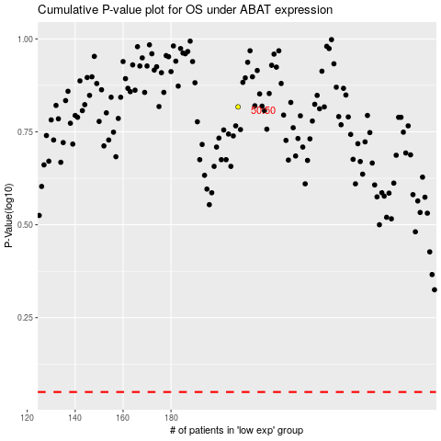

 |  |  |  |  |  | cases_OS | p_OS | rank | exp
 |  |  |  |  |  |  | cases_RFS | p_RFS | rank | exp

