ABCA1 _multivariate
Reported by Tex Li-Hsing Chi. tex@gate.sinica.edu.tw 2019-08-22

Table 2. The clinicopathological features of HNSCC cohort and ABCA1 expression. (Chi square test)
Cutoff at -0.154 (50.0%)
 |  | ABCA1 expression |  | ABCA1 expression |  | (Optimised)
 | Features | Low | (%) | High | (%) | Case no | P-value | Remark | Matthews
Gender | Female | 155 | 37.3 | 151 | 36.4 | 415 | 0.6768 | 0 | 0
2 | Male | 52 | 12.5 | 57 | 13.7
Age at diagnosis | <=65y | 138 | 33.3 | 136 | 32.8 | 415 | 0.8634 | 0 | 0
4 | >65y | 69 | 16.6 | 72 | 17.3
Clinical T Status | T1+T2 | 73 | 17.6 | 76 | 18.3 | 415 | 0.8666 | 0 | 0
6 | T3+T4 | 134 | 32.3 | 132 | 31.8
Clinical N Status | N0 | 109 | 26.3 | 107 | 25.8 | 415 | 0.8812 | 0 | 0
8 | N1-3 | 98 | 23.6 | 101 | 24.3
Clinical M Status | M0 | 204 | 49.2 | 208 | 50.1 | 415 | 0.1232 | 0 | 0
10 | M1 | 3 | 0.7 | 0 | 0
Clinical Stage | Stage I+II | 43 | 10.4 | 59 | 14.2 | 415 | 0.0925 | 0 | 0
12 | Stage III+IV | 164 | 39.5 | 149 | 35.9
Surgical Margin status | Negative | 155 | 37.3 | 163 | 39.3 | 415 | 0.4187 | 0 | 0
14 | Positive | 52 | 12.5 | 45 | 10.8
Tobacco Exposure | Low | 85 | 20.5 | 76 | 18.3 | 415 | 0.3655 | 0 | 0
16 | High | 122 | 29.4 | 132 | 31.8

Table 3. Univariate/Multivariate Cox's proportional hazards regression analyses on OS time of ABCA1 gene expression in HNSCC

 |  | Univariate |  |  |  | Multivariate
 | Features | HR | CI95%(L) | CI95%(H) | P-value | HR | CI95%(L) | CI95%(H) | P-value
1 | Female | 1 |  |  |  | 1
Gender | Male | 1.157 | 0.843 | 1.587 | 0.367 | 1.209 | 0.863 | 1.692 | 0.27
11 | <=65y | 1 |  |  |  | 1
Age at diagnosis | >65y | 1.329 | 0.99 | 1.784 | 0.058 | 1.389 | 1.021 | 1.889 | 0.036
12 | T1+T2 | 1 |  |  |  | 1
Clinical T Status | T3+T4 | 1.409 | 1.028 | 1.931 | 0.033 | 2.181 | 1.149 | 4.138 | 0.017
13 | N0 | 1 |  |  |  | 1
Clinical N Status | N1-3 | 1.185 | 0.89 | 1.577 | 0.246 | 1.232 | 0.86 | 1.764 | 0.256
14 | M0 | 1 |  |  |  | 1
Clinical M Status | M1 | 4.097 | 1.009 | 16.644 | 0.049 | 9.563 | 2.077 | 44.026 | 0.004
15 | Stage I+II | 1 |  |  |  | 1
Clinical Stage | Stage III+IV | 1.245 | 0.882 | 1.759 | 0.213 | 0.514 | 0.237 | 1.116 | 0.092
16 | Negative | 1 |  |  |  | 1
Surgical Margin status | Positive | 1.591 | 1.155 | 2.191 | 0.004 | 1.678 | 1.213 | 2.322 | 0.002
17 | Low | 1 |  |  |  | 1
Tobacco Exposure | High | 1.364 | 1.008 | 1.844 | 0.044 | 1.452 | 1.054 | 2.001 | 0.023
18 | Low | 1 |  |  |  | 1
RNAseq(z-score) | High | 1.039 | 0.78 | 1.384 | 0.792 | 1.044 | 0.777 | 1.404 | 0.774

Table 4. Univariate/Multivariate Cox's proportional hazards regression analyses on RFS time of ABCA1 gene expression in HNSCC

 |  | Univariate |  |  |  | Multivariate
 | Features | HR | CI95%(L) | CI95%(H) | P-value | HR | CI95%(L) | CI95%(H) | P-value
1 | Female | 1 |  |  |  | 1
Gender | Male | 1.157 | 0.843 | 1.587 | 0.367 | 1.209 | 0.863 | 1.692 | 0.27
11 | <=65y | 1 |  |  |  | 1
Age at diagnosis | >65y | 1.329 | 0.99 | 1.784 | 0.058 | 1.389 | 1.021 | 1.889 | 0.036
12 | T1+T2 | 1 |  |  |  | 1
Clinical T Status | T3+T4 | 1.409 | 1.028 | 1.931 | 0.033 | 2.181 | 1.149 | 4.138 | 0.017
13 | N0 | 1 |  |  |  | 1
Clinical N Status | N1-3 | 1.185 | 0.89 | 1.577 | 0.246 | 1.232 | 0.86 | 1.764 | 0.256
14 | M0 | 1 |  |  |  | 1
Clinical M Status | M1 | 4.097 | 1.009 | 16.644 | 0.049 | 9.563 | 2.077 | 44.026 | 0.004
15 | Stage I+II | 1 |  |  |  | 1
Clinical Stage | Stage III+IV | 1.245 | 0.882 | 1.759 | 0.213 | 0.514 | 0.237 | 1.116 | 0.092
16 | Negative | 1 |  |  |  | 1
Surgical Margin status | Positive | 1.591 | 1.155 | 2.191 | 0.004 | 1.678 | 1.213 | 2.322 | 0.002
17 | Low | 1 |  |  |  | 1
Tobacco Exposure | High | 1.364 | 1.008 | 1.844 | 0.044 | 1.452 | 1.054 | 2.001 | 0.023
18 | Low | 1 |  |  |  | 1
RNAseq(z-score) | High | 1.039 | 0.78 | 1.384 | 0.792 | 1.044 | 0.777 | 1.404 | 0.774

Kaplan-Meier survival estimate: Cutoff at -0.154 (50.0%)



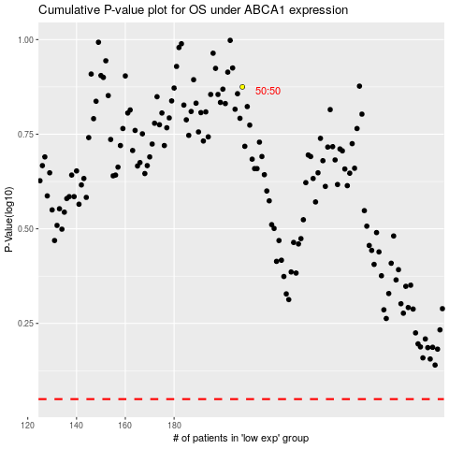

 |  |  |  |  |  | cases_OS | p_OS | rank | exp
 |  |  |  |  |  |  | cases_RFS | p_RFS | rank | exp

