ABCA12 _multivariate
Reported by Tex Li-Hsing Chi. tex@gate.sinica.edu.tw 2019-08-22

Table 2. The clinicopathological features of HNSCC cohort and ABCA12 expression. (Chi square test)
Cutoff at -0.335 (50.0%)
 |  | ABCA12 expression |  | ABCA12 expression |  | (Optimised)
 | Features | Low | (%) | High | (%) | Case no | P-value | Remark | Matthews
Gender | Female | 168 | 40.5 | 138 | 33.3 | 415 | 9e-04 | 1 | 0
2 | Male | 39 | 9.4 | 70 | 16.9
Age at diagnosis | <=65y | 143 | 34.5 | 131 | 31.6 | 415 | 0.2269 | 0 | 0
4 | >65y | 64 | 15.4 | 77 | 18.6
Clinical T Status | T1+T2 | 82 | 19.8 | 67 | 16.1 | 415 | 0.1417 | 0 | 0
6 | T3+T4 | 125 | 30.1 | 141 | 34
Clinical N Status | N0 | 95 | 22.9 | 121 | 29.2 | 415 | 0.0162 | 1 | 0
8 | N1-3 | 112 | 27 | 87 | 21
Clinical M Status | M0 | 204 | 49.2 | 208 | 50.1 | 415 | 0.1232 | 0 | 0
10 | M1 | 3 | 0.7 | 0 | 0
Clinical Stage | Stage I+II | 49 | 11.8 | 53 | 12.8 | 415 | 0.7535 | 0 | 0
12 | Stage III+IV | 158 | 38.1 | 155 | 37.3
Surgical Margin status | Negative | 151 | 36.4 | 167 | 40.2 | 415 | 0.0828 | 0 | 0
14 | Positive | 56 | 13.5 | 41 | 9.9
Tobacco Exposure | Low | 76 | 18.3 | 85 | 20.5 | 415 | 0.4207 | 0 | 0
16 | High | 131 | 31.6 | 123 | 29.6

Table 3. Univariate/Multivariate Cox's proportional hazards regression analyses on OS time of ABCA12 gene expression in HNSCC

 |  | Univariate |  |  |  | Multivariate
 | Features | HR | CI95%(L) | CI95%(H) | P-value | HR | CI95%(L) | CI95%(H) | P-value
1 | Female | 1 |  |  |  | 1
Gender | Male | 1.157 | 0.843 | 1.587 | 0.367 | 1.247 | 0.885 | 1.758 | 0.208
11 | <=65y | 1 |  |  |  | 1
Age at diagnosis | >65y | 1.329 | 0.99 | 1.784 | 0.058 | 1.401 | 1.03 | 1.905 | 0.032
12 | T1+T2 | 1 |  |  |  | 1
Clinical T Status | T3+T4 | 1.409 | 1.028 | 1.931 | 0.033 | 2.23 | 1.178 | 4.219 | 0.014
13 | N0 | 1 |  |  |  | 1
Clinical N Status | N1-3 | 1.185 | 0.89 | 1.577 | 0.246 | 1.216 | 0.85 | 1.74 | 0.284
14 | M0 | 1 |  |  |  | 1
Clinical M Status | M1 | 4.097 | 1.009 | 16.644 | 0.049 | 9.028 | 1.965 | 41.483 | 0.005
15 | Stage I+II | 1 |  |  |  | 1
Clinical Stage | Stage III+IV | 1.245 | 0.882 | 1.759 | 0.213 | 0.506 | 0.236 | 1.086 | 0.08
16 | Negative | 1 |  |  |  | 1
Surgical Margin status | Positive | 1.591 | 1.155 | 2.191 | 0.004 | 1.662 | 1.202 | 2.297 | 0.002
17 | Low | 1 |  |  |  | 1
Tobacco Exposure | High | 1.364 | 1.008 | 1.844 | 0.044 | 1.446 | 1.05 | 1.993 | 0.024
18 | Low | 1 |  |  |  | 1
RNAseq(z-score) | High | 0.889 | 0.667 | 1.186 | 0.424 | 0.868 | 0.642 | 1.174 | 0.358

Table 4. Univariate/Multivariate Cox's proportional hazards regression analyses on RFS time of ABCA12 gene expression in HNSCC

 |  | Univariate |  |  |  | Multivariate
 | Features | HR | CI95%(L) | CI95%(H) | P-value | HR | CI95%(L) | CI95%(H) | P-value
1 | Female | 1 |  |  |  | 1
Gender | Male | 1.157 | 0.843 | 1.587 | 0.367 | 1.247 | 0.885 | 1.758 | 0.208
11 | <=65y | 1 |  |  |  | 1
Age at diagnosis | >65y | 1.329 | 0.99 | 1.784 | 0.058 | 1.401 | 1.03 | 1.905 | 0.032
12 | T1+T2 | 1 |  |  |  | 1
Clinical T Status | T3+T4 | 1.409 | 1.028 | 1.931 | 0.033 | 2.23 | 1.178 | 4.219 | 0.014
13 | N0 | 1 |  |  |  | 1
Clinical N Status | N1-3 | 1.185 | 0.89 | 1.577 | 0.246 | 1.216 | 0.85 | 1.74 | 0.284
14 | M0 | 1 |  |  |  | 1
Clinical M Status | M1 | 4.097 | 1.009 | 16.644 | 0.049 | 9.028 | 1.965 | 41.483 | 0.005
15 | Stage I+II | 1 |  |  |  | 1
Clinical Stage | Stage III+IV | 1.245 | 0.882 | 1.759 | 0.213 | 0.506 | 0.236 | 1.086 | 0.08
16 | Negative | 1 |  |  |  | 1
Surgical Margin status | Positive | 1.591 | 1.155 | 2.191 | 0.004 | 1.662 | 1.202 | 2.297 | 0.002
17 | Low | 1 |  |  |  | 1
Tobacco Exposure | High | 1.364 | 1.008 | 1.844 | 0.044 | 1.446 | 1.05 | 1.993 | 0.024
18 | Low | 1 |  |  |  | 1
RNAseq(z-score) | High | 0.889 | 0.667 | 1.186 | 0.424 | 0.868 | 0.642 | 1.174 | 0.358

Kaplan-Meier survival estimate: Cutoff at -0.335 (50.0%)

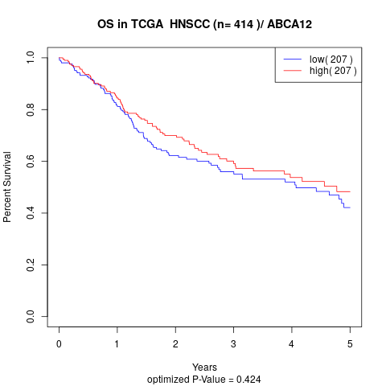

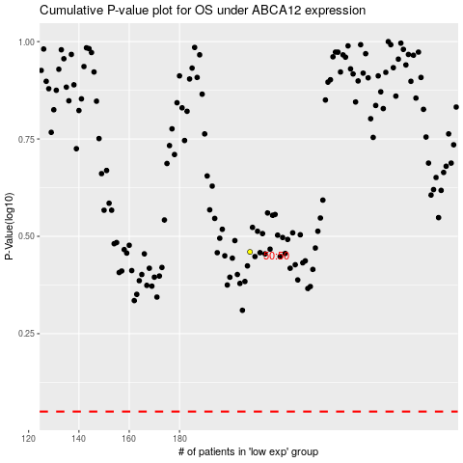

 |  |  |  |  |  | cases_OS | p_OS | rank | exp
 |  |  |  |  |  |  | cases_RFS | p_RFS | rank | exp

