ABCA17P _multivariate
Reported by Tex Li-Hsing Chi. tex@gate.sinica.edu.tw 2019-08-22

Table 2. The clinicopathological features of HNSCC cohort and ABCA17P expression. (Chi square test)
Cutoff at -0.251 (49.8%)
 |  | ABCA17P expression |  | ABCA17P expression |  | (Optimised)
 | Features | Low | (%) | High | (%) | Case no | P-value | Remark | Matthews
Gender | Female | 146 | 35.2 | 160 | 38.6 | 415 | 0.1714 | 0 | 0
2 | Male | 61 | 14.7 | 48 | 11.6
Age at diagnosis | <=65y | 130 | 31.3 | 144 | 34.7 | 415 | 0.2009 | 0 | 0
4 | >65y | 77 | 18.6 | 64 | 15.4
Clinical T Status | T1+T2 | 63 | 15.2 | 86 | 20.7 | 415 | 0.0268 | 1 | 0
6 | T3+T4 | 144 | 34.7 | 122 | 29.4
Clinical N Status | N0 | 111 | 26.7 | 105 | 25.3 | 415 | 0.5875 | 0 | 0
8 | N1-3 | 96 | 23.1 | 103 | 24.8
Clinical M Status | M0 | 206 | 49.6 | 206 | 49.6 | 415 | 1 | 0 | 0
10 | M1 | 1 | 0.2 | 2 | 0.5
Clinical Stage | Stage I+II | 48 | 11.6 | 54 | 13 | 415 | 0.5878 | 0 | 0
12 | Stage III+IV | 159 | 38.3 | 154 | 37.1
Surgical Margin status | Negative | 163 | 39.3 | 155 | 37.3 | 415 | 0.3537 | 0 | 0
14 | Positive | 44 | 10.6 | 53 | 12.8
Tobacco Exposure | Low | 89 | 21.4 | 72 | 17.3 | 415 | 0.0872 | 0 | 0
16 | High | 118 | 28.4 | 136 | 32.8

Table 3. Univariate/Multivariate Cox's proportional hazards regression analyses on OS time of ABCA17P gene expression in HNSCC

 |  | Univariate |  |  |  | Multivariate
 | Features | HR | CI95%(L) | CI95%(H) | P-value | HR | CI95%(L) | CI95%(H) | P-value
1 | Female | 1 |  |  |  | 1
Gender | Male | 1.157 | 0.843 | 1.587 | 0.367 | 1.199 | 0.857 | 1.677 | 0.289
11 | <=65y | 1 |  |  |  | 1
Age at diagnosis | >65y | 1.329 | 0.99 | 1.784 | 0.058 | 1.391 | 1.023 | 1.891 | 0.035
12 | T1+T2 | 1 |  |  |  | 1
Clinical T Status | T3+T4 | 1.409 | 1.028 | 1.931 | 0.033 | 2.193 | 1.157 | 4.158 | 0.016
13 | N0 | 1 |  |  |  | 1
Clinical N Status | N1-3 | 1.185 | 0.89 | 1.577 | 0.246 | 1.241 | 0.87 | 1.771 | 0.233
14 | M0 | 1 |  |  |  | 1
Clinical M Status | M1 | 4.097 | 1.009 | 16.644 | 0.049 | 9.393 | 2.049 | 43.063 | 0.004
15 | Stage I+II | 1 |  |  |  | 1
Clinical Stage | Stage III+IV | 1.245 | 0.882 | 1.759 | 0.213 | 0.506 | 0.235 | 1.089 | 0.082
16 | Negative | 1 |  |  |  | 1
Surgical Margin status | Positive | 1.591 | 1.155 | 2.191 | 0.004 | 1.675 | 1.211 | 2.317 | 0.002
17 | Low | 1 |  |  |  | 1
Tobacco Exposure | High | 1.364 | 1.008 | 1.844 | 0.044 | 1.457 | 1.055 | 2.011 | 0.022
18 | Low | 1 |  |  |  | 1
RNAseq(z-score) | High | 0.985 | 0.739 | 1.311 | 0.916 | 0.979 | 0.73 | 1.314 | 0.89

Table 4. Univariate/Multivariate Cox's proportional hazards regression analyses on RFS time of ABCA17P gene expression in HNSCC

 |  | Univariate |  |  |  | Multivariate
 | Features | HR | CI95%(L) | CI95%(H) | P-value | HR | CI95%(L) | CI95%(H) | P-value
1 | Female | 1 |  |  |  | 1
Gender | Male | 1.157 | 0.843 | 1.587 | 0.367 | 1.199 | 0.857 | 1.677 | 0.289
11 | <=65y | 1 |  |  |  | 1
Age at diagnosis | >65y | 1.329 | 0.99 | 1.784 | 0.058 | 1.391 | 1.023 | 1.891 | 0.035
12 | T1+T2 | 1 |  |  |  | 1
Clinical T Status | T3+T4 | 1.409 | 1.028 | 1.931 | 0.033 | 2.193 | 1.157 | 4.158 | 0.016
13 | N0 | 1 |  |  |  | 1
Clinical N Status | N1-3 | 1.185 | 0.89 | 1.577 | 0.246 | 1.241 | 0.87 | 1.771 | 0.233
14 | M0 | 1 |  |  |  | 1
Clinical M Status | M1 | 4.097 | 1.009 | 16.644 | 0.049 | 9.393 | 2.049 | 43.063 | 0.004
15 | Stage I+II | 1 |  |  |  | 1
Clinical Stage | Stage III+IV | 1.245 | 0.882 | 1.759 | 0.213 | 0.506 | 0.235 | 1.089 | 0.082
16 | Negative | 1 |  |  |  | 1
Surgical Margin status | Positive | 1.591 | 1.155 | 2.191 | 0.004 | 1.675 | 1.211 | 2.317 | 0.002
17 | Low | 1 |  |  |  | 1
Tobacco Exposure | High | 1.364 | 1.008 | 1.844 | 0.044 | 1.457 | 1.055 | 2.011 | 0.022
18 | Low | 1 |  |  |  | 1
RNAseq(z-score) | High | 0.985 | 0.739 | 1.311 | 0.916 | 0.979 | 0.73 | 1.314 | 0.89

Kaplan-Meier survival estimate: Cutoff at -0.251 (49.8%)



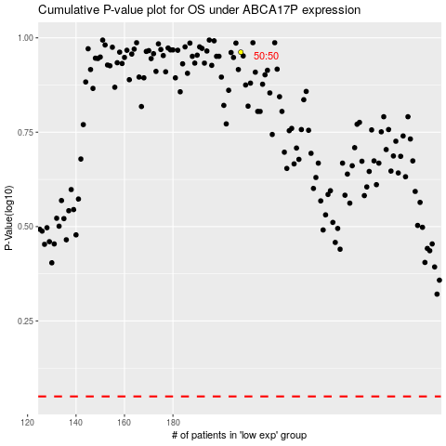

 |  |  |  |  |  | cases_OS | p_OS | rank | exp
 |  |  |  |  |  |  | cases_RFS | p_RFS | rank | exp

